Analysis1
Analysis Sheet
This sheet will include all the Python formulas generated by Copilot.

Load data from Sheet1, passengers

Preview
 | Month | Passengers
0 | 1949-01 | 112
1 | 1949-02 | 118
2 | 1949-03 | 132
3 | 1949-04 | 129
4 | 1949-05 | 121
... | ... | ...
139 | 1960-08 | 606
140 | 1960-09 | 508
141 | 1960-10 | 461
142 | 1960-11 | 390
143 | 1960-12 | 432

Fit SES model and plot actual vs. forecasted passenger counts

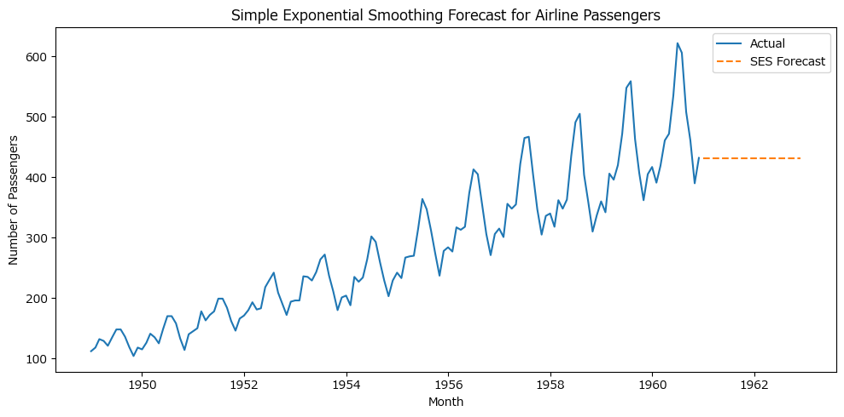

Plot actual values and Holt's linear trend forecast for airline passengers

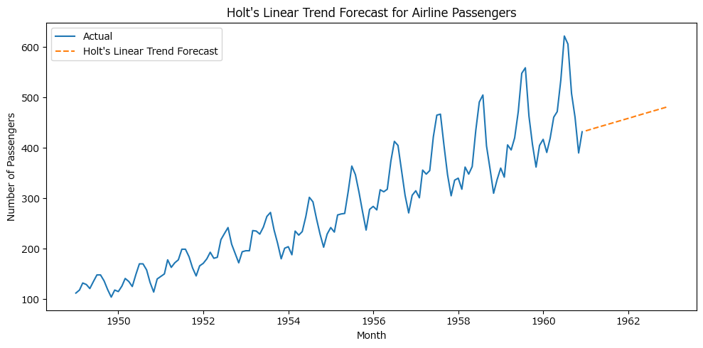

Plot actual values and Holt's damped trend forecast for airline passengers



Holt-Winters seasonal model forecast plot

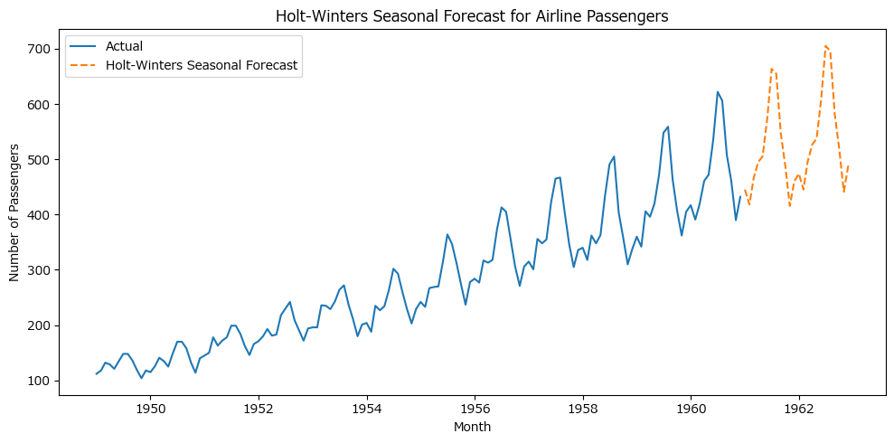
Fit SES, Holt's linear, and Holt-Winters models and generate forecasts

Preview
 | Actual | SES | Holt's Linear | Holt-Winters
Month
21551 | 360 | 336.9999996 | 338.93427487 | 350.95965016
21582 | 342 | 336.9999996 | 340.99199098 | 333.62961121
21610 | 406 | 336.9999996 | 343.0497071 | 387.80752415
21641 | 396 | 336.9999996 | 345.10742321 | 380.13958983
21671 | 420 | 336.9999996 | 347.16513933 | 398.08927

Compute accuracy metrics and summarize results for SES, Holt's linear, and Holt-Winters models

Preview
 | Model | MAE | RMSE | MAPE
0 | SES | 115.2500004 | 137.3289849 | 0.23577467505
1 | Holt's Linear | 89.651989818 | 114.00162078 | 0.17979902182
2 | Holt-Winters | 28.975298793 | 32.486489511 | 0.063906166409

