Analysis1
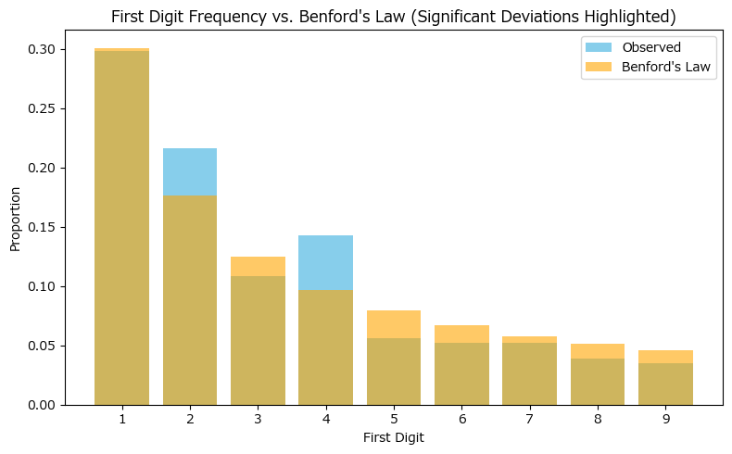
Analysis Sheet
This sheet will include all the Python formulas generated by Copilot.

Load data from Data, country_gdp

Preview
 | Country Name | Country Code | gdp
0 | Aruba | ABW | 0
1 | Africa Eastern and Southern | AFE | 1.2876769795E+12
2 | Afghanistan | AFG | 0
3 | Africa Western and Central | AFW | 6.7002565531E+11
4 | Angola | AGO | 80396942242
... | ... | ... | ...
261 | Kosovo | XKX | 11148602233
262 | Yemen, Rep. | YEM | 0
263 | South Africa | ZAF | 4.0026072423E+11
264 | Zambia | ZMB | 26325775287
265 | Zimbabwe | ZWE | 44187704410

Count of first digits (1-9) in GDP values

Preview
gdp | count
1 | 69
2 | 50
3 | 25
4 | 33
5 | 13
6 | 12
7 | 12
8 | 9
9 | 8

Bar plot comparing observed first digit distribution to Benford's Law

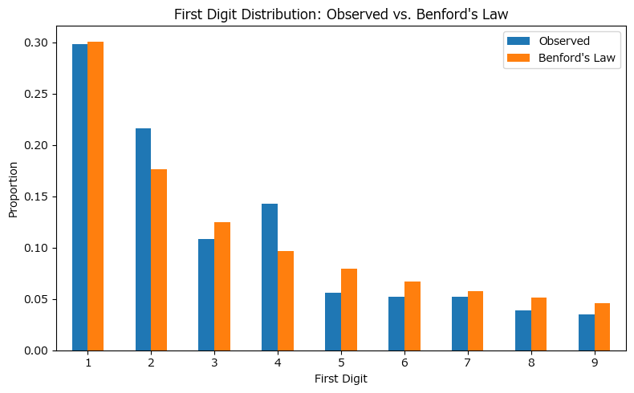

Bar chart showing actual first-digit frequency versus Benford’s Law, with significant deviations highlighted.

