Analysis1
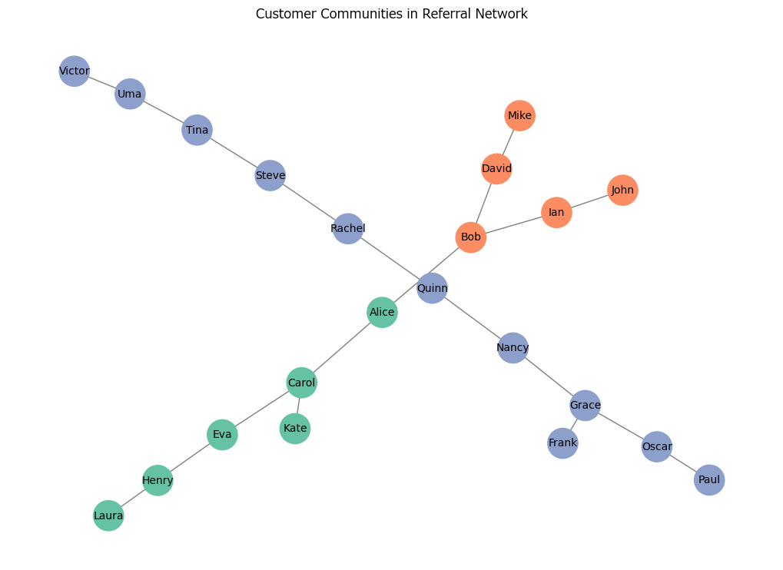
Analysis Sheet
This sheet will include all the Python formulas generated by Copilot.

Load data from cutomers, Table1

Preview
 | referrer_customer | referred_customer
0 | Alice | Bob
1 | Alice | Carol
2 | Bob | David
3 | Carol | Eva
4 | Frank | Grace
... | ... | ...
15 | Quinn | Rachel
16 | Rachel | Steve
17 | Steve | Tina
18 | Tina | Uma
19 | Uma | Victor

Directed network graph of customer referrals using NetworkX

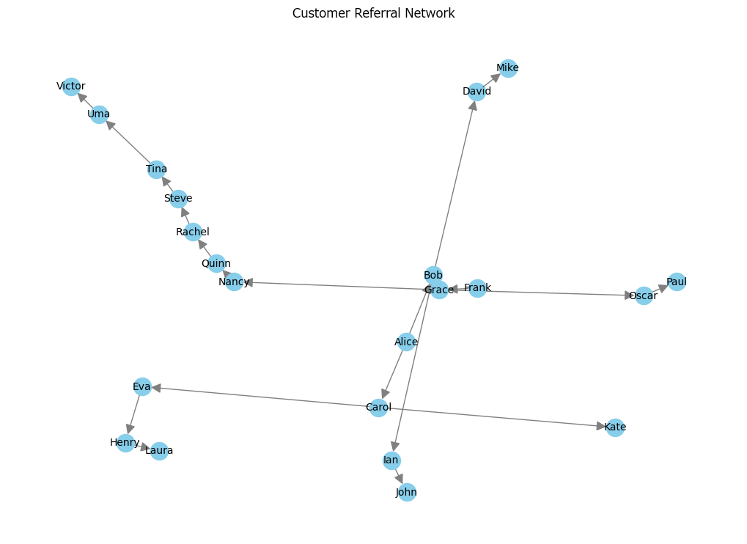

Top 5 customers by out-degree centrality in the referral network

Preview
 | customer | out_degree_centrality
0 | Alice | 0.095238095238
1 | Carol | 0.095238095238
2 | Grace | 0.095238095238
3 | Bob | 0.095238095238
4 | Quinn | 0.047619047619

Detected customer communities using Girvan-Newman algorithm

Preview
 | community | customers
0 | Community 1 | <list>
1 | Community 2 | <list>
2 | Community 3 | <list>

Visualize customer communities in the undirected referral network

