Analysis2
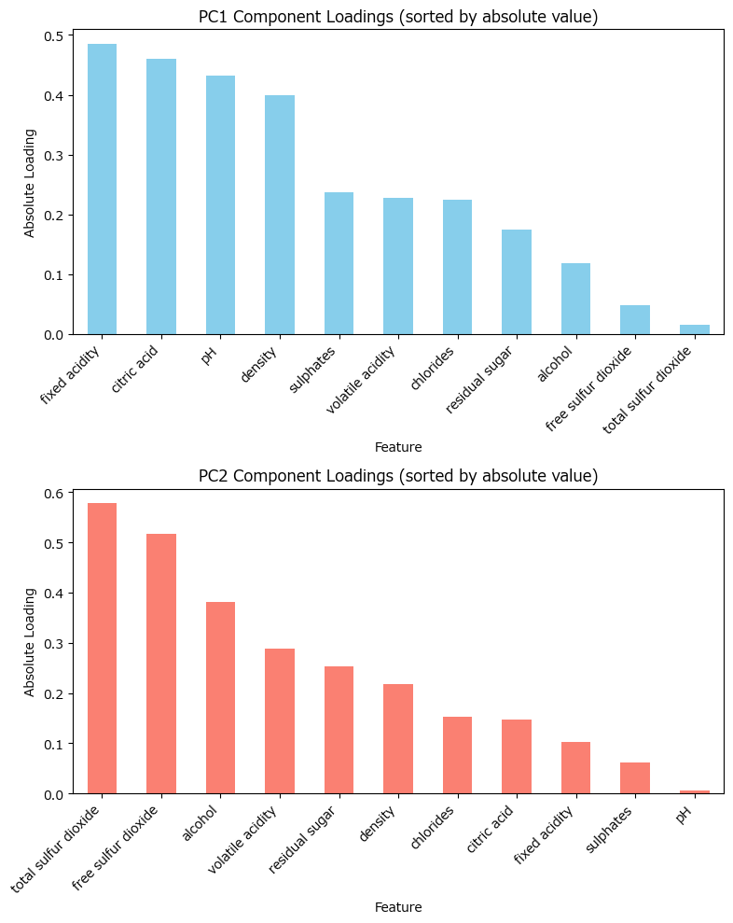
Analysis Sheet
This sheet will include all the Python formulas generated by Copilot.

Load data from WineQT, wine_quality
0

Preview
#VALUE!

Summary statistics and missing values for all columns
0

Preview
#VALUE!

Data types after conversion for object columns
0

Preview
#VALUE!

Correlation matrix heatmap for all numeric features
0
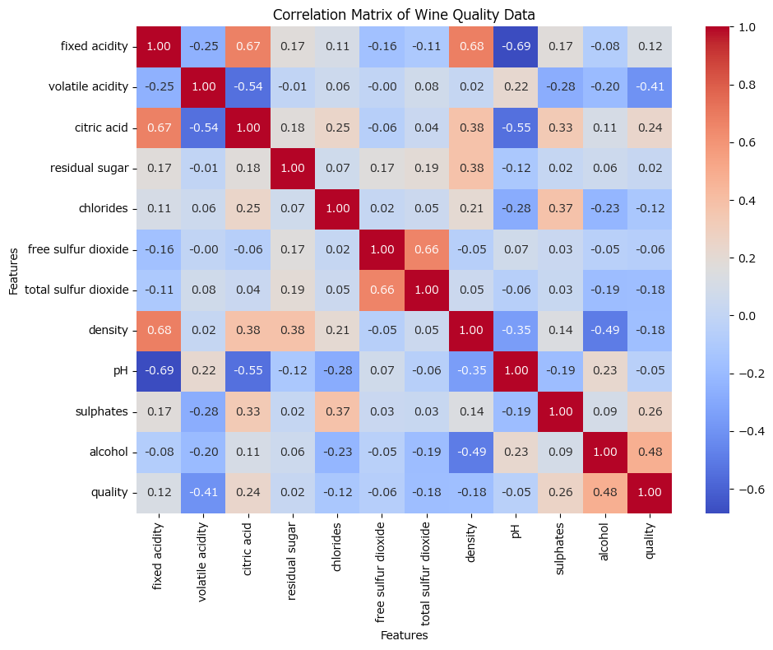

Boxplots of top correlated features with quality
0
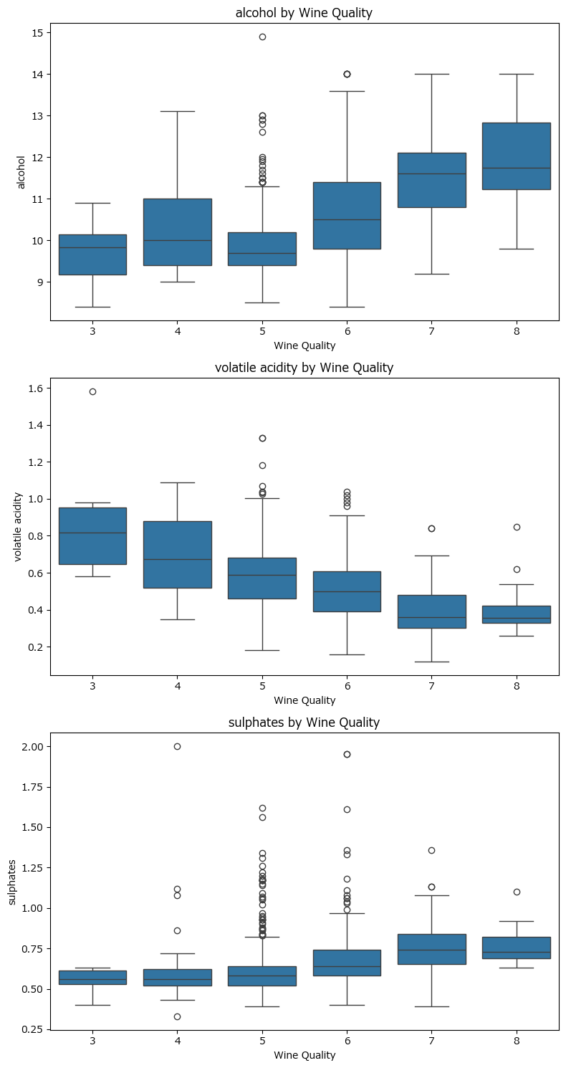

Standardized feature matrix for PCA
0

Preview
#VALUE!

Explained variance ratio for each principal component
0

Preview
#VALUE!

Scree plot and eigenvalues for PCA
0
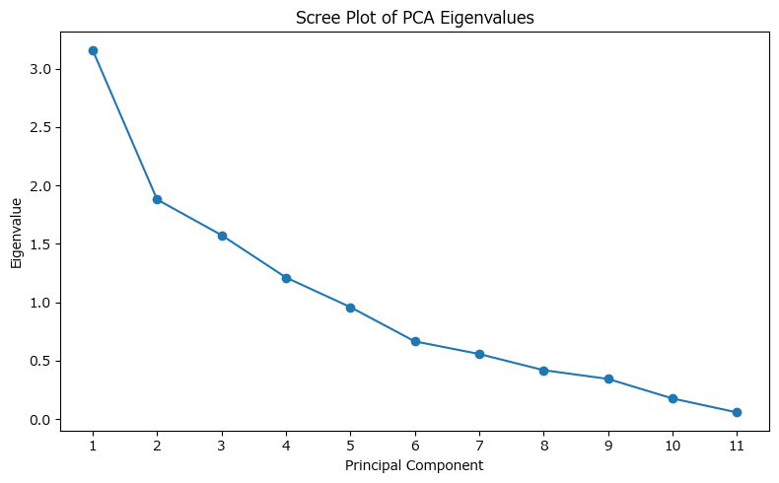

Factor loadings for PC1 and PC2
0

Preview
#VALUE!

Bar plots of sorted absolute loadings for PC1 and PC2
0

