temps_process_control_chart
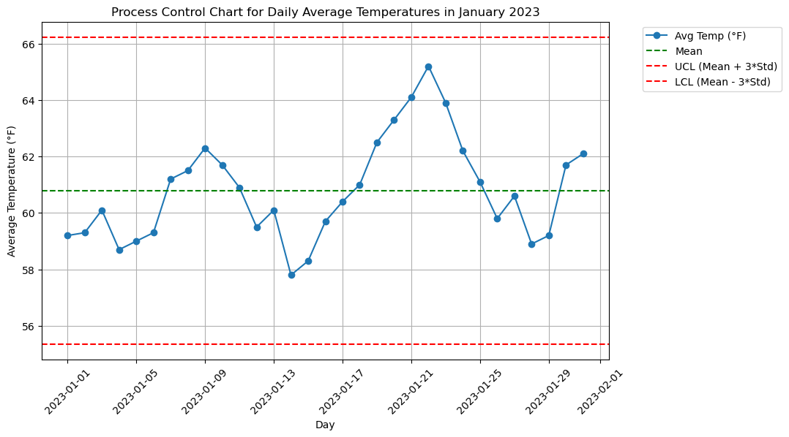
Analysis Sheet
This sheet will include all the Python formulas generated by Copilot.

Load data from temps, temps

Preview
 | Day | Avg Temp (°F)
0 | 44927 | 59.2
1 | 44928 | 59.3
2 | 44929 | 60.1
3 | 44930 | 58.7
4 | 44931 | 59
... | ... | ...
26 | 44953 | 60.6
27 | 44954 | 58.9
28 | 44955 | 59.2
29 | 44956 | 61.7
30 | 44957 | 62.1

Calculate basic statistics

Preview
 | Day | Avg Temp (°F)
count | 31 | 31
mean | 44942 | 60.793548387
min | 44927 | 57.8
25% | 44934.5 | 59.3
50% | 44942 | 60.6
75% | 44949.5 | 61.9
max | 44957 | 65.2
std | 0 | 1.8121691392

Plot temperature trend

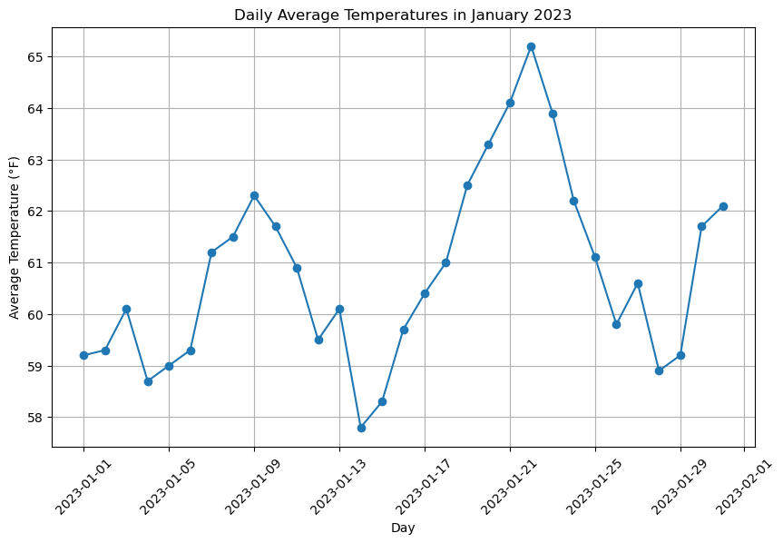

Process Control Chart for Daily Average Temperatures

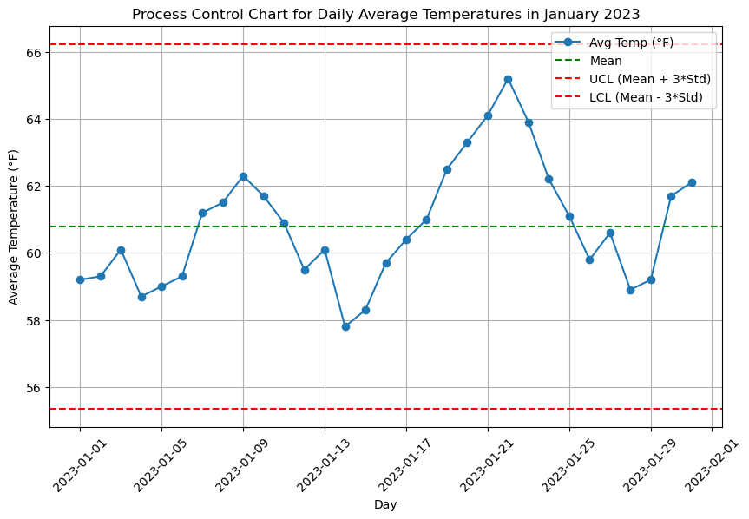

Process Control Chart with Legend Outside Plot Area

production_yield_process_contro
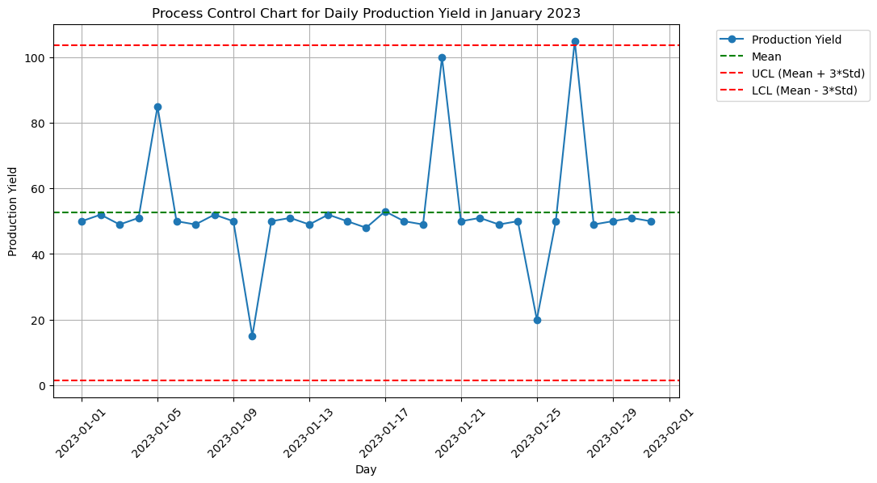
Analysis Sheet
This sheet will include all the Python formulas generated by Copilot.

Load data from production_yield, production_yield

Preview
 | Day | Production Yield
0 | 44927 | 50
1 | 44928 | 52
2 | 44929 | 49
3 | 44930 | 51
4 | 44931 | 85
... | ... | ...
26 | 44953 | 105
27 | 44954 | 49
28 | 44955 | 50
29 | 44956 | 51
30 | 44957 | 50

Calculate basic statistics for production yield

Preview
 | Day | Production Yield
count | 31 | 31
mean | 44942 | 52.580645161
min | 44927 | 15
25% | 44934.5 | 49
50% | 44942 | 50
75% | 44949.5 | 51
max | 44957 | 105
std | 0 | 17.03285882

Plot production yield trend over the month

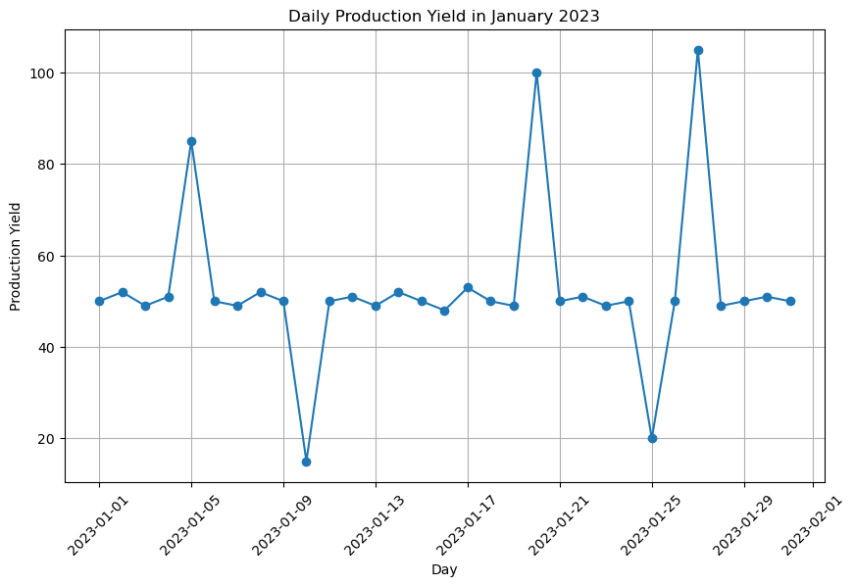

Create process control chart for daily production yield

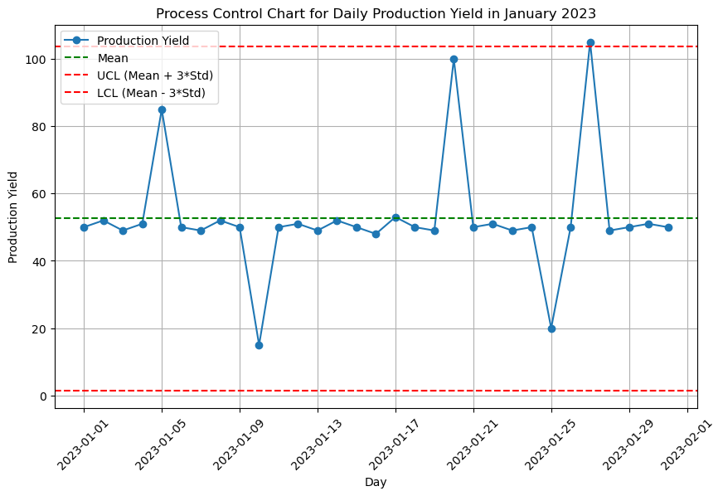

Process Control Chart with Legend Outside Plot Area

