quadatic
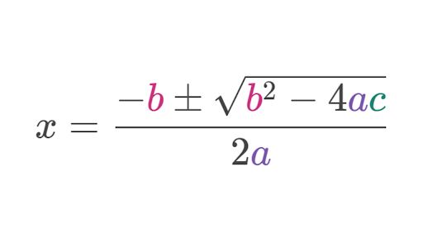
a | 1
b | -5
c | 6

Classic Excel
x lower | 2 | = (-$B$2 - SQRT($B$2^2 - 4 * $B$1* $B$3)) / (2 *$B$1)
x upper | 3 | = (-$B$2 + SQRT($B$2^2 - 4 * $B$1* $B$3)) / (2 *$B$1)

LET() function
x lower | 2 | =LET(a,B1, b,B2, c,B3, (-b-(SQRT(b^2- 4*a*c)))/(2*a))
x upper | 3 | =LET(a,$B$1, b,$B$2, c,$B$3, ((-b+(b^2-(4*a*c)))/2*a))

LAMBDA
2 | 3 | =LAMBDA(a,b,c,(-b+{-1,1}*SQRT(b^2-4*a*c))/ (2*a))(B1,B2,B3)

LAMBDA equation
2 | 3 | =QUADRATIC(B1,B2,B3)

