Analysis1
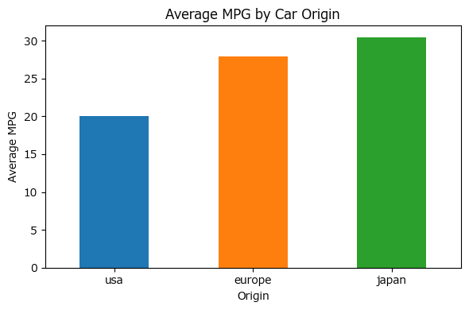
Analysis Sheet
This sheet will include all the Python formulas generated by Copilot.

Load data from mpg, mpg

Preview
 | mpg | cylinders | displacement | horsepower | weight | acceleration | model_year | origin | name
0 | 18 | 8 | 307 | 130 | 3504 | 12 | 70 | usa | chevrolet chevelle malibu
1 | 15 | 8 | 350 | 165 | 3693 | 11.5 | 70 | usa | buick skylark 320
2 | 18 | 8 | 318 | 150 | 3436 | 11 | 70 | usa | plymouth satellite
3 | 16 | 8 | 304 | 150 | 3433 | 12 | 70 | usa | amc rebel sst
4 | 17 | 8 | 302 | 140 | 3449 | 10.5 | 70 | usa | ford torino
... | ... | ... | ... | ... | ... | ... | ... | ... | ...
393 | 27 | 4 | 140 | 86 | 2790 | 15.6 | 82 | usa | ford mustang gl
394 | 44 | 4 | 97 | 52 | 2130 | 24.6 | 82 | europe | vw pickup
395 | 32 | 4 | 135 | 84 | 2295 | 11.6 | 82 | usa | dodge rampage
396 | 28 | 4 | 120 | 79 | 2625 | 18.6 | 82 | usa | ford ranger
397 | 31 | 4 | 119 | 82 | 2720 | 19.4 | 82 | usa | chevy s-10

Data quality and structure summary

Preview
 | missing | dtype
mpg | 0 | <Float64DType>
cylinders | 0 | <Int64DType>
displacement | 0 | <Float64DType>
horsepower | 6 | <Float64DType>
weight | 0 | <Int64DType>
acceleration | 0 | <Float64DType>
model_year | 0 | <Int64DType>
origin | 0 | <ObjectDType>
name | 0 | <ObjectDType>

Visualize distributions and relationships among key variables

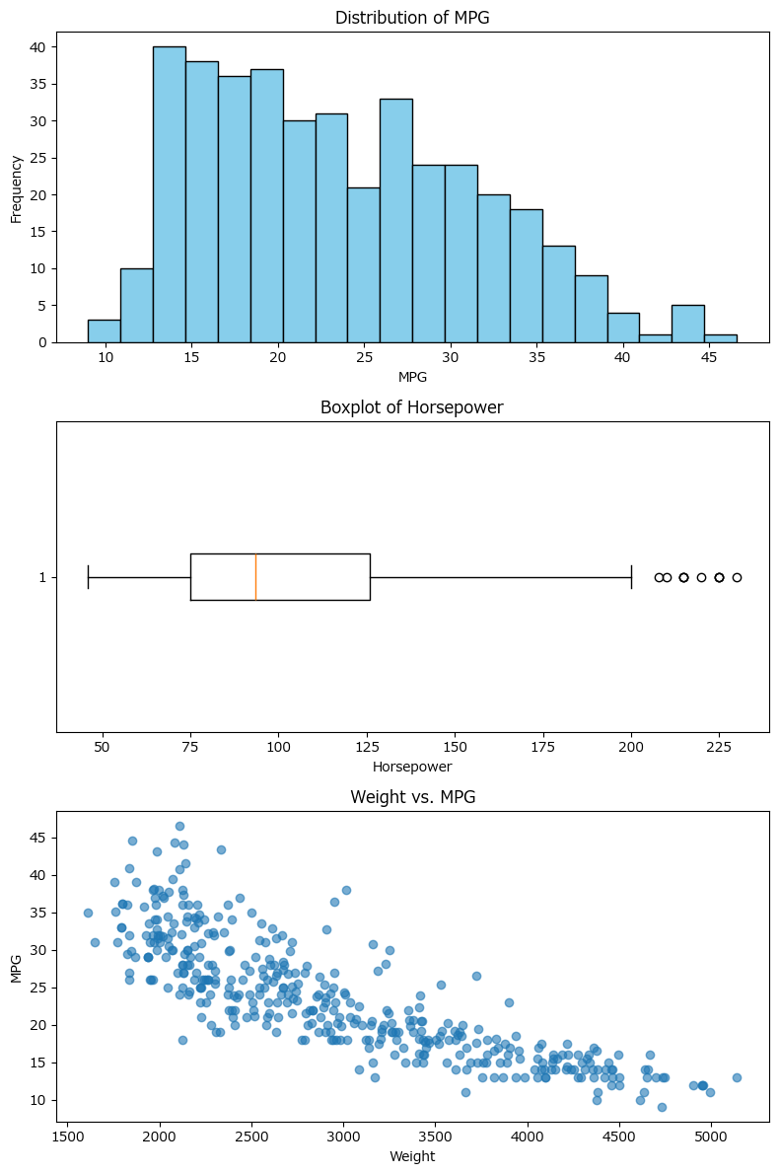

Correlation analysis and group comparison

Preview
<DataFrame>
<Series>

Correlation matrix for numerical variables

Preview
 | mpg | cylinders | displacement | horsepower | weight | acceleration
mpg | 1 | -0.77539628542 | -0.80420282481 | -0.7784267839 | -0.83174093324 | 0.4202889121
cylinders | -0.77539628542 | 1 | 0.95072139014 | 0.84298335692 | 0.89601679545 | -0.50541948905
displacement | -0.80420282481 | 0.95072139014 | 1 | 0.89725700184 | 0.93282414684 | -0.5436840835
horsepower | -0.7784267839 | 0.84298335692 | 0.89725700184 | 1 | 0.86453773757 | -0.68919551033
weight | -0.83174093324 | 0.89601679545 | 0.93282414684 | 0.86453773757 | 1 | -0.41745731994
acceleration | 0.4202889121 | -0.50541948905 | -0.5436840835 | -0.68919551033 | -0.41745731994 | 1

Mean mpg by origin group

Preview
origin | mpg
europe | 27.891428571
japan | 30.450632911
usa | 20.083534137

Basic statistics for mpg, cylinders, and horsepower

Preview
 | mpg | cylinders | horsepower
mean | 23.514572864 | 5.4547738693 | 104.46938776
median | 23 | 4 | 93.5
mode | 13 | 4 | 150
range | 37.6 | 5 | 184

Missing values and data types summary

Preview
 | missing | dtype
mpg | 0 | <Float64DType>
cylinders | 0 | <Int64DType>
displacement | 0 | <Float64DType>
horsepower | 6 | <Float64DType>
weight | 0 | <Int64DType>
acceleration | 0 | <Float64DType>
model_year | 0 | <Int64DType>
origin | 0 | <ObjectDType>
name | 0 | <ObjectDType>

Histograms for mpg, horsepower, and weight

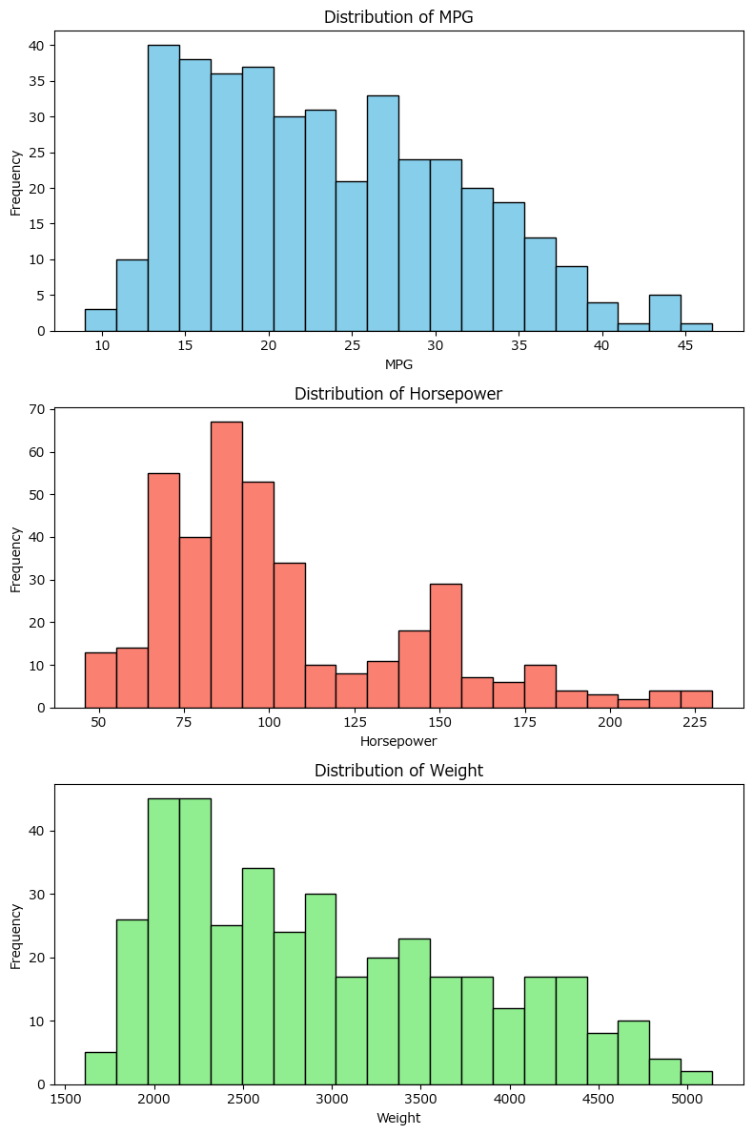

Box plots of mpg by top 10 car manufacturers

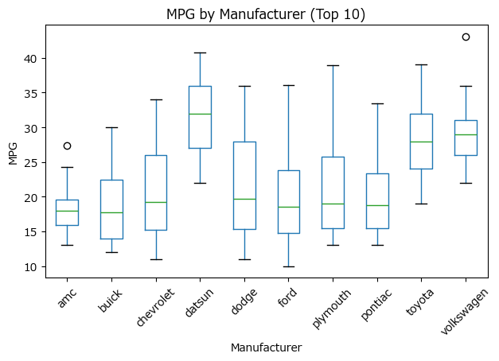

Correlation matrix for mpg, cylinders, displacement, horsepower, and weight

Preview
 | mpg | cylinders | displacement | horsepower | weight
mpg | 1 | -0.77539628542 | -0.80420282481 | -0.7784267839 | -0.83174093324
cylinders | -0.77539628542 | 1 | 0.95072139014 | 0.84298335692 | 0.89601679545
displacement | -0.80420282481 | 0.95072139014 | 1 | 0.89725700184 | 0.93282414684
horsepower | -0.7784267839 | 0.84298335692 | 0.89725700184 | 1 | 0.86453773757
weight | -0.83174093324 | 0.89601679545 | 0.93282414684 | 0.86453773757 | 1

Bar chart of average mpg by car origin

Analysis2
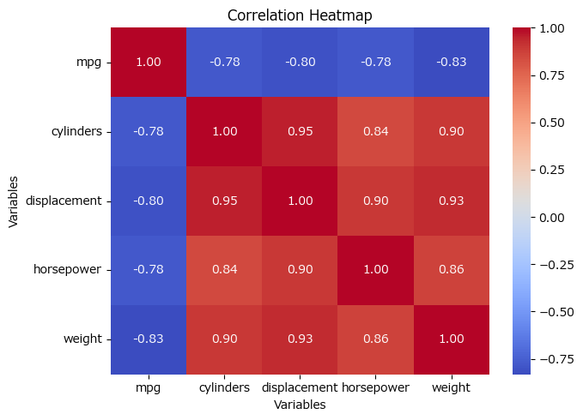
Analysis Sheet
This sheet will include all the Python formulas generated by Copilot.

Load data from mpg, mpg

Preview
 | mpg | cylinders | displacement | horsepower | weight | acceleration | model_year | origin | name
0 | 18 | 8 | 307 | 130 | 3504 | 12 | 70 | usa | chevrolet chevelle malibu
1 | 15 | 8 | 350 | 165 | 3693 | 11.5 | 70 | usa | buick skylark 320
2 | 18 | 8 | 318 | 150 | 3436 | 11 | 70 | usa | plymouth satellite
3 | 16 | 8 | 304 | 150 | 3433 | 12 | 70 | usa | amc rebel sst
4 | 17 | 8 | 302 | 140 | 3449 | 10.5 | 70 | usa | ford torino
... | ... | ... | ... | ... | ... | ... | ... | ... | ...
393 | 27 | 4 | 140 | 86 | 2790 | 15.6 | 82 | usa | ford mustang gl
394 | 44 | 4 | 97 | 52 | 2130 | 24.6 | 82 | europe | vw pickup
395 | 32 | 4 | 135 | 84 | 2295 | 11.6 | 82 | usa | dodge rampage
396 | 28 | 4 | 120 | 79 | 2625 | 18.6 | 82 | usa | ford ranger
397 | 31 | 4 | 119 | 82 | 2720 | 19.4 | 82 | usa | chevy s-10

Heatmap of correlation matrix for selected variables

