Demo
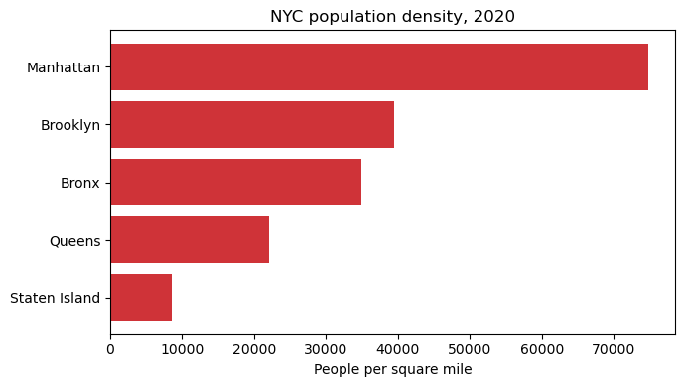
borough | population | land_area | borough | population | land_area | density
Bronx | 1472654 | 42.17 | Bronx | 1472654 | 42 | 34922
Brooklyn | 2736074 | 69.38 | Brooklyn | 2736074 | 69 | 39436
Manhattan | 1694251 | 22.66 | Manhattan | 1694251 | 23 | 74768
Queens | 2405464 | 108.72 | Queens | 2405464 | 109 | 22125
Staten Island | 495747 | 57.52 | Staten Island | 495747 | 58 | 8619

