data
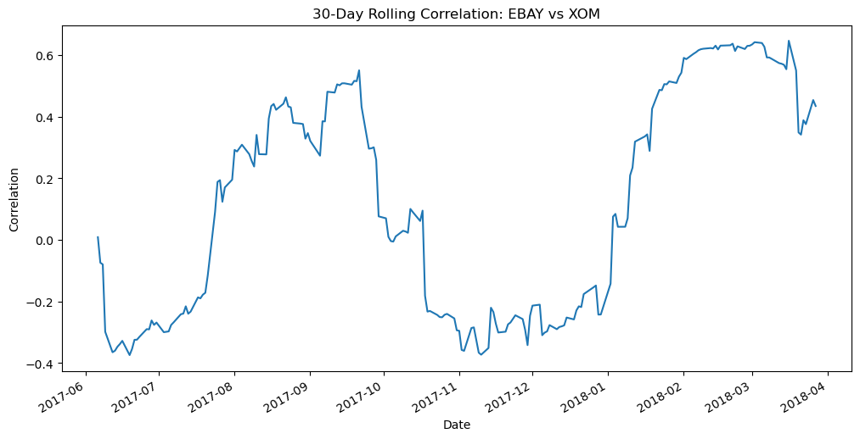
Date | EBAY | XOM | Select window size: | 30
2017-04-24 | 32.05 | 81.11 | Set up data, calculate returns | 0
2017-04-25 | 32.81 | 81.73 | Compute rolling correlation | 0
2017-04-26 | 33.01 | 81.4 | Create plot | 0
2017-04-27 | 33.06 | 81.26
2017-04-28 | 33.4 | 81.65
2017-05-01 | 33.31 | 82.06
2017-05-02 | 33.5 | 82.05
2017-05-03 | 33.26 | 82.7
2017-05-04 | 33.51 | 81.64
2017-05-05 | 33.5 | 82.02
2017-05-08 | 33.24 | 82.89
2017-05-09 | 33.72 | 82.31
2017-05-10 | 33.88 | 81.91
2017-05-11 | 34.12 | 82.61
2017-05-12 | 34.07 | 82.55
2017-05-15 | 34.18 | 82.8
2017-05-16 | 34.81 | 82.55
2017-05-17 | 33.58 | 81.99
2017-05-18 | 33.73 | 81.75
2017-05-19 | 33.83 | 81.93
2017-05-22 | 33.86 | 82.29
2017-05-23 | 34.61 | 82.58
2017-05-24 | 34.82 | 82.29
2017-05-25 | 35.22 | 81.75
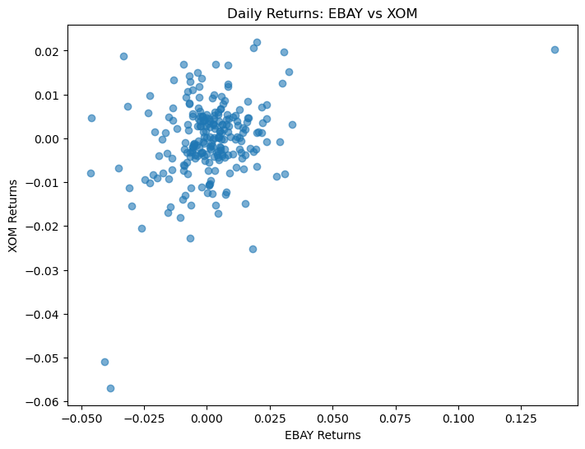
2017-05-26 | 34.9 | 81.55 | Create scatterplot | 0
2017-05-30 | 34.62 | 81.1
2017-05-31 | 34.3 | 80.5
2017-06-01 | 34.79 | 80.7
2017-06-02 | 35.32 | 79.5
2017-06-05 | 35.55 | 80.12
2017-06-06 | 35.47 | 81.21
2017-06-07 | 35.77 | 80.91
2017-06-08 | 36.14 | 80.62
2017-06-09 | 34.94 | 82.13
2017-06-12 | 34.15 | 82.93
2017-06-13 | 34.47 | 82.96
2017-06-14 | 34.5 | 82.07
2017-06-15 | 34.09 | 82.26
2017-06-16 | 33.96 | 83.49
2017-06-19 | 34.9 | 82.76
2017-06-20 | 34.93 | 82.31
2017-06-21 | 34.96 | 81.44
2017-06-22 | 35.12 | 81.08
2017-06-23 | 35.58 | 81.61
2017-06-26 | 35.09 | 81.24
2017-06-27 | 34.91 | 81.11
2017-06-28 | 35.31 | 81.53
2017-06-29 | 34.51 | 80.7
2017-06-30 | 34.92 | 80.73
2017-07-03 | 34.6 | 82.1
2017-07-05 | 34.72 | 80.85
2017-07-06 | 34.03 | 80.12
2017-07-07 | 34.23 | 80.22
2017-07-10 | 35.04 | 80.16
2017-07-11 | 35.19 | 80.6
2017-07-12 | 36.03 | 80.96
2017-07-13 | 36.5 | 80.97
2017-07-14 | 37.08 | 81.28
2017-07-17 | 37.05 | 80.86
2017-07-18 | 36.8 | 80.6
2017-07-19 | 37.08 | 80.85
2017-07-20 | 37.18 | 80.86
2017-07-21 | 36.61 | 80.12
2017-07-24 | 36.39 | 79.87
2017-07-25 | 36.32 | 80.27
2017-07-26 | 37.04 | 80.37
2017-07-27 | 36.17 | 80.83
2017-07-28 | 35.94 | 79.6
2017-07-31 | 35.73 | 80.04
2017-08-01 | 35.91 | 80.17
2017-08-02 | 35.9 | 80.6
2017-08-03 | 35.71 | 80.49
2017-08-04 | 35.62 | 80.21
2017-08-07 | 36.11 | 80.16
2017-08-08 | 36.36 | 79.96
2017-08-09 | 36.08 | 80.21
2017-08-10 | 35 | 78.97
2017-08-11 | 35.05 | 78.21
2017-08-14 | 35.2 | 78.23
2017-08-15 | 35.25 | 78.04
2017-08-16 | 35.36 | 77.47
2017-08-17 | 34.85 | 76.26
2017-08-18 | 34.79 | 76.64
2017-08-21 | 34.24 | 76.38
2017-08-22 | 34.81 | 76.74
2017-08-23 | 34.89 | 76.61
2017-08-24 | 34.88 | 76.33
2017-08-25 | 34.68 | 76.72
2017-08-28 | 34.81 | 76.47
2017-08-29 | 35.2 | 76.45
2017-08-30 | 35.69 | 76.1
2017-08-31 | 36.13 | 76.33
2017-09-01 | 36.35 | 76.57
2017-09-05 | 36.09 | 77.18
2017-09-06 | 36.76 | 78.78
2017-09-07 | 38.01 | 79.03
2017-09-08 | 37.79 | 78.82
2017-09-11 | 38.09 | 79.25
2017-09-12 | 38.18 | 79.5
2017-09-13 | 38.27 | 79.77
2017-09-14 | 38.31 | 80.09
2017-09-15 | 38.4 | 80.07
2017-09-18 | 38.39 | 80.09
2017-09-19 | 38.59 | 80.22
2017-09-20 | 38.54 | 80.55
2017-09-21 | 38.25 | 79.89
2017-09-22 | 38.29 | 79.92
2017-09-25 | 37.78 | 80.98
2017-09-26 | 37.85 | 80.89
2017-09-27 | 38.05 | 81.43
2017-09-28 | 37.73 | 82.19
2017-09-29 | 38.46 | 81.98
2017-10-02 | 38.73 | 81.63
2017-10-03 | 38.71 | 81.76
2017-10-04 | 38.66 | 81.79
2017-10-05 | 38.99 | 82.02
2017-10-06 | 38.81 | 81.71
2017-10-09 | 38.99 | 82.03
2017-10-10 | 38.84 | 82.26
2017-10-11 | 38.31 | 82.6
2017-10-12 | 38.09 | 82.43
2017-10-13 | 38.35 | 82.41
2017-10-16 | 37.77 | 82.81
2017-10-17 | 37.49 | 82.96
2017-10-18 | 37.97 | 82.76
2017-10-19 | 37.29 | 82.74
2017-10-20 | 37.61 | 83.11
2017-10-23 | 36.83 | 83.24
2017-10-24 | 36.74 | 83.47
2017-10-25 | 36.68 | 83.2
2017-10-26 | 36.9 | 83.47
2017-10-27 | 36.8 | 83.71
2017-10-30 | 37 | 83.54
2017-10-31 | 37.64 | 83.35
2017-11-01 | 37.54 | 83.87
2017-11-02 | 37.4 | 83.53
2017-11-03 | 37.5 | 83.18
2017-11-06 | 37.37 | 83.75
2017-11-07 | 37.41 | 83.58
2017-11-09 | 35.69 | 83.97
2017-11-10 | 35.97 | 82.94
2017-11-13 | 35.85 | 82.89
2017-11-14 | 35.22 | 82.24
2017-11-15 | 35.3 | 81.21
2017-11-16 | 35.62 | 80.56
2017-11-17 | 35.58 | 80.24
2017-11-20 | 35.53 | 80.55
2017-11-21 | 35.96 | 80.87
2017-11-22 | 35.94 | 81.1
2017-11-24 | 35.84 | 81.42
2017-11-27 | 35.99 | 81.11
2017-11-28 | 35.5 | 81.67
2017-11-29 | 34.38 | 82.27
2017-11-30 | 34.67 | 83.29
2017-12-01 | 35.2 | 83.46
2017-12-04 | 35.7 | 83.57
2017-12-05 | 36.81 | 82.89
2017-12-06 | 36.83 | 82.28
2017-12-07 | 36.85 | 82.55
2017-12-08 | 37.65 | 82.66
2017-12-11 | 37.52 | 83.03
2017-12-12 | 37.44 | 82.76
2017-12-13 | 37.4 | 83.12
2017-12-14 | 37.6 | 82.9
2017-12-15 | 38.37 | 83.03
2017-12-18 | 38.18 | 82.94
2017-12-19 | 37.82 | 82.44
2017-12-20 | 37.93 | 82.87
2017-12-21 | 37.81 | 83.85
2017-12-22 | 37.76 | 83.97
2017-12-26 | 37.94 | 83.98
2017-12-27 | 37.61 | 83.9
2017-12-28 | 37.92 | 84.02
2017-12-29 | 37.74 | 83.64
2018-01-02 | 38.06 | 85.03
2018-01-03 | 39.22 | 86.7
2018-01-04 | 38.57 | 86.82
2018-01-05 | 39.69 | 86.75
2018-01-08 | 39.8 | 87.14
2018-01-09 | 39.53 | 86.77
2018-01-10 | 37.7 | 86.08
2018-01-11 | 37.81 | 86.93
2018-01-12 | 38.02 | 87.52
2018-01-16 | 37.68 | 86.97
2018-01-17 | 37.99 | 88
2018-01-18 | 38.74 | 87.43
2018-01-19 | 38.43 | 87.15
2018-01-22 | 39.58 | 88.25
2018-01-23 | 39.77 | 88.3
2018-01-24 | 39.82 | 88.53
2018-01-25 | 40.02 | 88.37
2018-01-26 | 40.89 | 89
2018-01-29 | 40.8 | 88.01
2018-01-30 | 40.4 | 86.78
2018-01-31 | 40.58 | 87.3
2018-02-01 | 46.19 | 89.07
2018-02-02 | 44.3 | 84.53
2018-02-05 | 42.6 | 79.72
2018-02-06 | 42.79 | 78.35
2018-02-07 | 42.33 | 76.94
2018-02-08 | 41.02 | 76.07
2018-02-09 | 41.64 | 75.78
2018-02-12 | 42.32 | 76.42
2018-02-13 | 42.15 | 76.3
2018-02-14 | 42.44 | 76.46
2018-02-15 | 43.01 | 76.21
2018-02-16 | 43.34 | 76.54
2018-02-20 | 43.39 | 75.75
2018-02-21 | 43.12 | 74.89
2018-02-22 | 42.83 | 75.86
2018-02-23 | 43.68 | 77.53
2018-02-26 | 43.83 | 78.84
2018-02-27 | 43.15 | 77.5
2018-02-28 | 42.86 | 75.74
2018-03-01 | 42.27 | 75.2
2018-03-02 | 42.95 | 75.55
2018-03-05 | 43.19 | 76.27
2018-03-06 | 43.14 | 76.18
2018-03-07 | 43.93 | 74.26
2018-03-08 | 43.68 | 74.12
2018-03-09 | 43.81 | 74.56
2018-03-12 | 43.9 | 75.24
2018-03-13 | 42.82 | 74.53
2018-03-14 | 42.83 | 73.6
2018-03-15 | 42.59 | 74.42
2018-03-16 | 42.46 | 75.12
2018-03-19 | 42.09 | 74.15
2018-03-20 | 41.96 | 73.99
2018-03-21 | 41.67 | 75.04
2018-03-22 | 40.58 | 73.5
2018-03-23 | 39.71 | 72.89
2018-03-26 | 41.01 | 74
2018-03-27 | 40.22 | 73.7

