Sheet1
month | passengers
1949-01 | 112
1949-02 | 118
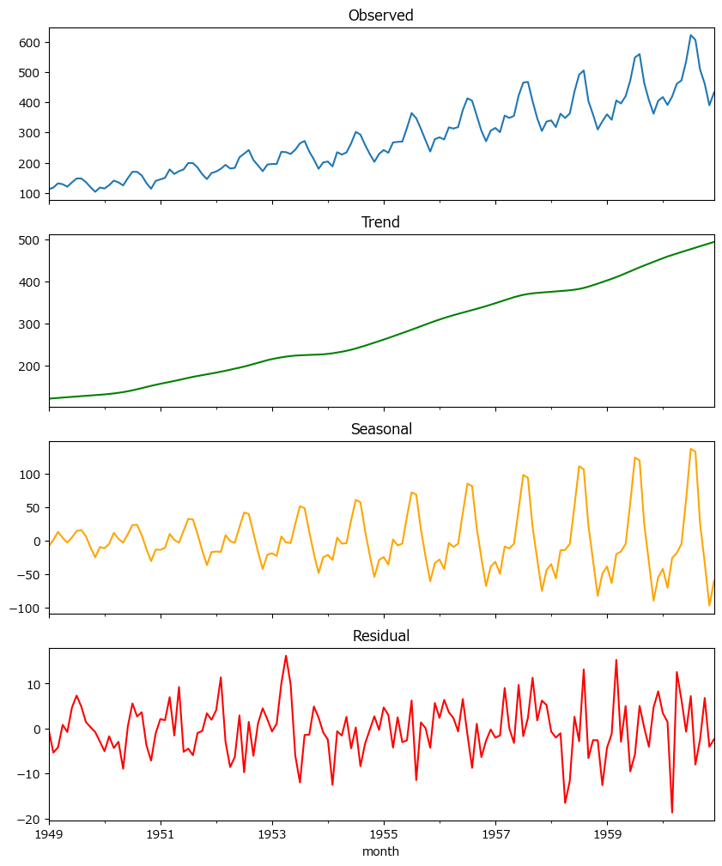
1949-03 | 132
1949-04 | 129
1949-05 | 121
1949-06 | 135
1949-07 | 148
1949-08 | 148
1949-09 | 136
1949-10 | 119
1949-11 | 104
1949-12 | 118
1950-01 | 115
1950-02 | 126
1950-03 | 141
1950-04 | 135
1950-05 | 125
1950-06 | 149
1950-07 | 170
1950-08 | 170
1950-09 | 158
1950-10 | 133
1950-11 | 114
1950-12 | 140
1951-01 | 145
1951-02 | 150
1951-03 | 178
1951-04 | 163
1951-05 | 172
1951-06 | 178
1951-07 | 199
1951-08 | 199
1951-09 | 184
1951-10 | 162
1951-11 | 146
1951-12 | 166
1952-01 | 171
1952-02 | 180
1952-03 | 193
1952-04 | 181
1952-05 | 183
1952-06 | 218
1952-07 | 230
1952-08 | 242
1952-09 | 209
1952-10 | 191
1952-11 | 172
1952-12 | 194
1953-01 | 196
1953-02 | 196
1953-03 | 236
1953-04 | 235
1953-05 | 229
1953-06 | 243
1953-07 | 264
1953-08 | 272
1953-09 | 237
1953-10 | 211
1953-11 | 180
1953-12 | 201
1954-01 | 204
1954-02 | 188
1954-03 | 235
1954-04 | 227
1954-05 | 234
1954-06 | 264
1954-07 | 302
1954-08 | 293
1954-09 | 259
1954-10 | 229
1954-11 | 203
1954-12 | 229
1955-01 | 242
1955-02 | 233
1955-03 | 267
1955-04 | 269
1955-05 | 270
1955-06 | 315
1955-07 | 364
1955-08 | 347
1955-09 | 312
1955-10 | 274
1955-11 | 237
1955-12 | 278
1956-01 | 284
1956-02 | 277
1956-03 | 317
1956-04 | 313
1956-05 | 318
1956-06 | 374
1956-07 | 413
1956-08 | 405
1956-09 | 355
1956-10 | 306
1956-11 | 271
1956-12 | 306
1957-01 | 315
1957-02 | 301
1957-03 | 356
1957-04 | 348
1957-05 | 355
1957-06 | 422
1957-07 | 465
1957-08 | 467
1957-09 | 404
1957-10 | 347
1957-11 | 305
1957-12 | 336
1958-01 | 340
1958-02 | 318
1958-03 | 362
1958-04 | 348
1958-05 | 363
1958-06 | 435
1958-07 | 491
1958-08 | 505
1958-09 | 404
1958-10 | 359
1958-11 | 310
1958-12 | 337
1959-01 | 360
1959-02 | 342
1959-03 | 406
1959-04 | 396
1959-05 | 420
1959-06 | 472
1959-07 | 548
1959-08 | 559
1959-09 | 463
1959-10 | 407
1959-11 | 362
1959-12 | 405
1960-01 | 417
1960-02 | 391
1960-03 | 419
1960-04 | 461
1960-05 | 472
1960-06 | 535
1960-07 | 622
1960-08 | 606
1960-09 | 508
1960-10 | 461
1960-11 | 390
1960-12 | 432

Analysis1
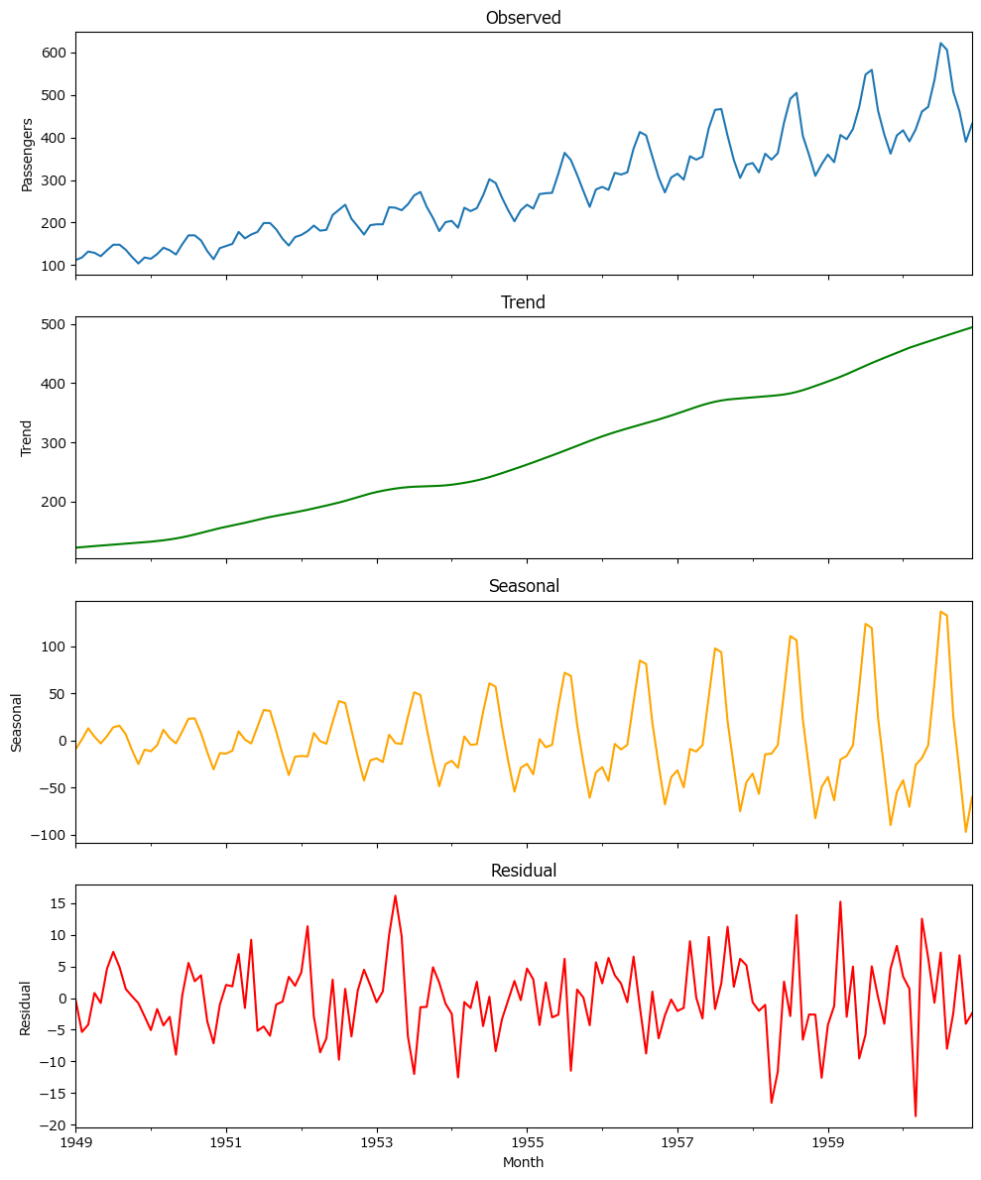
Analysis Sheet
This sheet will include all the Python formulas generated by Copilot.

Load data from Sheet1, air_passengers

Preview
 | month | passengers
0 | 1949-01 | 112
1 | 1949-02 | 118
2 | 1949-03 | 132
3 | 1949-04 | 129
4 | 1949-05 | 121
... | ... | ...
139 | 1960-08 | 606
140 | 1960-09 | 508
141 | 1960-10 | 461
142 | 1960-11 | 390
143 | 1960-12 | 432

Summary statistics for air_passengers dataset

Preview
 | passengers
count | 144
mean | 280.29861111
std | 119.96631694
min | 104
25% | 180
50% | 265.5
75% | 360.5
max | 622

Time series plot of monthly air passengers

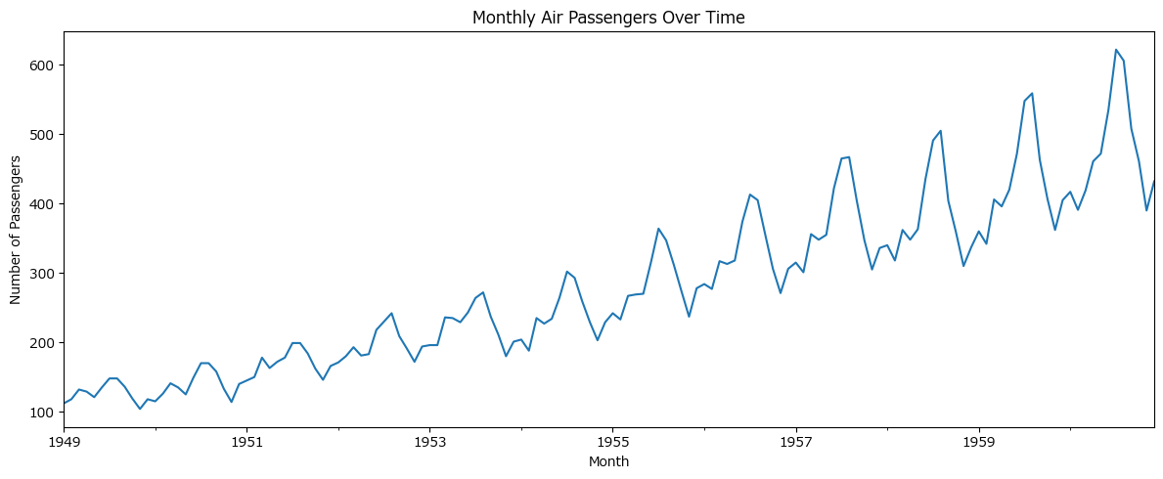

STL decomposition of air passengers time series

