example-2
Brand | Market Share (%) | Cumulative total | Global Smartphone Market Share - Q3 2024
Apple | 40 | 40
Samsung | 35 | 75
Apple: 40%
Samsung: 35%
Xiaomi: 15%
Other: 10%
Xiaomi | 15 | 90
Other | 10 | 100

example-3
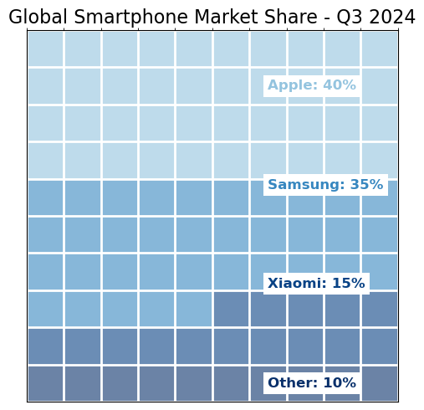
Brand | Market Share (%)
Apple | 40
Samsung | 35
Xiaomi | 15
Other | 10

