example-b
product | labor_hours_per_unit | material_units_per_unit | selling_price_per_unit | production_cost_per_unit | max_production | diminishing_return_factor
A | 2 | 3 | 50 | 20 | 100 | 0.01
B | 3 | 2 | 60 | 25 | 80 | 0.015
C | 1 | 4 | 40 | 15 | 120 | 0.005

resource | available
Labor Hours | 300
Material Units | 400

Import datasets
Extract data | 400
Define objective function | 0
Define constraints | 0
Optimization
Optimal production quantities
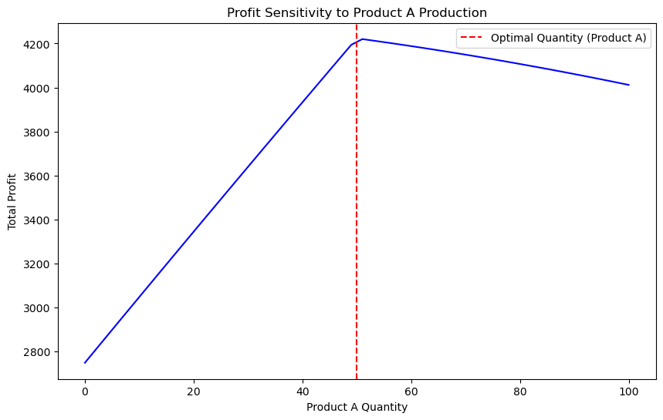
Sensitivity analysis

Output summary | metric | value
 | optimal_profit | 4223.5000003
 | labor_used | 300.00000002
 | material_used | 400.00000002

