Sheet1
Date | Close
Apr 28, 2023 | 34,098.16
Apr 27, 2023 | 33,826.16
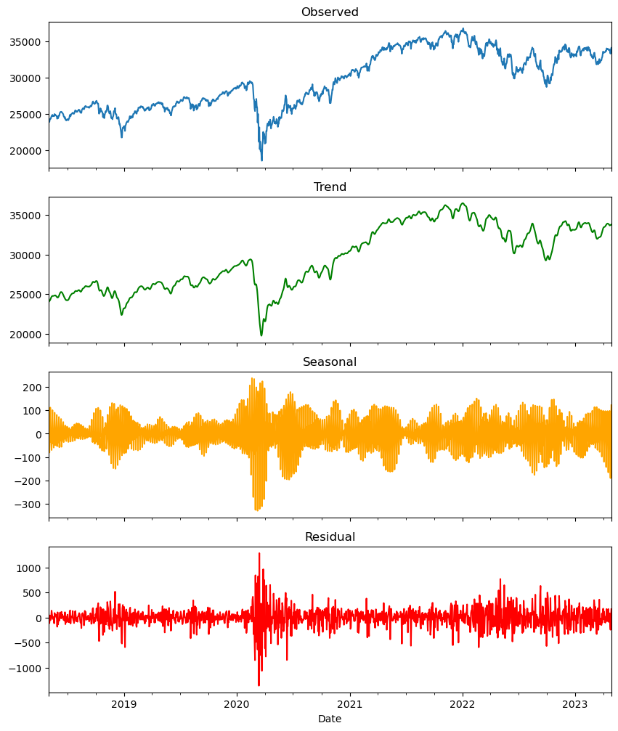
Apr 26, 2023 | 33,301.87
Apr 25, 2023 | 33,530.83
Apr 24, 2023 | 33,875.40
Apr 21, 2023 | 33,808.96
Apr 20, 2023 | 33,786.62
Apr 19, 2023 | 33,897.01
Apr 18, 2023 | 33,976.63
Apr 17, 2023 | 33,987.18
Apr 14, 2023 | 33,886.47
Apr 13, 2023 | 34,029.69
Apr 12, 2023 | 33,646.50
Apr 11, 2023 | 33,684.79
Apr 10, 2023 | 33,586.52
Apr 06, 2023 | 33,485.29
Apr 05, 2023 | 33,482.72
Apr 04, 2023 | 33,402.38
Apr 03, 2023 | 33,601.15
Mar 31, 2023 | 33,274.15
Mar 30, 2023 | 32,859.03
Mar 29, 2023 | 32,717.60
Mar 28, 2023 | 32,394.25
Mar 27, 2023 | 32,432.08
Mar 24, 2023 | 32,237.53
Mar 23, 2023 | 32,105.25
Mar 22, 2023 | 32,030.11
Mar 21, 2023 | 32,560.60
Mar 20, 2023 | 32,244.58
Mar 17, 2023 | 31,861.98
Mar 16, 2023 | 32,246.55
Mar 15, 2023 | 31,874.57
Mar 14, 2023 | 32,155.40
Mar 13, 2023 | 31,819.14
Mar 10, 2023 | 31,909.64
Mar 09, 2023 | 32,254.86
Mar 08, 2023 | 32,798.40
Mar 07, 2023 | 32,856.46
Mar 06, 2023 | 33,431.44
Mar 03, 2023 | 33,390.97
Mar 02, 2023 | 33,003.57
Mar 01, 2023 | 32,661.84
Feb 28, 2023 | 32,656.70
Feb 27, 2023 | 32,889.09
Feb 24, 2023 | 32,816.92
Feb 23, 2023 | 33,153.91
Feb 22, 2023 | 33,045.09
Feb 21, 2023 | 33,129.59
Feb 17, 2023 | 33,826.69
Feb 16, 2023 | 33,696.85
Feb 15, 2023 | 34,128.05
Feb 14, 2023 | 34,089.27
Feb 13, 2023 | 34,245.93
Feb 10, 2023 | 33,869.27
Feb 09, 2023 | 33,699.88
Feb 08, 2023 | 33,949.01
Feb 07, 2023 | 34,156.69
Feb 06, 2023 | 33,891.02
Feb 03, 2023 | 33,926.01
Feb 02, 2023 | 34,053.94
Feb 01, 2023 | 34,092.96
Jan 31, 2023 | 34,086.04
Jan 30, 2023 | 33,717.09
Jan 27, 2023 | 33,978.08
Jan 26, 2023 | 33,949.41
Jan 25, 2023 | 33,743.84
Jan 24, 2023 | 33,733.96
Jan 23, 2023 | 33,629.56
Jan 20, 2023 | 33,375.49
Jan 19, 2023 | 33,044.56
Jan 18, 2023 | 33,296.96
Jan 17, 2023 | 33,910.85
Jan 13, 2023 | 34,302.61
Jan 12, 2023 | 34,189.97
Jan 11, 2023 | 33,973.01
Jan 10, 2023 | 33,704.10
Jan 09, 2023 | 33,517.65
Jan 06, 2023 | 33,630.61
Jan 05, 2023 | 32,930.08
Jan 04, 2023 | 33,269.77
Jan 03, 2023 | 33,136.37
Dec 30, 2022 | 33,147.25
Dec 29, 2022 | 33,220.80
Dec 28, 2022 | 32,875.71
Dec 27, 2022 | 33,241.56
Dec 23, 2022 | 33,203.93
Dec 22, 2022 | 33,027.49
Dec 21, 2022 | 33,376.48
Dec 20, 2022 | 32,849.74
Dec 19, 2022 | 32,757.54
Dec 16, 2022 | 32,920.46
Dec 15, 2022 | 33,202.22
Dec 14, 2022 | 33,966.35
Dec 13, 2022 | 34,108.64
Dec 12, 2022 | 34,005.04
Dec 09, 2022 | 33,476.46
Dec 08, 2022 | 33,781.48
Dec 07, 2022 | 33,597.92
Dec 06, 2022 | 33,596.34
Dec 05, 2022 | 33,947.10
Dec 02, 2022 | 34,429.88
Dec 01, 2022 | 34,395.01
Nov 30, 2022 | 34,589.77
Nov 29, 2022 | 33,852.53
Nov 28, 2022 | 33,849.46
Nov 25, 2022 | 34,347.03
Nov 23, 2022 | 34,194.06
Nov 22, 2022 | 34,098.10
Nov 21, 2022 | 33,700.28
Nov 18, 2022 | 33,745.69
Nov 17, 2022 | 33,546.32
Nov 16, 2022 | 33,553.83
Nov 15, 2022 | 33,592.92
Nov 14, 2022 | 33,536.70
Nov 11, 2022 | 33,747.86
Nov 10, 2022 | 33,715.37
Nov 09, 2022 | 32,513.94
Nov 08, 2022 | 33,160.83
Nov 07, 2022 | 32,827.00
Nov 04, 2022 | 32,403.22
Nov 03, 2022 | 32,001.25
Nov 02, 2022 | 32,147.76
Nov 01, 2022 | 32,653.20
Oct 31, 2022 | 32,732.95
Oct 28, 2022 | 32,861.80
Oct 27, 2022 | 32,033.28
Oct 26, 2022 | 31,839.11
Oct 25, 2022 | 31,836.74
Oct 24, 2022 | 31,499.62
Oct 21, 2022 | 31,082.56
Oct 20, 2022 | 30,333.59
Oct 19, 2022 | 30,423.81
Oct 18, 2022 | 30,523.80
Oct 17, 2022 | 30,185.82
Oct 14, 2022 | 29,634.83
Oct 13, 2022 | 30,038.72
Oct 12, 2022 | 29,210.85
Oct 11, 2022 | 29,239.19
Oct 10, 2022 | 29,202.88
Oct 07, 2022 | 29,296.79
Oct 06, 2022 | 29,926.94
Oct 05, 2022 | 30,273.87
Oct 04, 2022 | 30,316.32
Oct 03, 2022 | 29,490.89
Sep 30, 2022 | 28,725.51
Sep 29, 2022 | 29,225.61
Sep 28, 2022 | 29,683.74
Sep 27, 2022 | 29,134.99
Sep 26, 2022 | 29,260.81
Sep 23, 2022 | 29,590.41
Sep 22, 2022 | 30,076.68
Sep 21, 2022 | 30,183.78
Sep 20, 2022 | 30,706.23
Sep 19, 2022 | 31,019.68
Sep 16, 2022 | 30,822.42
Sep 15, 2022 | 30,961.82
Sep 14, 2022 | 31,135.09
Sep 13, 2022 | 31,104.97
Sep 12, 2022 | 32,381.34
Sep 09, 2022 | 32,151.71
Sep 08, 2022 | 31,774.52
Sep 07, 2022 | 31,581.28
Sep 06, 2022 | 31,145.30
Sep 02, 2022 | 31,318.44
Sep 01, 2022 | 31,656.42
Aug 31, 2022 | 31,510.43
Aug 30, 2022 | 31,790.87
Aug 29, 2022 | 32,098.99
Aug 26, 2022 | 32,283.40
Aug 25, 2022 | 33,291.78
Aug 24, 2022 | 32,969.23
Aug 23, 2022 | 32,909.59
Aug 22, 2022 | 33,063.61
Aug 19, 2022 | 33,706.74
Aug 18, 2022 | 33,999.04
Aug 17, 2022 | 33,980.32
Aug 16, 2022 | 34,152.01
Aug 15, 2022 | 33,912.44
Aug 12, 2022 | 33,761.05
Aug 11, 2022 | 33,336.67
Aug 10, 2022 | 33,309.51
Aug 09, 2022 | 32,774.41
Aug 08, 2022 | 32,832.54
Aug 05, 2022 | 32,803.47
Aug 04, 2022 | 32,726.82
Aug 03, 2022 | 32,812.50
Aug 02, 2022 | 32,396.17
Aug 01, 2022 | 32,798.40
Jul 29, 2022 | 32,845.13
Jul 28, 2022 | 32,529.63
Jul 27, 2022 | 32,197.59
Jul 26, 2022 | 31,761.54
Jul 25, 2022 | 31,990.04
Jul 22, 2022 | 31,899.29
Jul 21, 2022 | 32,036.90
Jul 20, 2022 | 31,874.84
Jul 19, 2022 | 31,827.05
Jul 18, 2022 | 31,072.61
Jul 15, 2022 | 31,288.26
Jul 14, 2022 | 30,630.17
Jul 13, 2022 | 30,772.79
Jul 12, 2022 | 30,981.33
Jul 11, 2022 | 31,173.84
Jul 08, 2022 | 31,338.15
Jul 07, 2022 | 31,384.55
Jul 06, 2022 | 31,037.68
Jul 05, 2022 | 30,967.82
Jul 01, 2022 | 31,097.26
Jun 30, 2022 | 30,775.43
Jun 29, 2022 | 31,029.31
Jun 28, 2022 | 30,946.99
Jun 27, 2022 | 31,438.26
Jun 24, 2022 | 31,500.68
Jun 23, 2022 | 30,677.36
Jun 22, 2022 | 30,483.13
Jun 21, 2022 | 30,530.25
Jun 17, 2022 | 29,888.78
Jun 16, 2022 | 29,927.07
Jun 15, 2022 | 30,668.53
Jun 14, 2022 | 30,364.83
Jun 13, 2022 | 30,516.74
Jun 10, 2022 | 31,392.79
Jun 09, 2022 | 32,272.79
Jun 08, 2022 | 32,910.90
Jun 07, 2022 | 33,180.14
Jun 06, 2022 | 32,915.78
Jun 03, 2022 | 32,899.70
Jun 02, 2022 | 33,248.28
Jun 01, 2022 | 32,813.23
May 31, 2022 | 32,990.12
May 27, 2022 | 33,212.96
May 26, 2022 | 32,637.19
May 25, 2022 | 32,120.28
May 24, 2022 | 31,928.62
May 23, 2022 | 31,880.24
May 20, 2022 | 31,261.90
May 19, 2022 | 31,253.13
May 18, 2022 | 31,490.07
May 17, 2022 | 32,654.59
May 16, 2022 | 32,223.42
May 13, 2022 | 32,196.66
May 12, 2022 | 31,730.30
May 11, 2022 | 31,834.11
May 10, 2022 | 32,160.74
May 09, 2022 | 32,245.70
May 06, 2022 | 32,899.37
May 05, 2022 | 32,997.97
May 04, 2022 | 34,061.06
May 03, 2022 | 33,128.79
May 02, 2022 | 33,061.50
Apr 29, 2022 | 32,977.21
Apr 28, 2022 | 33,916.39
Apr 27, 2022 | 33,301.93
Apr 26, 2022 | 33,240.18
Apr 25, 2022 | 34,049.46
Apr 22, 2022 | 33,811.40
Apr 21, 2022 | 34,792.76
Apr 20, 2022 | 35,160.79
Apr 19, 2022 | 34,911.20
Apr 18, 2022 | 34,411.69
Apr 14, 2022 | 34,451.23
Apr 13, 2022 | 34,564.59
Apr 12, 2022 | 34,220.36
Apr 11, 2022 | 34,308.08
Apr 08, 2022 | 34,721.12
Apr 07, 2022 | 34,583.57
Apr 06, 2022 | 34,496.51
Apr 05, 2022 | 34,641.18
Apr 04, 2022 | 34,921.88
Apr 01, 2022 | 34,818.27
Mar 31, 2022 | 34,678.35
Mar 30, 2022 | 35,228.81
Mar 29, 2022 | 35,294.19
Mar 28, 2022 | 34,955.89
Mar 25, 2022 | 34,861.24
Mar 24, 2022 | 34,707.94
Mar 23, 2022 | 34,358.50
Mar 22, 2022 | 34,807.46
Mar 21, 2022 | 34,552.99
Mar 18, 2022 | 34,754.93
Mar 17, 2022 | 34,480.76
Mar 16, 2022 | 34,063.10
Mar 15, 2022 | 33,544.34
Mar 14, 2022 | 32,945.24
Mar 11, 2022 | 32,944.19
Mar 10, 2022 | 33,174.07
Mar 09, 2022 | 33,286.25
Mar 08, 2022 | 32,632.64
Mar 07, 2022 | 32,817.38
Mar 04, 2022 | 33,614.80
Mar 03, 2022 | 33,794.66
Mar 02, 2022 | 33,891.35
Mar 01, 2022 | 33,294.95
Feb 28, 2022 | 33,892.60
Feb 25, 2022 | 34,058.75
Feb 24, 2022 | 33,223.83
Feb 23, 2022 | 33,131.76
Feb 22, 2022 | 33,596.61
Feb 18, 2022 | 34,079.18
Feb 17, 2022 | 34,312.03
Feb 16, 2022 | 34,934.27
Feb 15, 2022 | 34,988.84
Feb 14, 2022 | 34,566.17
Feb 11, 2022 | 34,738.06
Feb 10, 2022 | 35,241.59
Feb 09, 2022 | 35,768.06
Feb 08, 2022 | 35,462.78
Feb 07, 2022 | 35,091.13
Feb 04, 2022 | 35,089.74
Feb 03, 2022 | 35,111.16
Feb 02, 2022 | 35,629.33
Feb 01, 2022 | 35,405.24
Jan 31, 2022 | 35,131.86
Jan 28, 2022 | 34,725.47
Jan 27, 2022 | 34,160.78
Jan 26, 2022 | 34,168.09
Jan 25, 2022 | 34,297.73
Jan 24, 2022 | 34,364.50
Jan 21, 2022 | 34,265.37
Jan 20, 2022 | 34,715.39
Jan 19, 2022 | 35,028.65
Jan 18, 2022 | 35,368.47
Jan 14, 2022 | 35,911.81
Jan 13, 2022 | 36,113.62
Jan 12, 2022 | 36,290.32
Jan 11, 2022 | 36,252.02
Jan 10, 2022 | 36,068.87
Jan 07, 2022 | 36,231.66
Jan 06, 2022 | 36,236.47
Jan 05, 2022 | 36,407.11
Jan 04, 2022 | 36,799.65
Jan 03, 2022 | 36,585.06
Dec 31, 2021 | 36,338.30
Dec 30, 2021 | 36,398.08
Dec 29, 2021 | 36,488.63
Dec 28, 2021 | 36,398.21
Dec 27, 2021 | 36,302.38
Dec 23, 2021 | 35,950.56
Dec 22, 2021 | 35,753.89
Dec 21, 2021 | 35,492.70
Dec 20, 2021 | 34,932.16
Dec 17, 2021 | 35,365.44
Dec 16, 2021 | 35,897.64
Dec 15, 2021 | 35,927.43
Dec 14, 2021 | 35,544.18
Dec 13, 2021 | 35,650.95
Dec 10, 2021 | 35,970.99
Dec 09, 2021 | 35,754.69
Dec 08, 2021 | 35,754.75
Dec 07, 2021 | 35,719.43
Dec 06, 2021 | 35,227.03
Dec 03, 2021 | 34,580.08
Dec 02, 2021 | 34,639.79
Dec 01, 2021 | 34,022.04
Nov 30, 2021 | 34,483.72
Nov 29, 2021 | 35,135.94
Nov 26, 2021 | 34,899.34
Nov 24, 2021 | 35,804.38
Nov 23, 2021 | 35,813.80
Nov 22, 2021 | 35,619.25
Nov 19, 2021 | 35,601.98
Nov 18, 2021 | 35,870.95
Nov 17, 2021 | 35,931.05
Nov 16, 2021 | 36,142.22
Nov 15, 2021 | 36,087.45
Nov 12, 2021 | 36,100.31
Nov 11, 2021 | 35,921.23
Nov 10, 2021 | 36,079.94
Nov 09, 2021 | 36,319.98
Nov 08, 2021 | 36,432.22
Nov 05, 2021 | 36,327.95
Nov 04, 2021 | 36,124.23
Nov 03, 2021 | 36,157.58
Nov 02, 2021 | 36,052.63
Nov 01, 2021 | 35,913.84
Oct 29, 2021 | 35,819.56
Oct 28, 2021 | 35,730.48
Oct 27, 2021 | 35,490.69
Oct 26, 2021 | 35,756.88
Oct 25, 2021 | 35,741.15
Oct 22, 2021 | 35,677.02
Oct 21, 2021 | 35,603.08
Oct 20, 2021 | 35,609.34
Oct 19, 2021 | 35,457.31
Oct 18, 2021 | 35,258.61
Oct 15, 2021 | 35,294.76
Oct 14, 2021 | 34,912.56
Oct 13, 2021 | 34,377.81
Oct 12, 2021 | 34,378.34
Oct 11, 2021 | 34,496.06
Oct 08, 2021 | 34,746.25
Oct 07, 2021 | 34,754.94
Oct 06, 2021 | 34,416.99
Oct 05, 2021 | 34,314.67
Oct 04, 2021 | 34,002.92
Oct 01, 2021 | 34,326.46
Sep 30, 2021 | 33,843.92
Sep 29, 2021 | 34,390.72
Sep 28, 2021 | 34,299.99
Sep 27, 2021 | 34,869.37
Sep 24, 2021 | 34,798.00
Sep 23, 2021 | 34,764.82
Sep 22, 2021 | 34,258.32
Sep 21, 2021 | 33,919.84
Sep 20, 2021 | 33,970.47
Sep 17, 2021 | 34,584.88
Sep 16, 2021 | 34,751.32
Sep 15, 2021 | 34,814.39
Sep 14, 2021 | 34,577.57
Sep 13, 2021 | 34,869.63
Sep 10, 2021 | 34,607.72
Sep 09, 2021 | 34,879.38
Sep 08, 2021 | 35,031.07
Sep 07, 2021 | 35,100.00
Sep 03, 2021 | 35,369.09
Sep 02, 2021 | 35,443.82
Sep 01, 2021 | 35,312.53
Aug 31, 2021 | 35,360.73
Aug 30, 2021 | 35,399.84
Aug 27, 2021 | 35,455.80
Aug 26, 2021 | 35,213.12
Aug 25, 2021 | 35,405.50
Aug 24, 2021 | 35,366.26
Aug 23, 2021 | 35,335.71
Aug 20, 2021 | 35,120.08
Aug 19, 2021 | 34,894.12
Aug 18, 2021 | 34,960.69
Aug 17, 2021 | 35,343.28
Aug 16, 2021 | 35,625.40
Aug 13, 2021 | 35,515.38
Aug 12, 2021 | 35,499.85
Aug 11, 2021 | 35,484.97
Aug 10, 2021 | 35,264.67
Aug 09, 2021 | 35,101.85
Aug 06, 2021 | 35,208.51
Aug 05, 2021 | 35,064.25
Aug 04, 2021 | 34,792.67
Aug 03, 2021 | 35,116.40
Aug 02, 2021 | 34,838.16
Jul 30, 2021 | 34,935.47
Jul 29, 2021 | 35,084.53
Jul 28, 2021 | 34,930.93
Jul 27, 2021 | 35,058.52
Jul 26, 2021 | 35,144.31
Jul 23, 2021 | 35,061.55
Jul 22, 2021 | 34,823.35
Jul 21, 2021 | 34,798.00
Jul 20, 2021 | 34,511.99
Jul 19, 2021 | 33,962.04
Jul 16, 2021 | 34,687.85
Jul 15, 2021 | 34,987.02
Jul 14, 2021 | 34,933.23
Jul 13, 2021 | 34,888.79
Jul 12, 2021 | 34,996.18
Jul 09, 2021 | 34,870.16
Jul 08, 2021 | 34,421.93
Jul 07, 2021 | 34,681.79
Jul 06, 2021 | 34,577.37
Jul 02, 2021 | 34,786.35
Jul 01, 2021 | 34,633.53
Jun 30, 2021 | 34,502.51
Jun 29, 2021 | 34,292.29
Jun 28, 2021 | 34,283.27
Jun 25, 2021 | 34,433.84
Jun 24, 2021 | 34,196.82
Jun 23, 2021 | 33,874.24
Jun 22, 2021 | 33,945.58
Jun 21, 2021 | 33,876.97
Jun 18, 2021 | 33,290.08
Jun 17, 2021 | 33,823.45
Jun 16, 2021 | 34,033.67
Jun 15, 2021 | 34,299.33
Jun 14, 2021 | 34,393.75
Jun 11, 2021 | 34,479.60
Jun 10, 2021 | 34,466.24
Jun 09, 2021 | 34,447.14
Jun 08, 2021 | 34,599.82
Jun 07, 2021 | 34,630.24
Jun 04, 2021 | 34,756.39
Jun 03, 2021 | 34,577.04
Jun 02, 2021 | 34,600.38
Jun 01, 2021 | 34,575.31
May 28, 2021 | 34,529.45
May 27, 2021 | 34,464.64
May 26, 2021 | 34,323.05
May 25, 2021 | 34,312.46
May 24, 2021 | 34,393.98
May 21, 2021 | 34,207.84
May 20, 2021 | 34,084.15
May 19, 2021 | 33,896.04
May 18, 2021 | 34,060.66
May 17, 2021 | 34,327.79
May 14, 2021 | 34,382.13
May 13, 2021 | 34,021.45
May 12, 2021 | 33,587.66
May 11, 2021 | 34,269.16
May 10, 2021 | 34,742.82
May 07, 2021 | 34,777.76
May 06, 2021 | 34,548.53
May 05, 2021 | 34,230.34
May 04, 2021 | 34,133.03
May 03, 2021 | 34,113.23
Apr 30, 2021 | 33,874.85
Apr 29, 2021 | 34,060.36
Apr 28, 2021 | 33,820.38
Apr 27, 2021 | 33,984.93
Apr 26, 2021 | 33,981.57
Apr 23, 2021 | 34,043.49
Apr 22, 2021 | 33,815.90
Apr 21, 2021 | 34,137.31
Apr 20, 2021 | 33,821.30
Apr 19, 2021 | 34,077.63
Apr 16, 2021 | 34,200.67
Apr 15, 2021 | 34,035.99
Apr 14, 2021 | 33,730.89
Apr 13, 2021 | 33,677.27
Apr 12, 2021 | 33,745.40
Apr 09, 2021 | 33,800.60
Apr 08, 2021 | 33,503.57
Apr 07, 2021 | 33,446.26
Apr 06, 2021 | 33,430.24
Apr 05, 2021 | 33,527.19
Apr 01, 2021 | 33,153.21
Mar 31, 2021 | 32,981.55
Mar 30, 2021 | 33,066.96
Mar 29, 2021 | 33,171.37
Mar 26, 2021 | 33,072.88
Mar 25, 2021 | 32,619.48
Mar 24, 2021 | 32,420.06
Mar 23, 2021 | 32,423.15
Mar 22, 2021 | 32,731.20
Mar 19, 2021 | 32,627.97
Mar 18, 2021 | 32,862.30
Mar 17, 2021 | 33,015.37
Mar 16, 2021 | 32,825.95
Mar 15, 2021 | 32,953.46
Mar 12, 2021 | 32,778.64
Mar 11, 2021 | 32,485.59
Mar 10, 2021 | 32,297.02
Mar 09, 2021 | 31,832.74
Mar 08, 2021 | 31,802.44
Mar 05, 2021 | 31,496.30
Mar 04, 2021 | 30,924.14
Mar 03, 2021 | 31,270.09
Mar 02, 2021 | 31,391.52
...

