Stock_Price_Dataset
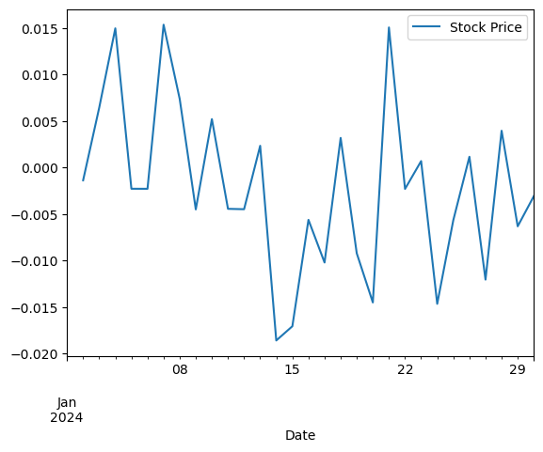
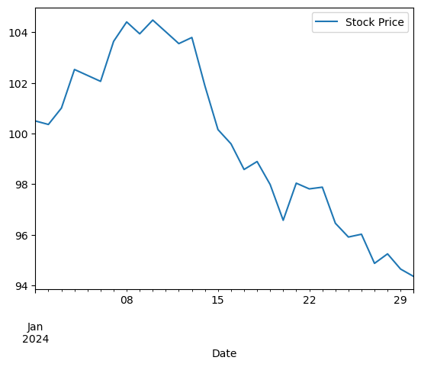
Date | Stock Price
2024-01-01 | 100.49671415
2024-01-02 | 100.35844985
2024-01-03 | 101.00613839
2024-01-04 | 102.52916825
2024-01-05 | 102.29501487
2024-01-06 | 102.06087791
2024-01-07 | 103.64009073
2024-01-08 | 104.40752546
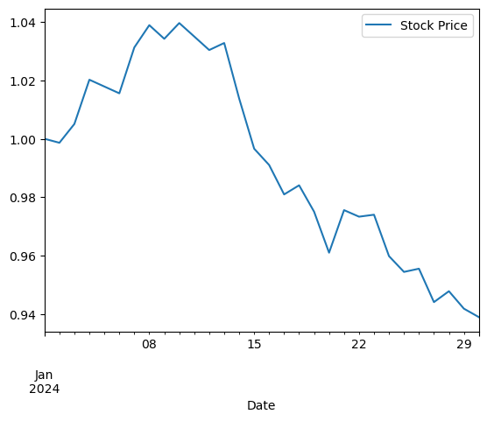
2024-01-09 | 103.93805107
2024-01-10 | 104.48061112
2024-01-11 | 104.01719342
2024-01-12 | 103.55146367
2024-01-13 | 103.79342594
2024-01-14 | 101.8801457
2024-01-15 | 100.15522787
2024-01-16 | 99.592940336
2024-01-17 | 98.580109215
2024-01-18 | 98.894356548
2024-01-19 | 97.986332472
2024-01-20 | 96.574028771
2024-01-21 | 98.03967754
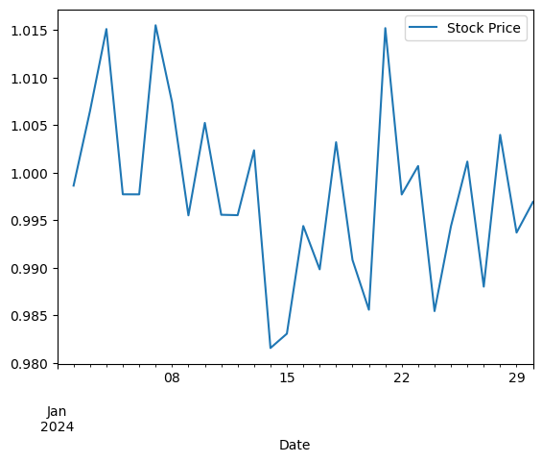
2024-01-22 | 97.81390124
2024-01-23 | 97.881429444
2024-01-24 | 96.456681258
2024-01-25 | 95.912298534
2024-01-26 | 96.023221123
2024-01-27 | 94.872227546
2024-01-28 | 95.247925564
2024-01-29 | 94.647286874
2024-01-30 | 94.355593124

