intro
What is the empirical rule?

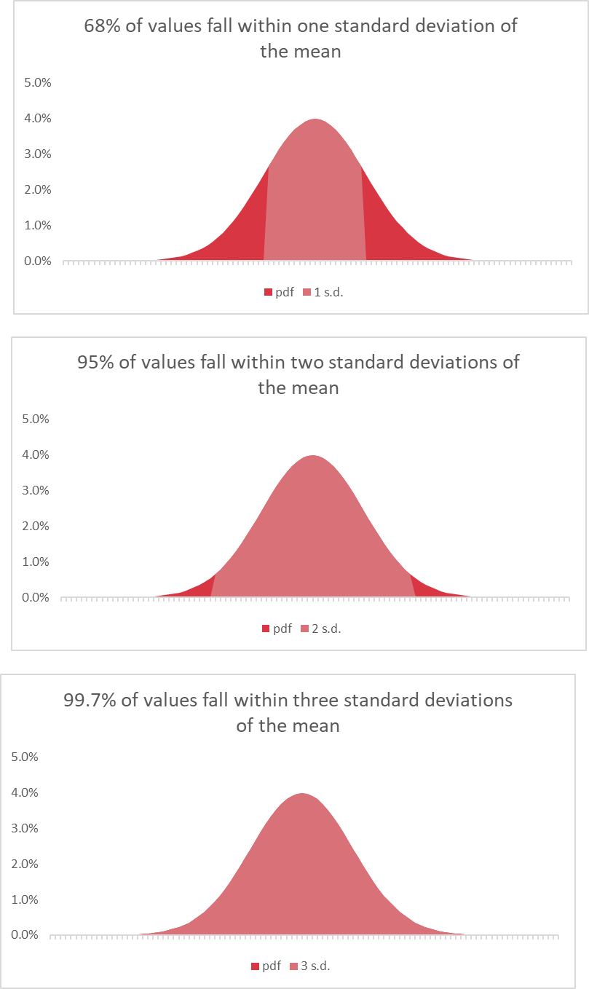

Let's make these in Excel!

empirical-rule-start
Mean | 50
Std. dev | 10

 |  | 1 | 2 | 3
 | lower
 | upper
 | % of values | 0.00% | 0.00% | 0.00%
X | pmf | 1 s.d. | 2 s.d. | 3 s.d.
68% of values fall within one standard deviation of the mean
 | pmf | 1 s.d.
1
2
3
4
5
6
7
8
9
10
11
12
13
14
15
95% of values fall within two standard deviations of the mean
 | pmf | 2 s.d.
16
17
18
19
20
21
22
23
24
25
26
27
28
29
30
99.7% of values fall within three standard deviations of the mean
 | pmf | 3 s.d.
31
32
33
34
35
36
37
38
39
40
41
42
43
44
45
46
47
48
49
50
51
52
53
54
55
56
57
58
59
60
61
62
63
64
65
66
67
68
69
70
71
72
73
74
75
76
77
78
79
80
81
82
83
84
85
86
87
88
89
90
91
92
93
94
95
96
97
98
99
100

empirical-rule-finish
Mean | 50
Std. dev | 10

 |  | 1 | 2 | 3
 | lower | 40 | 30 | 20
 | upper | 60 | 70 | 80
 | % of values | 65.81% | 94.89% | 99.68%
X | pmf | 1 s.d. | 2 s.d. | 3 s.d.
1 | 0.00002%
2 | 0.00004%
68% of values fall within one standard deviation of the mean
 | pmf | 1 s.d.
 | 0.00002% | 0.00000%
 | 0.00004% | 0.00000%
 | 0.00006% | 0.00000%
 | 0.00010% | 0.00000%
 | 0.00016% | 0.00000%
 | 0.00025% | 0.00000%
 | 0.00039% | 0.00000%
 | 0.00059% | 0.00000%
 | 0.00089% | 0.00000%
 | 0.00134% | 0.00000%
 | 0.00199% | 0.00000%
 | 0.00292% | 0.00000%
 | 0.00425% | 0.00000%
 | 0.00612% | 0.00000%
 | 0.00873% | 0.00000%
 | 0.01232% | 0.00000%
 | 0.01723% | 0.00000%
 | 0.02384% | 0.00000%
 | 0.03267% | 0.00000%
 | 0.04432% | 0.00000%
 | 0.05953% | 0.00000%
 | 0.07915% | 0.00000%
 | 0.10421% | 0.00000%
 | 0.13583% | 0.00000%
 | 0.17528% | 0.00000%
 | 0.22395% | 0.00000%
 | 0.28327% | 0.00000%
 | 0.35475% | 0.00000%
 | 0.43984% | 0.00000%
 | 0.53991% | 0.00000%
 | 0.65616% | 0.00000%
 | 0.78950% | 0.00000%
 | 0.94049% | 0.00000%
 | 1.10921% | 0.00000%
 | 1.29518% | 0.00000%
 | 1.49727% | 0.00000%
 | 1.71369% | 0.00000%
 | 1.94186% | 0.00000%
 | 2.17852% | 0.00000%
 | 2.41971% | 0.00000%
 | 2.66085% | 2.66085%
 | 2.89692% | 2.89692%
 | 3.12254% | 3.12254%
 | 3.33225% | 3.33225%
 | 3.52065% | 3.52065%
 | 3.68270% | 3.68270%
 | 3.81388% | 3.81388%
 | 3.91043% | 3.91043%
 | 3.96953% | 3.96953%
 | 3.98942% | 3.98942%
...
3 | 0.00006%
4 | 0.00010%
5 | 0.00016%
6 | 0.00025%
7 | 0.00039%
8 | 0.00059%
9 | 0.00089%
10 | 0.00134%
11 | 0.00199%
12 | 0.00292%
13 | 0.00425%
14 | 0.00612%
15 | 0.00873%
16 | 0.01232%
17 | 0.01723%
95% of values fall within two standard deviations of the mean
 | pmf | 2 s.d.
 | 0.00002% | 0.00000%
 | 0.00004% | 0.00000%
 | 0.00006% | 0.00000%
 | 0.00010% | 0.00000%
 | 0.00016% | 0.00000%
 | 0.00025% | 0.00000%
 | 0.00039% | 0.00000%
 | 0.00059% | 0.00000%
 | 0.00089% | 0.00000%
 | 0.00134% | 0.00000%
 | 0.00199% | 0.00000%
 | 0.00292% | 0.00000%
 | 0.00425% | 0.00000%
 | 0.00612% | 0.00000%
 | 0.00873% | 0.00000%
 | 0.01232% | 0.00000%
 | 0.01723% | 0.00000%
 | 0.02384% | 0.00000%
 | 0.03267% | 0.00000%
 | 0.04432% | 0.00000%
 | 0.05953% | 0.00000%
 | 0.07915% | 0.00000%
 | 0.10421% | 0.00000%
 | 0.13583% | 0.00000%
 | 0.17528% | 0.00000%
 | 0.22395% | 0.00000%
 | 0.28327% | 0.00000%
 | 0.35475% | 0.00000%
 | 0.43984% | 0.00000%
 | 0.53991% | 0.00000%
 | 0.65616% | 0.65616%
 | 0.78950% | 0.78950%
 | 0.94049% | 0.94049%
 | 1.10921% | 1.10921%
 | 1.29518% | 1.29518%
 | 1.49727% | 1.49727%
 | 1.71369% | 1.71369%
 | 1.94186% | 1.94186%
 | 2.17852% | 2.17852%
 | 2.41971% | 2.41971%
 | 2.66085% | 2.66085%
 | 2.89692% | 2.89692%
 | 3.12254% | 3.12254%
 | 3.33225% | 3.33225%
 | 3.52065% | 3.52065%
 | 3.68270% | 3.68270%
 | 3.81388% | 3.81388%
 | 3.91043% | 3.91043%
 | 3.96953% | 3.96953%
 | 3.98942% | 3.98942%
...
18 | 0.02384%
19 | 0.03267%
20 | 0.04432%
21 | 0.05953% |  |  | 0.05953%
22 | 0.07915% |  |  | 0.07915%
23 | 0.10421% |  |  | 0.10421%
24 | 0.13583% |  |  | 0.13583%
25 | 0.17528% |  |  | 0.17528%
26 | 0.22395% |  |  | 0.22395%
27 | 0.28327% |  |  | 0.28327%
28 | 0.35475% |  |  | 0.35475%
29 | 0.43984% |  |  | 0.43984%
30 | 0.53991% |  |  | 0.53991%
31 | 0.65616% |  | 0.65616% | 0.65616%
32 | 0.78950% |  | 0.78950% | 0.78950%
33 | 0.94049% |  | 0.94049% | 0.94049%
99.7% of values fall within three standard deviations of the mean
 | pmf | 3 s.d.
 | 0.00002% | 0.00000%
 | 0.00004% | 0.00000%
 | 0.00006% | 0.00000%
 | 0.00010% | 0.00000%
 | 0.00016% | 0.00000%
 | 0.00025% | 0.00000%
 | 0.00039% | 0.00000%
 | 0.00059% | 0.00000%
 | 0.00089% | 0.00000%
 | 0.00134% | 0.00000%
 | 0.00199% | 0.00000%
 | 0.00292% | 0.00000%
 | 0.00425% | 0.00000%
 | 0.00612% | 0.00000%
 | 0.00873% | 0.00000%
 | 0.01232% | 0.00000%
 | 0.01723% | 0.00000%
 | 0.02384% | 0.00000%
 | 0.03267% | 0.00000%
 | 0.04432% | 0.00000%
 | 0.05953% | 0.05953%
 | 0.07915% | 0.07915%
 | 0.10421% | 0.10421%
 | 0.13583% | 0.13583%
 | 0.17528% | 0.17528%
 | 0.22395% | 0.22395%
 | 0.28327% | 0.28327%
 | 0.35475% | 0.35475%
 | 0.43984% | 0.43984%
 | 0.53991% | 0.53991%
 | 0.65616% | 0.65616%
 | 0.78950% | 0.78950%
 | 0.94049% | 0.94049%
 | 1.10921% | 1.10921%
 | 1.29518% | 1.29518%
 | 1.49727% | 1.49727%
 | 1.71369% | 1.71369%
 | 1.94186% | 1.94186%
 | 2.17852% | 2.17852%
 | 2.41971% | 2.41971%
 | 2.66085% | 2.66085%
 | 2.89692% | 2.89692%
 | 3.12254% | 3.12254%
 | 3.33225% | 3.33225%
 | 3.52065% | 3.52065%
 | 3.68270% | 3.68270%
 | 3.81388% | 3.81388%
 | 3.91043% | 3.91043%
 | 3.96953% | 3.96953%
 | 3.98942% | 3.98942%
...
34 | 1.10921% |  | 1.10921% | 1.10921%
35 | 1.29518% |  | 1.29518% | 1.29518%
36 | 1.49727% |  | 1.49727% | 1.49727%
37 | 1.71369% |  | 1.71369% | 1.71369%
38 | 1.94186% |  | 1.94186% | 1.94186%
39 | 2.17852% |  | 2.17852% | 2.17852%
40 | 2.41971% |  | 2.41971% | 2.41971%
41 | 2.66085% | 2.66085% | 2.66085% | 2.66085%
42 | 2.89692% | 2.89692% | 2.89692% | 2.89692%
43 | 3.12254% | 3.12254% | 3.12254% | 3.12254%
44 | 3.33225% | 3.33225% | 3.33225% | 3.33225%
45 | 3.52065% | 3.52065% | 3.52065% | 3.52065%
46 | 3.68270% | 3.68270% | 3.68270% | 3.68270%
47 | 3.81388% | 3.81388% | 3.81388% | 3.81388%
48 | 3.91043% | 3.91043% | 3.91043% | 3.91043%
49 | 3.96953% | 3.96953% | 3.96953% | 3.96953%
50 | 3.98942% | 3.98942% | 3.98942% | 3.98942%
51 | 3.96953% | 3.96953% | 3.96953% | 3.96953%
52 | 3.91043% | 3.91043% | 3.91043% | 3.91043%
53 | 3.81388% | 3.81388% | 3.81388% | 3.81388%
54 | 3.68270% | 3.68270% | 3.68270% | 3.68270%
55 | 3.52065% | 3.52065% | 3.52065% | 3.52065%
56 | 3.33225% | 3.33225% | 3.33225% | 3.33225%
57 | 3.12254% | 3.12254% | 3.12254% | 3.12254%
58 | 2.89692% | 2.89692% | 2.89692% | 2.89692%
59 | 2.66085% | 2.66085% | 2.66085% | 2.66085%
60 | 2.41971% |  | 2.41971% | 2.41971%
61 | 2.17852% |  | 2.17852% | 2.17852%
62 | 1.94186% |  | 1.94186% | 1.94186%
63 | 1.71369% |  | 1.71369% | 1.71369%
64 | 1.49727% |  | 1.49727% | 1.49727%
65 | 1.29518% |  | 1.29518% | 1.29518%
66 | 1.10921% |  | 1.10921% | 1.10921%
67 | 0.94049% |  | 0.94049% | 0.94049%
68 | 0.78950% |  | 0.78950% | 0.78950%
69 | 0.65616% |  | 0.65616% | 0.65616%
70 | 0.53991% |  |  | 0.53991%
71 | 0.43984% |  |  | 0.43984%
72 | 0.35475% |  |  | 0.35475%
73 | 0.28327% |  |  | 0.28327%
74 | 0.22395% |  |  | 0.22395%
75 | 0.17528% |  |  | 0.17528%
76 | 0.13583% |  |  | 0.13583%
77 | 0.10421% |  |  | 0.10421%
78 | 0.07915% |  |  | 0.07915%
79 | 0.05953% |  |  | 0.05953%
80 | 0.04432%
81 | 0.03267%
82 | 0.02384%
83 | 0.01723%
84 | 0.01232%
85 | 0.00873%
86 | 0.00612%
87 | 0.00425%
88 | 0.00292%
89 | 0.00199%
90 | 0.00134%
91 | 0.00089%
92 | 0.00059%
93 | 0.00039%
94 | 0.00025%
95 | 0.00016%
96 | 0.00010%
97 | 0.00006%
98 | 0.00004%
99 | 0.00002%
100 | 0.00001%

