Ch11(14)
Date | 2020-03-16

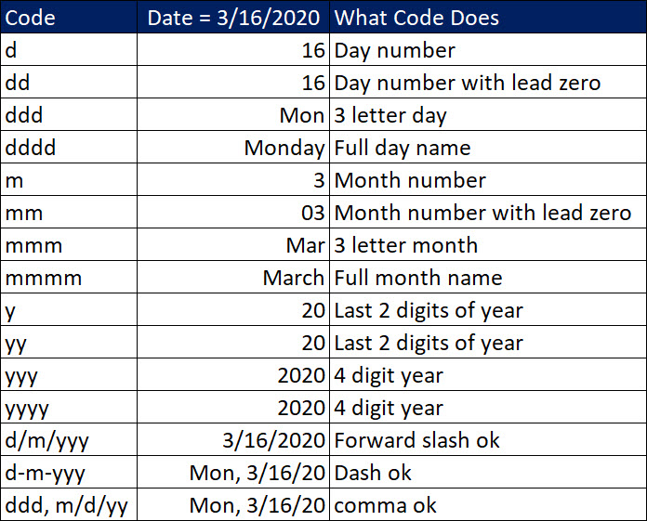
Code | Date = 3/16/2020 | What Code Does
d | 2020-03-16 | Day number
dd | 2020-03-16 | Day number with lead zero
ddd | 2020-03-16 | 3 letter day
dddd | 2020-03-16 | Full day name
m | 2020-03-16 | Month number
mm | 2020-03-16 | Month number with lead zero
mmm | 2020-03-16 | 3 letter month
mmmm | 2020-03-16 | Full month name
y | 2020-03-16 | Last 2 digits of year
yy | 2020-03-16 | Last 2 digits of year
yyy | 2020-03-16 | 4 digit year
yyyy | 2020-03-16 | 4 digit year
m/d/yyy | 3/16/2020 | Forward slash ok
m-d-yyy | 2020-03-16 | Dash ok
ddd, m/d/yy | 3/16/20 | Comma ok

