Ch12(10-12an)
 |  |  |  |  |  |  |  |  |  | Sheet Name:
Ex | Goal: Add top three times. Then rank from biggest to smallest. "Top three" will not change. |  |  |  |  |  |  |  |  | Ch12(10-12an)
#8 | Formula Type #1: Number formula. Aggregate Formula. Scalar array formula.
 | Formula #1 Elements: Equal sign, SUM function, LARGE Function, relative range of cells, array constant.
Array Constant {1,2,3}
 | Formula Type #2: Number formula. Dynamic spilled array formula.
 | Formula #2 Elements: Equal sign, RANK.EQ worksheet function, range of cells.

 |  |  |  |  |  |  | Formula #1 in cell H12:
 |  | Times in seconds: |  |  |  |  | =SUM(LARGE(C12:G12,{1,2,3}))

 | Thrower | Time 1 | Time 2 | Time 3 | Time 4 | Time 5 | Add Top 3 | Rank | Formula #2 in cell I12:
 | Bower | 0.00 | 86.87 | 92.40 | 80.89 | 85.09 | 264.36 | 2 | =RANK.EQ(H12:H17,H12:H17)
 | Kavanaugh | 72.09 | 108.27 | 73.70 | 93.34 | 0.00 | 275.31 | 1
 | Washington | 55.26 | 85.96 | 89.82 | 34.85 | 31.66 | 231.04 | 5
 | Rose | 88.21 | 62.77 | 99.25 | 6.82 | 43.69 | 250.23 | 4
 | Kinder | 19.50 | 20.13 | 60.34 | 37.19 | 36.49 | 134.02 | 6
 | Gix | 78.30 | 47.64 | 104.85 | 68.31 | 13.35 | 251.46 | 3

 | Steps for calculation of =SUM(LARGE(C12:G12,{1,2,3})) |  |  |  |  | Steps for calculation of =RANK.EQ(H12:H17,H12:H17)
 | 1. Array constant instructs LARGE to get the 3 biggest. |  |  |  |  | 1. First argument in RANK.EQ contains numbers to rank.
 | This is a function argument array calculation. |  |  |  |  | This is a function argument array calculation.
 | =SUM(LARGE(C12:G12,{1,2,3})) |  |  |  |  | =RANK.EQ({264.36;275.31;231.04;113.38;134.02;251.46}
 | 2. LARGE spills top 3 numbers into SUM function. |  |  |  |  | ,H12:H17)
 | =SUM({92.4,86.87,85.09}) |  |  |  |  | 2. Second argument in RANK.EQ has numbers to rank against.
 | where: |  |  |  |  | =RANK.EQ({264.36;275.31;231.04;113.38;134.02;251.46},
 | 1st biggest = 92.4 |  |  |  |  | {264.36;275.31;231.04;113.38;134.02;251.46})
 | 2nd biggest = 86.87 |  |  |  |  | 3. RANK.EQ spills default rank of biggest to smallest.
 | 3rd biggest = 85.09 |  |  |  |  | 2; 1; 4; 6; 5; 3
 | 3. SUM aggregates to get sum.
 | 264.36

Ch12(41)
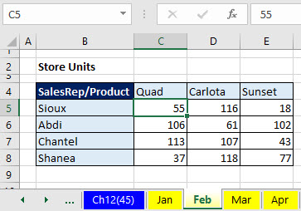
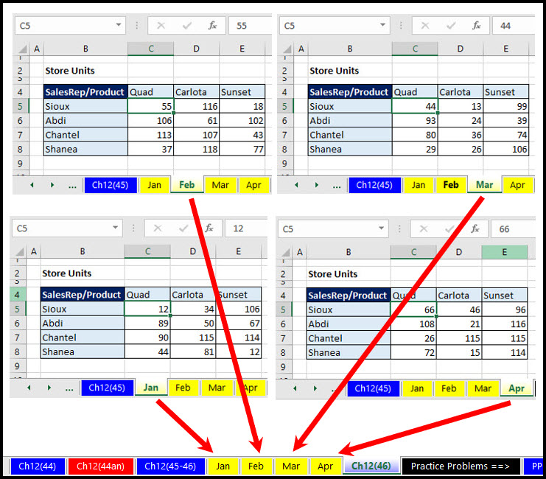
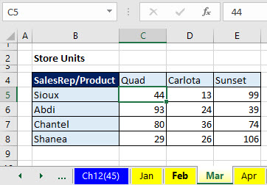

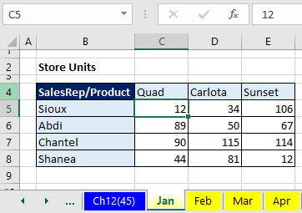
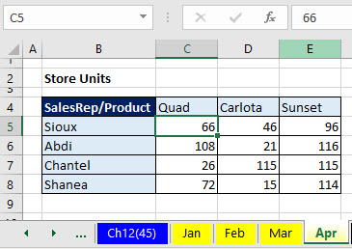

Jan | Feb | Mar | Apr
12 | 55 | 44 | 66

Sioux
Quad

Add units for the sales rep Sioux and the product Quad for Jan to Apr to get: 12 + 55 + 44 + 66 = 177

Ch12(43)
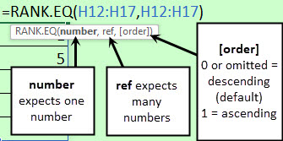
Square brackets around argumnet names in screen tips means =
"If you want the default value, you can omit the argument!"

0 | 6
 | 8
 | 3 | 0 or omitted = descending (default) 1 = ascending

1

