Ch16(1)
name argument = variable name.
name_value argument = variable formula element.
Up to 126 variables
calculation argument = final result that is delivered by LET
LET( name1, name_value1, name2, name_value2, ... name_n, name_value_n, calculation)

#NAME?

Ch16(11)
Ex | Goal: Create spilled frequency distribution for soft drink data, sorted big to small, including column headers & total row:
 |  |  |  | Rank Soft Drink | Rank Soft Drink
#7 | Survey Results: | Frequency Distribution: |  | 2 | Blah

 | Rank Soft Drink by Category | Rank Soft Drink by Category | Count
 | Superior | Superior | 11
 | Superior | Great | 10
 | Poor | Good | 8
 | Good | Okay | 7
 | Great | Poor | 4
 | Good | Total: | 40
 | Superior
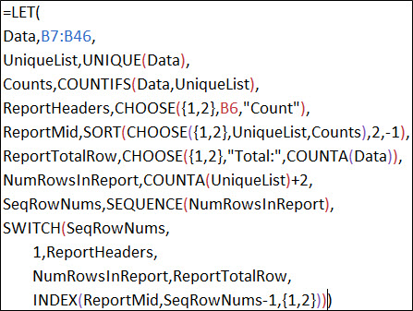
 | Good | Rank Soft Drink by Category | Count
 | Good | Superior | 11
 | Great | Great | 10
 | Poor | Good | 8
 | Great | Okay | 7
 | Okay | Poor | 4
 | Okay | Total: | 40
 | Superior
 | Great
 | Great
 | Okay
 | Great |  |  |  |  | 1) Unique List of Categories
 | Great |  |  |  |  | 2) Frequency (Count)
 | Good
 | Superior
 | Superior
 | Okay
 | Poor
 | Superior
 | Okay
 | Good
 | Okay
 | Great
 | Good
 | Superior
 | Poor
 | Great
 | Good
 | Okay
 | Great
 | Superior
 | Superior
 | Superior

 |  | < Hidden Rows

Ch16(12)
LAMBDA([parameter1,parameter2,… parameter_n], calculation)

parameter argument = function argument name.
parameters are formula inputs used in final calculation
calculation argument = formula you want to execute and return as the result of the function

Ch16(13)
Ex #8 | Use LAMBDA function to create a text formula that can show the percentage change between two numbers.

 | Step 1: Create a worksheet formula:

formula
 | Start | 100 | This function takes a start and end number as function arguments. Start is the first argument. End is the last argument. The function calculates the percentage change and then converts it to text and formats it as a percentage with two decimals.
 | End | 110
 | % Change as Text:

 | Step 2: Create the LAMBDA function in the worksheet and test it:

 | Create and text LAMBDA
parameter1
parameter2
This is the
"test your function"
part.
 | Step 3: Copy the LAMBDA function (without the test part) and paste it into the Name Manager and give it a smart name:
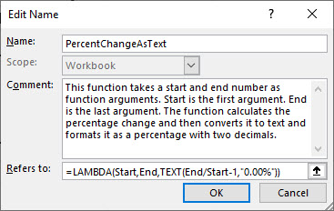

2 function arguments in the PercentChangeAsText function

 | Step 4: Test Defined Name LAMBDA function:

 | % Change as Text:

Ch16(13an)
Ex #8 | Use LAMBDA function to create a text formula that can show the percentage change between two numbers.

 | Step 1: Create a worksheet formula:

formula
 | Start | 100 |  | This function takes a start and end number as function arguments. Start is the first argument. End is the last argument. The function calculates the percentage change and then converts it to text and formats it as a percentage with two decimals.
 | End | 110
 | % Change as Text: | 10.00% | Cell C8: =TEXT(C7/C6-1,"0.00%")

 | Step 2: Create the LAMBDA function in the worksheet and test it:

 | Create and text LAMBDA | 10.00% | Cell C12: =LAMBDA(Start,End,TEXT(End/Start-1,"0.00%"))(C6,C7)
parameter1
parameter2
This is the
"test your function"
part.
 | Step 3: Copy the LAMBDA function (without the test part) and paste it into the Name Manager and give it a smart name:

2 function arguments in the PercentChangeAsText function

 | Step 4: Test Defined Name LAMBDA function:

 | % Change as Text: | 10.00% | Cell C29: =PercentChangeAsTextAnswer(C6,C7)

Ch16(14-15)
Ex | Use LAMBDA and LET to create a reusable function that can count words in a cell.

#9 | Step 1: Create a worksheet formula:

 | Text | The BMX bike is RAD!
 | Count Words

 | Step 2: Create the LAMBDA function in the worksheet and test it:

 | Create and text LAMBDA

 | Step 3: Copy the LAMBDA function (without the test part) and paste it into the Name Manager and give it a smart name:
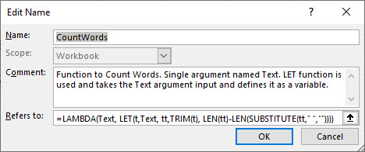

 | Step 4: Test Defined Name LAMBDA function:

 | % Change as Text:

Ch16(16an)
Ex | Goal: Create reusable function that can take text data in column, a column header label and create a sorted frequency distribution with spilled report column headers and total row:
 |  |  |  |  |  |  |  | Rank Soft Drink | Rank Soft Drink
#10 | Survey Results: | Frequency Distribution: |  | Formula without Formatting: |  |  |  | 2 | Blah

 | Rank Soft Drink by Category | Rank Soft Drink by Category | Count | Rank Soft Drink by Category | Count
 | Superior | Superior | 11 | Superior | 11
 | Superior | Great | 10 | Great | 10
 | Poor | Good | 8 | Good | 8
 | Good | Okay | 7 | Okay | 7
 | Great | Poor | 4 | Poor | 4
 | Good | Total: | 40 | Total: | 40
 | Superior
 | Good
 | Good
 | Great | Step 1 é |  | Step 2: é Create LAMBDA |  | Step 3: Name Manager: | Step 4: Use Function on worksheet Ch16(19-20) è
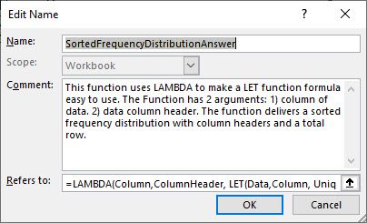
 | Poor | Create Formula
 | Great
 | Okay
 | Okay
 | Superior
 | Great
 | Great
 | Okay
 | Great |  |  |  |  |  |  |  |  | 1) Unique List of Categories
 | Great |  |  |  |  |  |  |  |  | 2) Frequency (Count)
 | Good
 | Superior
 | Superior
 | Okay
 | Poor
 | Superior
 | Okay
 | Good
 | Okay
 | Great
 | Good
 | Superior
 | Poor
 | Great
 | Good
 | Okay
 | Great
 | Superior
 | Superior
 | Superior

 |  | < Hidden Rows

PPCh16(4an)
Goal: Create a reusable function that can extract the dollar amount from the description.

Description | Region | Step 1: Create a worksheet formula:
658 Carlota West | 658
345 Aspen South | 345 | Formula in cell C5: =LEFT(B5:B8,SEARCH(" ",B5:B8)-1)+0
23.5 Carlota East | 23.5
399.95 Quad West | 399.95

Description | Region | Step 2: Create the LAMBDA function in the worksheet and test it:
658 Carlota West | 658
345 Aspen South | 345 | Formula in cell C11: =LAMBDA(Cell,LEFT(Cell,SEARCH(" ",Cell)-1)+0)(B11:B14)
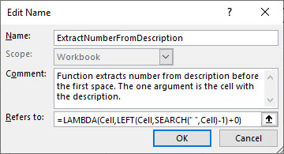
23.5 Carlota East | 23.5
399.95 Quad West | 399.95

 |  | Step 3: Copy the LAMBDA function (without the test part) and paste it into the Name Manager and give it a smart name:

Description | Region | Step 4: Test Defined Name LAMBDA function:
658 Carlota West | 658
345 Aspen South | 345 | Formula in cell C25: =ExtractNumberFromDescriptionAnswer(B25:B28)
23.5 Carlota East | 23.5
399.95 Quad West | 399.95

PPCh16(5an)
Goal: Create a reusable function that can create a Product Sales Total Report. |  |  |  |  |  |  |  | Step 3: | Step 4: Check Lambda:

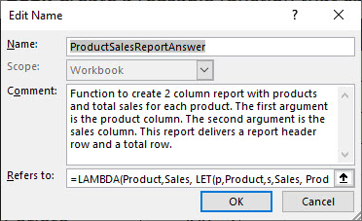
Product | Sales | Product | Sales |  |  | Product | Sales |  | Product | Sales
Quad | 326.17 | Quad | 936.26 |  | OR: | Quad | 936.26 |  | Quad | 936.26 | Formula in cell P4: =ProductSalesReportAnswer(B5:B11,C5:C11)
Carlota | 251.57 | Carlota | 697.77 |  |  | Carlota | 697.77 |  | Carlota | 697.77
Quad | 374.03 | Aspen | 427.43 |  |  | Aspen | 427.43 |  | Aspen | 427.43
Aspen | 256.22 |  |  |  |  | Total | 2061.46 |  | Total | 2061.46
Aspen | 171.21
Carlota | 446.2 |  |  | Both Step 1 and 2 Combined
Quad | 236.06
 |  |  |  |  |  | With Headers and Total Row:
Without Headers and Total Row: |  |  |  |  |  | Formula in cell I4: =LAMBDA(Product,Sales, LET(p,Product,s,Sales, ProductUniqueList,UNIQUE(p), SalesTotals,SUMIFS(s,p,ProductUniqueList), ReportHeader,{"Product","Sales"}, ReportMid,SORT(CHOOSE({1,2},ProductUniqueList,SalesTotals),2,-1), ReportTotalRow,CHOOSE({1,2},"Total",SUM(s)), TotalNumRows,COUNTA(ProductUniqueList)+2, SeqRows,SEQUENCE(TotalNumRows), SWITCH(SeqRows,1,ReportHeader,TotalNumRows,ReportTotalRow,INDEX(ReportMid,SeqRows-1,{1,2}))))(B5:B11,C5:C11)
Formula in cell E5: =LAMBDA(Product,Sales,LET( p,Product,s,Sales, ProductUniqueList,UNIQUE(p), SalesTotals,SUMIFS(s,p,ProductUniqueList), Report,CHOOSE({1,2},ProductUniqueList,SalesTotals), SORT(Report,2,-1)))(B5:B11,C5:C11)

 |  |  |  |  |  |  |  |  |  |  |  | With IFS:
 |  |  |  |  |  | Formula in cell T29: =LAMBDA(Product,Sales, LET(p,Product,s,Sales, ProductUniqueList,UNIQUE(p), SalesTotals,SUMIFS(s,p,ProductUniqueList), ReportHeader,{"Product","Sales"}, ReportMid,SORT(CHOOSE({1,2},ProductUniqueList,SalesTotals),2,-1), TotalRow,CHOOSE({1,2},"Total",SUM(s)), TotalNumRows,COUNTA(ProductUniqueList)+2, SeqRows,SEQUENCE(TotalNumRows), IFS(SeqRows=TotalNumRows,TotalRow,SeqRows=1,ReportHeader,TRUE,INDEX(ReportMid,SeqRows-1,{1,2}))))(B5:B11,C5:C11) |  |  |  |  |  | Product | Sales
 |  |  |  |  |  |  |  |  |  |  |  | Quad | 936.26
 |  |  |  |  |  |  |  |  |  |  |  | Carlota | 697.77
 |  |  |  |  |  |  |  |  |  |  |  | Aspen | 427.43
 |  |  |  |  |  |  |  |  |  |  |  | Total | 2061.46

