Ch18(1)
 |  |  |  |  |  |  | 1309

Objective #3: Difference Between Data & Information?

 | Data = Unorganized Raw Data |  |  |  | Information = Organized & Presented Data
 | Data alone doesn't yield insight |  |  |  | Helps people make decisions
 | Data alone is not very useful |  |  |  | Helps see patterns and gain insight

Define Data Analysis = Convert Data Into Useful Information

 |  | Raw Data: |  | Convert into ==>> | Useful Information:

 | Date | Product | Sales ($) |  | Question: Which product had lowest sales?
 | 2019-02-15 | Quad | 287.7
 | 2019-02-15 | Aspen | 89.85 |  | Answer = Information created from Raw Data
 | 2019-02-15 | Aspen | 239.6
 | 2019-02-15 | Sunspot | 65.85 |  | Product | Sum of Sales ($)
 | 2019-02-15 | Aspen | 329.45 |  | Aspen | 658.9
 | 2019-02-15 | Quad | 383.6 |  | Quad | 1150.8
 | 2019-02-15 | Sunspot | 131.7 |  | Sunspot | 482.9
 | 2019-02-15 | Sunspot | 285.35 |  | Grand Total | 2292.6
 | 2019-02-15 | Quad | 239.75
 | 2019-02-15 | Quad | 239.75

 |  | Raw Data: |  | Convert into ==>> | Useful Information:

 | Date | Product | Sales ($) |  | Question: What is trend in Quad Sales?
 | 2019-03-31 | Quad | 560
 | 2019-04-30 | Quad | 781 |  | Answer = Information created from Raw Data
 | 2019-05-31 | Quad | 612
Quad Sales ($) 2019
 | 2019-06-30 | Quad | 714
 | 2019-07-31 | Quad | 932
 | 2019-08-31 | Quad | 717
 | 2019-09-30 | Quad | 718
 | 2019-10-31 | Quad | 1203
 | 2019-11-30 | Quad | 1445
 | 2019-12-31 | Quad | 1334

Ch18(2-4)
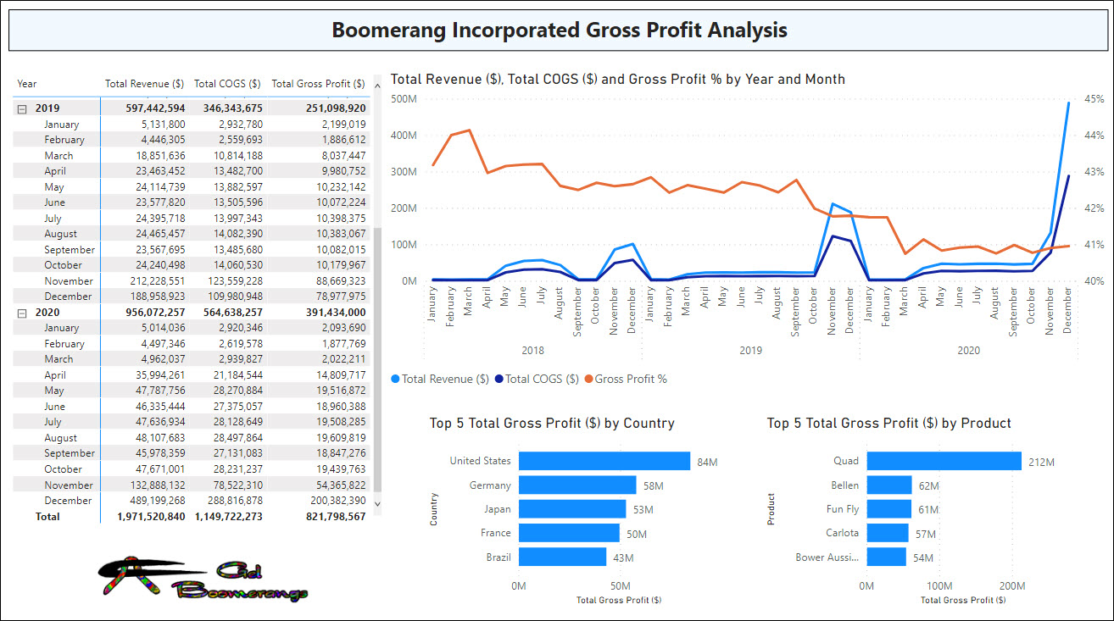
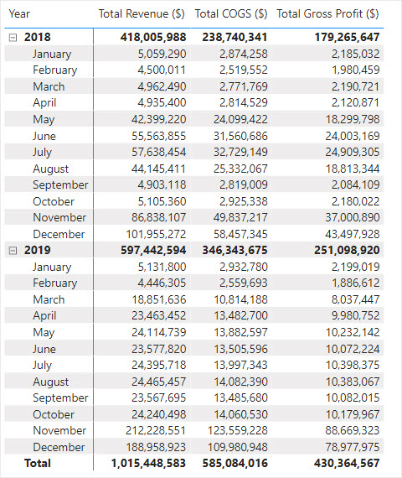
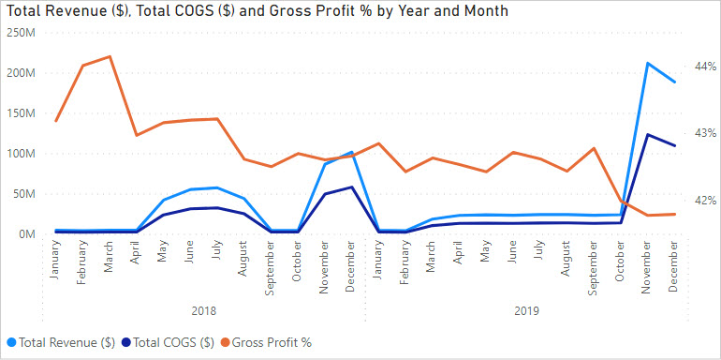
SQL data Power BI and Power Pivot "Test Files" are in this folder:
F:\00VideoClassStorage\0000BusinessIntellegenceStudy\SQL\SQL-Database-boomerang-pond-Server\2021UpdateSQLServer\2021NewSQLpondServerData

Ch18(7)
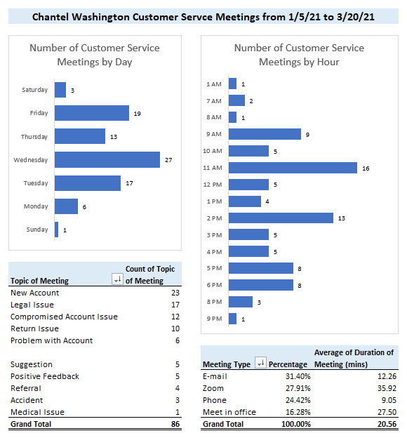

Ch18(8)
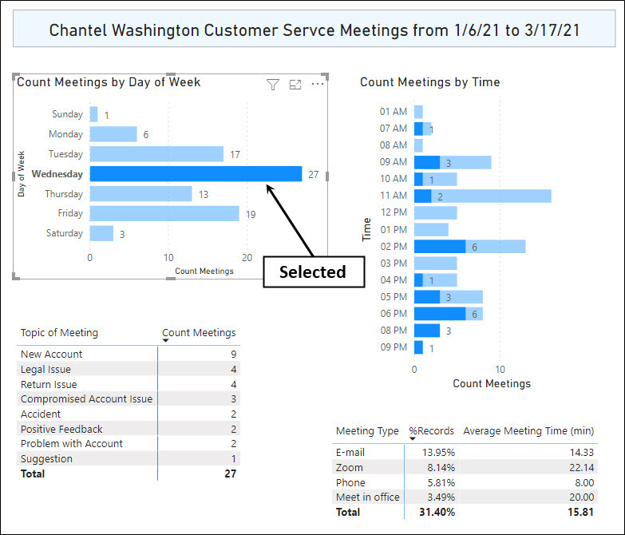
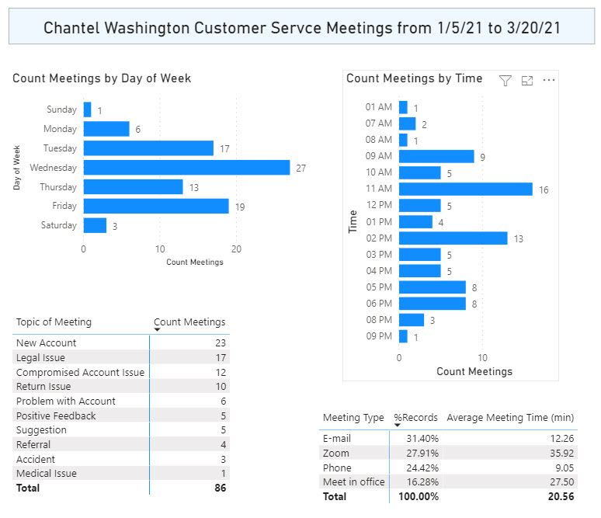

Ch18(12)
Fact table. Records = sales transactions |  |  |  | Dimension table. Records = unique products with prices
Foreign key
Fields, 1st row
Primary key

Records in rows with related data
Date | ProductID | Units Sold | Sales ($) |  | ProductID | Product | Flight Range (M) | Retail Price
2021-02-15 | 1043 | 6 | 287.7 |  | 1043 | Quad | 20 | 47.95
2021-02-15 | 1069 | 3 | 89.85 |  | 1069 | Aspen | 25 | 29.95
2021-02-15 | 1069 | 8 | 239.6 |  | 2005 | Sunspot | 15 | 21.95
2021-02-15 | 2005 | 3 | 65.85
In an Excel worksheet, there must be empty cells, or worksheet column headings/ row numbers
all the way around table
2021-02-15 | 1069 | 11 | 329.45
2021-02-15 | 1043 | 8 | 383.6
2021-02-15 | 2005 | 6 | 131.7
2021-02-15 | 2005 | 13 | 285.35
2021-02-15 | 1043 | 5 | 239.75
2021-02-15 | 1043 | 5 | 239.75

Ch18(15)
 | 3) Power Query editor window

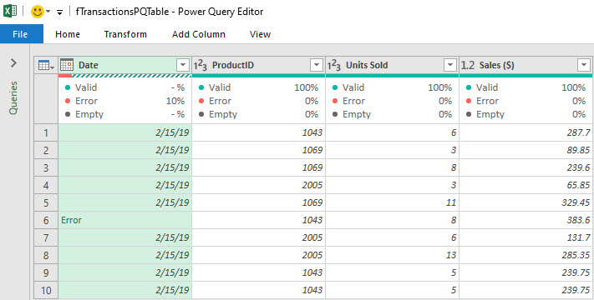

Serial Number Date ==>>
Error ==>>

 | Query name = fTransactionPQTable

Ch18(17)
 | 5) Power Pivot data model Data View window
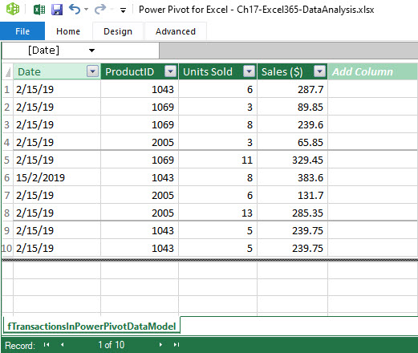

All data in Date field
Text data type ==>>

Ch18(18)
 | 6) Power BI Desktop data model Data View window
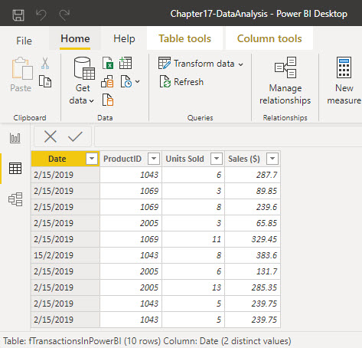

All data in Date field
Text data type ==>>

Ch18(19)
 | 7) Text files:

 | Tab Delimited = *.txt file extension | or | Comma Delimited = *.csv file extension
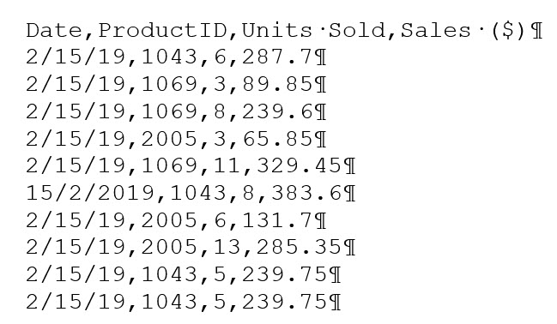

Everything is text
in a text file =>

Ch18(21)
 | Date-Product-Sales |  |  | Transform è | Date | Product | Sales
 | 2/15/2019-Quad-287.7 |  |  |  | 2019-02-15 | Quad | 287.7
 | 2/15/2019-Aspen-89.85 |  |  |  | 2019-02-15 | Aspen | 89.85
 | 2/15/2019-Aspen-239.6 |  |  |  | 2019-02-15 | Aspen | 239.6

Sales | 2021-01-12 | 2021-01-13 | 2021-01-15 | Transform è | Date | Product | Sales
Quad | 291.65 | 745.58 | 253.76 |  | 2021-01-12 | Quad | 291.65
Carlota | 296.45 | 407.73 | 786.67 |  | 2021-01-13 | Quad | 745.58
 |  |  |  |  | 2021-01-15 | Quad | 253.76
 |  |  |  |  | 2021-01-12 | Carlota | 296.45
 |  |  |  |  | 2021-01-13 | Carlota | 407.73

 |  |  |  |  | 2021-01-15 | Carlota | 786.67

Fact table
 |  |  |  | Transform è | Field 1 | Field 2 | Field 3
 |  |  |  |  | data | data | data
 |  |  |  |  | data | data | data
 |  |  |  |  | data | data | data

Ch18(23-24)
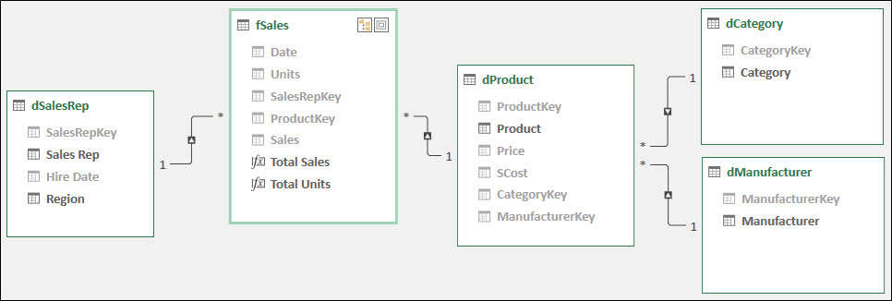

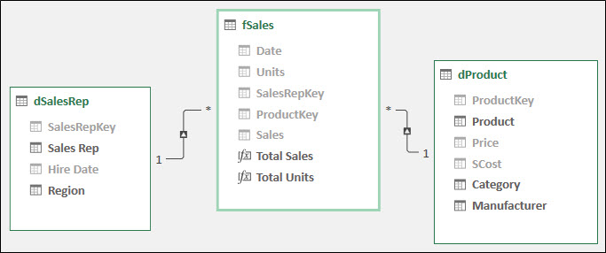

Ch18(27)
Tables from Excel worksheet:

Fact Table = fUnitsDM |  | Dimension Table = dBoomProductsDM

Connect tables using a relationship (substitute for XLOOKUP) |  |  |  |  |  |  |  |  | Connect tables using a relationship (substitute for XLOOKUP)

ProductID | Units Sold | ProductID | Product | Flight Range (M) | Price
1043 | 6 | 1043 | Quad | 20 | 47.95
1069 | 3 | 1069 | Aspen | 25 | 29.95
1069 | 8 | 2005 | Sunspot | 15 | 21.95
2005 | 3
1069 | 11
1043 | 8
2005 | 6
2005 | 13
1043 | 5
1043 | 5

Star schema data model: |  |  |  |  |  | Useful information based on data model
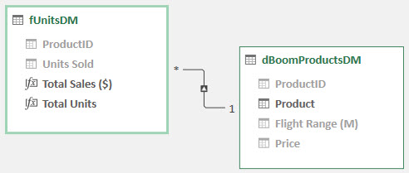
Relationship

Formula:
DAX
Measures
 |  |  |  |  |  | Product | Total Sales ($) | Total Units
 |  |  |  |  |  | Aspen | 658.90 | 22
 |  |  |  |  |  | Quad | 1,150.80 | 24
 |  |  |  |  |  | Sunspot | 482.90 | 22
 |  |  |  |  |  | Grand Total | 2,292.60 | 68

Ch18(28)
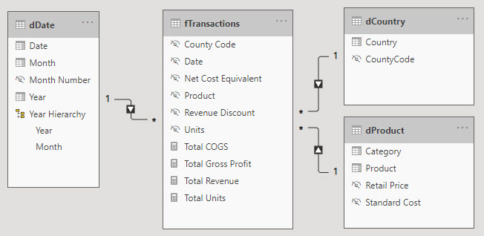
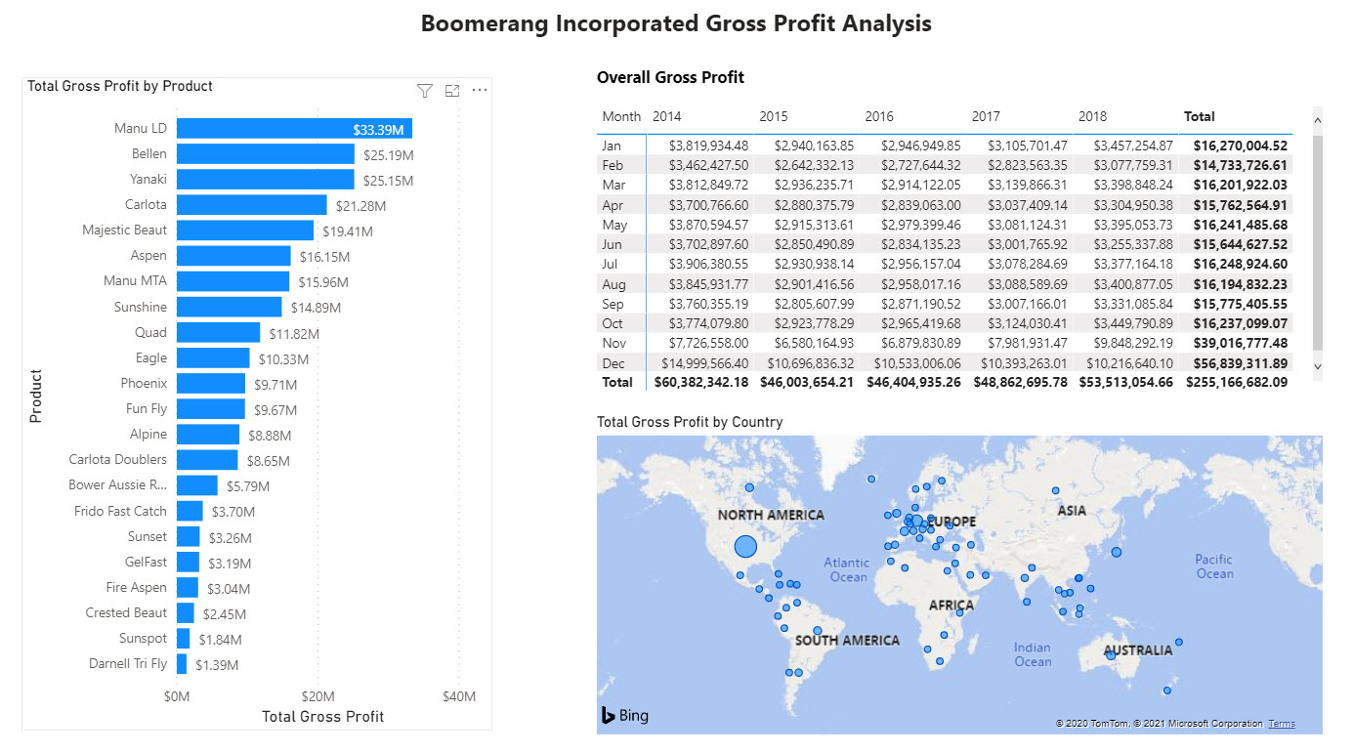
Star schema data model
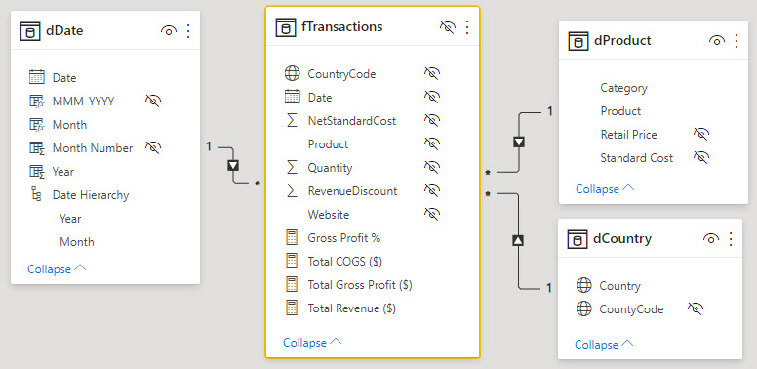

Useful Information based on data model

Ch18(29)
 | Excel Power Pivot Star Schema Data Model
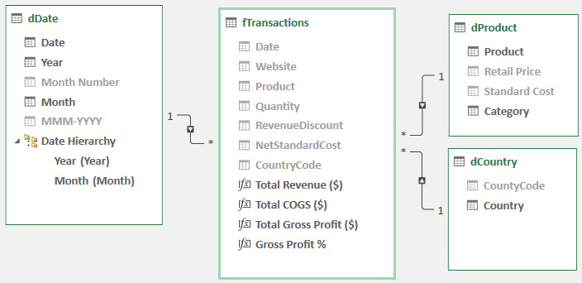
 |  |  |  | 6) Fields
 |  |  |  | 7) Hidden Fields

 | 5) DAX Measures | 4) Relationships

3) DAX Tables (dimension) |  | 1) Fact Tables | 2) Dimension Tables

 | Power BI Desktop Star Schema Data Model

 |  |  |  | 6) Fields
 |  |  |  | 7) Hidden Fields

 | 5) DAX Measures

Ch18(30-62an)
Ex #1 | Source Data: Excel Tables on this worksheet.
 | Other facts: We'll use worksheet formulas to lookup product price and product name to create flat table (as a reminder of how it was done in the past).
 | With a small data set and simple calculations, this is an acceptable method.
 | Data analysis goal: Create product total sales and total units sold report with visualization.

 | Fact Table = fUnits

Total Sales by Product
 | Total
Quad | 1150.8
Aspen | 658.9
Sunspot | 482.9
 | ProductID | UnitsSold | Sales($) | Product | Dimension Table = dProducts
 | 1043 | 6 | 287.7 | Quad
 | 1069 | 3 | 89.85 | Aspen | ProductID | Product | FlightRange(M) | Price
 | 1069 | 8 | 239.6 | Aspen | 1043 | Quad | 20 | 47.95
 | 2005 | 3 | 65.85 | Sunspot | 1069 | Aspen | 25 | 29.95
 | 1069 | 11 | 329.45 | Aspen | 2005 | Sunspot | 15 | 21.95
 | 1043 | 8 | 383.6 | Quad
 | 2005 | 6 | 131.7 | Sunspot
 | 2005 | 13 | 285.35 | Sunspot | Product | Sum of Sales($) | Sum of UnitsSold |  | Product | Sum of Sales($)
 | 1043 | 5 | 239.75 | Quad | Aspen | 658.90 | 22 |  | Quad | 1150.8
 | 1043 | 5 | 239.75 | Quad | Quad | 1,150.80 | 24 |  | Aspen | 658.9
 |  |  |  |  | Sunspot | 482.90 | 22 |  | Sunspot | 482.9
 |  |  |  |  | Grand Total | 2,292.60 | 68 |  | Grand Total | 2292.6

Total Sales by Product
 | Total
Quad | 1150.8
Aspen | 658.9
Sunspot | 482.9

