Ch18(63-66)
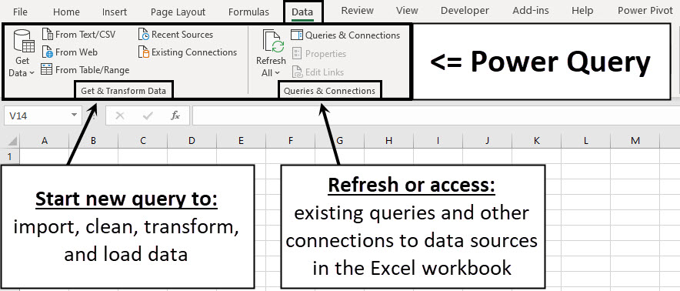
You are given two text files:

The Ch17UnitsTableExample05.txt file is the units fact table:
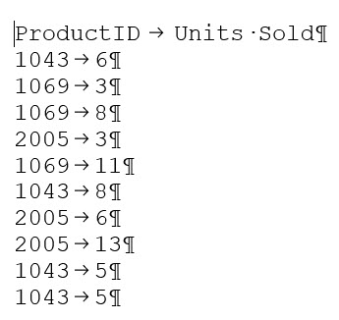

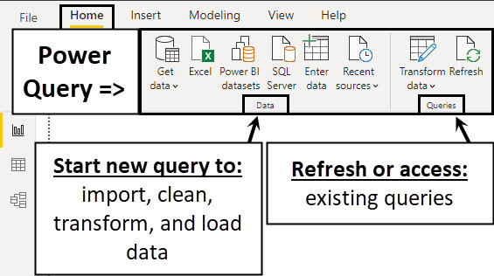

The Ch17ProductTableExample05.txt file is the product dimension table:

Ch18(67-153)
Ex #2 | Source Data: Text files.
 | Other facts: We will use Power Query to import, celan and trasnformat the data.
 | We will use Power Pivot Data Model, DAX formulas and Relationships on small data set to introduce ourselves to the tools.
 | Data analysis goal: Create product total sales and total units sold report with visualization.

Total Sales $ by Product
 | Total
Quad | 1,150.80
Aspen | 658.90
Sunspot | 482.90
 |  | Product | Total Sales ($) | Total Units Sold | Total Sales OneStep
 |  | Aspen | 658.90 | 22 | 658.90
 |  | Quad | 1,150.80 | 24 | 1,150.80
 |  | Sunspot | 482.90 | 22 | 482.90
 |  | Grand Total | 2,292.60 | 68 | 2,292.60

Ch18(72)
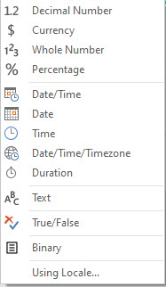
Data type | Data Type | Icon | Short Description | M Code
Text | Decimal number |  | Number up to 15 decimals | type number
True/False | Currency (Fixed decimal number) |  | Number up to 4 decimals | Currency.Type
Decimal number | Whole number |  | Number with no digit to right of decimal | Int64.Type
Fixed decimal number | Percentage |  | Number up to 15 decimals with % Number Format | Percentage.Type
Whole number | Date/Time |  | Serial number date and time together | type datetime
Percentage | Date |  | Serial number date | type date
Date/Time | Time |  | Serial number time | type time
Date | Date/Time/Timezone |  | Represents a UTC date/time with a time-zone offset | type datetimezone
Time | Duration |  | Serial Number Length of Date and Time | type duration
Date/Time/Timezone | Text |  | Text | type text
Duration | True/False |  | Boolean | type logical
Binary | Binary |  | File like Excel file or Text file | type binary
Any | Any |  | Sets numbers such as dates and decimals according to regional settings | type any

Ch18(150-152)
Measure creates Aspen Filter Context & causes fUnits in 1st argument of SUMX to be filtered down to only Aspen rows
 |  |  | fUnits Table inside SUMX first argument

 |  |  | ProductID | Units Sold
 |  |  | 1069 | 3
 |  |  | 1069 | 8
 |  |  | 1069 | 11
Product | Total Sales OneStep
Aspen | 658.90 | Total Sales OneStep:=SUMX(fUnits,RELATED(dProduct[Price])*fUnits[Units Sold])
Quad | 1,150.80 | Total Sales OneStep:=SUMX(fUnits,RELATED(dProduct[Price])*fUnits[Units Sold])
Sunspot | 482.90 | Total Sales OneStep:=SUMX(fUnits,RELATED(dProduct[Price])*fUnits[Units Sold])
Grand Total | 2,292.60 | Total Sales OneStep:=SUMX(fUnits,RELATED(dProduct[Price])*fUnits[Units Sold])

 |  |  |  |  |  | fUnits Table inside SUMX first argument for Aspen cell

 |  |  |  |  |  | ProductID | Units Sold
 |  |  |  |  |  | 1069 | 3 | RELATED(dProduct[Price])*fUnits[Units Sold] = 3*29.95 = 89.85 |  |  | RELATED(dProduct[Price])*fUnits[Units Sold] | 3*29.95 = 89.85
 |  |  |  |  |  | 1069 | 8 | RELATED(dProduct[Price])*fUnits[Units Sold] = 8*29.95 = 239.6 |  |  | RELATED(dProduct[Price])*fUnits[Units Sold] | 8*29.95 = 239.6
 |  |  |  |  |  | 1069 | 11 | RELATED(dProduct[Price])*fUnits[Units Sold] = 11*29.95 = 329.45 |  |  | RELATED(dProduct[Price])*fUnits[Units Sold] | 11*29.95 = 329.45

SUMX creates Row Context for each row in fUnits to get the values for Price & Units Sold
 |  |  |  |  | Total Sales OneStep:=SUMX(fUnits,RELATED(dProduct[Price])*fUnits[Units Sold])

 |  |  |  |  |  |  |  |  | Total Sales OneStep:= 89.85 + 239.6 + 329.45 = 658.9

 |  |  |  |  |  |  |  |  | Total Sales OneStep:= 89.85 + 239.6 + 329.45 = 658.9

 |  |  |  |  |  |  |  |  |  | 89.85 + 239.6 + 329.45
 |  |  |  |  |  |  |  |  |  | 89.85
 |  |  |  |  |  |  |  |  |  | 239.6
 |  |  |  |  |  |  |  |  |  | 329.45

