Ch18(154)
You are given two files with source data:

The Ch18UnitsTableExample03.xlsx file contains the units fact table:
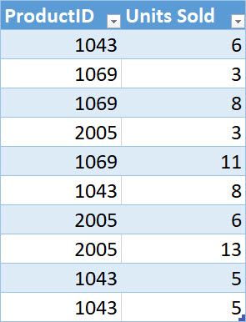

The Ch18ProductTableExample03.accdb file contains the product dimension table:

