Ch18(63-66)
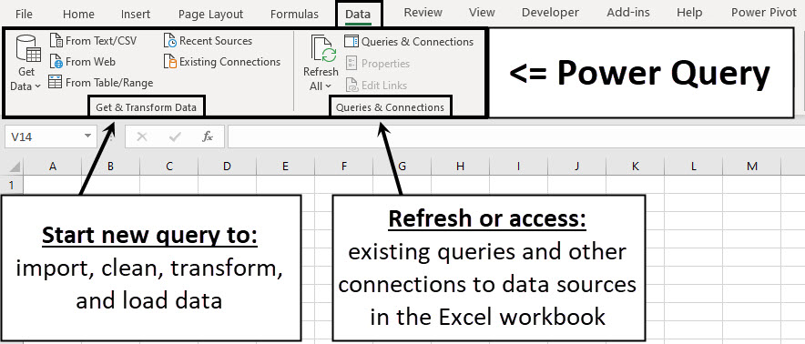
You are given two text files:

The Ch17UnitsTableExample05.txt file is the units fact table:
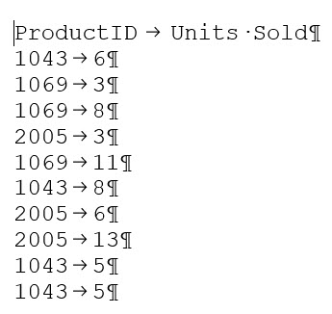

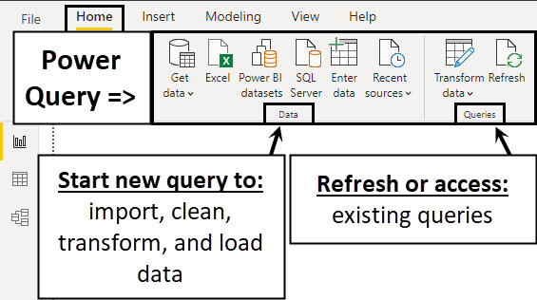

The Ch17ProductTableExample05.txt file is the product dimension table:

Ch18(72)
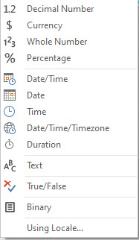
Data type | Data Type | Icon | Short Description
Text | Decimal number |  | Number up to 15 decimals
True/False | Currency (Fixed decimal number) |  | Number up to 4 decimals
Decimal number | Whole number |  | Number with no digit to right of decimal
Fixed decimal number | Percentage |  | Number up to 15 decimals with % Number Format
Whole number | Date/Time |  | Serial number date and time together
Percentage | Date |  | Serial number date
Date/Time | Time |  | Serial number time
Date | Date/Time/Timezone |  | Represents a UTC date/time with a time-zone offset
Time | Duration |  | Serial Number Length of Date and Time
Date/Time/Timezone | Text |  | Text
Duration | True/False |  | Boolean
Binary | Binary |  | File like Excel file or Text file
Any | Any |  | Sets numbers such as dates and decimals according to regional settings

Ch18(150-152)
Measure creates Aspen Filter Context & causes fUnits in 1st argument of SUMX to be filtered down to only Aspen rows
 |  | fUnits Table inside SUMX first argument

 |  | ProductID | Units Sold
 |  | 1069 | 3
 |  | 1069 | 8
 |  | 1069 | 11
Product
Aspen | Total Sales OneStep:=SUMX(fUnits,RELATED(dProduct[Price])*fUnits[Units Sold])
Quad | Total Sales OneStep:=SUMX(fUnits,RELATED(dProduct[Price])*fUnits[Units Sold])
Sunspot | Total Sales OneStep:=SUMX(fUnits,RELATED(dProduct[Price])*fUnits[Units Sold])
Grand Total | Total Sales OneStep:=SUMX(fUnits,RELATED(dProduct[Price])*fUnits[Units Sold])

 |  |  |  |  | fUnits Table inside SUMX first argument for Aspen cell

 |  |  |  |  | ProductID | Units Sold
 |  |  |  |  | 1069 | 3 | RELATED(dProduct[Price])*fUnits[Units Sold] = 3*29.95 = 89.85 |  |  | RELATED(dProduct[Price])*fUnits[Units Sold] | 3*29.95 = 89.85
 |  |  |  |  | 1069 | 8 | RELATED(dProduct[Price])*fUnits[Units Sold] = 8*29.95 = 239.6 |  |  | RELATED(dProduct[Price])*fUnits[Units Sold] | 8*29.95 = 239.6
 |  |  |  |  | 1069 | 11 | RELATED(dProduct[Price])*fUnits[Units Sold] = 11*29.95 = 329.45 |  |  | RELATED(dProduct[Price])*fUnits[Units Sold] | 11*29.95 = 329.45

SUMX creates Row Context for each row in fUnits to get the values for Price & Units Sold
 |  |  |  | Total Sales OneStep:=SUMX(fUnits,RELATED(dProduct[Price])*fUnits[Units Sold])

 |  |  |  |  |  |  |  | Total Sales OneStep:= 89.85 + 239.6 + 329.45 = 658.9

 |  |  |  |  |  |  |  | Total Sales OneStep:= 89.85 + 239.6 + 329.45 = 658.9

 |  |  |  |  |  |  |  |  | 89.85 + 239.6 + 329.45
 |  |  |  |  |  |  |  |  | 89.85
 |  |  |  |  |  |  |  |  | 239.6
 |  |  |  |  |  |  |  |  | 329.45

