CH19(238)
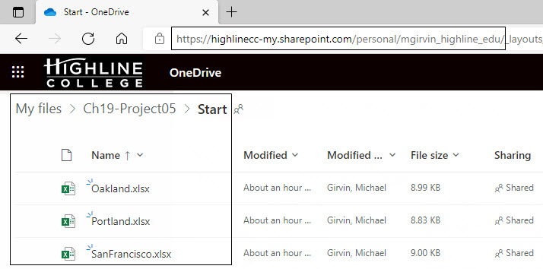
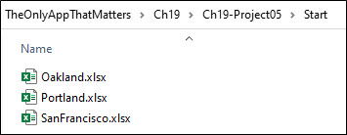
OneDrive Folder Location | On-Premise Folder Location
You do not have access to this OneDrive location online | You do have access to this location on your computer

CH19(240)
 | 1) Blank columns removed
 | ê

Date | Product | City | Net Sales | ç 2) Consistent field names are created
2021-09-15 | Quad | Oakland | 894.98
2021-09-16 | Quad | Oakland | 890.28 | ç 4) All data is combined into single table
2021-09-17 | Quad | Oakland | 270.44
2021-09-18 | Quad | Oakland | 882.74 | ç 6) Net sales calculated based on discount lookup table & original sales field
Hidden rows
2021-09-19 | Quad | Oakland | 42.85
2021-09-20 | Yanaki | San Francisco | 79.91
2021-09-21 | Yanaki | San Francisco | 974.78

é |  | é
5) Serial dates created |  | 3) City Name taken from worksheets

 |  |  |  |  | Hidden rows

CH19(244)
Two types of Power Query exact match two-way lookup:

 | 1) | Row Index Lookup = not dynamic because it always gets the first row
 |  | = Excel.CurrentWorkbook() { 0 } [Content]
[ ] = Field Access Operator

{ } = Row Positional Index Operator
Excel.CurrentWorkbook() = Table with Content and Name fields

[ ] = Field Access Operator
 | 2) | Key Match Lookup = dynamic because it always gets the row with the table name "dSalesDiscount"
 |  | = Excel.CurrentWorkbook() { [ Name="dSalesDiscount" ] } [Content]
[ ] = Lookup Operator when used inside of { }

{ } = Row Positional Index Operator

Excel.CurrentWorkbook() = Table with Content and Name fields

CH19(245)
1) | Row index lookup formula has this structure:
 | =Table { Row Index Number } [ Field Name ]
{ } = Row Positional Index Operator
[ ] = Field Access Operator
2) | Key match lookup formula has this structure:
 | =Table { [ Field Name = Lookup Value ] } [ Field Name ]
{ } = Row Positional Index Operator
[ ] = Lookup Operator when used inside of { }
[ ] = Field Access Operator

[ ] = Field Access Operator

[ ] = Lookup Operator when used inside of { }

{ } = Row Positional Index Operator

Excel.CurrentWorkbook() = Table with Content and Name fields

[ ] = Field Access Operator

[ ] = Lookup Operator when used inside of { }
{ } = Row Positional Index Operator

Excel.CurrentWorkbook() = Table with Content and Name fields

