Sheet1
yearID | teamID | attendance | ID | team_ID | salary | name
1985 | CIN | 1834619 | 3333 | 42328 | 8359917 | Cincinnati Reds
1986 | CIN | 1692432 | 22305 | 58500 | 11906388 | Cincinnati Reds
1987 | CIN | 2185205 | 37843 | 51376 | 9281500 | Cincinnati Reds
1988 | CIN | 2072528 | 52125 | 50050 | 8888409 | Cincinnati Reds
1989 | CIN | 1979320 | 79750 | 58812 | 11072000 | Cincinnati Reds
1990 | CIN | 2400892 | 119153 | 69836 | 14370000 | Cincinnati Reds
1991 | CIN | 2372377 | 112827 | 54080 | 26305333 | Cincinnati Reds
1992 | CIN | 2315946 | 136026 | 56862 | 35931499 | Cincinnati Reds
1993 | CIN | 2453232 | 191994 | 70356 | 44879666 | Cincinnati Reds
1994 | CIN | 1897681 | 208723 | 66960 | 40961833 | Cincinnati Reds
1995 | CIN | 1837649 | 259675 | 74392 | 43144670 | Cincinnati Reds
1996 | CIN | 1861428 | 301595 | 77560 | 42526334 | Cincinnati Reds
1997 | CIN | 1785788 | 381900 | 89760 | 49768000 | Cincinnati Reds
1998 | CIN | 1793649 | 357187 | 77282 | 23005000 | Cincinnati Reds
1999 | CIN | 2061222 | 356841 | 71393 | 33962761 | Cincinnati Reds
2000 | CIN | 2577371 | 337041 | 62991 | 46867200 | Cincinnati Reds
2001 | CIN | 1879757 | 359559 | 63801 | 48986000 | Cincinnati Reds
2002 | CIN | 1855787 | 425415 | 71790 | 45050390 | Cincinnati Reds
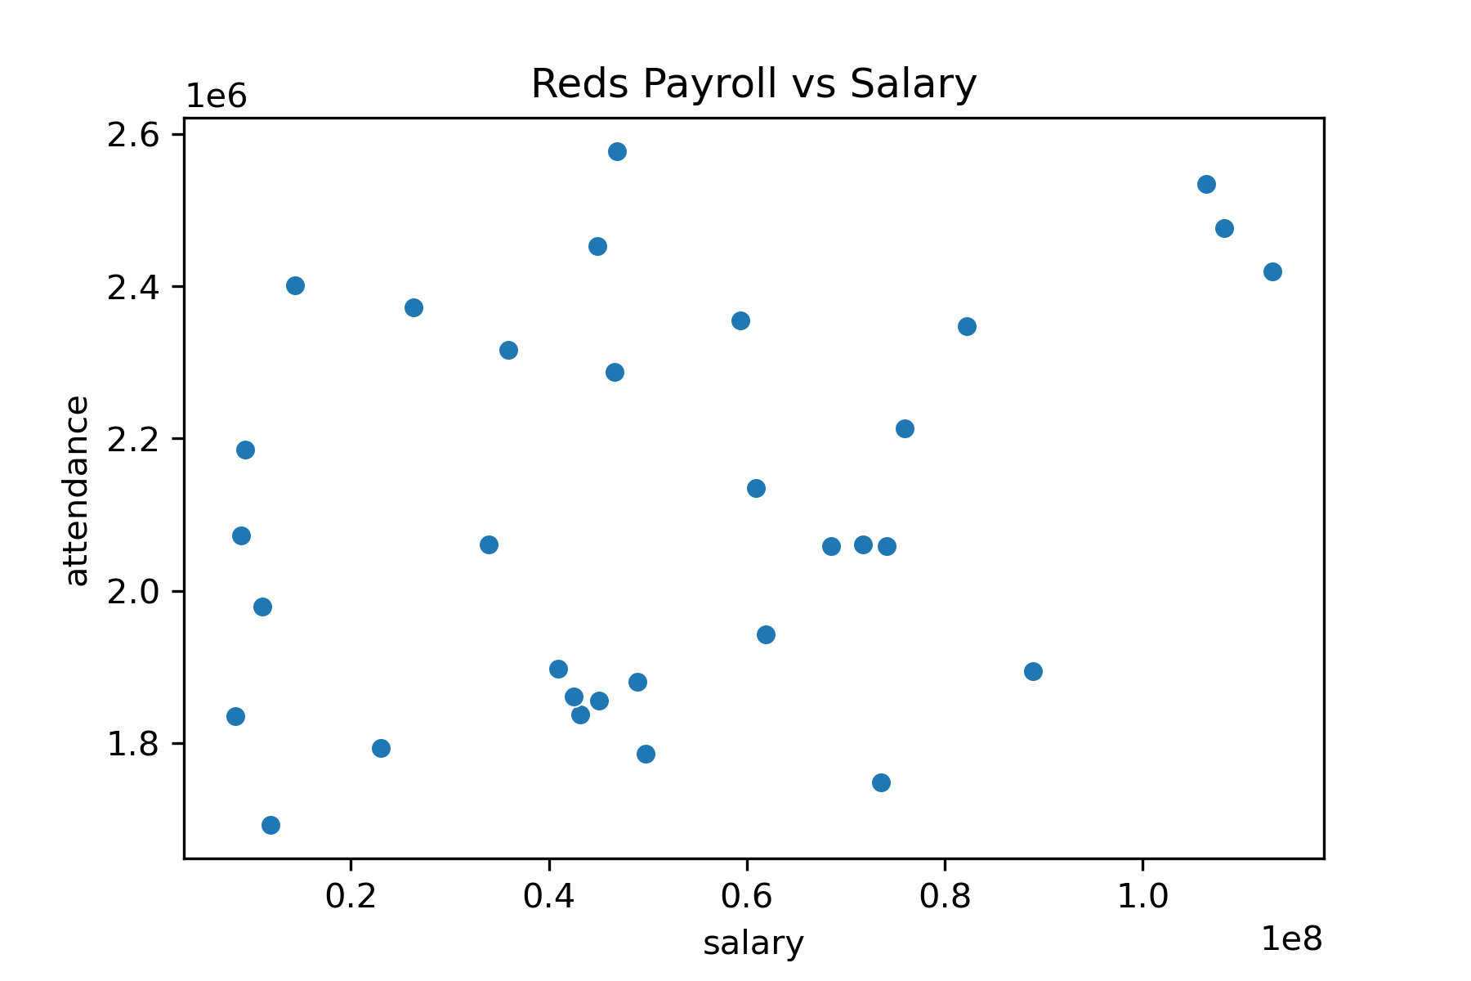
2003 | CIN | 2355259 | 420238 | 67844 | 59355667 | Cincinnati Reds
2004 | CIN | 2287250 | 443618 | 68684 | 46615250 | Cincinnati Reds
2005 | CIN | 1943067 | 499245 | 74460 | 61892583 | Cincinnati Reds
2006 | CIN | 2134607 | 489230 | 70336 | 60909519 | Cincinnati Reds
2007 | CIN | 2058593 | 567083 | 78802 | 68524980 | Cincinnati Reds
2008 | CIN | 2058632 | 535962 | 72016 | 74117695 | Cincinnati Reds
2009 | CIN | 1747919 | 459632 | 59846 | 73558500 | Cincinnati Reds
2010 | CIN | 2060550 | 540761 | 68432 | 71761542 | Cincinnati Reds
2011 | CIN | 2213588 | 648825 | 79860 | 75947134 | Cincinnati Reds
2012 | CIN | 2347251 | 629342 | 75376 | 82203616 | Cincinnati Reds
2013 | CIN | 2534369 | 583000 | 68050 | 106404462 | Cincinnati Reds
2014 | CIN | 2476664 | 675654 | 77056 | 108217500 | Cincinnati Reds
2015 | CIN | 2419506 | 673380 | 75114 | 113072286 | Cincinnati Reds
2016 | CIN | 1894085 | 746953 | 81548 | 88940059 | Cincinnati Reds

