Sheet1
yearID | teamID | name | attendance | W | ID | team_ID | salary
1985 | CIN | Cincinnati Reds | 1834619 | 89 | 3333 | 42328 | 8359917
1986 | CIN | Cincinnati Reds | 1692432 | 86 | 22305 | 58500 | 11906388
1987 | CIN | Cincinnati Reds | 2185205 | 84 | 37843 | 51376 | 9281500
1988 | CIN | Cincinnati Reds | 2072528 | 87 | 52125 | 50050 | 8888409
1989 | CIN | Cincinnati Reds | 1979320 | 75 | 79750 | 58812 | 11072000
1990 | CIN | Cincinnati Reds | 2400892 | 91 | 119153 | 69836 | 14370000
1991 | CIN | Cincinnati Reds | 2372377 | 74 | 112827 | 54080 | 26305333
1992 | CIN | Cincinnati Reds | 2315946 | 90 | 136026 | 56862 | 35931499
1993 | CIN | Cincinnati Reds | 2453232 | 73 | 191994 | 70356 | 44879666
1994 | CIN | Cincinnati Reds | 1897681 | 66 | 208723 | 66960 | 40961833
1995 | CIN | Cincinnati Reds | 1837649 | 85 | 259675 | 74392 | 43144670
1996 | CIN | Cincinnati Reds | 1861428 | 81 | 301595 | 77560 | 42526334
1997 | CIN | Cincinnati Reds | 1785788 | 76 | 381900 | 89760 | 49768000
1998 | CIN | Cincinnati Reds | 1793649 | 77 | 357187 | 77282 | 23005000
1999 | CIN | Cincinnati Reds | 2061222 | 96 | 356841 | 71393 | 33962761
2000 | CIN | Cincinnati Reds | 2577371 | 85 | 337041 | 62991 | 46867200
2001 | CIN | Cincinnati Reds | 1879757 | 66 | 359559 | 63801 | 48986000
2002 | CIN | Cincinnati Reds | 1855787 | 78 | 425415 | 71790 | 45050390
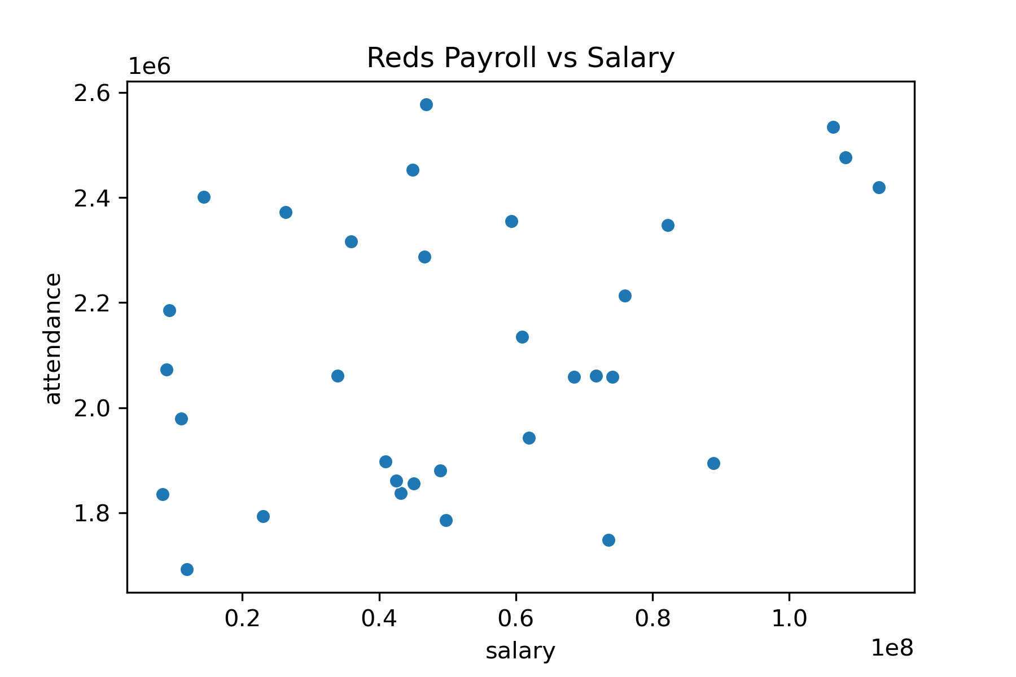
2003 | CIN | Cincinnati Reds | 2355259 | 69 | 420238 | 67844 | 59355667
2004 | CIN | Cincinnati Reds | 2287250 | 76 | 443618 | 68684 | 46615250
2005 | CIN | Cincinnati Reds | 1943067 | 73 | 499245 | 74460 | 61892583
2006 | CIN | Cincinnati Reds | 2134607 | 80 | 489230 | 70336 | 60909519
2007 | CIN | Cincinnati Reds | 2058593 | 72 | 567083 | 78802 | 68524980
2008 | CIN | Cincinnati Reds | 2058632 | 74 | 535962 | 72016 | 74117695
2009 | CIN | Cincinnati Reds | 1747919 | 78 | 459632 | 59846 | 73558500
2010 | CIN | Cincinnati Reds | 2060550 | 91 | 540761 | 68432 | 71761542
2011 | CIN | Cincinnati Reds | 2213588 | 79 | 648825 | 79860 | 75947134
2012 | CIN | Cincinnati Reds | 2347251 | 97 | 629342 | 75376 | 82203616
2013 | CIN | Cincinnati Reds | 2534369 | 90 | 583000 | 68050 | 106404462
2014 | CIN | Cincinnati Reds | 2476664 | 76 | 675654 | 77056 | 108217500
2015 | CIN | Cincinnati Reds | 2419506 | 64 | 673380 | 75114 | 113072286
2016 | CIN | Cincinnati Reds | 1894085 | 68 | 746953 | 81548 | 88940059

