Sheet1
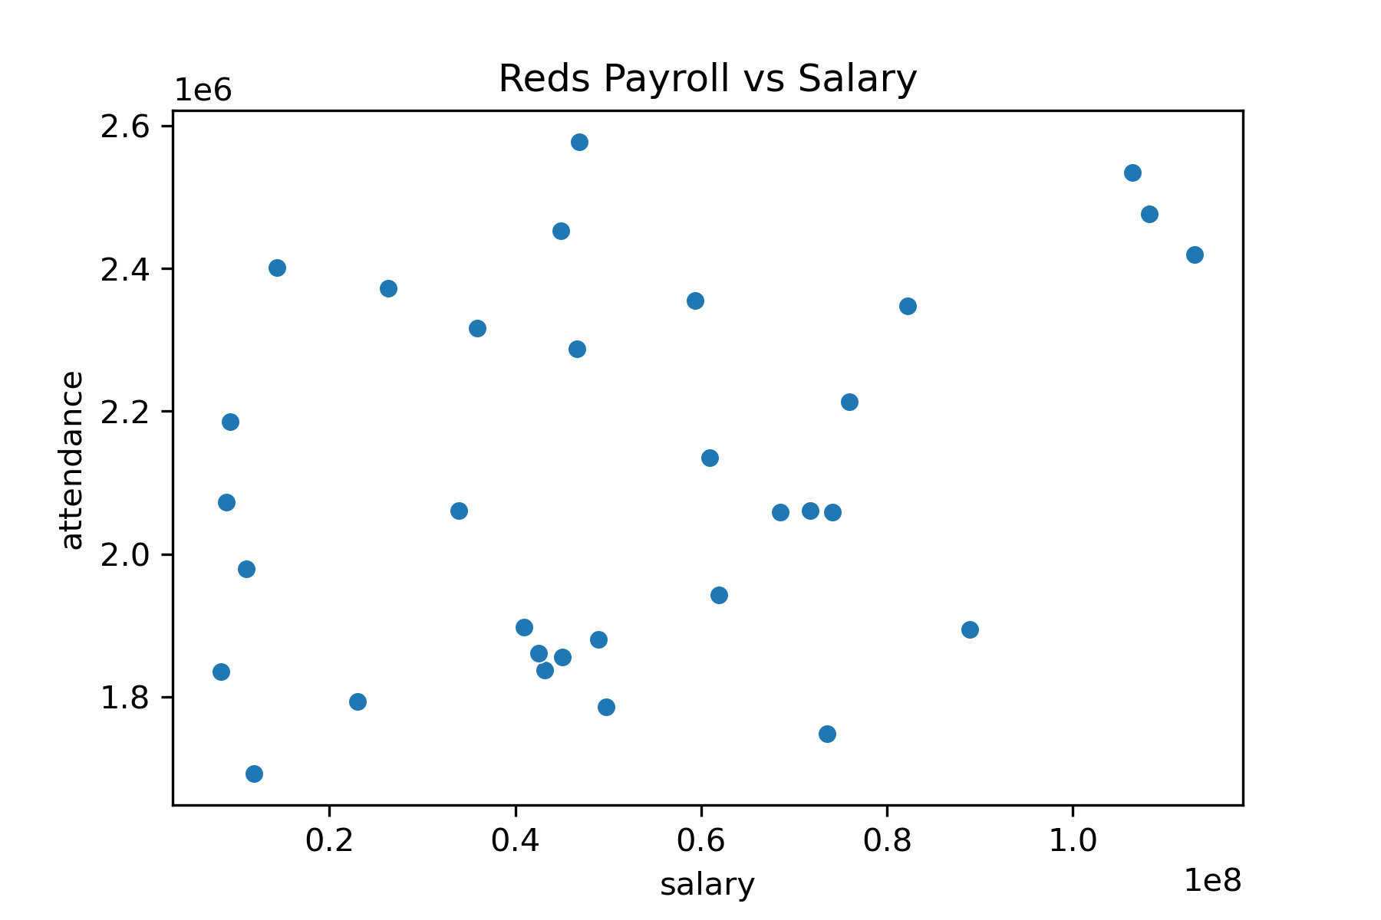
year | attendance | wins | salary
1985 | 1,834,619 | 89 | $8,359,917
1986 | 1,692,432 | 86 | $11,906,388
1987 | 2,185,205 | 84 | $9,281,500
1988 | 2,072,528 | 87 | $8,888,409
1989 | 1,979,320 | 75 | $11,072,000
1990 | 2,400,892 | 91 | $14,370,000
1991 | 2,372,377 | 74 | $26,305,333
1992 | 2,315,946 | 90 | $35,931,499
1993 | 2,453,232 | 73 | $44,879,666
1994 | 1,897,681 | 66 | $40,961,833
1995 | 1,837,649 | 85 | $43,144,670
1996 | 1,861,428 | 81 | $42,526,334
1997 | 1,785,788 | 76 | $49,768,000
1998 | 1,793,649 | 77 | $23,005,000
1999 | 2,061,222 | 96 | $33,962,761
2000 | 2,577,371 | 85 | $46,867,200
2001 | 1,879,757 | 66 | $48,986,000
2002 | 1,855,787 | 78 | $45,050,390
2003 | 2,355,259 | 69 | $59,355,667
2004 | 2,287,250 | 76 | $46,615,250
2005 | 1,943,067 | 73 | $61,892,583
2006 | 2,134,607 | 80 | $60,909,519
2007 | 2,058,593 | 72 | $68,524,980
2008 | 2,058,632 | 74 | $74,117,695
2009 | 1,747,919 | 78 | $73,558,500
2010 | 2,060,550 | 91 | $71,761,542
2011 | 2,213,588 | 79 | $75,947,134
2012 | 2,347,251 | 97 | $82,203,616
2013 | 2,534,369 | 90 | $106,404,462
2014 | 2,476,664 | 76 | $108,217,500
2015 | 2,419,506 | 64 | $113,072,286
2016 | 1,894,085 | 68 | $88,940,059

