intro
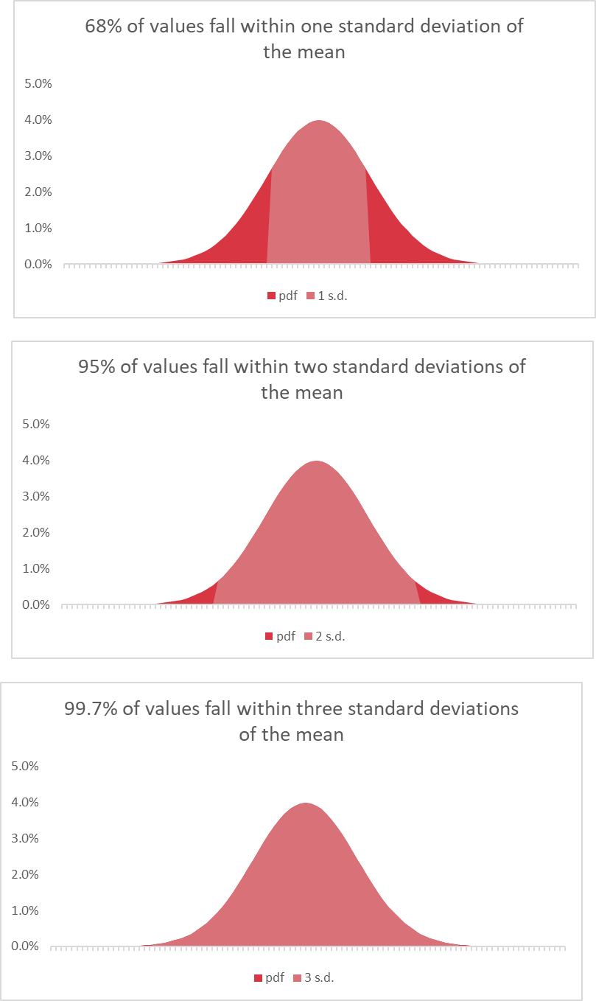
What is the empirical rule?

empirical-rule-start
Mean | 50
Std. dev | 10

 |  | 1 | 2 | 3
 | lower
 | upper
X | pdf | 1 s.d. | 2 s.d. | 3 s.d.
68% of values fall within one standard deviation of the mean
 | pdf | 1 s.d.
1
2
3
4
5
6
7
8
9
10
11
12
13
14
15
95% of values fall within two standard deviations of the mean
 | pdf | 2 s.d.
16
17
18
19
20
21
22
23
24
25
26
27
28
29
30
99.7% of values fall within three standard deviations of the mean
 | pdf | 3 s.d.
31
32
33
34
35
36
37
38
39
40
41
42
43
44
45
46
47
48
49
50
51
52
53
54
55
56
57
58
59
60
61
62
63
64
65
66
67
68
69
70
71
72
73
74
75
76
77
78
79
80
81
82
83
84
85
86
87
88
89
90
91
92
93
94
95
96
97
98
99
100

empirical-rule-finish
Mean | 50
Std. dev | 10

 |  | 1 | 2 | 3
 | lower | 40 | 30 | 20
 | upper | 60 | 70 | 80
X | pdf | 1 s.d. | 2 s.d. | 3 s.d.
1 | 2.4389607459E-07 | 0 | 0 | 0
2 | 3.961299091E-07 | 0 | 0 | 0
68% of values fall within one standard deviation of the mean
3 | 6.3698251789E-07 | 0 | 0 | 0
4 | 1.0140852065E-06 | 0 | 0 | 0
5 | 1.5983741107E-06 | 0 | 0 | 0
6 | 2.494247129E-06 | 0 | 0 | 0
7 | 3.8535196742E-06 | 0 | 0 | 0
8 | 5.8943067757E-06 | 0 | 0 | 0
9 | 8.9261657177E-06 | 0 | 0 | 0
10 | 1.3383022576E-05 | 0 | 0 | 0
11 | 1.9865547139E-05 | 0 | 0 | 0
12 | 2.9194692579E-05 | 0 | 0 | 0
13 | 4.2478027055E-05 | 0 | 0 | 0
14 | 6.1190193011E-05 | 0 | 0 | 0
15 | 8.7268269505E-05 | 0 | 0 | 0
16 | 0.00012322191685 | 0 | 0 | 0
17 | 0.00017225689391 | 0 | 0 | 0
95% of values fall within two standard deviations of the mean
18 | 0.00023840882015 | 0 | 0 | 0
19 | 0.00032668190562 | 0 | 0 | 0
20 | 0.00044318484119 | 0 | 0 | 0
21 | 0.00059525324198 | 0 | 0 | 0.00059525324198
22 | 0.0007915451583 | 0 | 0 | 0.0007915451583
23 | 0.0010420934814 | 0 | 0 | 0.0010420934814
24 | 0.0013582969234 | 0 | 0 | 0.0013582969234
25 | 0.0017528300494 | 0 | 0 | 0.0017528300494
26 | 0.0022394530295 | 0 | 0 | 0.0022394530295
27 | 0.0028327037742 | 0 | 0 | 0.0028327037742
28 | 0.0035474592846 | 0 | 0 | 0.0035474592846
29 | 0.004398359598 | 0 | 0 | 0.004398359598
30 | 0.0053990966513 | 0 | 0 | 0.0053990966513
31 | 0.0065615814775 | 0 | 0.0065615814775 | 0.0065615814775
32 | 0.0078950158301 | 0 | 0.0078950158301 | 0.0078950158301
33 | 0.0094049077377 | 0 | 0.0094049077377 | 0.0094049077377
99.7% of values fall within three standard deviations of the mean
34 | 0.011092083468 | 0 | 0.011092083468 | 0.011092083468
35 | 0.012951759567 | 0 | 0.012951759567 | 0.012951759567
36 | 0.014972746564 | 0 | 0.014972746564 | 0.014972746564
37 | 0.017136859205 | 0 | 0.017136859205 | 0.017136859205
38 | 0.019418605498 | 0 | 0.019418605498 | 0.019418605498
39 | 0.021785217703 | 0 | 0.021785217703 | 0.021785217703
40 | 0.024197072452 | 0 | 0.024197072452 | 0.024197072452
41 | 0.02660852499 | 0.02660852499 | 0.02660852499 | 0.02660852499
42 | 0.028969155276 | 0.028969155276 | 0.028969155276 | 0.028969155276
43 | 0.031225393337 | 0.031225393337 | 0.031225393337 | 0.031225393337
44 | 0.033322460289 | 0.033322460289 | 0.033322460289 | 0.033322460289
45 | 0.035206532676 | 0.035206532676 | 0.035206532676 | 0.035206532676
46 | 0.03682701403 | 0.03682701403 | 0.03682701403 | 0.03682701403
47 | 0.038138781546 | 0.038138781546 | 0.038138781546 | 0.038138781546
48 | 0.039104269398 | 0.039104269398 | 0.039104269398 | 0.039104269398
49 | 0.039695254748 | 0.039695254748 | 0.039695254748 | 0.039695254748
50 | 0.03989422804 | 0.03989422804 | 0.03989422804 | 0.03989422804
51 | 0.039695254748 | 0.039695254748 | 0.039695254748 | 0.039695254748
52 | 0.039104269398 | 0.039104269398 | 0.039104269398 | 0.039104269398
53 | 0.038138781546 | 0.038138781546 | 0.038138781546 | 0.038138781546
54 | 0.03682701403 | 0.03682701403 | 0.03682701403 | 0.03682701403
55 | 0.035206532676 | 0.035206532676 | 0.035206532676 | 0.035206532676
56 | 0.033322460289 | 0.033322460289 | 0.033322460289 | 0.033322460289
57 | 0.031225393337 | 0.031225393337 | 0.031225393337 | 0.031225393337
58 | 0.028969155276 | 0.028969155276 | 0.028969155276 | 0.028969155276
59 | 0.02660852499 | 0.02660852499 | 0.02660852499 | 0.02660852499
60 | 0.024197072452 | 0 | 0.024197072452 | 0.024197072452
61 | 0.021785217703 | 0 | 0.021785217703 | 0.021785217703
62 | 0.019418605498 | 0 | 0.019418605498 | 0.019418605498
63 | 0.017136859205 | 0 | 0.017136859205 | 0.017136859205
64 | 0.014972746564 | 0 | 0.014972746564 | 0.014972746564
65 | 0.012951759567 | 0 | 0.012951759567 | 0.012951759567
66 | 0.011092083468 | 0 | 0.011092083468 | 0.011092083468
67 | 0.0094049077377 | 0 | 0.0094049077377 | 0.0094049077377
68 | 0.0078950158301 | 0 | 0.0078950158301 | 0.0078950158301
69 | 0.0065615814775 | 0 | 0.0065615814775 | 0.0065615814775
70 | 0.0053990966513 | 0 | 0 | 0.0053990966513
71 | 0.004398359598 | 0 | 0 | 0.004398359598
72 | 0.0035474592846 | 0 | 0 | 0.0035474592846
73 | 0.0028327037742 | 0 | 0 | 0.0028327037742
74 | 0.0022394530295 | 0 | 0 | 0.0022394530295
75 | 0.0017528300494 | 0 | 0 | 0.0017528300494
76 | 0.0013582969234 | 0 | 0 | 0.0013582969234
77 | 0.0010420934814 | 0 | 0 | 0.0010420934814
78 | 0.0007915451583 | 0 | 0 | 0.0007915451583
79 | 0.00059525324198 | 0 | 0 | 0.00059525324198
80 | 0.00044318484119 | 0 | 0 | 0
81 | 0.00032668190562 | 0 | 0 | 0
82 | 0.00023840882015 | 0 | 0 | 0
83 | 0.00017225689391 | 0 | 0 | 0
84 | 0.00012322191685 | 0 | 0 | 0
85 | 8.7268269505E-05 | 0 | 0 | 0
86 | 6.1190193011E-05 | 0 | 0 | 0
87 | 4.2478027055E-05 | 0 | 0 | 0
88 | 2.9194692579E-05 | 0 | 0 | 0
89 | 1.9865547139E-05 | 0 | 0 | 0
90 | 1.3383022576E-05 | 0 | 0 | 0
91 | 8.9261657177E-06 | 0 | 0 | 0
92 | 5.8943067757E-06 | 0 | 0 | 0
93 | 3.8535196742E-06 | 0 | 0 | 0
94 | 2.494247129E-06 | 0 | 0 | 0
95 | 1.5983741107E-06 | 0 | 0 | 0
96 | 1.0140852065E-06 | 0 | 0 | 0
97 | 6.3698251789E-07 | 0 | 0 | 0
98 | 3.961299091E-07 | 0 | 0 | 0
99 | 2.4389607459E-07 | 0 | 0 | 0
100 | 1.4867195147E-07 | 0 | 0 | 0

