Sheet1
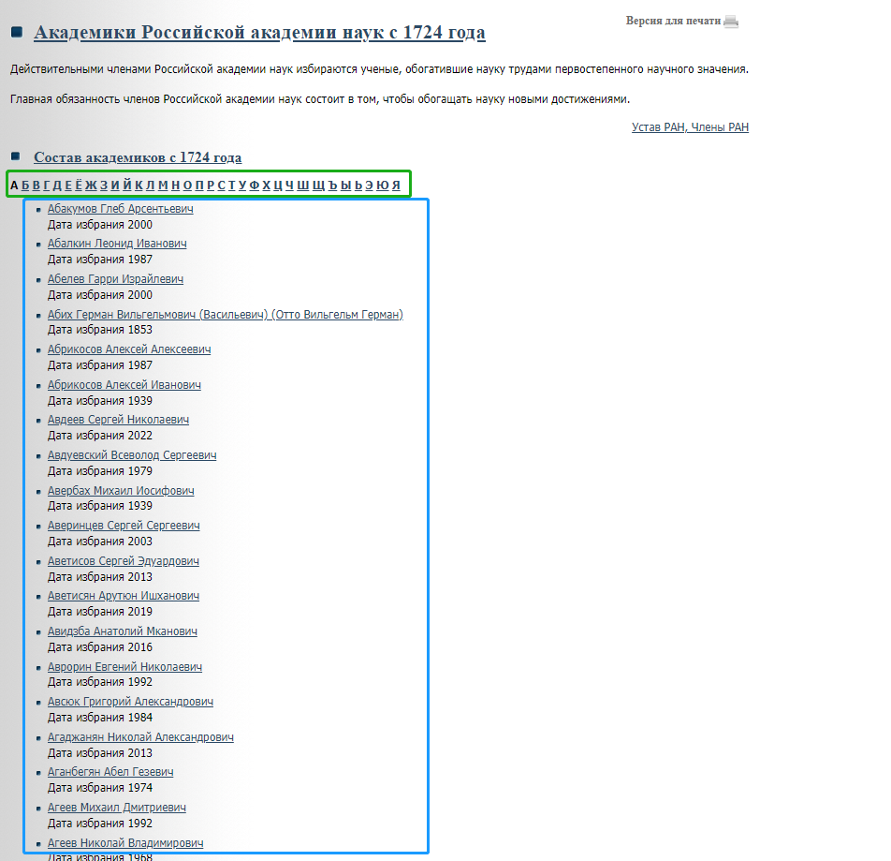
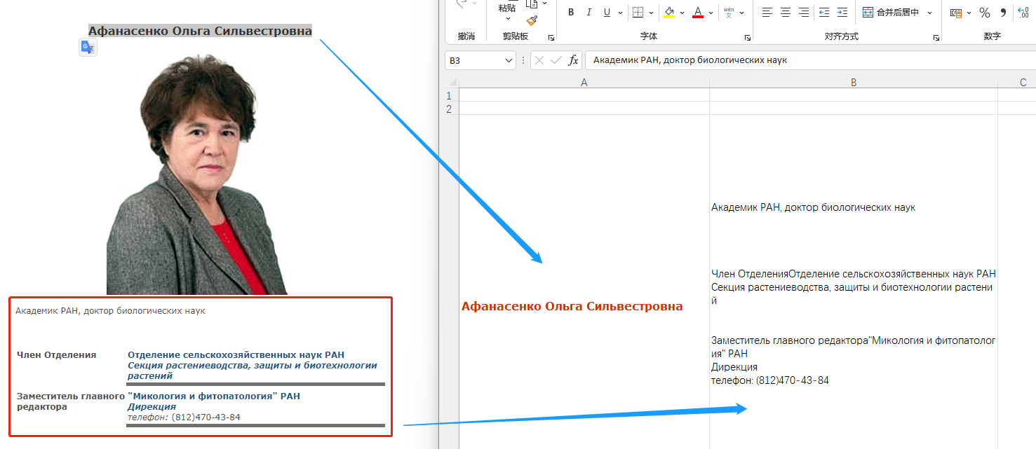
http://www.ras.ru/members/personalstaff1724/fullmembers.aspx

