Sheet1
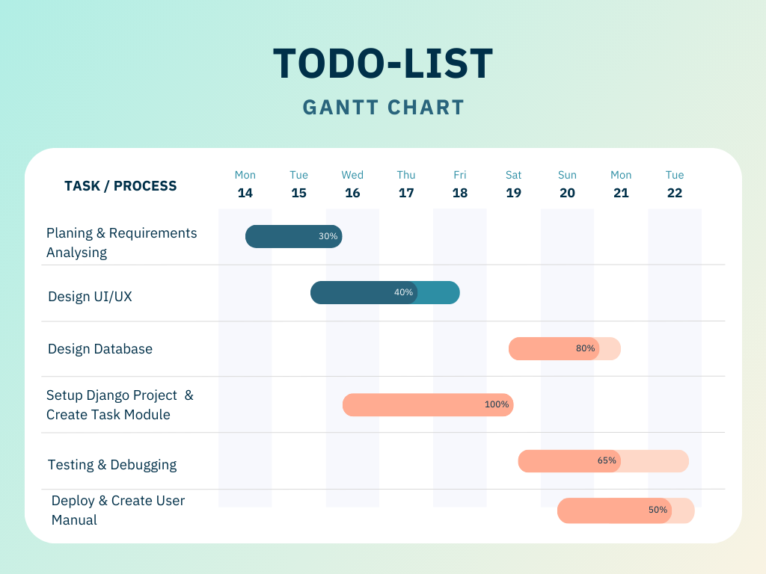
Task / Process | 14 Mon | 15 Tue | 16 Wed | 17 Thu | 18 Fri | 19 Sat | 20 Sun | 21 Mon | 22 Tue | Progress
Planning & Requirements Analysis | ✓ | ✓ | ✓ |  |  |  |  |  |  | 30%
Setup Django Project & Create Task Module |  | ✓ | ✓ | ✓ | ✓ |  |  |  |  | 40%
Design UI/UX |  |  | ✓ | ✓ | ✓ |  |  |  |  | 65%
Testing & Debugging |  |  |  |  |  | ✓ | ✓ | ✓ |  | 100%
Design Database | ✓ | ✓ |  |  |  |  |  |  |  | 80%
Deploy & Create User Manual |  |  |  |  |  |  | ✓ | ✓ | ✓ | 50%

Field | Details
Project Title | TODO List Management System
Assigned To | Sumon Ghosh
Client | Spatial Graphics
Project Start | April 5, 2025 (Official)
Actual Start | 16-Apr-25
Completion Date | 23-Apr-25
Project Duration | 8 Days (Actual Work)
Status | ✅ Completed

