PROJECT DESCRIPTION
GENERAL PROJECT DESCRIPTION
The photovoltaic solar plant will have a nominal power rating of 250 MW.

The plant is located in a town in the Region of Murcia, containing between 10,000 and 100,000 inhabitants.

Generated electric power will be transferred to the transportation network, owned by the electric company REE, S.A., through the 400 kV grid of an existing substation. | 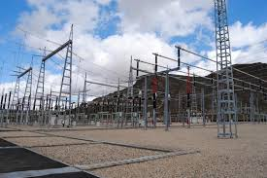

Current land use: agricultural, primarily vineyards. | 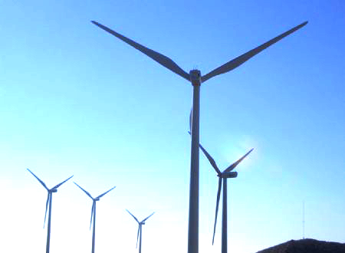

Terrain: uneven with gentle slopes, with nearby scrubland areas marked by runoff.

Environmental protection: unknown.

Existence of other facilities in the area: several wind farms that evacuate at the same REE substation.

Current status of the project: in the administrative processing phase.

The total area used for implementation and construction of the photovoltaic solar plant is six million nine hundred and twenty one thousand nine hundred and twenty-two (6.921.922) square meters.

The photovoltaic generator will consist of 180 groupings of 1.59 MW each, consisting of polycrystalline modules of renowned brands.

For the installation of photovoltaic panels a monopole structure was selected, with the panels being placed at an incline of 24 degrees with respect to the horizontal plane, which is the optimal angle whan taking into account the shade and the weather conditions of the area.

The photovoltaic plant will have a system for monitoring operations from a distance, which will receive all data from electric distributors installed in the plant. | 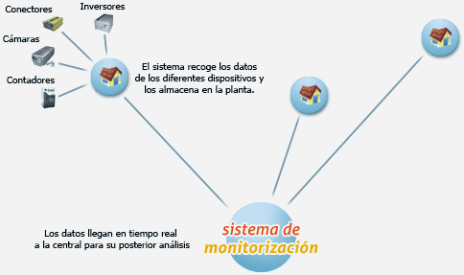

A security system will be installed to protect the PV system from any intrusion. This safety system is based on a closed-circuit TV camera to be placed along the perimeter of the photovoltaic installation. All installed cameras have a real-time relay that will detect any kind of alarm, whilst at the same time discarding any false alarms. | 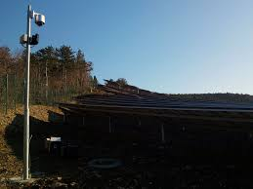

The Civil works for photovoltaic installation were aimed at levelling the terrain, and its subsequent compaction. | 

In order to participate in the daily energy market there is a method for predicting the generation of electric energy on an hour-to-hour basis, for the period that includes the following 39 hours, using numerical weather prediction tools with an error below 15% of the installed power, for periods of prediction that cover the 24 hours of the following day. | 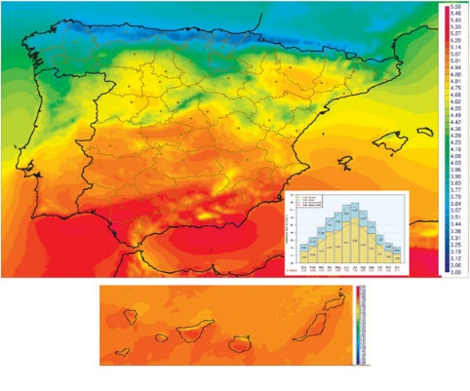 

Since power cannot be stored, increasing the sustainability of the plant raises the possibility of installing a large-scale energy storage battery with a capacity of up to 20% of the daily power generated by the plant. | 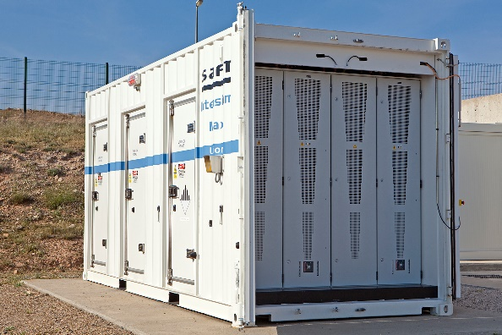 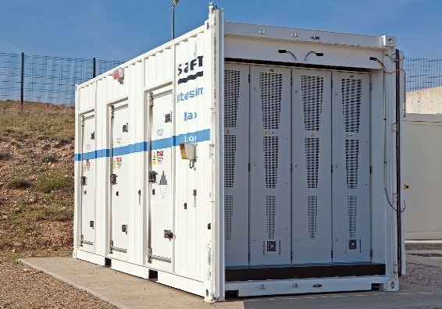

According to the access conditions granted by the REE S.A., the access to the transport network is set to a future position of up to 450 MW, 400 kV substation belonging to nearest REE. In this way the layout of the high-voltage line from the PV system, up to the REE substation will be a 132 kV double circuit. To proceed to the new position of up to 450 MW — which will be scheduled by the Ministry of Industry of the Murcia region — an adjacent substation will be developed according to indications of the REE, S.A.

The double-circuit line to the REE substation will run through the entire route, whilst respecting the affected areas.

The measurements of energy in the photovoltaic installation will be carried out at 30 kV, directly in the internal network high voltage network. This internal network is composed of 180 substations of 1,59 MVA. The CC energy produced will be transformed to AC and raised to high voltage. The transformation of the current will take place in 180 substations of 0.4 / 30 kV. The voltage will then be rasied from 30 kV to 132 kV and will be transported by a 12 km airline to the REE substation. | 