Maps_Figures
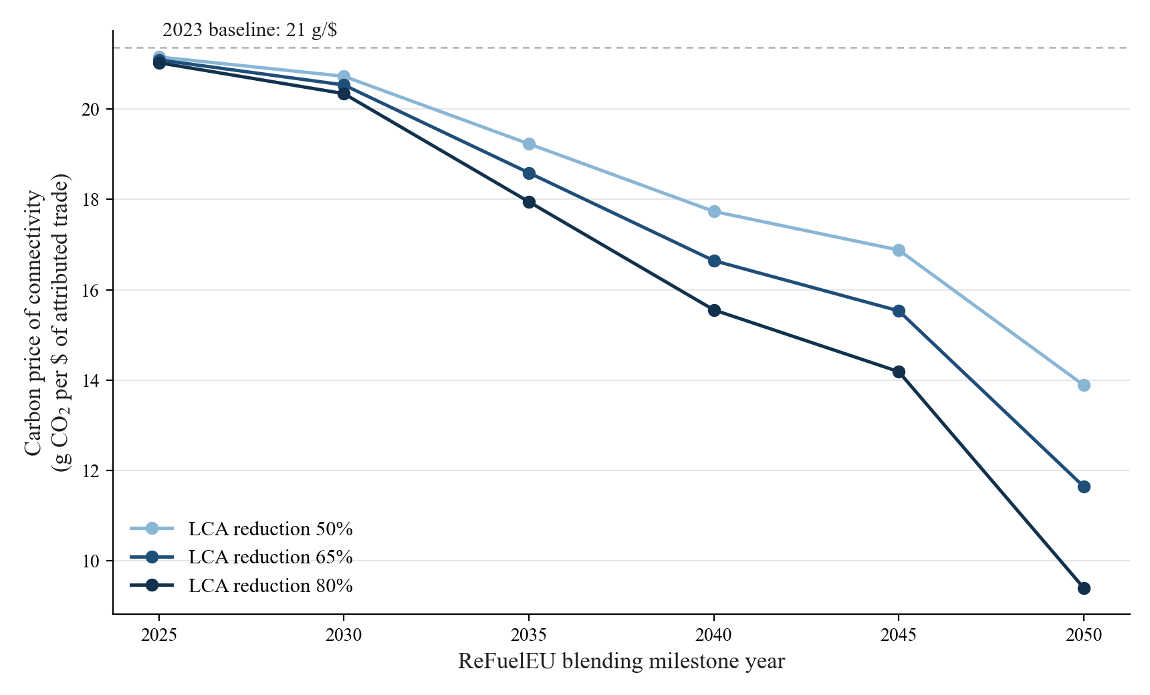
Maps and figures (from GACI_CO2 folder; first two are in the v5 draft as Figures 4-5)

Fig. Attributed emissions map: CO2 attributed to post-1996 connectivity growth, 2023 (Mt; white = 0). In v5 draft (Fig 4).
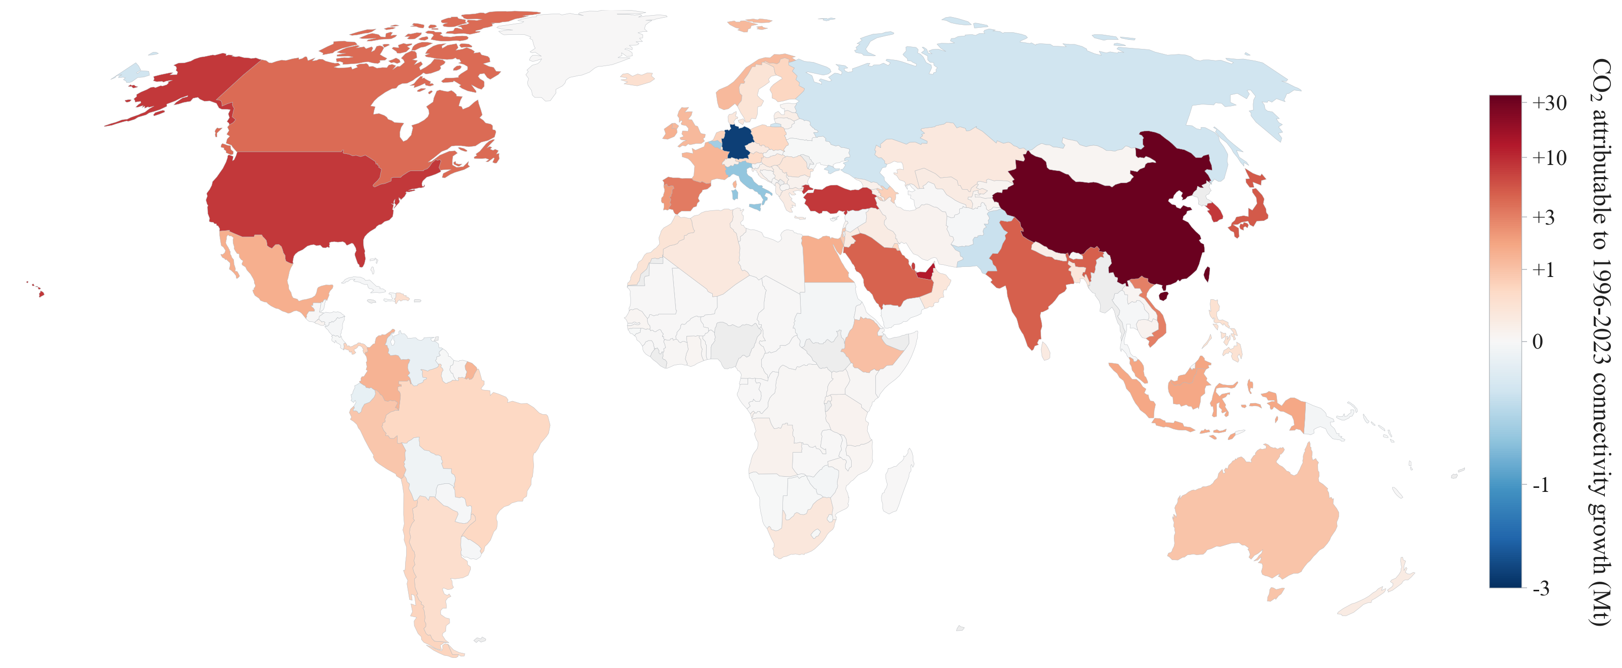

Fig. Connectivity growth map: change in ln GACI (CWM), 1996-2023, signed. In v5 draft (Fig 5).
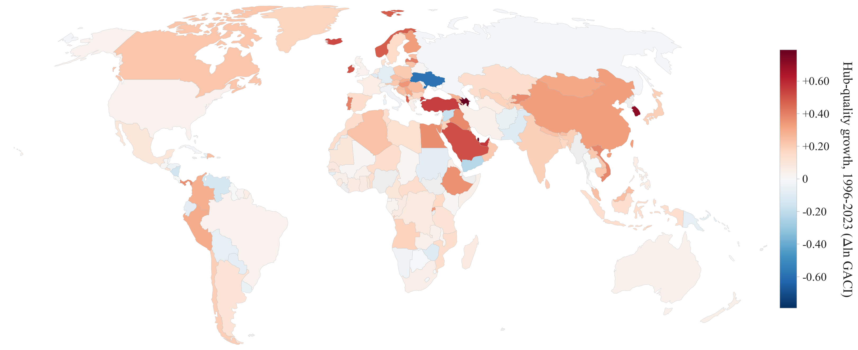

Fig. Aviation CO2 levels, 2023 (bunker convention).
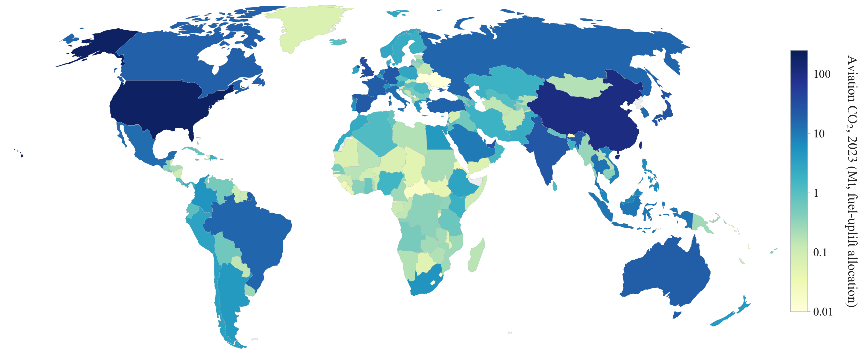

Fig. Attribution mismatch: bunker-attributed share minus physical LTO share, 2023 (pp). Positive = intl mega-hubs (USA/ARE), negative = domestic networks (CHN).
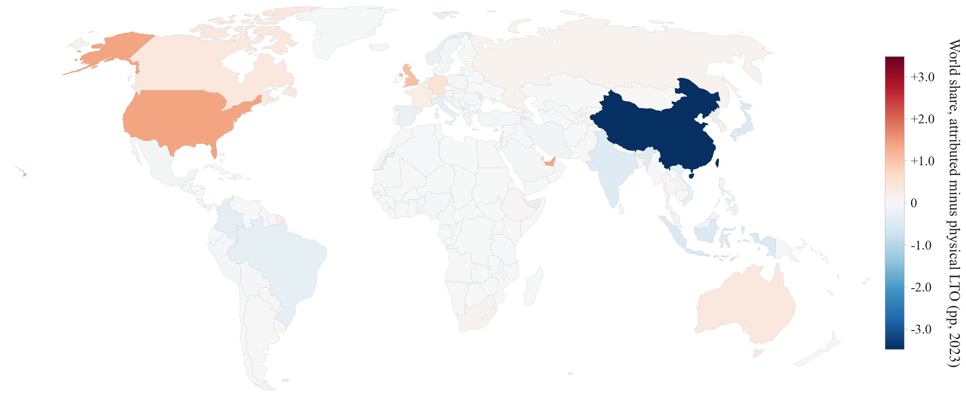

Fig. Carbon intensity of connectivity gains, g CO2 per USD of trade gain (heritage-IV pipeline; appendix candidate, not in v5 draft).
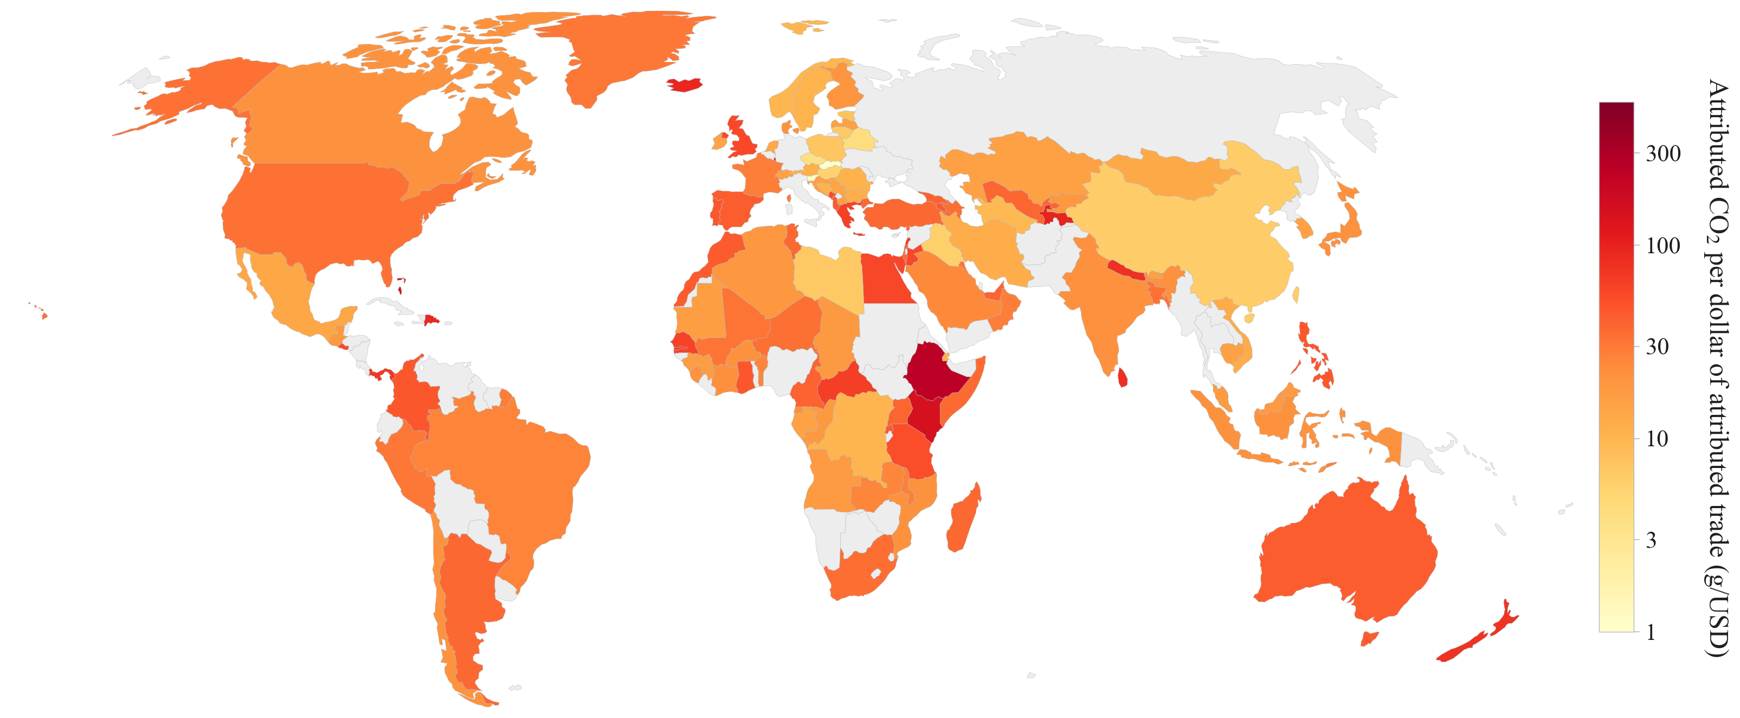

Fig. Airport efficiency curve: median kg CO2 per 1000 seat-km by GACI ventile, 2023 (284 -> 77 kg), with intl share on second axis.
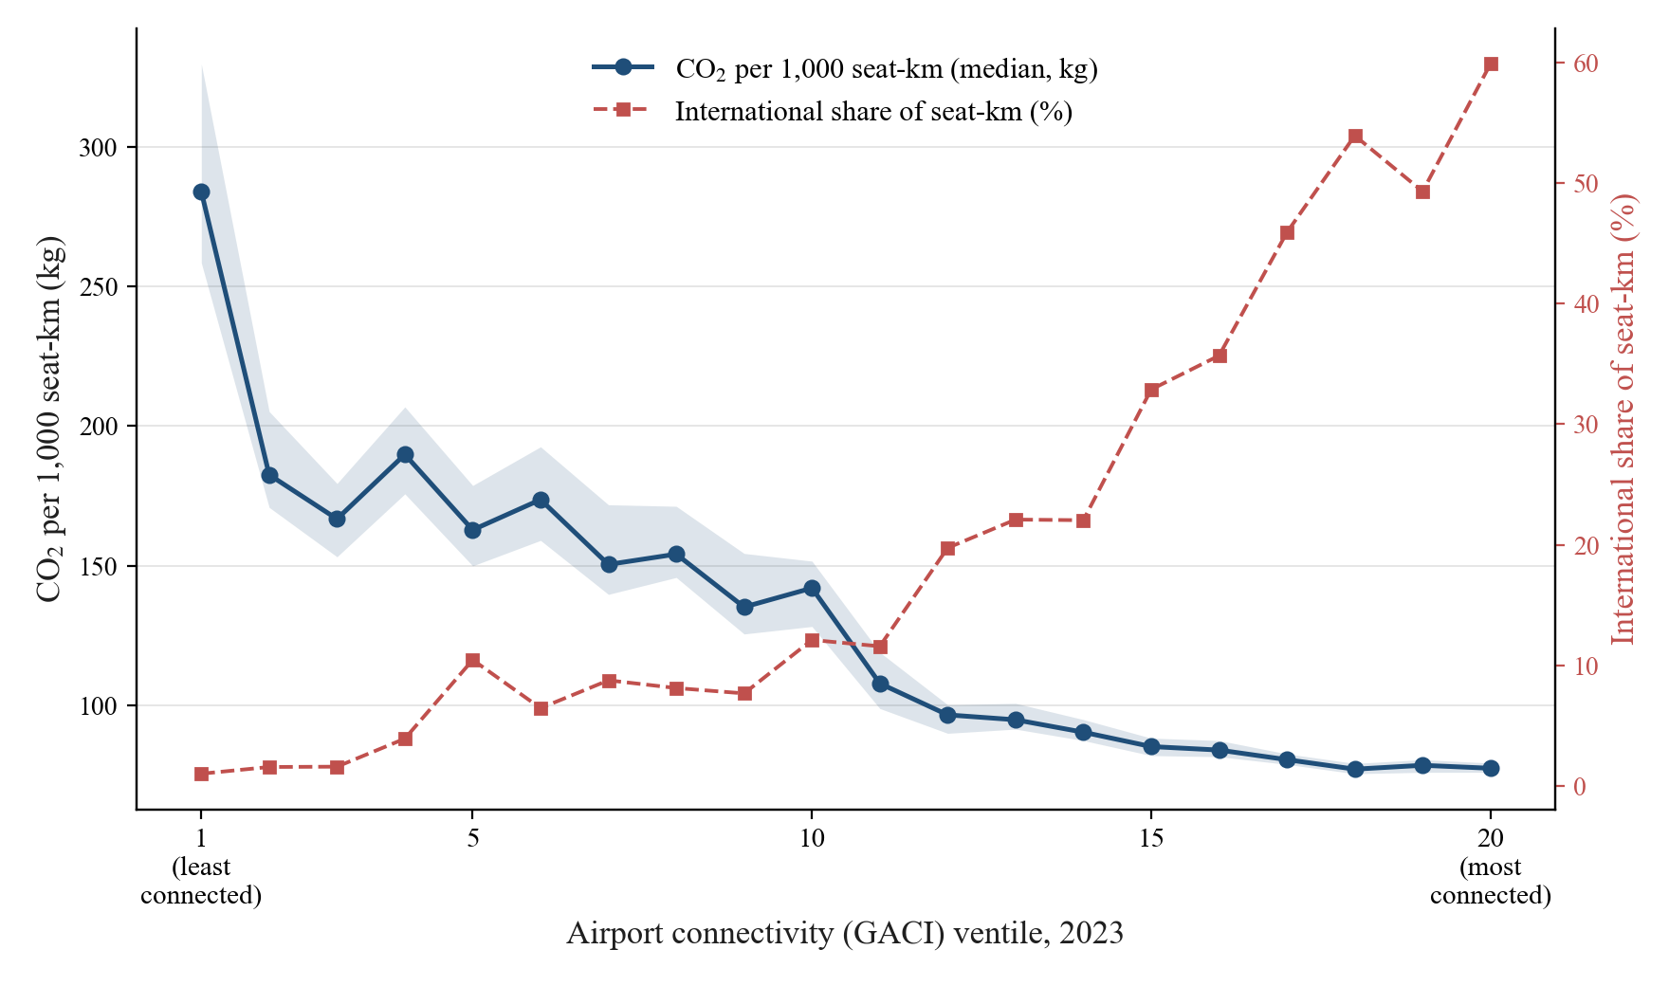

Fig. Reduced-form quintile slopes (tourism-IV shifter): effects concentrated in low-income, low-connectivity quintiles.

Fig. SAF blending scenarios: world aviation CO2 under ReFuelEU paths (838 Mt in 2023 -> 457-545 Mt in 2050).

