M5_Heterogeneity
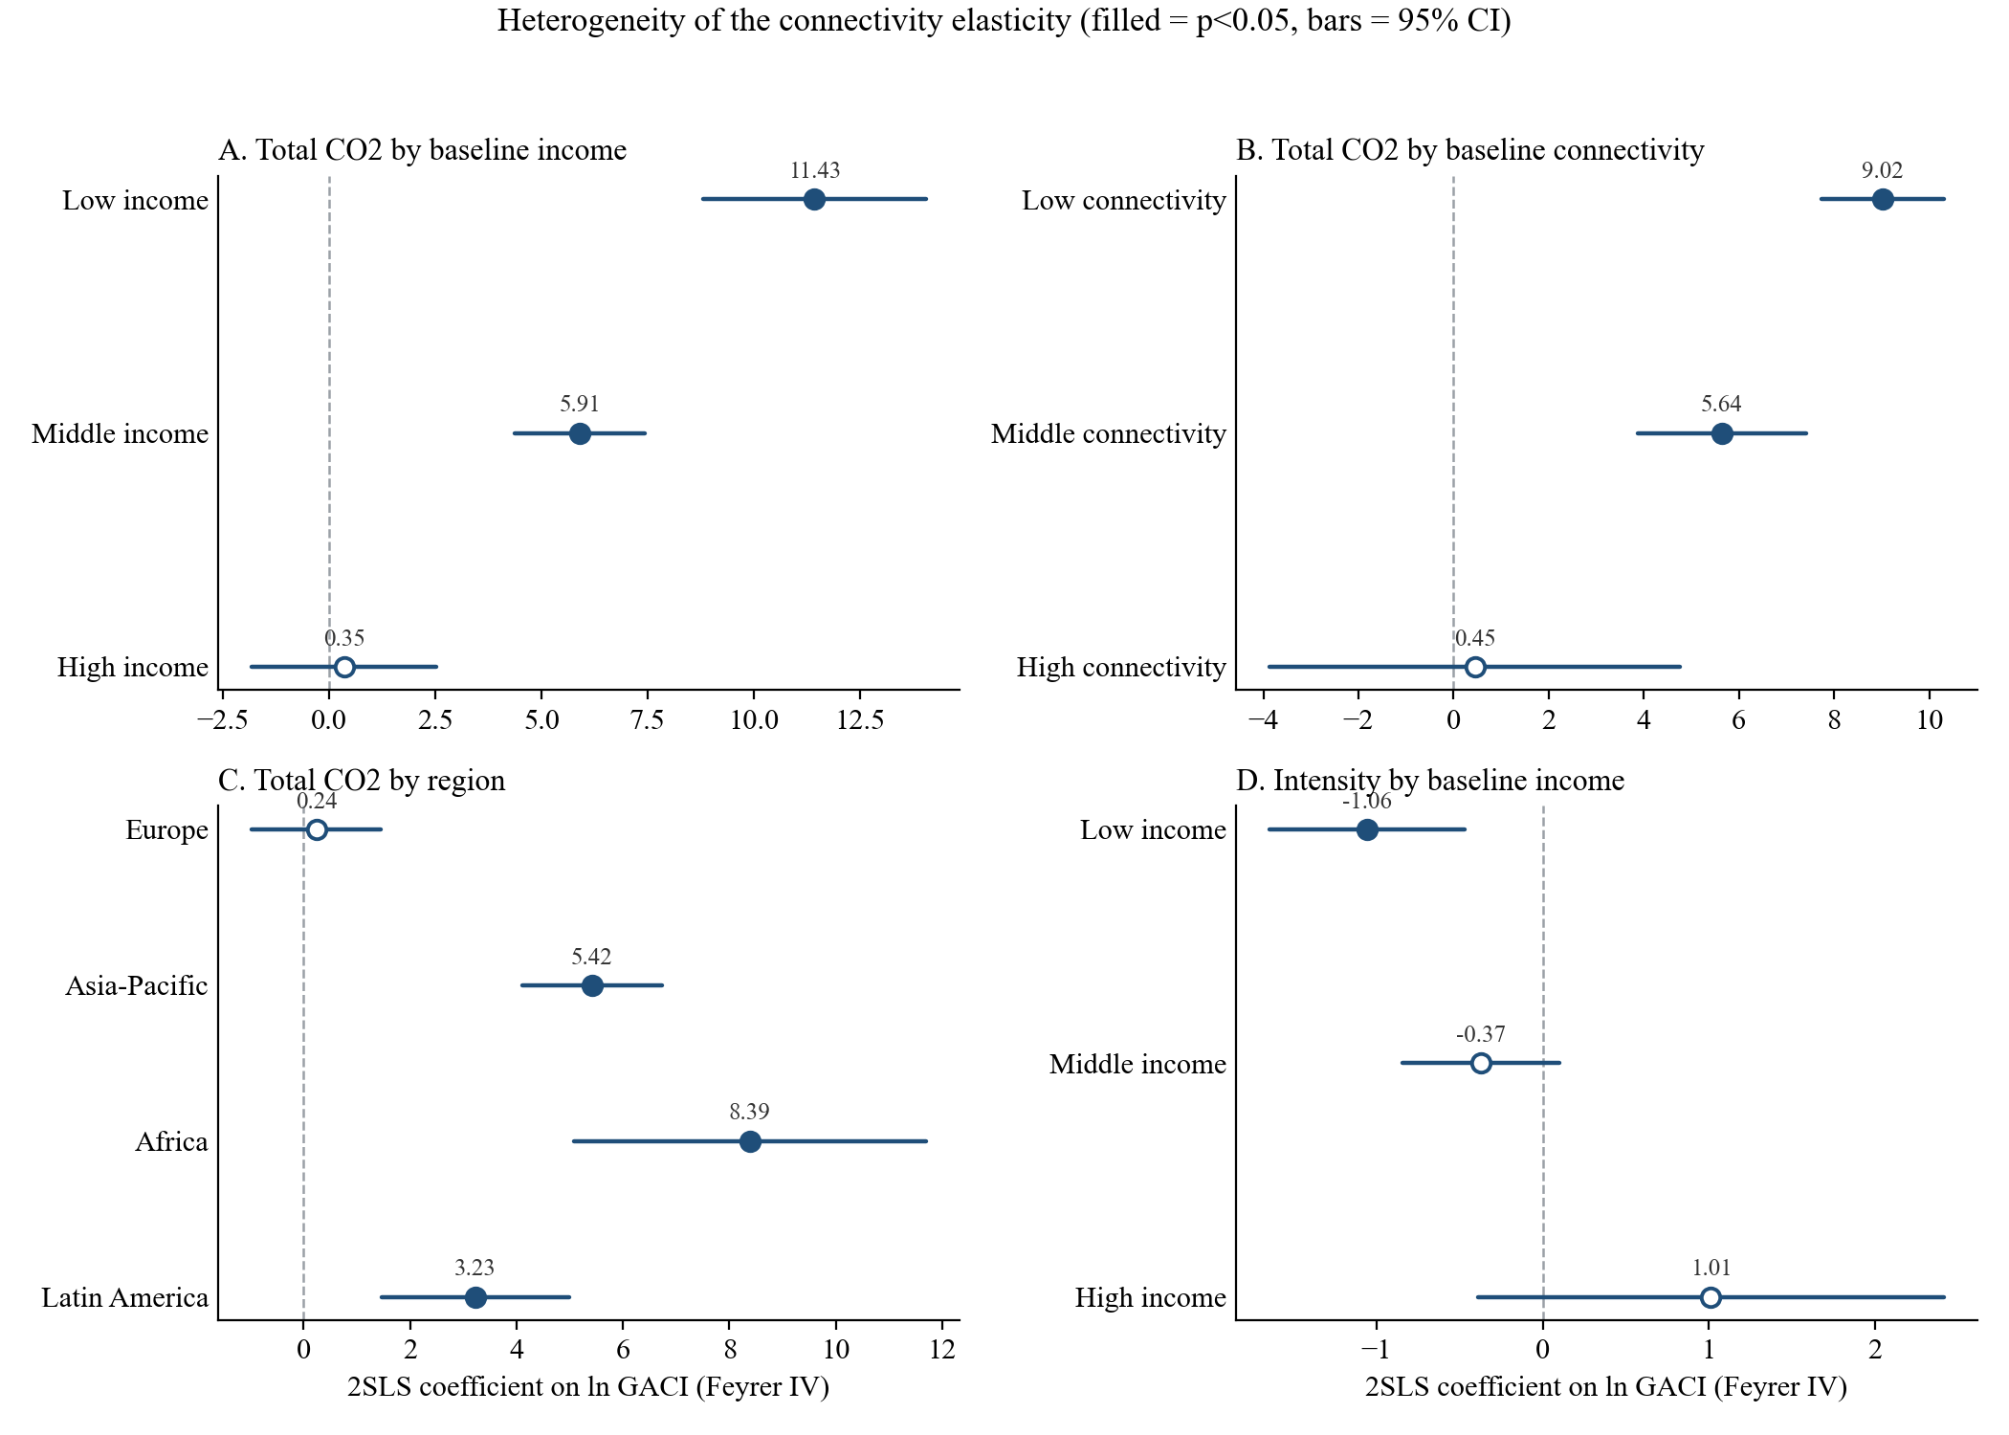
panel | panel_label | grp | b | se | p | KPF | N | Nc
A_income | A. Baseline income terciles | inc_low | 11.4314 | 1.3381 | 0 | 35.1977 | 1595 | 62
A_income | A. Baseline income terciles | inc_mid | 5.9062 | 0.7821 | 0 | 48.1923 | 1547 | 61
A_income | A. Baseline income terciles | inc_high | 0.35 | 1.1063 | 0.75174 | 10.1426 | 1491 | 59
A_income | A. Baseline income terciles | interact_hi | -3.083 | 0.2348 | 0 | 69.1126 | 4633
B_conn | B. Baseline connectivity terciles | con_low | 9.0181 | 0.6558 | 0 | 117.4457 | 1452 | 61
B_conn | B. Baseline connectivity terciles | con_mid | 5.6418 | 0.9078 | 0 | 29.8791 | 1526 | 60
B_conn | B. Baseline connectivity terciles | con_high | 0.4522 | 2.2012 | 0.83723 | 1.8351 | 1655 | 61
B_conn | B. Baseline connectivity terciles | interact_hi | -2.4841 | 0.2557 | 0 | 71.0115 | 4633
C_region | C. Macro region | Europe | 0.236 | 0.6163 | 0.7018 | 55.5036 | 1189 | 44
C_region | C. Macro region | AsiaPacific | 5.4237 | 0.6667 | 0 | 64.3938 | 1110 | 45
C_region | C. Macro region | Africa | 8.3855 | 1.6876 | 0 | 20.2262 | 1230 | 49
C_region | C. Macro region | LatAm | 3.2293 | 0.9 | 0.00033 | 14.1134 | 683 | 28
C_region | C. Macro region | MiddleEast | 227.5176 | 4998.5259 | 0.9637 | 0.0019 | 344 | 13
C_region | C. Macro region | NorthAm | -1.3126 | 2.7056 | 0.62756 | 1.3316 | 77 | 3
D_intens | D. Intensity outcome by income | inc_low | -1.0566 | 0.2994 | 0.00042 | 35.5307 | 1596 | 62
D_intens | D. Intensity outcome by income | inc_mid | -0.3718 | 0.2415 | 0.12364 | 48.1923 | 1547 | 61
D_intens | D. Intensity outcome by income | inc_high | 1.0121 | 0.7151 | 0.15698 | 10.1426 | 1491 | 59

Low income +11.4*** / middle +5.9*** / high ns: the emissions elasticity is concentrated in less-developed,
less-connected countries (Africa +8.4***, Asia-Pacific +5.4***, Europe ns). The Middle East and North America
cells are unidentified (KP F < 2, weak instrument) and are excluded from the plot below.
co2_feyrer_hetero.do (draft v5 Table 7)

Coefficient plot (filled = p<0.05; ME and North America omitted as unidentified):

M6_Temporal
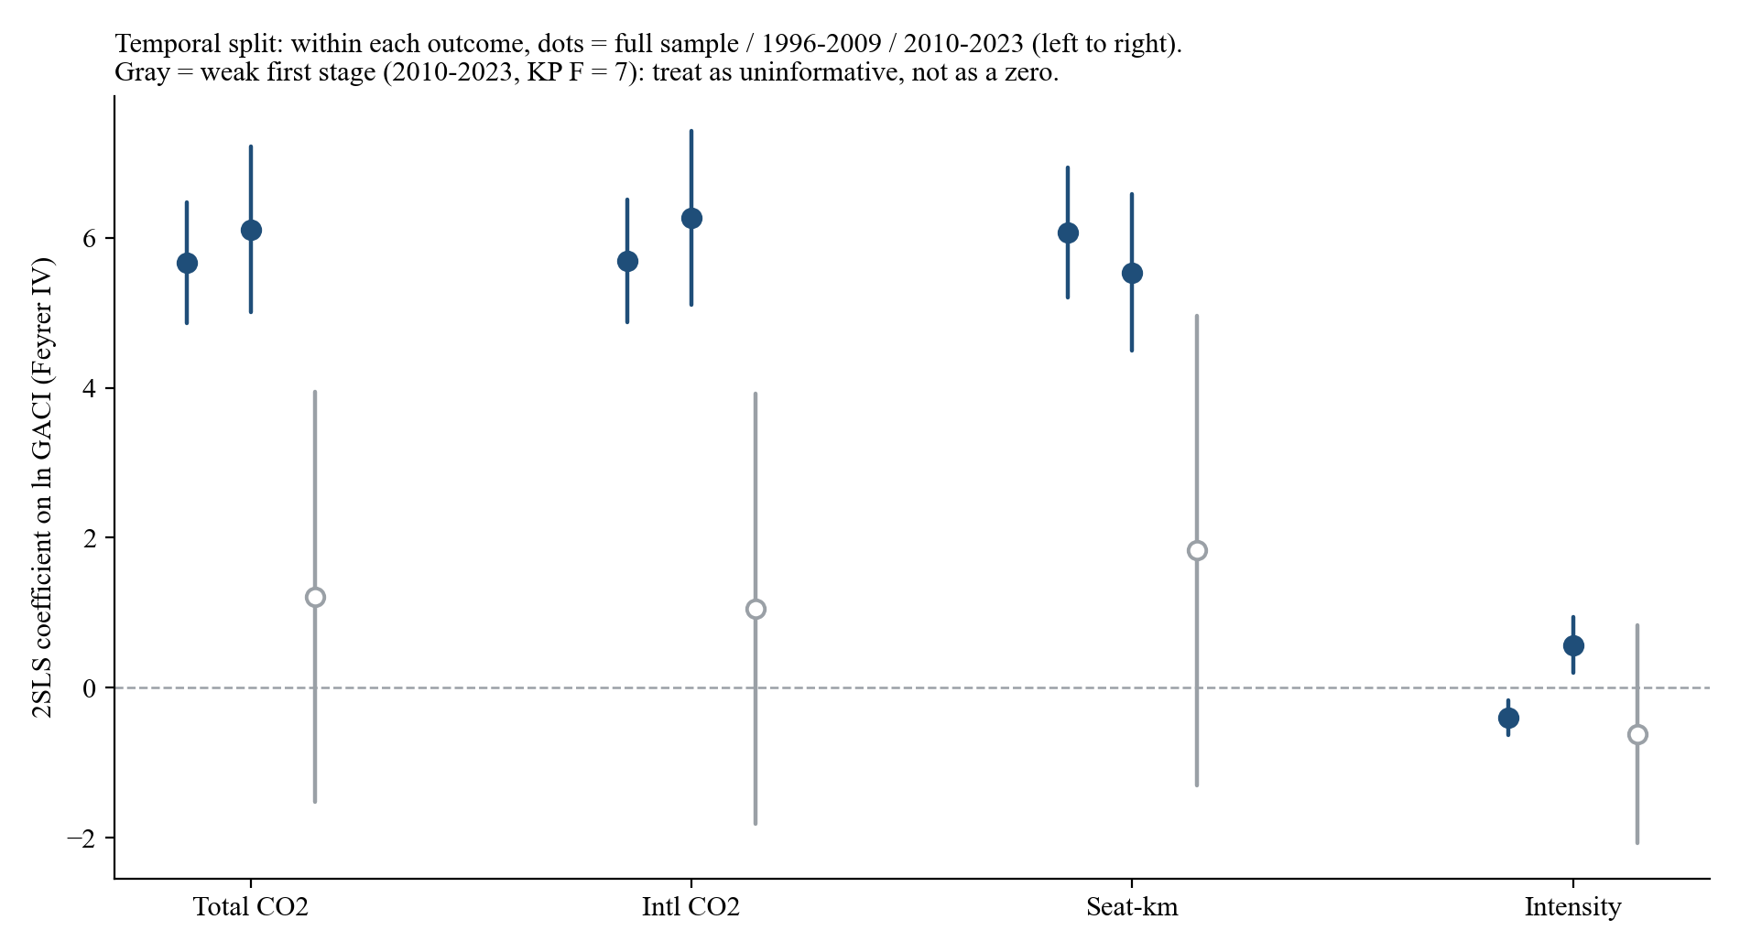
Period / statistic | Total CO2 (ln) | Intl CO2 (ln) | Seat-km (ln) | Intensity (ln)
Panel A. Full sample 1996-2023
ln GACI (CWM) coef. | 5.6689*** | 5.6902*** | 6.0682*** | -0.3993***
(robust s.e.) | (0.4118) | (0.4153) | (0.4432) | (0.1176)
KP first-stage F | 153.6 | 152.7 | 153.6 | 153.6
N | 4634 | 4633 | 4634 | 4634

Panel B. 1996-2009
ln GACI (CWM) coef. | 6.1088*** | 6.2619*** | 5.5373*** | 0.5715***
(robust s.e.) | (0.5648) | (0.5900) | (0.5343) | (0.1924)
KP first-stage F | 127.7 | 126.9 | 127.7 | 127.7
N | 2218 | 2217 | 2218 | 2218

Panel C. 2010-2023 (weak first stage: KP F = 7 - uninformative, not zero)
ln GACI (CWM) coef. | 1.2129 | 1.0510 | 1.8294 | -0.6165
(robust s.e.) | (1.3941) | (1.4635) | (1.5975) | (0.7395)
KP first-stage F | 7.0 | 7.0 | 7.0 | 7.0
N | 2415 | 2415 | 2415 | 2415

Temporal heterogeneity (co2_extensions.do). The Feyrer instrument identifies from the pre-2010 era of network
expansion (KP F = 128): scale elasticities are stable there (+6.1 total). After 2010 the instrument has little
remaining variation (KP F = 7), so the small 2010-2023 point estimates are UNINFORMATIVE rather than evidence of
a vanished effect. Note the intensity split is unstable across eras (pre-2010 +0.57, post-2010 imprecise): the
full-sample efficiency gain (-0.40) should not be read as an era-specific finding.

Maps_Figures
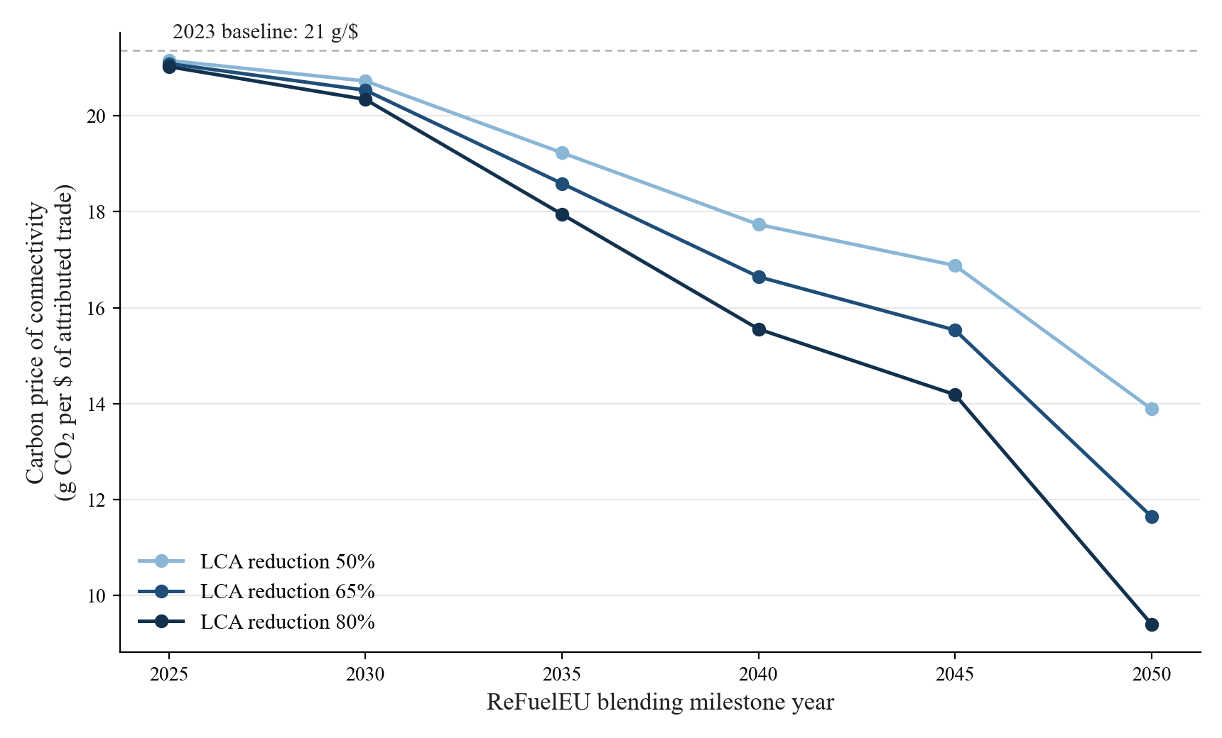
Maps and figures (from the GACI_CO2 folder; the first two are Figures 4-5 of the draft)

Fig. Attributed emissions map: CO2 attributed to post-1996 connectivity growth, 2023 (Mt; white = 0). In v5 draft (Fig 4).
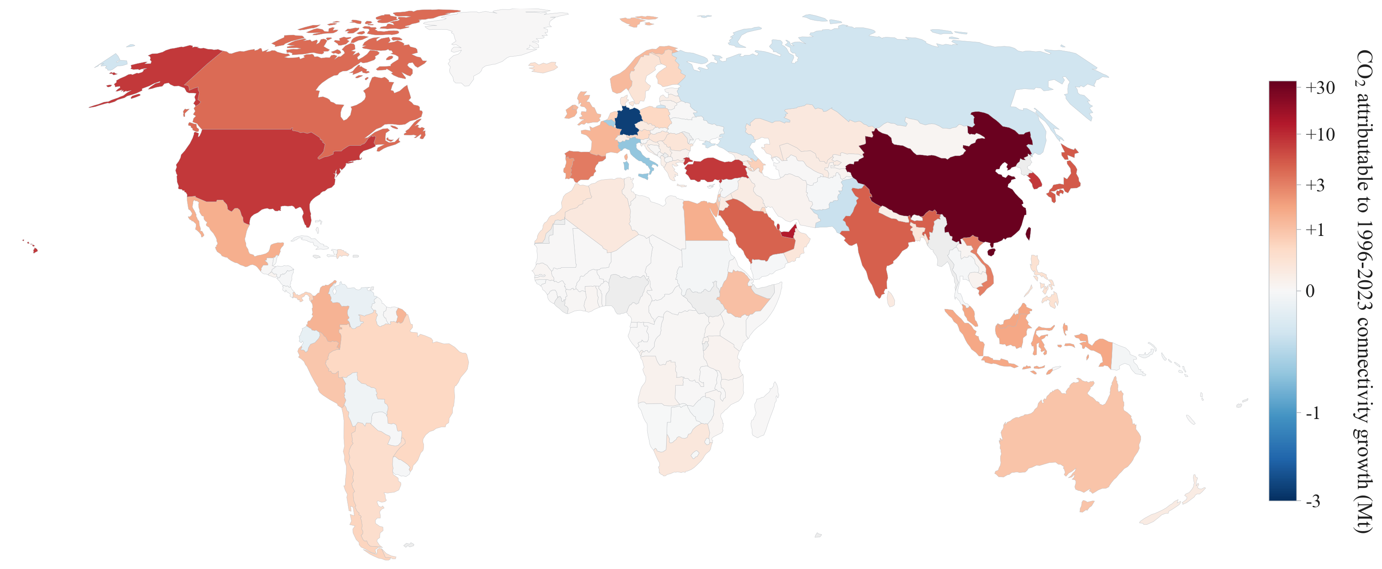

Fig. Connectivity growth map: change in ln GACI (CWM), 1996-2023, signed. In v5 draft (Fig 5).
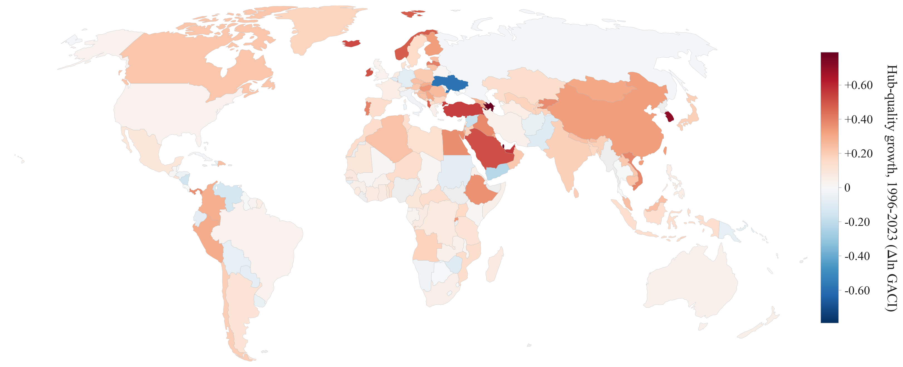

Fig. Aviation CO2 levels, 2023 (bunker convention).
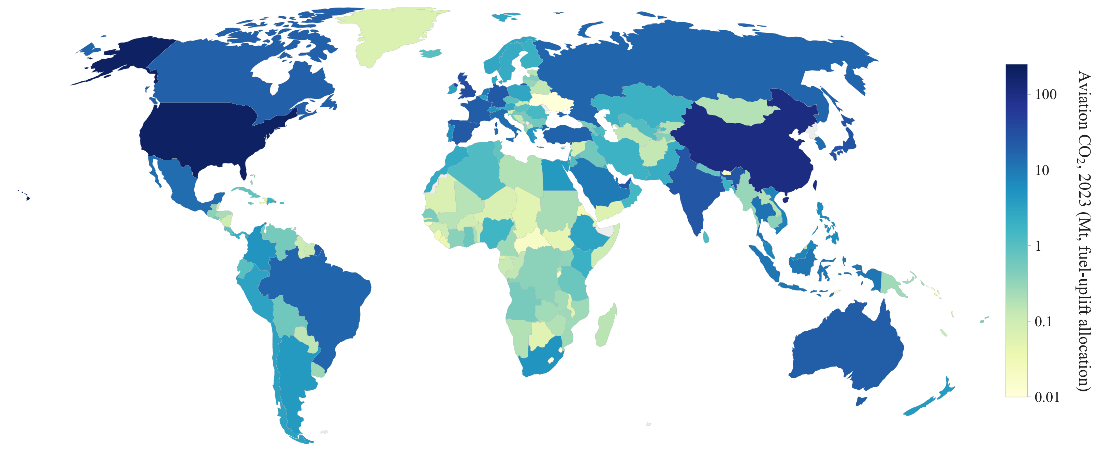

Fig. Attribution mismatch: bunker-attributed share minus physical LTO share, 2023 (pp). Positive = intl mega-hubs (USA/ARE), negative = domestic networks (CHN).
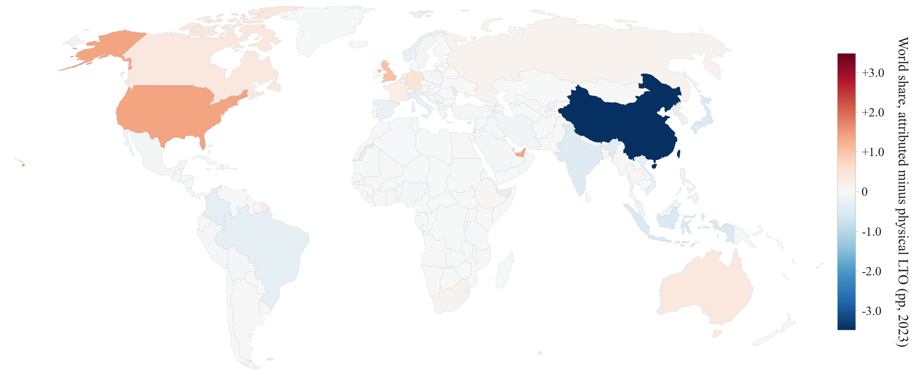

Fig. Carbon intensity of connectivity gains, g CO2 per USD of trade gain (heritage-IV pipeline; appendix candidate, not in v5 draft).
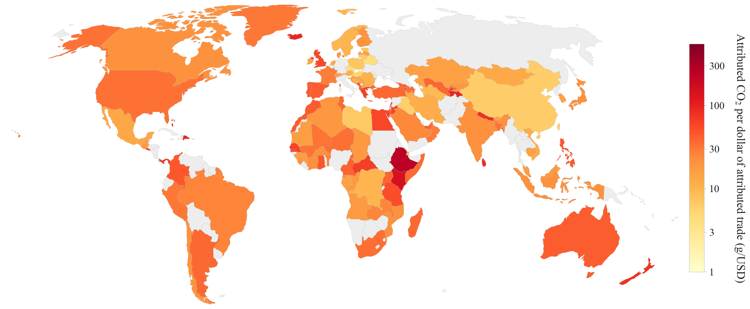

Fig. Airport efficiency curve: median kg CO2 per 1000 seat-km by GACI ventile, 2023 (284 -> 77 kg), with intl share on second axis.
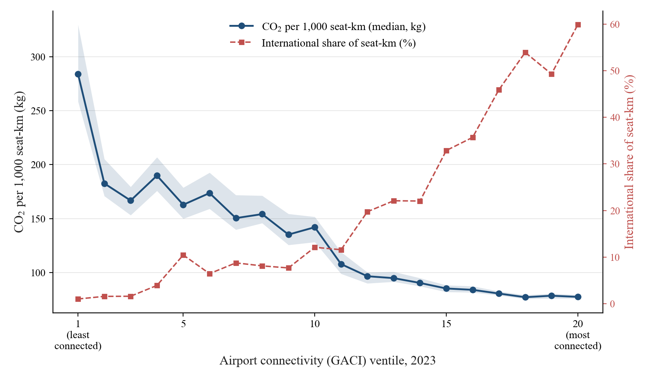

Fig. Reduced-form quintile slopes (tourism-IV shifter): effects concentrated in low-income, low-connectivity quintiles.

Fig. SAF blending scenarios: world aviation CO2 under ReFuelEU paths (838 Mt in 2023 -> 457-545 Mt in 2050).

