Figures
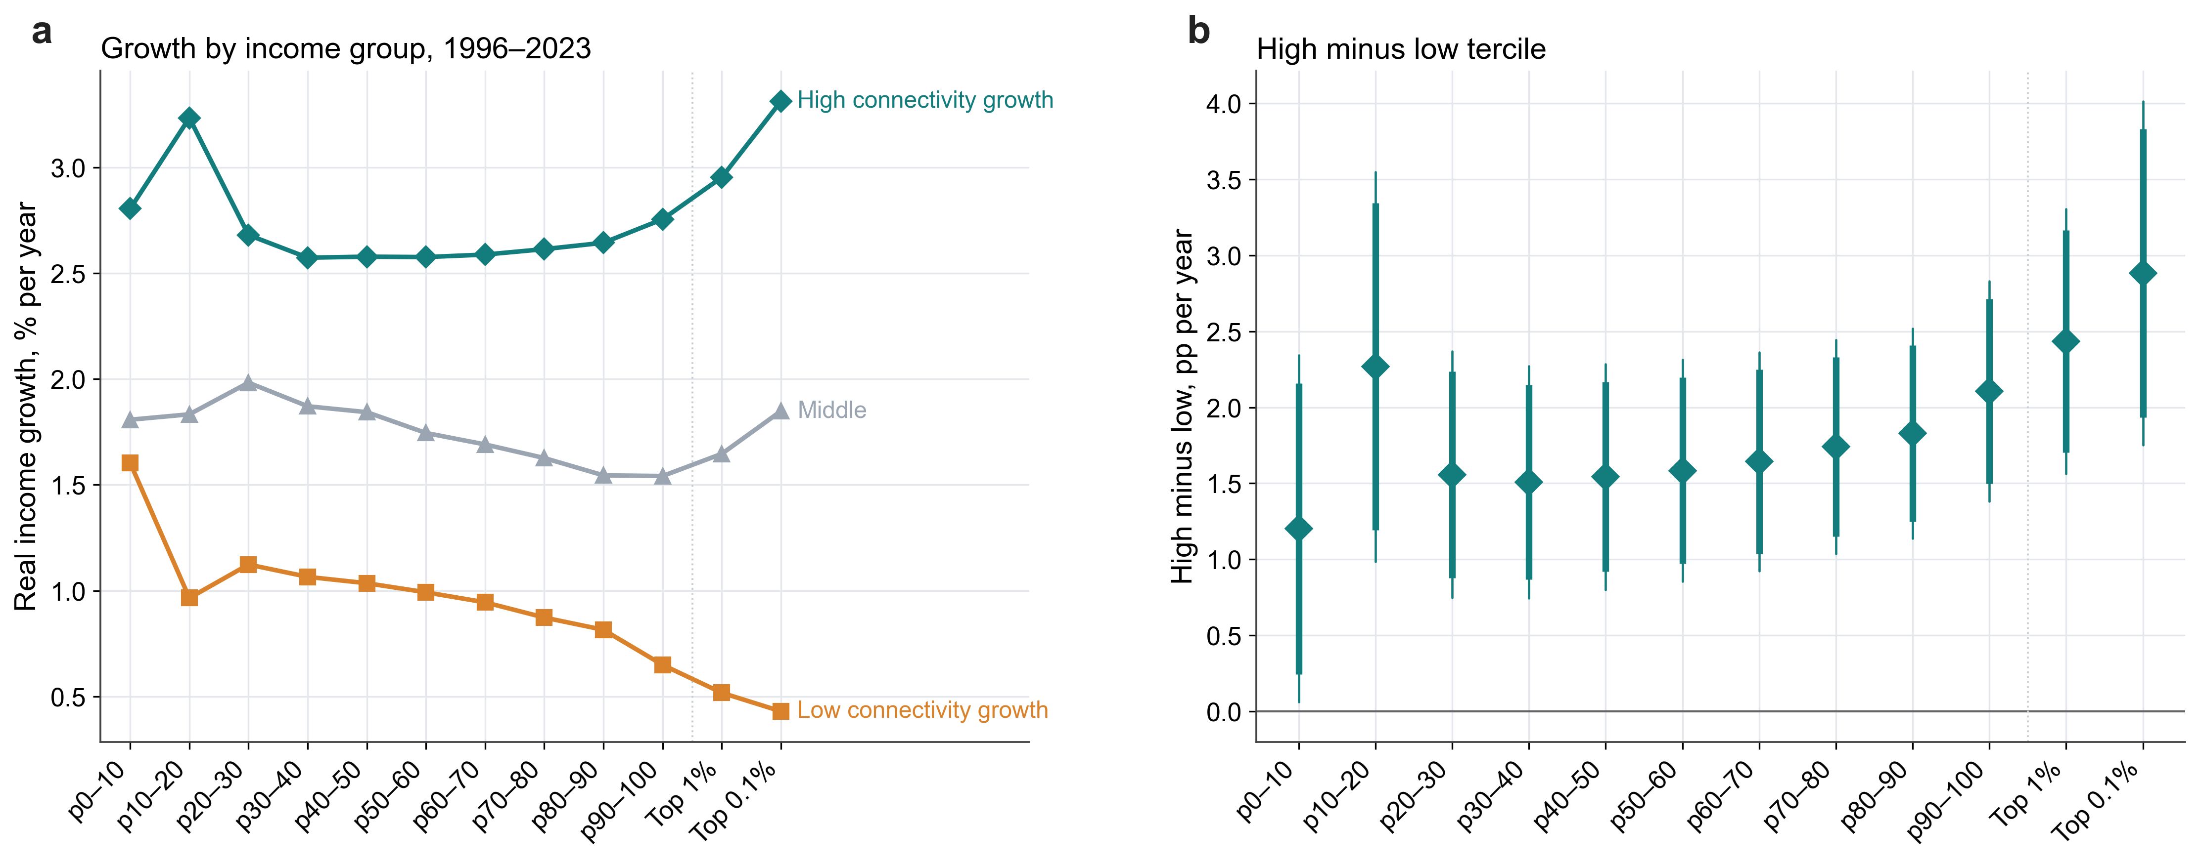
Paper figures, own style (47_figs_ineqstyle.py, _ineqstyle.py). Diamond = point estimate; thick bar = 90% CI, thin bar = 95% CI; filled teal = significant positive, filled amber = significant negative, hollow = not significant at 10%. Maps use single-hue light-to-dark scales. Vector PDFs in the project folder.

Figure 1. Incidence of hub connectivity across the income distribution: a, income of the group; b, income share (2SLS)
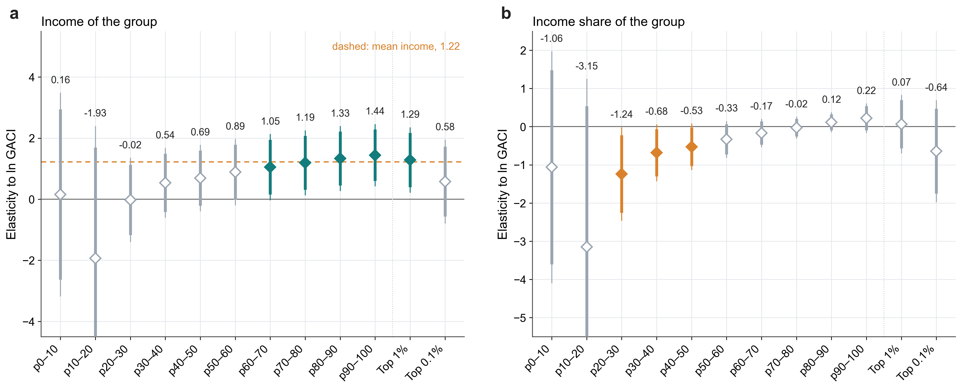

Figure 2. Where the effect is found: a, baseline connectivity tercile; b, baseline GDP per capita tercile; c, region; d, period

Figure 3. Attribution of observed hub growth, 1996-2023: a, implied change in market Gini by country; b, map; c, implied change in bottom-50% share
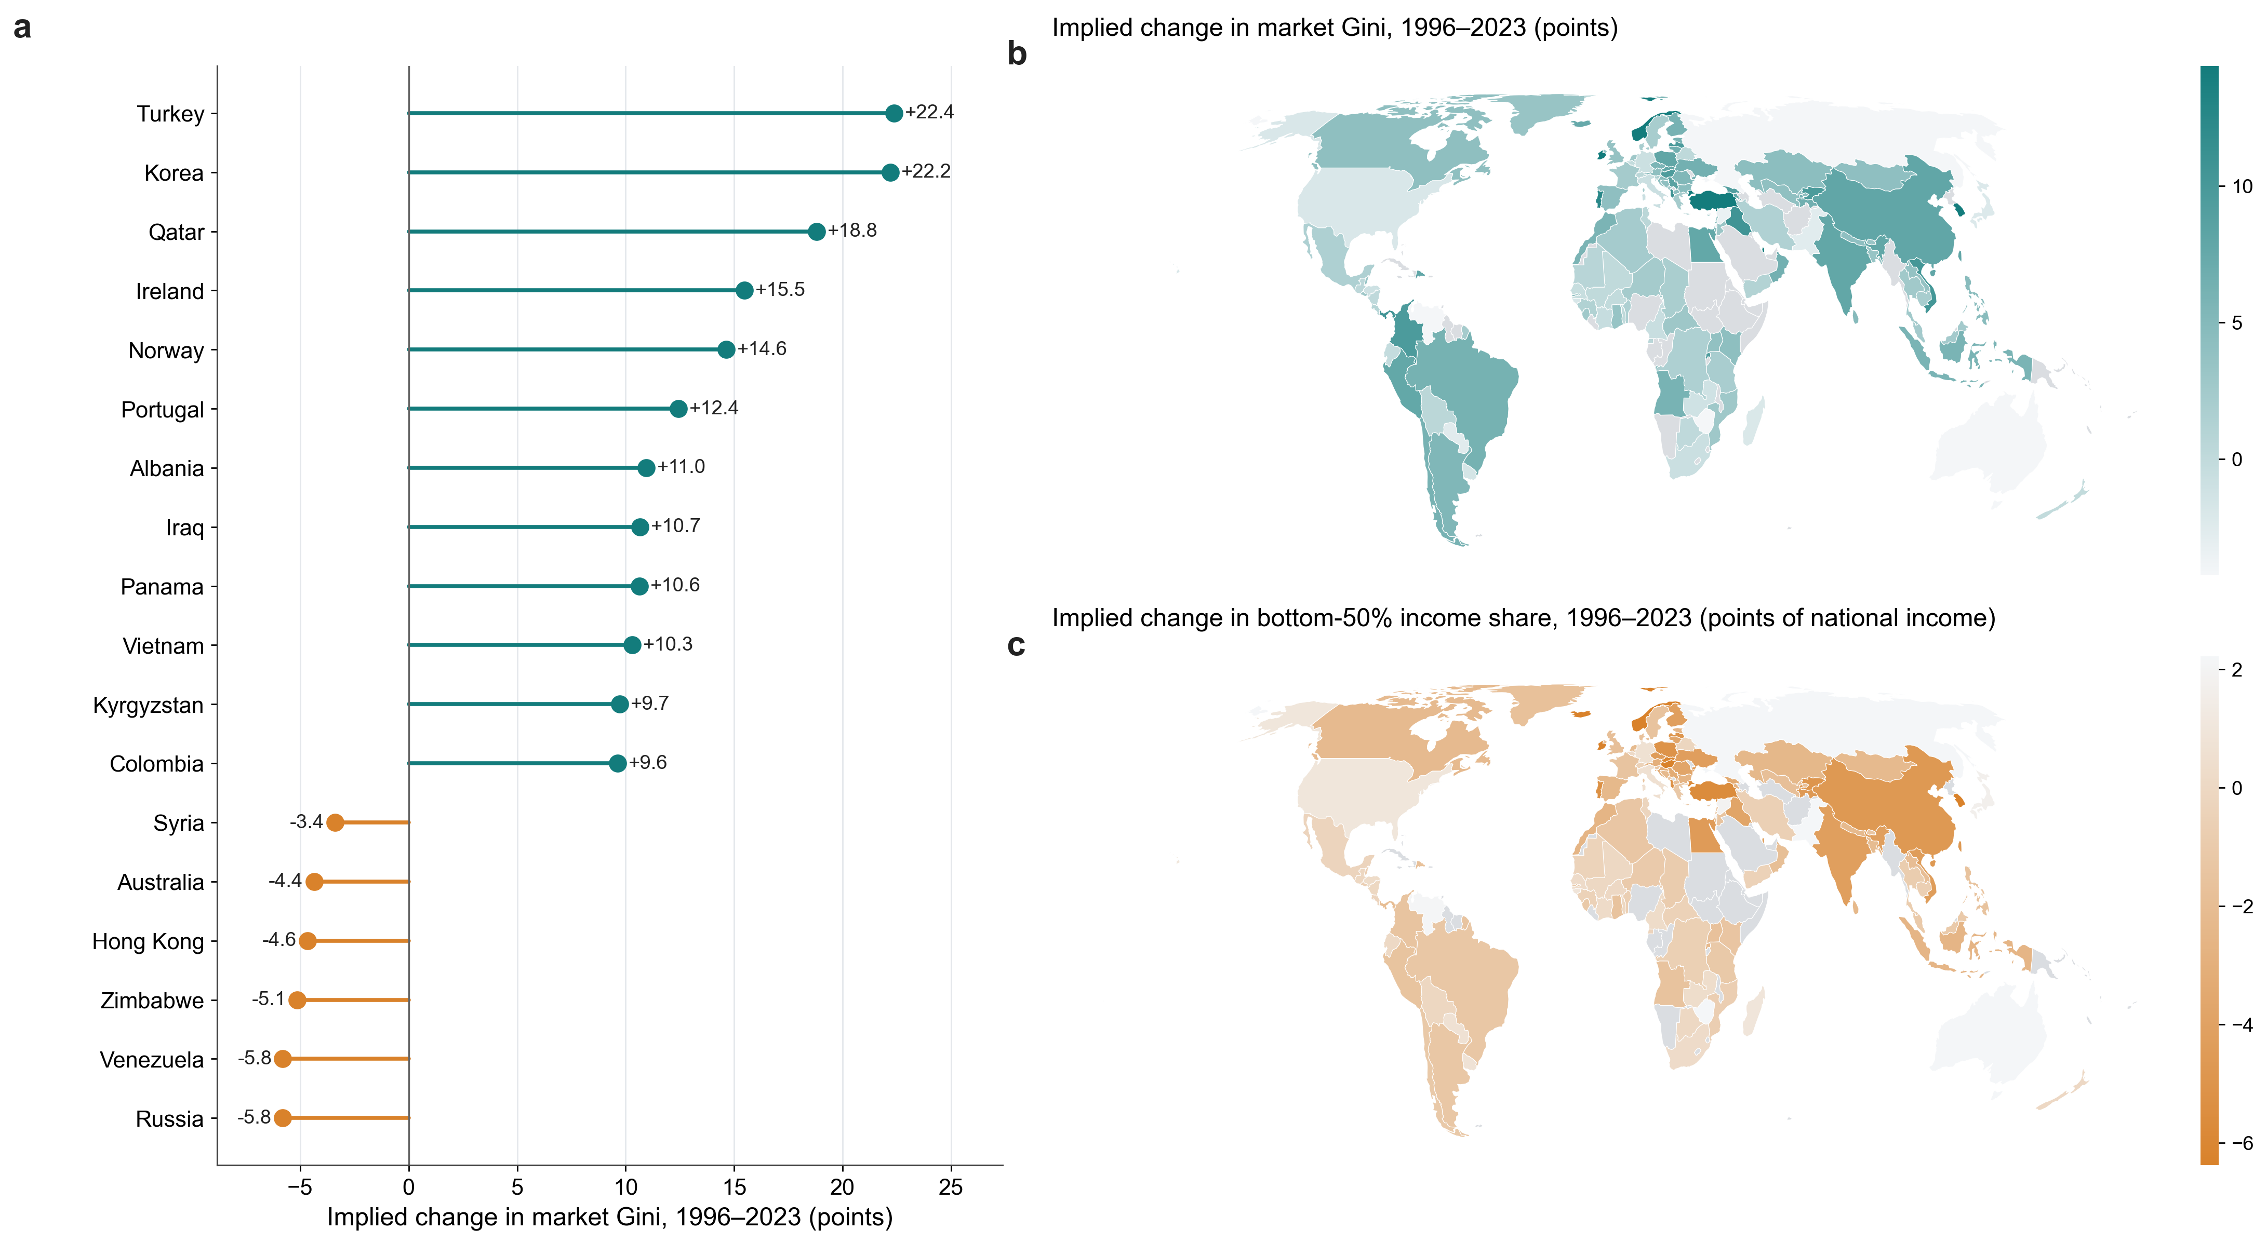

Figure 4. Descriptive growth by income group and connectivity-growth tercile

Fig_data
Data behind the incidence figures (2SLS Feyrer, country-clustered). Charts on this sheet are native Excel charts and can be edited.

Figure A. Incidence of hub connectivity: group income (2SLS vs OLS)
A. Full sample: elasticity of group income and share (Table 4)
rank | group | 2SLS income b | 2SLS income ci95 | OLS income b | OLS income ci95 | 2SLS share b | 2SLS share ci95
1 | p0-10 | 0.155 | 3.322 | 0.418 | 0.349 | -1.061 | 3.029
2 | p10-20 | -1.931 | 4.319 | 0.800 | 0.434 | -3.146 | 4.389
3 | p20-30 | -0.021 | 1.368 | 0.609 | 0.287 | -1.240 | 1.213
4 | p30-40 | 0.537 | 1.133 | 0.573 | 0.282 | -0.681 | 0.738
5 | p40-50 | 0.693 | 1.076 | 0.572 | 0.279 | -0.526 | 0.602
6 | p50-60 | 0.887 | 1.074 | 0.584 | 0.271 | -0.331 | 0.471
7 | p60-70 | 1.052 | 1.071 | 0.599 | 0.260 | -0.167 | 0.361
8 | p70-80 | 1.194 | 1.053 | 0.630 | 0.249 | -0.024 | 0.277
9 | p80-90 | 1.335 | 1.053 | 0.667 | 0.240 | 0.116 | 0.251
10 | p90-100 | 1.443 | 1.006 | 0.747 | 0.228 | 0.224 | 0.377
11 | Top 1% | 1.285 | 1.060 | 0.861 | 0.236 | 0.067 | 0.753
12 | Top 0.1% | 0.578 | 1.362 | 0.960 | 0.295 | -0.640 | 1.325

B. By baseline-connectivity tercile: group income
rank | group | Low tercile b | Low tercile ci95 | Middle tercile b | Middle tercile ci95
1 | p0-10 | 1.571 | 1.099 | -3.394 | 4.030
2 | p10-20 | 1.789 | 0.924 | -0.707 | 2.678
Figure A'. Income share of the group (2SLS)
3 | p20-30 | 1.736 | 0.850 | -0.681 | 1.488
4 | p30-40 | 1.712 | 0.764 | -0.176 | 1.273
5 | p40-50 | 1.716 | 0.717 | -0.068 | 1.233
6 | p50-60 | 1.670 | 0.690 | 0.118 | 1.210
7 | p60-70 | 1.638 | 0.650 | 0.277 | 1.173
8 | p70-80 | 1.592 | 0.628 | 0.483 | 1.132
9 | p80-90 | 1.450 | 0.609 | 0.791 | 1.141
10 | p90-100 | 1.328 | 0.774 | 1.165 | 1.164
11 | Top 1% | 1.584 | 0.947 | 1.260 | 1.246
12 | Top 0.1%

C. By era: group income
rank | group | 1996-2007 b | 1996-2007 ci95 | 2010-2023 excl. 2020-21 b | 2010-2023 excl. 2020-21 ci95
1 | p0-10 | -1.644 | 2.938 | 3.671 | 3.568
2 | p10-20 | -1.173 | 4.025 | 1.283 | 4.373
3 | p20-30 | 0.303 | 1.082 | 0.901 | 1.574
4 | p30-40 | 0.894 | 0.933 | 0.792 | 1.352
5 | p40-50 | 1.239 | 0.890 | 0.702 | 1.291
6 | p50-60 | 1.498 | 0.929 | 0.842 | 1.301
Figure B. By baseline connectivity: low tercile (flat) vs middle tercile (tilted)
 | Low tercile | Middle tercile
7 | p60-70 | 1.722 | 0.948 | 0.935 | 1.278
8 | p70-80 | 1.934 | 0.969 | 0.930 | 1.257
9 | p80-90 | 2.035 | 0.942 | 0.915 | 1.251
10 | p90-100 | 1.845 | 0.799 | 1.286 | 1.349
11 | Top 1% | 1.776 | 0.848 | 1.672 | 1.729
12 | Top 0.1%

D. By baseline GDP per capita tercile: group income
rank | group | Middle tercile b | Middle tercile ci95 | High tercile b | High tercile ci95
1 | p0-10 | 0.353 | 6.019 | 0.117 | 4.939
2 | p10-20 | -2.310 | 7.574 | -3.898 | 7.978
3 | p20-30 | -0.256 | 2.707 | -1.307 | 1.964
4 | p30-40 | 0.566 | 1.830 | -0.844 | 1.506
5 | p40-50 | 0.501 | 1.705 | -0.472 | 1.266
6 | p50-60 | 0.758 | 1.586 | -0.313 | 1.232
7 | p60-70 | 0.900 | 1.479 | -0.100 | 1.169
8 | p70-80 | 0.943 | 1.403 | 0.132 | 1.108
9 | p80-90 | 0.931 | 1.348 | 0.370 | 1.092
10 | p90-100 | 1.062 | 1.490 | 0.438 | 0.868
Figure C. By era: network expansion 1996-2007 vs mature network 2010-2023
 | 1996-2007 | 2010-2023 (excl. 2020-21)
11 | Top 1% | 1.099 | 1.845 | 0.179 | 1.355
12 | Top 0.1%

Figure D. By baseline GDP per capita: middle vs high tercile (low tercile unidentified)
 | Middle tercile | High tercile

Fig_png
Matplotlib figures (project scripts 13, 25, 14). Vector versions: fig_gic.pdf, fig_gic_bysample.pdf, fig_gic_descriptive.pdf.

Figure 1. Incidence of hub connectivity across the income distribution (13_fig_gic.py)
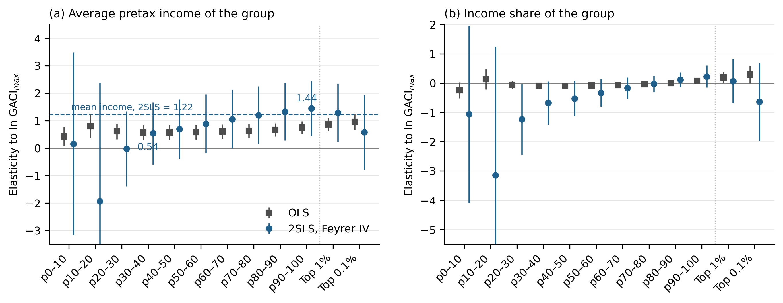

Figure 2. Incidence by development stage (25_fig_gic_bysample.py)

Figure 3. Descriptive growth by group and connectivity-growth tercile (14_fig_gic_descriptive.py)

Maps
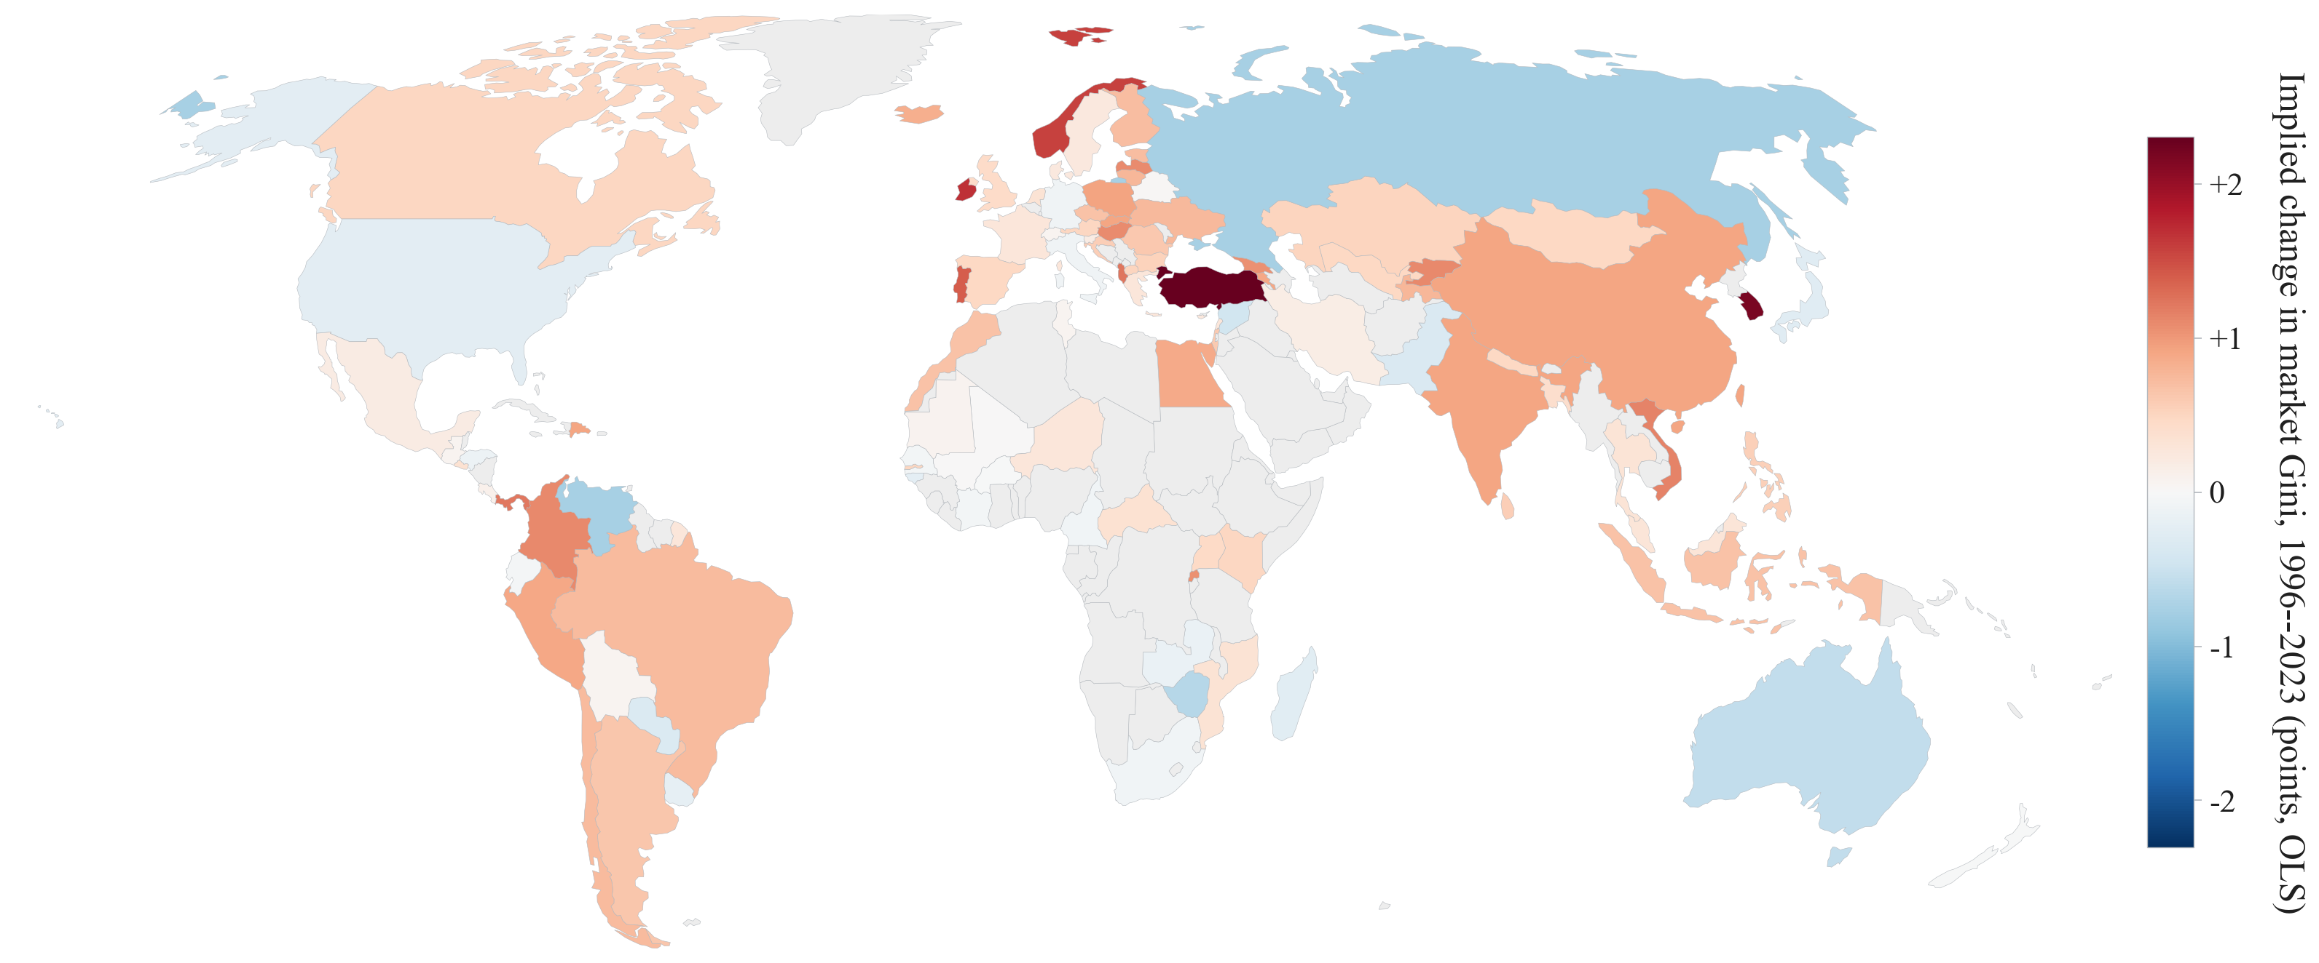
World maps (45_maps_incidence.py; shared GACI map style). Implied changes use the 2SLS elasticities of Table 2 and Table 3 applied to each country's change in ln GACI_max, 1996 to latest year (>= 15 years of data, 138 countries).

Map 1. Change in ln hub connectivity (GACI_max), 1996-2023
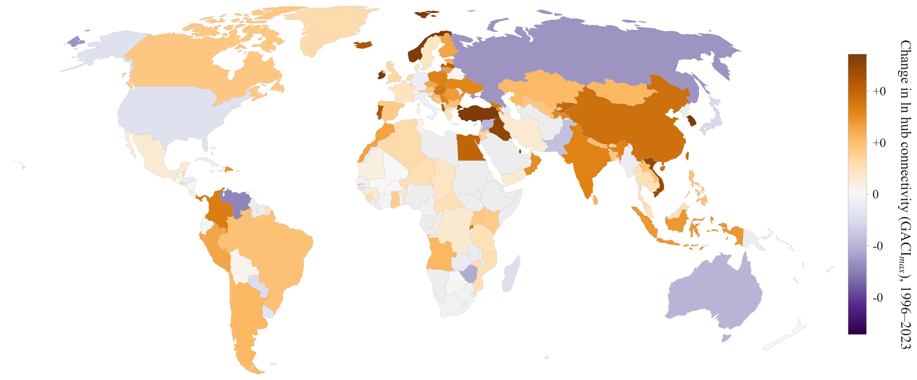

Map 2. Implied change in the market Gini (points), 2SLS elasticity 0.495
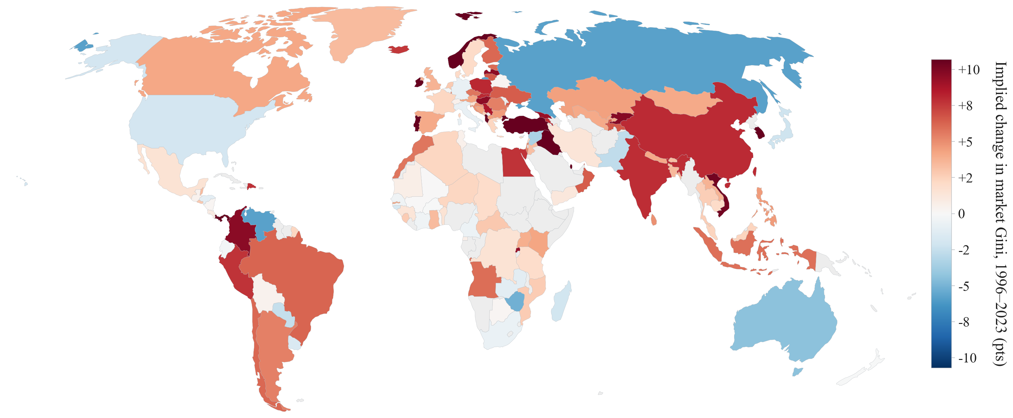

Map 3. Implied change in the bottom-50% income share (points of national income), 2SLS share elasticity -0.774
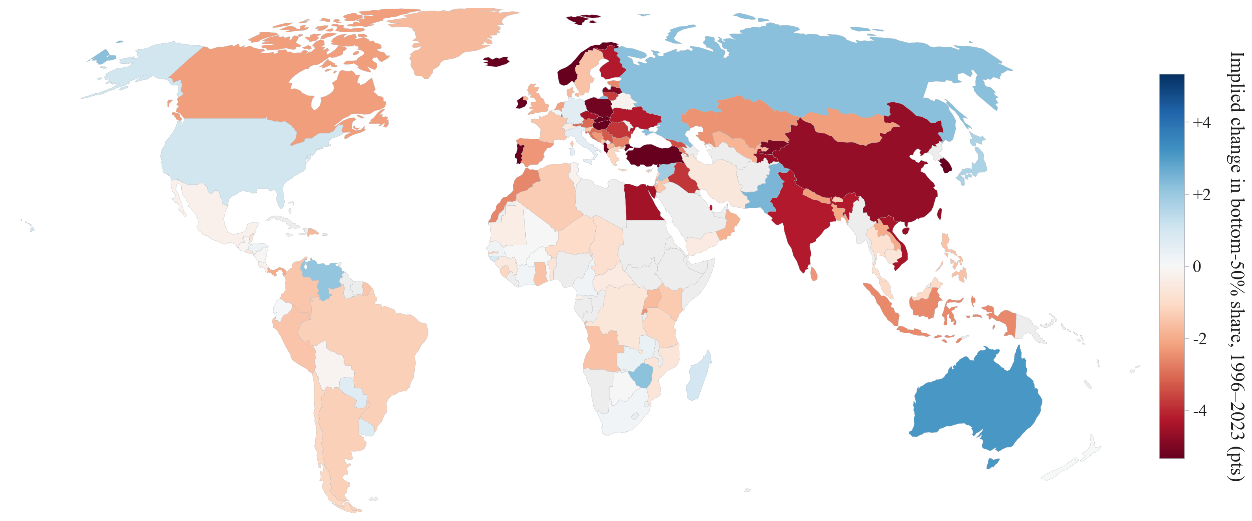

Map 2b. Implied change in the market Gini (points), OLS elasticity 0.061 (conservative)

