DG-Vaishnava
 | Registration Portal Available | https://erp.loyolacollege.edu/loyolaonline/application/loginManager/youLogin.jsp

Registration Portal Available | ★ The last date for applying through online will be the 10th working day from the | UG Courses Offered in Day College | UG Courses Offered in Evening College

 |  | (Govt-Aided) | (Self-Financing)
Documents to be uploaded
 |  |  |  | TBD
UG Admission
The Online application portal will be open from 05.04.2024.
Plus two marks are mandatory for applying. 10th and 11th standard marks will not be accepted. | N
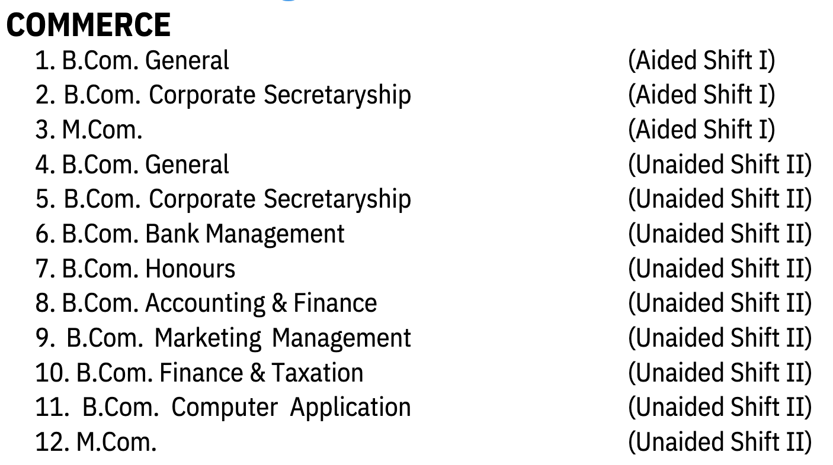
Candidates who have completed 12th in the previous years and other Board students who have received their mark statements can also apply. | NA
Admissions will start only after the 12th results are declared by the Government of Tamil Nadu. | NA
Kindly read the instructions and prospectus thoroughly before submitting the online application. Incomplete or applications with wrong data will be considered invalid.
On successful registration of the online application and payment of the application fees, you will receive a Unique Identification Number (UIN) through SMS and E-mail to your registered mobile number and E-mail id.
On completion of filing of academic details you would receive an SMS and email with Application number(s) and UIN which can be used for future reference. | The scanned copy of each document must be in black and white and within 200 KB size. | TBD | Seperate Applications Required . 10th. Marksheet 11th Marksheet 100 - 300

HOSTEL Information regarding admission to the hostel (Gurukul) subject to availability can be obtained from the Hostel Office. |  |  | https://dgvc.in/downloadapplication/login.php

 |  |  | Application is Open Later +2 Marks can be uploaded ----

