Instructions
Instructions to use the Phasing Update macro | Tool version:1.1
Description
This tool is used to download edit and upload the phasing status such as P0,P1,P2 & P3 in TSS for Test Engineers. Select Project in the sheet "ToolsGUI". After the download it can also compare
the locally maintained phasing status with TSS downloaded copy.

To Download:
If you are tracking phasing in a separate workbook, Open the workbook in which you want to download the phasing info. If you do not have one then download and upload will happen in the
current workbook. Right click on the workbook on any sheet, Select "TSS Tools" -> "Download From TSS". You will be prompted for credentials. It creates a sheet "TSSDownloaded" which
contains phasing info from TSS. It also compares with Sheet "Pattern_Status" or any sheet that contains pattern P0,P1,P2,P3 and arranges missing and new from TSS.

To Upload:
Open the workbook where you have the phasing report. Select on the sheet that contains phasing status. It should have the columns "pattern,P0,P1,P2,P3".
And the phasing status such as Pass / Fail (P/F) should be filled in. To upload the data to TSS, Right click on the phasing status sheet "TSS Tools"-> Export Current Sheet to
TSS

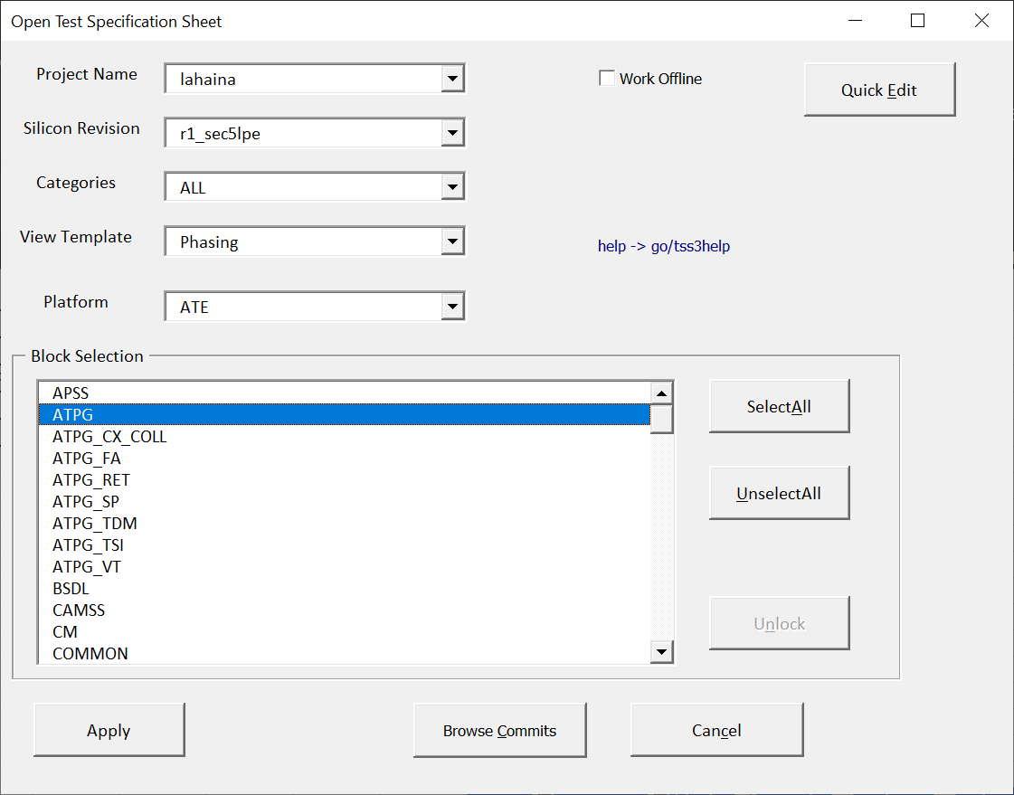
Steps
1.Open go/tssphasing It opens the phasing_update.xlsm tool. Right Click on any |  |  |  |  |  |  |  |  |  | Or Select
cell. Open the workbook that has phasing details. Say | 1.1 Enter the Project,Rev,Block |  |  | 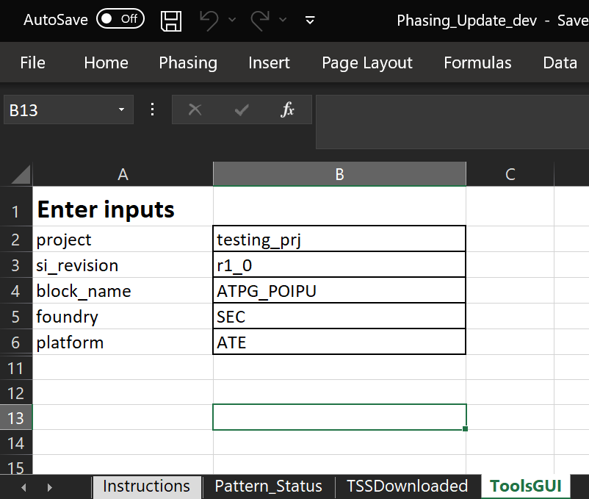

2. To download
Select TSS Tools -> Download fromTSS
This downloads in to the active workbook
3.To upload
Open your workbook, edit phasing
Select Pattern_status sheet
Select Export CurrentSheet to TSS

4. Compare the phasing status
Compares the Pattern_status maintained locally by the user with the TSS and color code the differences. Refer the sample data. Also it allows to find which are the patterns are updated

4. Edit Vbump information
Allows to download vbump related info for each pattern such as vbump_ft,vbump_ws,vbump_auto_ft,vbump_auto_ws,vbump_sign_off,shift. Optionally edit and upload along with phasing status.

Note: If the right click menu missed. Goto ToolsGUI Sheet and Click Refresh button.

Sample Project to test it
Enter inputs
project | testing_prj
si_revision | r1_0
block_name | ATPG_POIPU,ATPG_POIPU2
Platform | ATE

Sample data
Block | Patterns | Foundry | P0 | P1 | P2 | P3 | vbump_ft | vbump_ws | vbump_auto_ft | vbump_auto_ws | vbump_sign_off | shift | Status | Updated | Missing in TSS
ATPG_POIPU | MBURST_tk_atpg_saf_lpc_se0_sr1_topoff_krygld3_XMD | GF | P | P | P | P | None | None | None | None | None | None | Updated | Y | abcd
ATPG_POIPU | MBURST_tk_atpg_saf_lpc_se0_pll_topoff_llcc4_XMD | GF | F | P | F | F | None | None | None | None | None | None | Updated | Y | abcd1
ATPG_POIPU | MBURST_tk_atpg_saf_lpc_se0_cabo6_pl_XMD | GF | P | P | P | P | None | None | None | None | None | None | Not Updated |  | abcd2

FAQ:
How to enable Macro?
Open Excel, -> File - Options - Trust Center - Trust Center Settings - Macro settings - Select Enable VBA macros ..., Enable Excel 4.0 macros when VBA macros are enaled, Trust access to the VBA project object model

