Instructions

Instructions to use the PTE Tools using GUI |  |  |  |  |  |  |  |  |  |  |  |  |  | Tool version:3.0
Wooh ! Lot's of Queries. What's the command
what is this tool about?
How to use this?
How this gonna ease my life?


 | Description:
 | This tool is used to provide a Graphical user interface for command line tool.
 | Command line tools available in linux platform often impose challenges while using the switches and values.
 | This tool is equipped with provisions to select the tools, its functions as drop down, possible switches availble in the selected functions.
 | Values can also be filled easily using fill sample as reference and Project, revision and block selection using GUI, available under Select Project button.
 | It uses putty open source software called plink to connect to the linux server and run the application.

Detailed Usage:-
To get started with TSS Tools, first we need to go to "GUI" sheet and select the tool you are interested to use and then select its functions supported by the tool which is available in the next popup.


Step 1: Select the main command as shown, example tssupdate3/ src_rel. Click on dropdown to switch to different tool.

Select Dropdown to switch between tools
Hey, Cool. This page is your one stop destination for all your queries. Still have queries, reach out to
tss.developers@qti.qualcomm.com/qvps.developers@qualcomm.com

Step 2: Select the function supported by the tool, for example add/remove vector in case of tssupdate3.
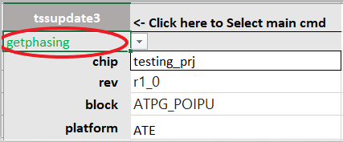

Select Dropdown to switch between each functionality of a tool

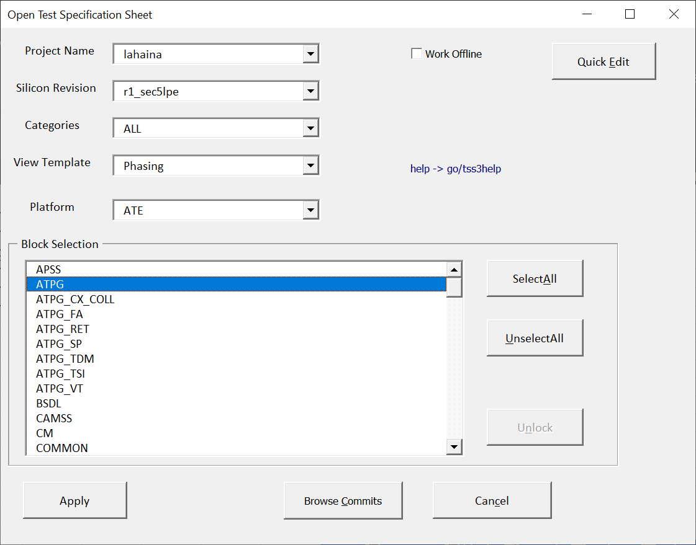
Step 3: Select Project/Revision/Block using a GUI

Step 4: If you are unsure of what to fill then use fill sample to fill up the fields with sample values

Step 5: Once set the correct values for all the mandatory fields then hit run to run the program.

Step 6: Once the program started running you can monitor the progress using command Log.
It contains the commands built to run the program. Optionally You can use
just the Commands formed from the Command Log window and copy, paste in
Linux environment to continue running from there.

Compare the phasing status
Compares the Pattern_status maintained locally by the user with the TSS and color code the differences. Refer the sample data. Also it allows to find which are the patterns are updated

Edit Vbump information
Allows to download vbump related info for each pattern such as vbump_ft,vbump_ws,vbump_auto_ft,vbump_auto_ws,vbump_sign_off,shift. Optionally edit and upload along with phasing status.

Note: If the right click menu missed. Goto ToolsGUI Sheet and Click Refresh button.

Sample Project to test it
Enter inputs
project | testing_prj
si_revision | r1_0
block_name | ATPG_POIPU,ATPG_POIPU2
Platform | ATE

Sample data
Block | Patterns | Foundry | P0 | P1 | P2 | P3 | vbump_ft | vbump_ws | vbump_auto_ft | vbump_auto_ws | vbump_sign_off | shift | Status | Updated | Missing in TSS
ATPG_POIPU | MBURST_tk_atpg_saf_lpc_se0_sr1_topoff_krygld3_XMD | GF | P | P | P | P | None | None | None | None | None | None | Updated | Y | abcd
ATPG_POIPU | MBURST_tk_atpg_saf_lpc_se0_pll_topoff_llcc4_XMD | GF | F | P | F | F | None | None | None | None | None | None | Updated | Y | abcd1
ATPG_POIPU | MBURST_tk_atpg_saf_lpc_se0_cabo6_pl_XMD | GF | P | P | P | P | None | None | None | None | None | None | Not Updated |  | abcd2

Interactive Mode ON/OFF
Users now has the privilege to switch between normal mode and interactive mode. Interactive mode allows the users to monitor current ongoing task and figure out if any error persists while running.

FAQ:
How to enable Macro?
Open Excel, -> File - Options - Trust Center - Trust Center Settings - Macro settings - Select Enable VBA macros ..., Enable Excel 4.0 macros when VBA macros are enaled, Trust access to the VBA project object model

GUI
Command Log
add_microcode -vector <add_microcode> -chip <chip> -rev <rev> -block <block>
INTERACTIVE MODE
OFF
UT
add_microcode | <- Click here to Select main cmd
add_microcode_list
add_microcode | /prj/vlsi/pete/ptetools/prod/tss/runcommands/supportFiles/sundara/get_vector_details_dir/vector.csv
chip | testing_prj
rev | r1_0
block | TDF_ATPG_REST
Refresh
Process Monitor
Fill Sample

project | si_revision | block
...

TestResult
Release
ToolName | Function | Status
Gross TEST
Configure Tools

Regression Test Beta

Unit test

GROSS TEST
release

