Mockup
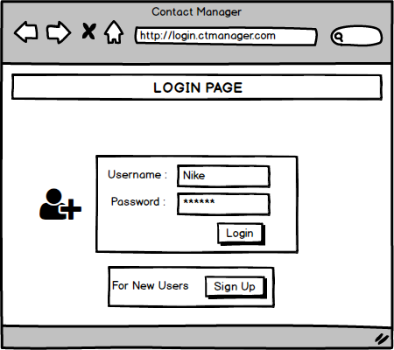

01_Login
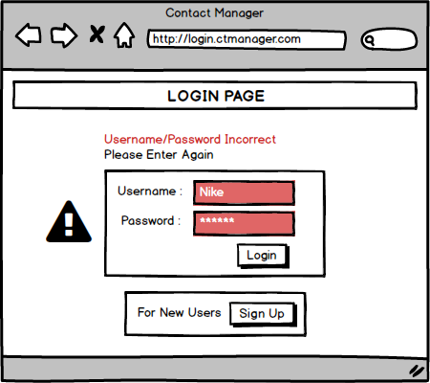

02_Login_Error_Wrong_Details

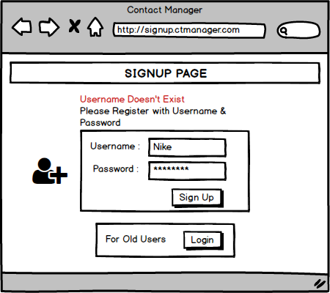

03_Login_Error_SignUp

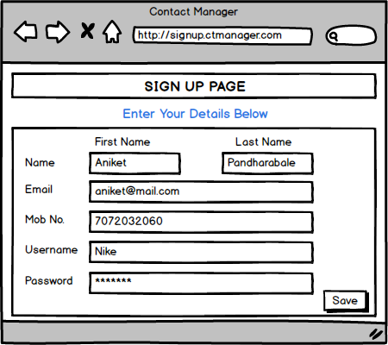

04_Account_Details

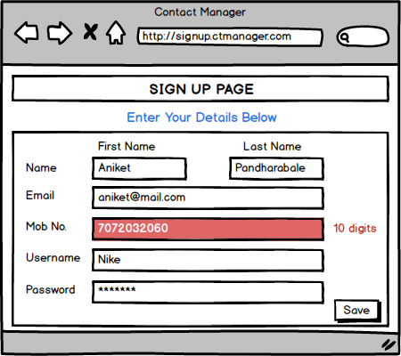

05_Account_Details_Error

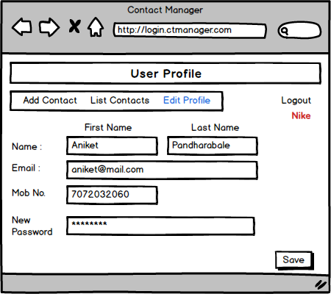

06_User_Profile_Page

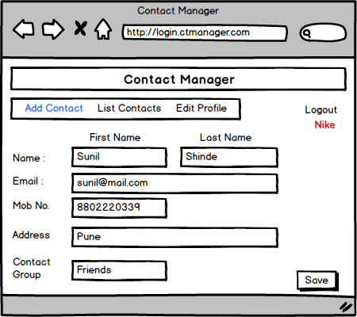

07_Add_Contact

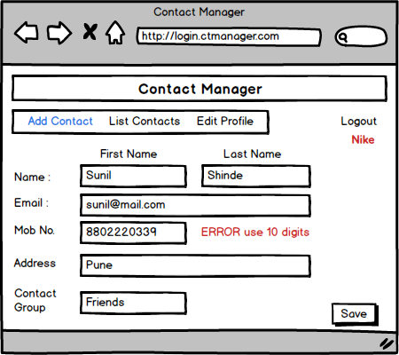

08_Add_Contact_Error

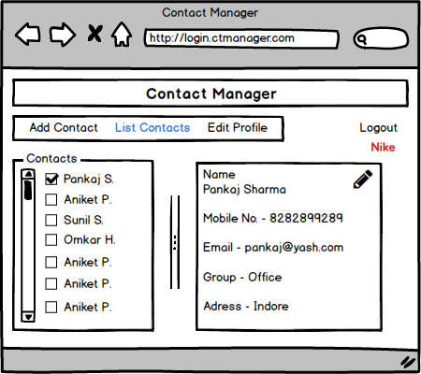

09_List_Contact

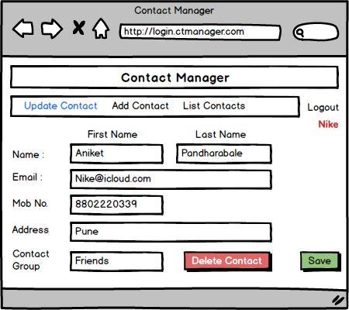

10_Update_Contact

To Do List
Enter a number 1 in Done column when task is complete
Select a drop down arrow, such as Assigned To or Priority, to Filter or Sort your To Do List items.
Tips do not print.
 |  | To do list
 | 2019-11-05
 | Due Today: | 1
 | Overdue: | 3

 | Done | Description | Due Date | Priority | Assigned to
Tip: Enter a number greater than 1 in Done column when task is complete. | Done | Flow Diagram | 2019-11-05 | High
 | Done | Mockup Design | 2019-11-05 | High
 |  |  | 2019-11-04 | Low
 |  |  | 2019-11-04 | Medium
 |  |  | 2019-11-04 | High
 |  |  | 2019-11-05 | Low

