Post_ML8
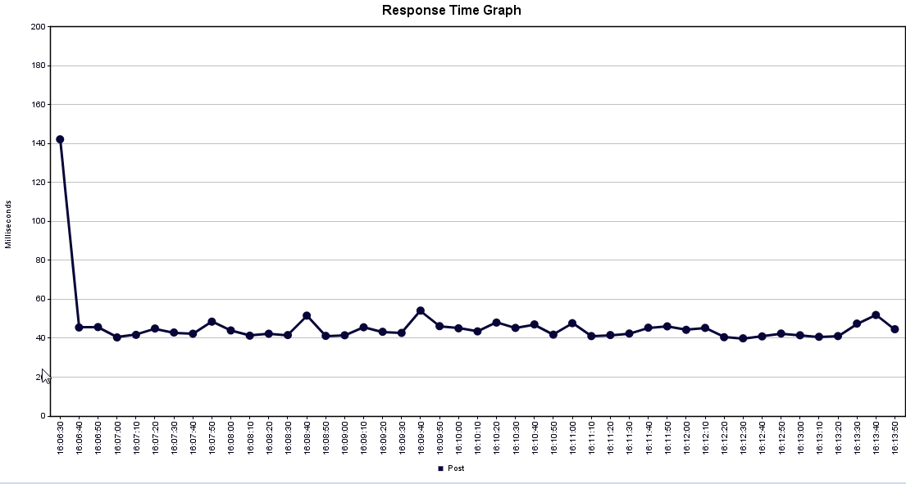
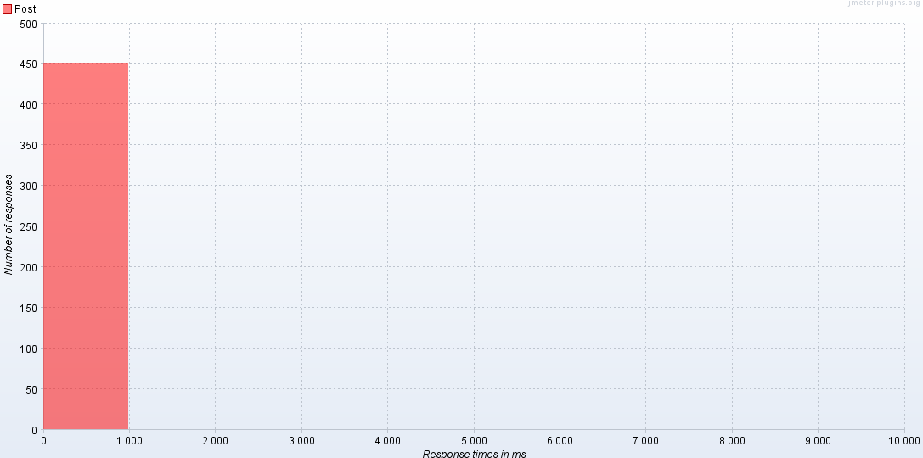
HERA version | Environment | Operation | Load Balancer | Number of Threads | Ramp up time | Loops | Threads per second | Label | Samples # | Average | Min | Max | Standard Deviation | Error % | Throughput | KB/sec | Avg. Bytes
2.4 | QA(ML8) | POST | No | 90 | 450 | 5 | 1 | Post | 450 | 48 | 40 | 276 | 13.247908011 | 0 | 1.0105524129 | 0.37895715482 | 384
 |  |  |  |  |  |  |  | TOTAL | 450 | 48 | 40 | 276 | 13.247908011 | 0 | 1.0105524129 | 0.37895715482 | 384

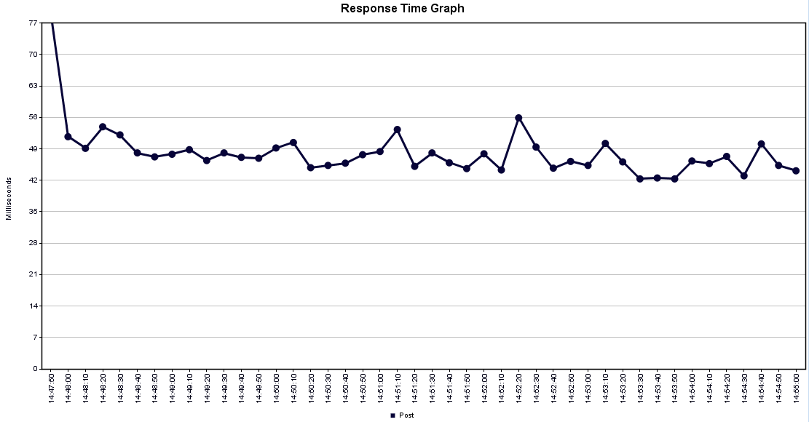
 |  |  |  |  |  |  |  |  |  |  |  |  |  |  |  |  |  | Response times in ms | Post
 |  |  |  |  |  |  |  |  |  |  |  |  |  |  |  |  |  | 0 | 450

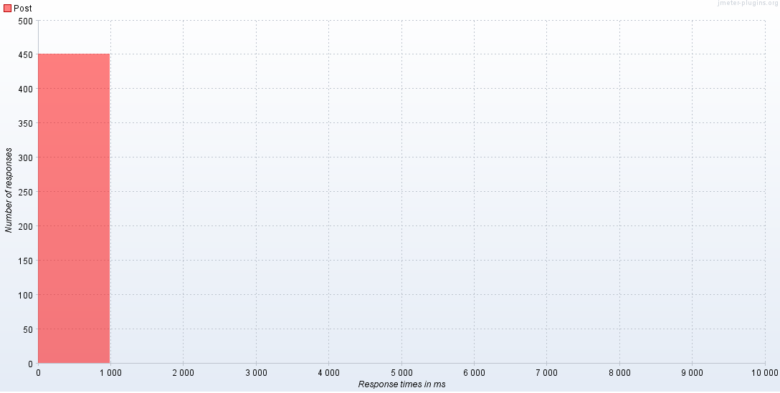

HERA version | Environment | Operation | Load Balancer | Number of Threads | Ramp up time | Loops | Threads per second | Label | Samples # | Average | Min | Max | Standard Deviation | Error % | Throughput | KB/sec | Avg. Bytes | Response times in ms | Post
2.4 | QA(ML8) | POST | Yes | 90 | 450 | 5 | 1 | Post | 450 | 45 | 38 | 481 | 22.093555174 | 0 | 1.0107067535 | 0.49745723026 | 504 | 0 | 450
 |  |  |  |  |  |  |  | TOTAL | 450 | 45 | 38 | 481 | 22.093555174 | 0 | 1.0107067535 | 0.49745723026 | 504

Get_ML8
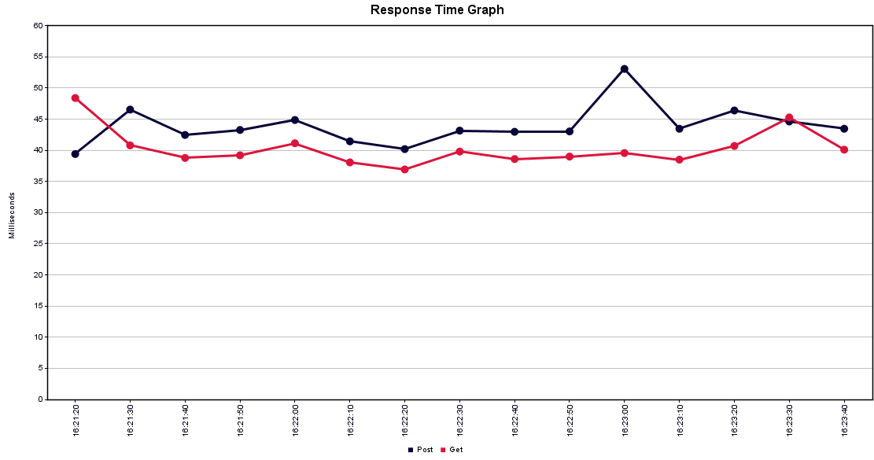
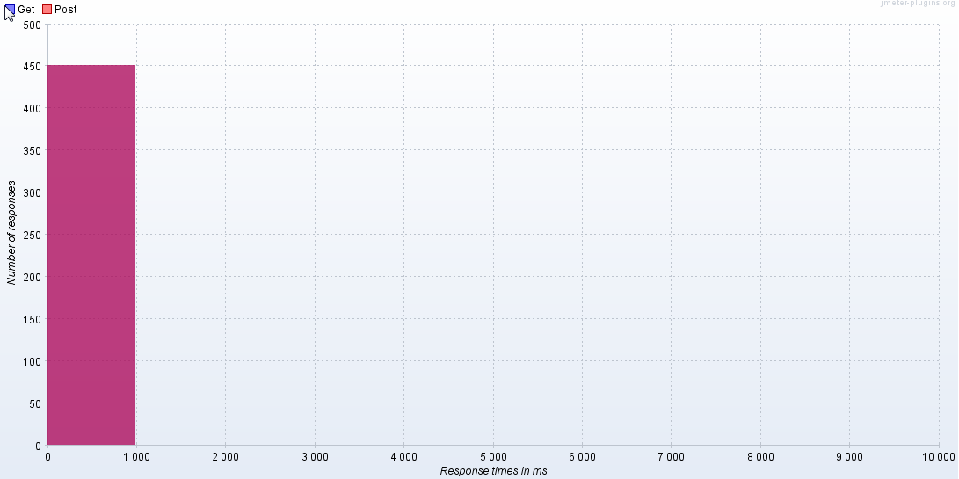
G

 | HERA version | Environment | Operation | Load Balancer | Number of Threads | Ramp up time | Loops | Threads per second | Label | Samples # | Average | Min | Max | Standard Deviation | Error % | Throughput | KB/sec | Avg. Bytes
 | 2.4 | QA(ML8) | GET | No | 90 | 150 | 5 | 3 | Post | 450 | 45 | 38 | 498 | 30.502160134 | 0 | 3.0238074439 | 1.1339277915 | 384 | Response times in ms | Get | Post
 |  |  |  |  |  |  |  |  | Get | 450 | 45 | 35 | 126 | 14.366024562 | 0 | 3.0240512879 | 2.3507273683 | 796 | 0 | 450 | 450
 |  |  |  |  |  |  |  |  | TOTAL | 900 | 45 | 35 | 498 | 23.844123328 | 0 | 6.0456649224 | 3.4833420939 | 590



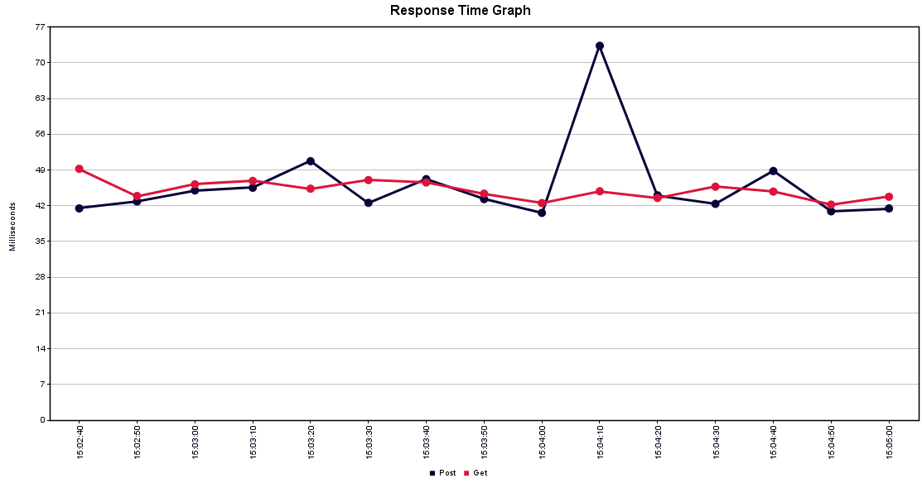

 | HERA version | Environment | Operation | Load Balancer | Number of Threads | Ramp up time | Loops | Threads per second | Label | Samples # | Average | Min | Max | Standard Deviation | Error % | Throughput | KB/sec | Avg. Bytes | Response times in ms | Get | Post
 | 2.4 | QA(ML8) | GET | Yes | 90 | 150 | 5 | 3 | Post | 450 | 44 | 37 | 184 | 11.171051875 | 0 | 3.0251694095 | 1.4889505687 | 504 | 0 | 450 | 450
 |  |  |  |  |  |  |  |  | Get | 450 | 40 | 35 | 195 | 10.790324884 | 0 | 3.0223452056 | 2.8452546662 | 964
 |  |  |  |  |  |  |  |  | TOTAL | 900 | 42 | 35 | 195 | 11.16356126 | 0 | 6.0429857721 | 4.3315933171 | 734

Put_ML8
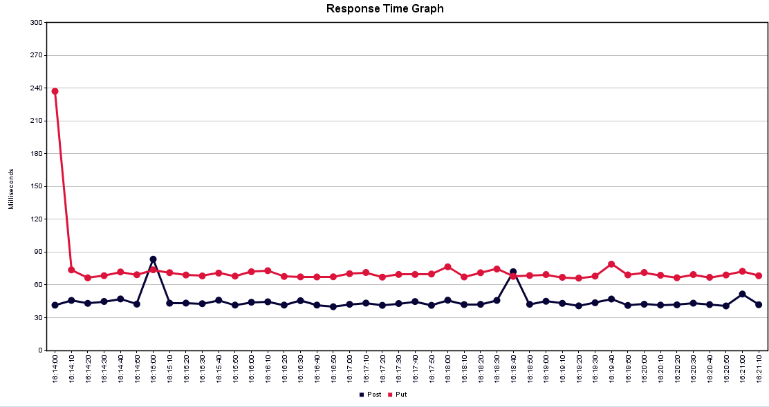
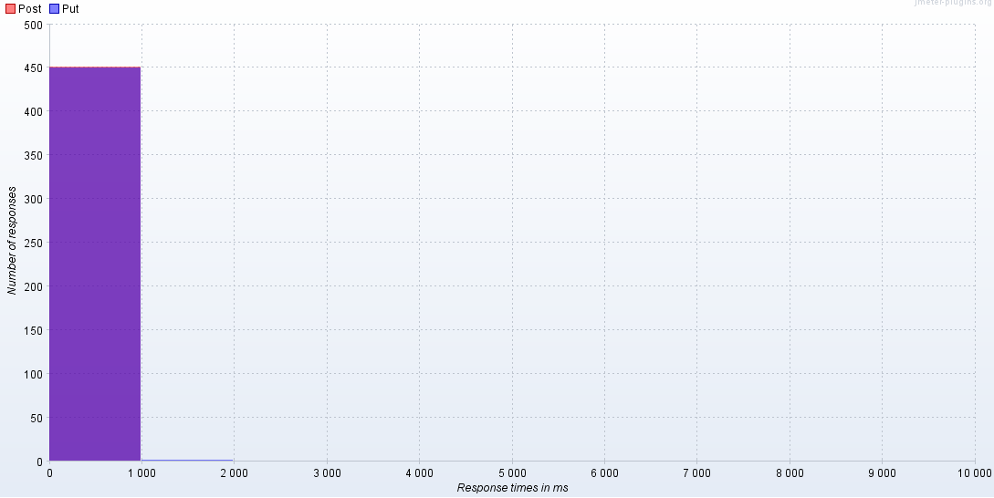
HERA version | Environment | Operation | Load Balancer | Number of Threads | Ramp up time | Loops | Threads per second | Label | Samples # | Average | Min | Max | Standard Deviation | Error % | Throughput | KB/sec | Avg. Bytes
2.4 | QA(ML8) | POST and PUT together in 1 thread | No | 90 | 450 | 5 | 1 | Post | 450 | 55 | 39 | 1780 | 112.26385155 | 0 | 1.0098358007 | 0.37868842526 | 384 | Response times in ms | Post | Put
 |  |  |  |  |  |  |  | Put | 450 | 86 | 66 | 1295 | 66.077365954 | 0 | 1.0097950116 | 0.3796592573 | 385 | 0 | 448 | 449
 |  |  |  |  |  |  |  | TOTAL | 900 | 71 | 39 | 1780 | 93.379903831 | 0 | 2.0193498591 | 0.75824220783 | 384.5 | 1000 | 2 | 1

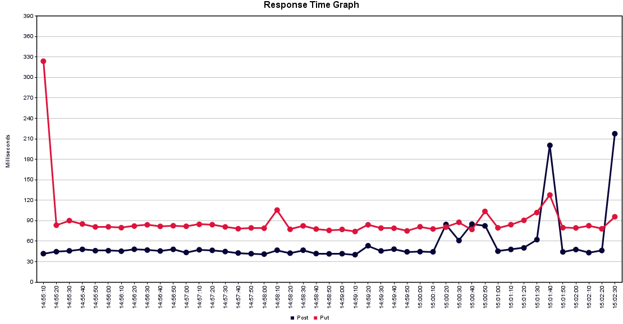



HERA version | Environment | Operation | Load Balancer | Number of Threads | Ramp up time | Loops | Threads per second | Label | Samples # | Average | Min | Max | Standard Deviation | Error % | Throughput | KB/sec | Avg. Bytes | Response times in ms | Post | Put
2.4 | QA(ML8) | POST and PUT together in 1 thread | Yes | 90 | 450 | 5 | 1 | Post | 450 | 44 | 38 | 433 | 23.841192695 | 0 | 1.0100148584 | 0.49711668814 | 504 | 0 | 450 | 449
 |  |  |  |  |  |  |  | Put | 450 | 73 | 63 | 1666 | 75.476162503 | 0 | 1.0099649879 | 0.49807843641 | 505 | 1000 |  | 1
 |  |  |  |  |  |  |  | TOTAL | 900 | 59 | 38 | 1666 | 57.777660032 | 0 | 2.019721458 | 0.99506784721 | 504.5

Delete_ML8
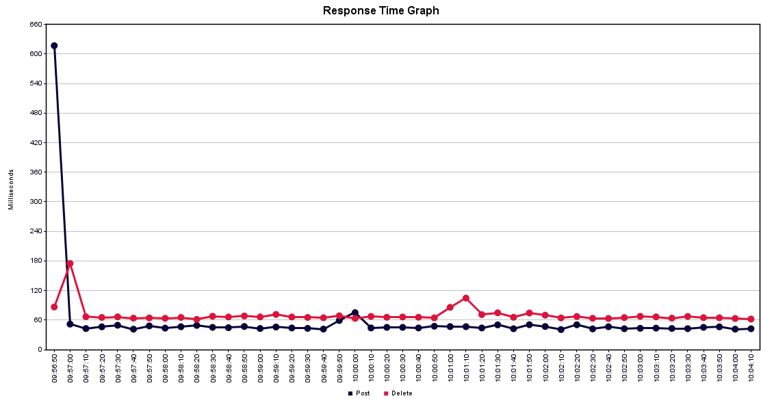

HERA version | Environment | Operation | Load Balancer | Number of Threads | Ramp up time | Loops | Threads per second | Label | Samples # | Average | Min | Max | Standard Deviation | Error % | Throughput | KB/sec | Avg. Bytes
2.4 | QA(ML8) | POST and DELETE together in 1 thread | No | 90 | 450 | 5 | 1 | Post | 450 | 45 | 38 | 357 | 18.325127322 | 0 | 1.0100488639 | 0.37876832397 | 384 | Response times in ms | Delete | Post
 |  |  |  |  |  |  |  | Delete | 450 | 66 | 59 | 333 | 15.360238713 | 0 | 1.0100715355 | 0.40343677541 | 409 | 0 | 450 | 450
 |  |  |  |  |  |  |  | TOTAL | 900 | 55 | 38 | 357 | 19.853191148 | 0 | 2.019793981 | 0.78207843113 | 396.5

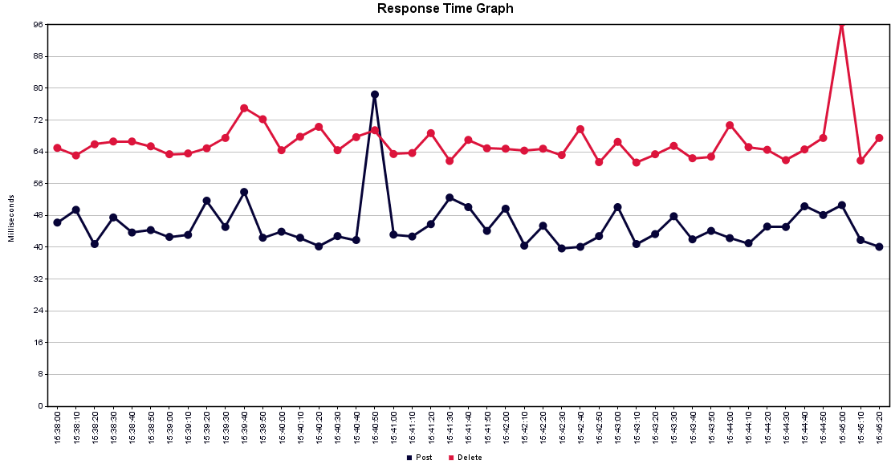



HERA version | Environment | Operation | Load Balancer | Number of Threads | Ramp up time | Loops | Threads per second | Label | Samples # | Average | Min | Max | Standard Deviation | Error % | Throughput | KB/sec | Avg. Bytes | Response times in ms | Delete | Post
2.4 | QA(ML8) | POST and DELETE together in 1 thread | Yes | 90 | 450 | 5 | 1 | Post | 450 | 47 | 37 | 617 | 31.960607621 | 0 | 1.0100352615 | 0.49712673025 | 504 | 0 | 449 | 450
 |  |  |  |  |  |  |  | Delete | 450 | 70 | 58 | 1475 | 68.730862082 | 0 | 1.0112473174 | 0.42760750823 | 433 | 1000 | 1
 |  |  |  |  |  |  |  | TOTAL | 900 | 59 | 37 | 1475 | 54.874040907 | 0 | 2.0196580046 | 0.92403298354 | 468.5

Post_ML7
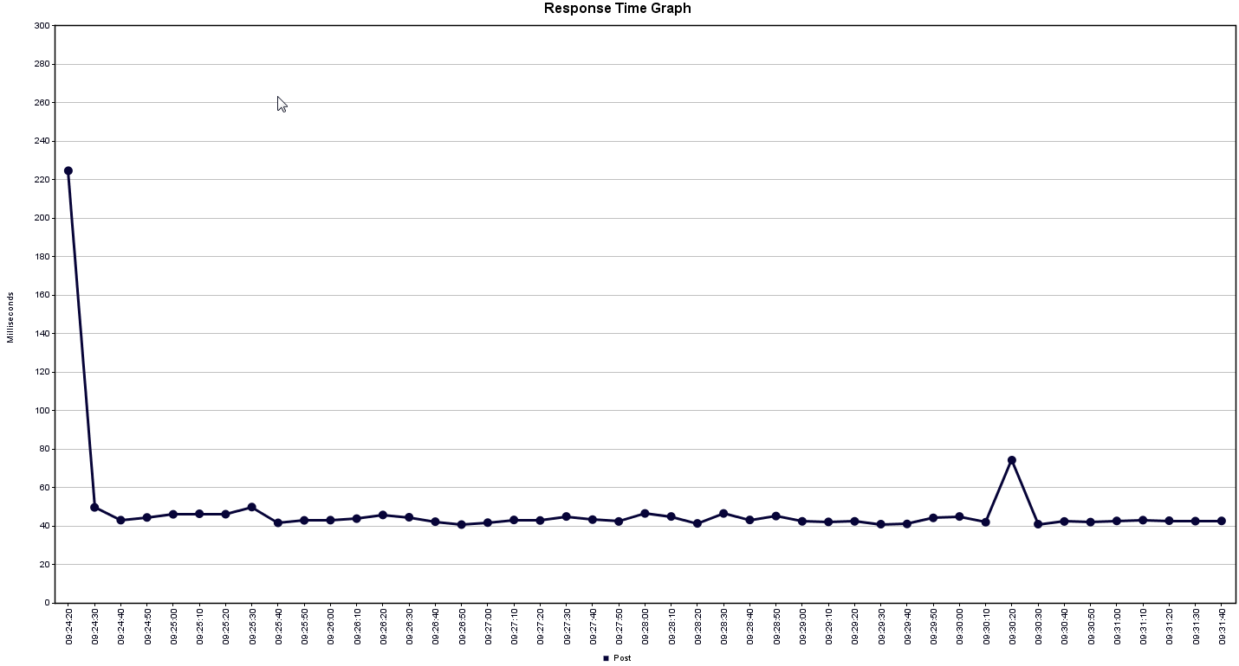
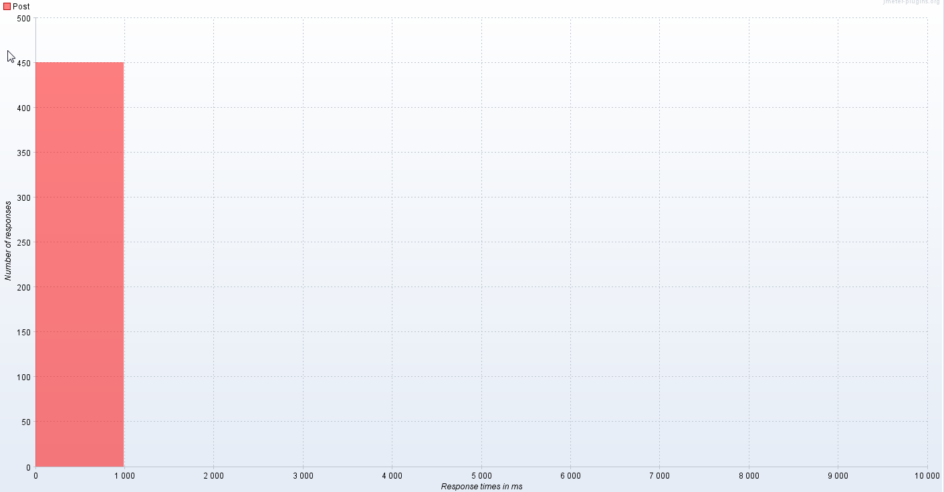
HERA version | Environment | Operation | Load Balancer | Number of Threads | Ramp up time | Loops | Threads per second | Label | Samples # | Average | Min | Max | Standard Deviation | Error % | Throughput | KB/sec | Avg. Bytes | Response times in ms | Post
2.4 | QA(ML7) | POST | No | 90 | 450 | 5 | 1 | Post | 450 | 43 | 37 | 79 | 7.0804840457 | 0 | 1.0104911436 | 0.37893417885 | 384 | 0 | 450
 |  |  |  |  |  |  |  | TOTAL | 450 | 43 | 37 | 79 | 7.0804840457 | 0 | 1.0104911436 | 0.37893417885 | 384

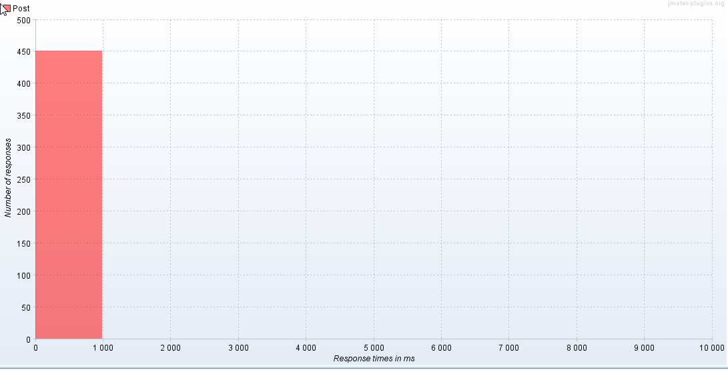

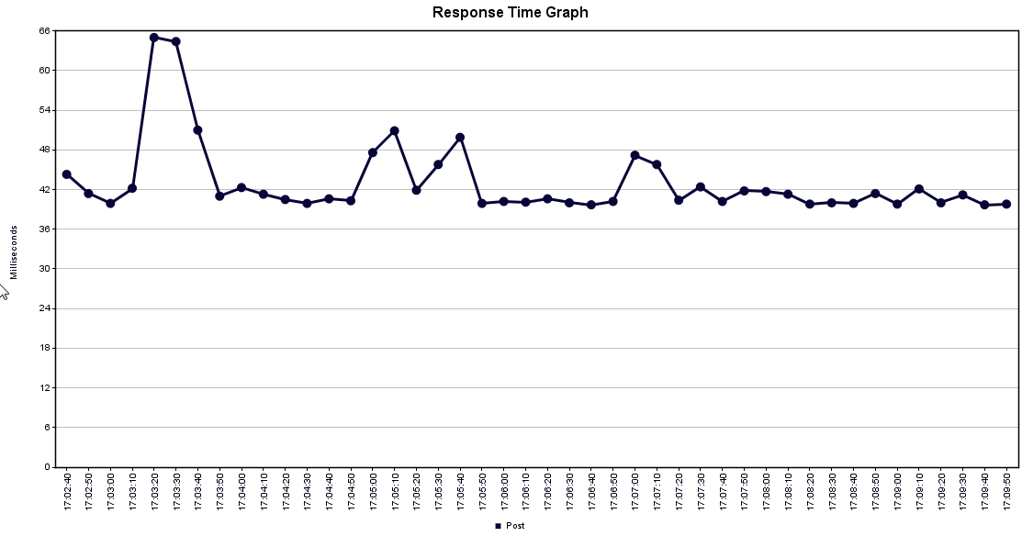

HERA version | Environment | Operation | Load Balancer | Number of Threads | Ramp up time | Loops | Threads per second | Label | Samples # | Average | Min | Max | Standard Deviation | Error % | Throughput | KB/sec | Avg. Bytes |  | Response times in ms | Post
2.4 | QA(ML7) | POST | Yes | 90 | 450 | 5 | 1 | Post | 450 | 46 | 39 | 904 | 43.225188416 | 0 | 1.0108021052 | 0.49750416114 | 504 |  | 0 | 450
 |  |  |  |  |  |  |  | TOTAL | 450 | 46 | 39 | 904 | 43.225188416 | 0 | 1.0108021052 | 0.49750416114 | 504

Get_ML7
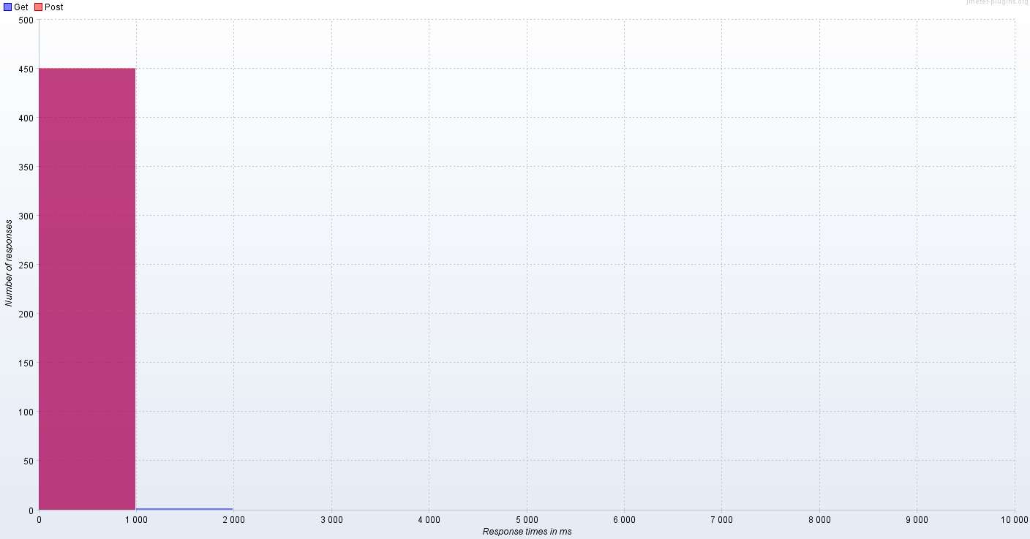
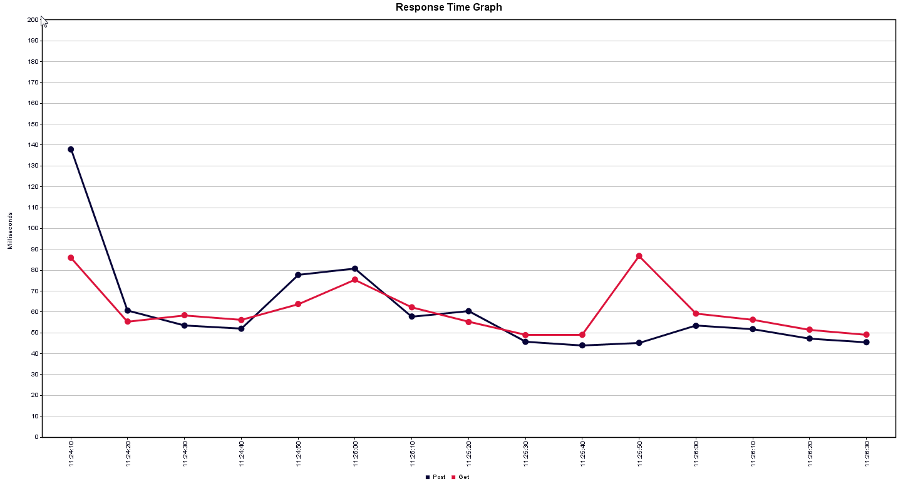
HERA version | Environment | Operation | Load Balancer | Number of Threads | Ramp up time | Loops | Threads per second | Label | Samples # | Average | Min | Max | Standard Deviation | Error % | Throughput | KB/sec | Avg. Bytes |  | Response times in ms | Get | Post
2.4 | QA(ML7) | GET | No | 90 | 150 | 5 | 3 | Post | 450 | 40 | 37 | 78 | 3.6525823775 | 0 | 3.0225888137 | 1.1334708052 | 384 |  | 0 | 450 | 450
 |  |  |  |  |  |  |  | Get | 450 | 43 | 35 | 302 | 16.557240779 | 0 | 3.0235636393 | 2.3503482977 | 796
 |  |  |  |  |  |  |  | TOTAL | 900 | 42 | 35 | 302 | 12.053075782 | 0 | 6.0434727137 | 3.482079005 | 590



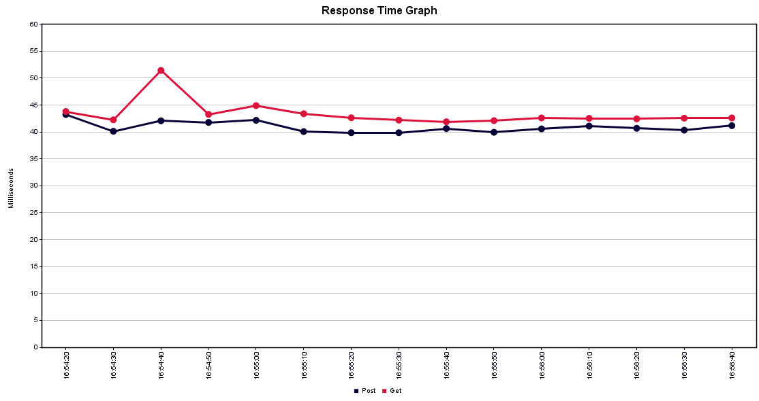

HERA version | Environment | Operation | Load Balancer | Number of Threads | Ramp up time | Loops | Threads per second | Label | Samples # | Average | Min | Max | Standard Deviation | Error % | Throughput | KB/sec | Avg. Bytes | Response times in ms | Get | Post
2.4 | QA(ML7) | GET | Yes | 90 | 150 | 5 | 3 | Post | 450 | 56 | 39 | 833 | 51.527421634 | 0 | 3.0215740386 | 1.4871809721 | 504 | 0 | 449 | 450
 |  |  |  |  |  |  |  | Get | 450 | 59 | 37 | 1074 | 57.689828318 | 0 | 3.0376875772 | 2.8596980707 | 964 | 1000 | 1
 |  |  |  |  |  |  |  | TOTAL | 900 | 58 | 37 | 1074 | 54.713767818 | 0 | 6.0408765983 | 4.3300814679 | 734

Put_ML7
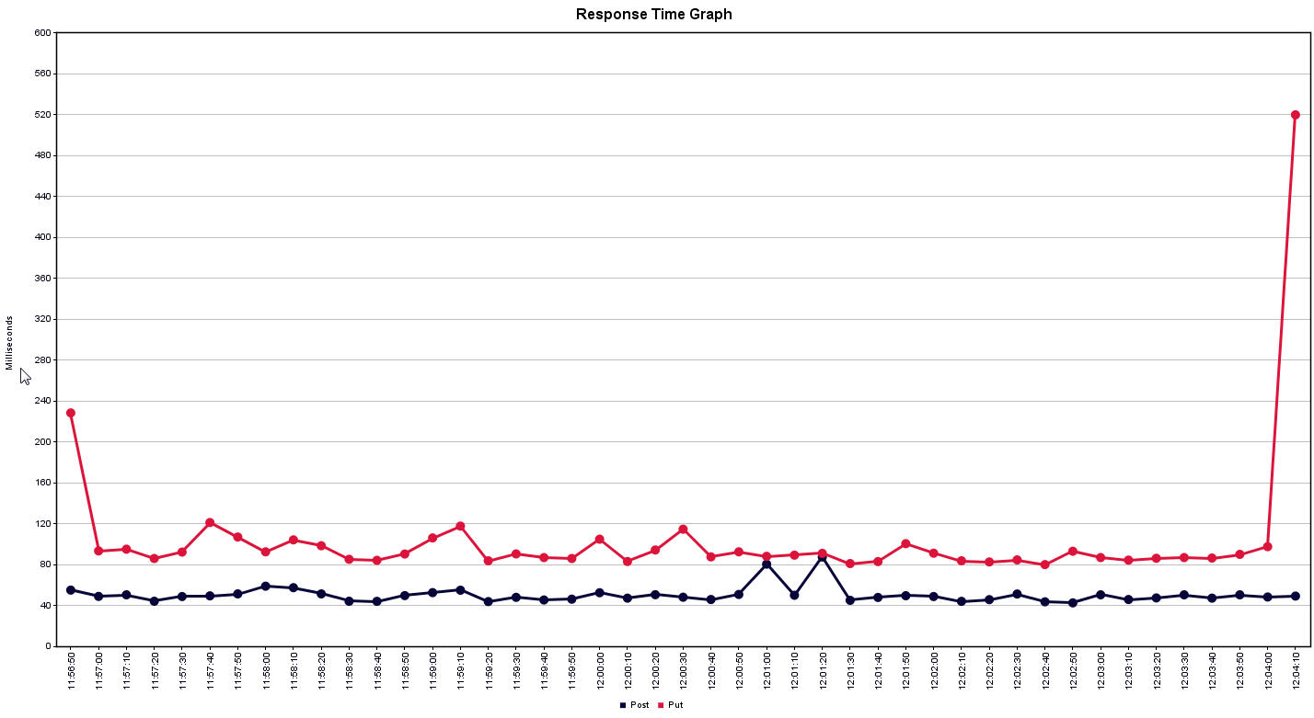
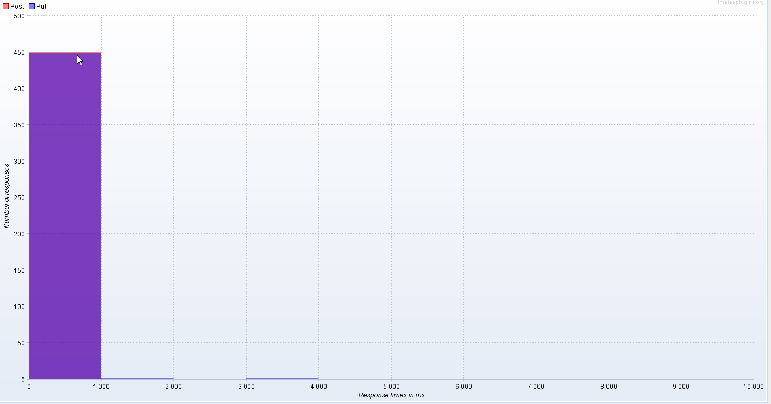
HERA version | Environment | Operation | Load Balancer | Number of Threads | Ramp up time | Loops | Threads per second | Label | Samples # | Average | Min | Max | Standard Deviation | Error % | Throughput | KB/sec | Avg. Bytes | Response times in ms | Post | Put
2.4 | QA(ML7) | POST and PUT together in 1 thread | No | 90 | 450 | 5 | 1 | Post | 450 | 43 | 38 | 750 | 33.697412364 | 0 | 1.0082180977 | 0.37808178665 | 384 | 0 | 450 | 449
 |  |  |  |  |  |  |  | Put | 450 | 79 | 65 | 1647 | 76.391389244 | 0 | 1.0097791501 | 0.37965329373 | 385
 |  |  |  |  |  |  |  | TOTAL | 900 | 61 | 38 | 1647 | 61.726981875 | 0 | 2.01604774 | 0.75700230081 | 384.5

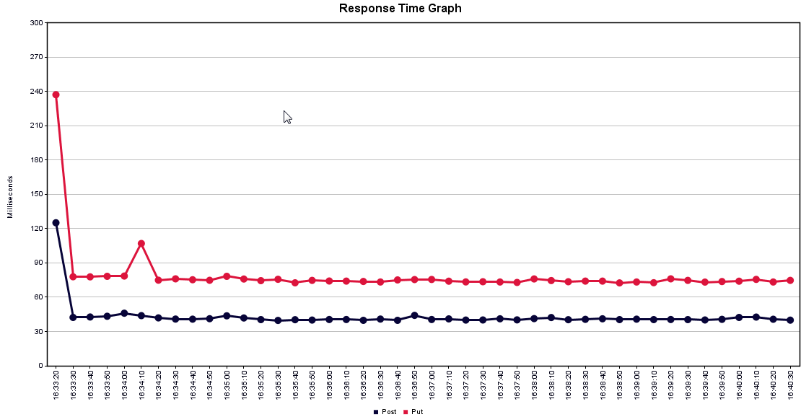



HERA version | Environment | Operation | Load Balancer | Number of Threads | Ramp up time | Loops | Threads per second | Label | Samples # | Average | Min | Max | Standard Deviation | Error % | Throughput | KB/sec | Avg. Bytes |  | Response times in ms | Post | Put
2.4 | QA(ML7) | POST and PUT together in 1 thread | Yes | 90 | 450 | 5 | 1 | Post | 450 | 50 | 39 | 391 | 23.305344165 | 0 | 1.0029799649 | 0.49365420148 | 504 |  | 0 | 450 | 448
 |  |  |  |  |  |  |  | Put | 450 | 101 | 68 | 3123 | 158.23758452 | 0 | 1.003114112 | 0.49469983064 | 505 |  | 1000 |  | 1
 |  |  |  |  |  |  |  | TOTAL | 900 | 75 | 39 | 3123 | 115.98040692 | 0 | 2.0056201935 | 0.98812049571 | 504.5 |  | 3000 |  | 1

Delete_ML7
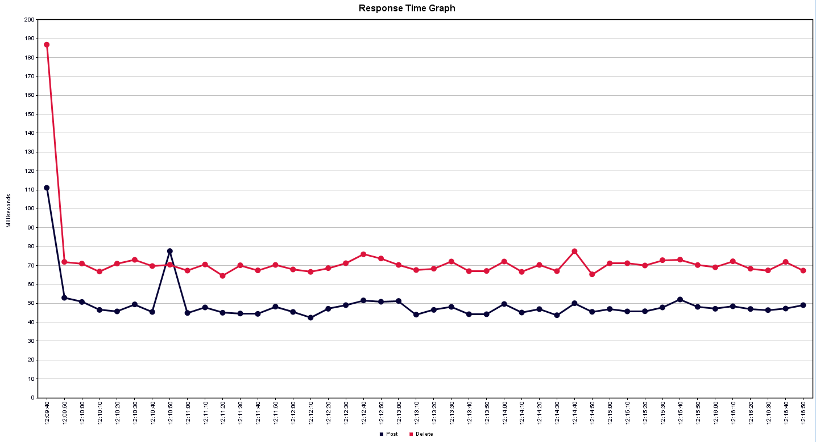

HERA version | Environment | Operation | Load Balancer | Number of Threads | Ramp up time | Loops | Threads per second | Label | Samples # | Average | Min | Max | Standard Deviation | Error % | Throughput | KB/sec | Avg. Bytes
2.4 | QA(ML7) | POST and DELETE together in 1 thread | No | 90 | 450 | 5 | 1 | Post | 450 | 41 | 38 | 345 | 14.810906225 | 0 | 1.0081909917 | 0.37807162189 | 384
 |  |  |  |  |  |  |  | Delete | 450 | 63 | 59 | 100 | 4.3879886559 | 0 | 1.0082090622 | 0.40466203572 | 411
 |  |  |  |  |  |  |  | TOTAL | 900 | 52 | 38 | 345 | 15.512146217 | 0 | 2.0160658044 | 0.78260366918 | 397.5



 |  |  |  |  |  |  |  |  |  |  |  |  |  |  |  |  |  | Response times in ms | Delete | Post
 |  |  |  |  |  |  |  |  |  |  |  |  |  |  |  |  |  | 0 | 450 | 450

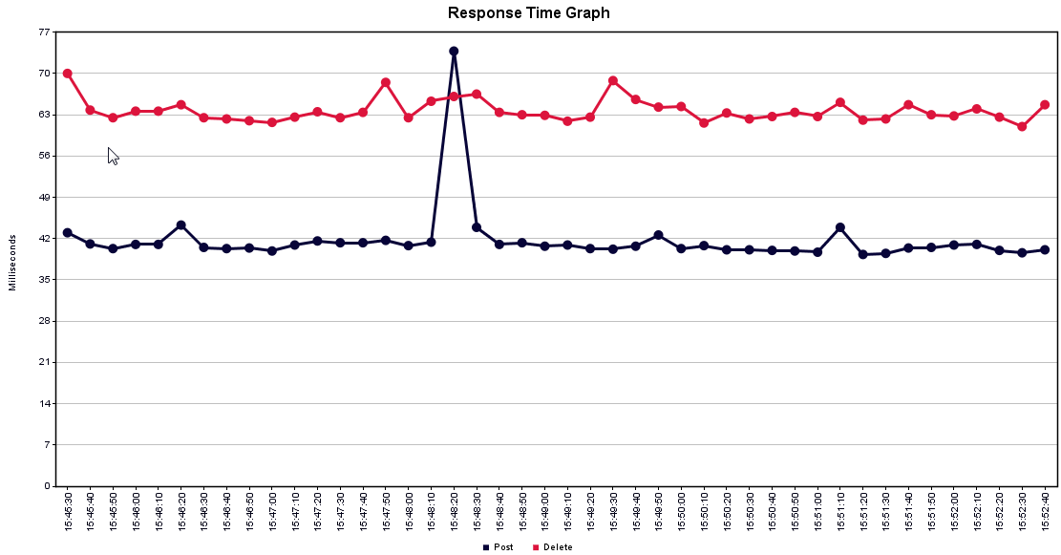

HERA version | Environment | Operation | Load Balancer | Number of Threads | Ramp up time | Loops | Threads per second | Label | Samples # | Average | Min | Max | Standard Deviation | Error % | Throughput | KB/sec | Avg. Bytes |  | Response times in ms | Delete | Post
2.4 | QA(ML7) | POST and DELETE together in 1 thread | Yes | 90 | 450 | 5 | 1 | Post | 450 | 49 | 39 | 563 | 28.669969577 | 0 | 1.0099128557 | 0.49706648369 | 504 |  | 0 | 449 | 450
 |  |  |  |  |  |  |  | Delete | 450 | 72 | 60 | 1138 | 50.667809734 | 0 | 1.0110269338 | 0.42948898065 | 435 |  | 1000 | 1
 |  |  |  |  |  |  |  | TOTAL | 900 | 60 | 39 | 1138 | 42.775584056 | 0 | 2.0194721997 | 0.92592011501 | 469.5

