dash board
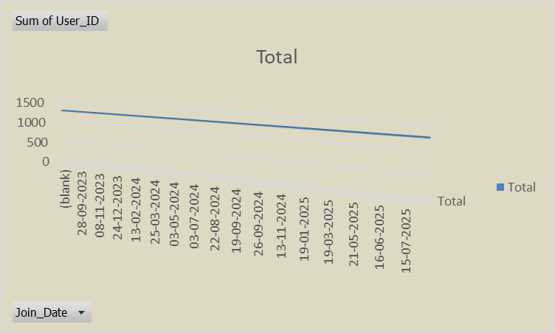
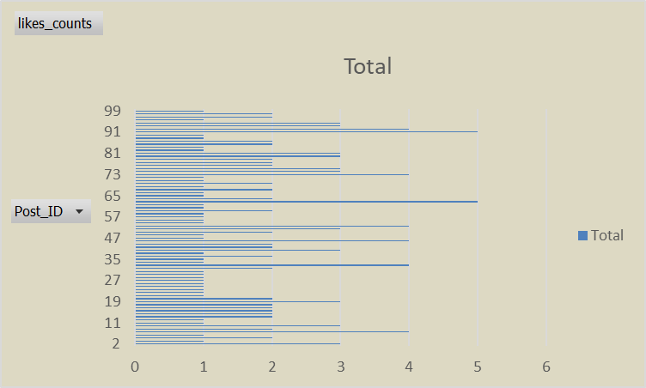
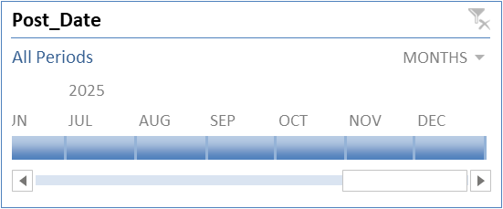
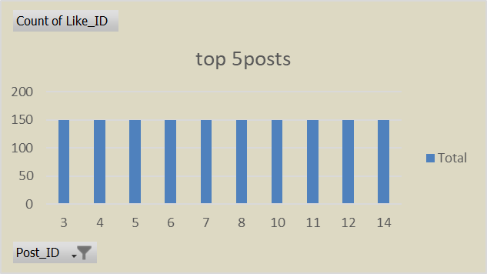
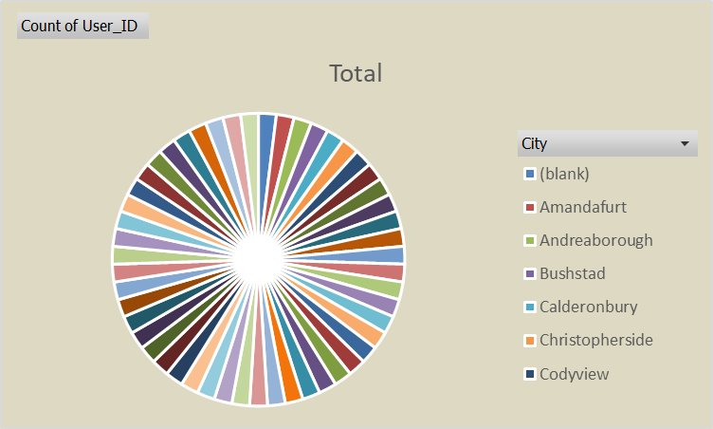
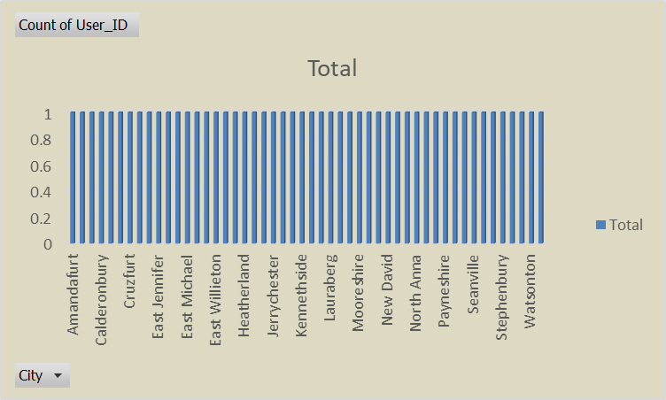
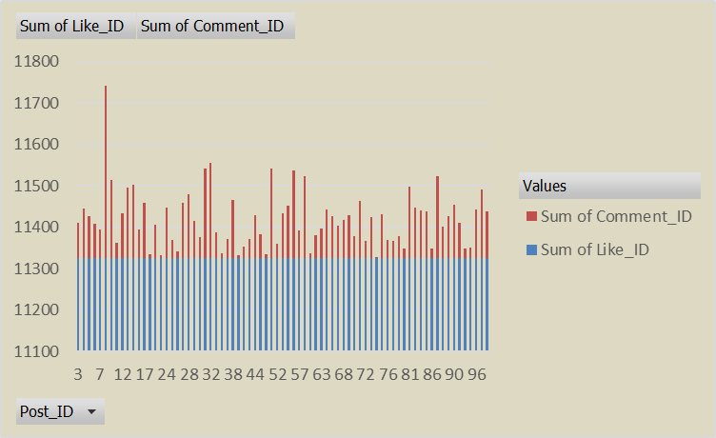
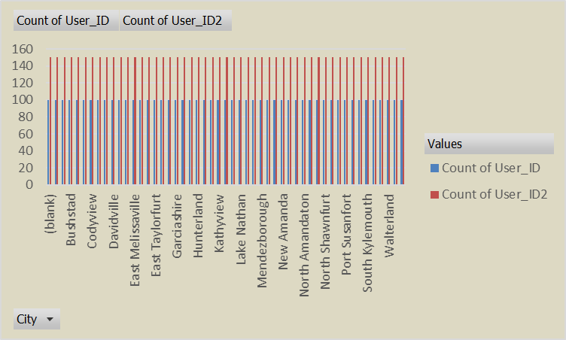
Social Media Insights Dashboard

Social Media Insights Dashboard

Total users | Total posts | Total likes | Total comments | Total friendships
50 | 100 | 150 | 120 | 80

Sheet10
Row Labels | Count of User_ID
(blank) | 50
Amandafurt | 50
Andreaborough | 50
Bushstad | 50
Calderonbury | 50
Christopherside | 50
Codyview | 50
Cruzfurt | 50
Danielhaven | 50
Davidville | 50
East Jennifer | 50
East Luisberg | 50
East Melissaville | 50
East Michael | 50
East Sharontown | 50
East Taylorfurt | 50
East Willieton | 50
Edwardsbury | 50
Garciashire | 50
Heatherland | 50
Hollandmouth | 50
Hunterland | 50
Jerrychester | 50
Josephshire | 50
Kathyview | 50
Kennethside | 50
Lake Eric | 50
Lake Nathan | 50
Lauraberg | 50
Leahborough | 50
Mendezborough | 50
Mooreshire | 50
Morrisfurt | 50
New Amanda | 50
New David | 50
New Krystal | 50
North Amandaton | 50
North Anna | 50
North Benjamin | 50
North Shawnfurt | 50
Payneshire | 50
Port Lanceland | 50
Port Susanfort | 50
Seanville | 50
South Brendafurt | 50
South Kylemouth | 50
Stephenbury | 50
Taraberg | 50
Walterland | 50
Watsonton | 50
West Richardchester | 50
Grand Total | 50

Sheet9
Row Labels | Sum of User_ID
(blank) | 1275
2023-09-24 | 1275
2023-09-25 | 1275
2023-09-28 | 1275
2023-10-18 | 1275
2023-11-07 | 1275
2023-11-08 | 1275
2023-12-05 | 1275
2023-12-08 | 1275
2023-12-24 | 1275
2024-01-26 | 1275
2024-01-28 | 1275
2024-02-13 | 1275
2024-02-22 | 1275
2024-03-21 | 1275
2024-03-25 | 1275
2024-04-12 | 1275
2024-04-23 | 1275
2024-05-03 | 1275
2024-05-14 | 1275
2024-06-21 | 1275
2024-07-03 | 1275
2024-07-08 | 1275
2024-08-15 | 1275
2024-08-22 | 1275
2024-09-01 | 1275
2024-09-13 | 1275
2024-09-19 | 1275
2024-09-21 | 1275
2024-09-24 | 1275
2024-09-26 | 1275
2024-10-22 | 1275
2024-10-31 | 1275
2024-11-13 | 1275
2024-12-03 | 1275
2025-01-12 | 1275
2025-01-19 | 1275
2025-02-15 | 1275
2025-03-07 | 1275
2025-03-19 | 1275
2025-04-02 | 1275
2025-04-21 | 1275
2025-05-21 | 1275
2025-05-26 | 1275
2025-06-12 | 1275
2025-06-16 | 1275
2025-07-08 | 1275
2025-07-10 | 1275
2025-07-15 | 1275
2025-08-14 | 1275
2025-08-24 | 1275
Grand Total | 1275

Sheet3
top 5posts
post_id | Count of Like_ID
3 | 150
4 | 150
5 | 150
6 | 150
7 | 150
8 | 150
10 | 150
11 | 150
12 | 150
14 | 150
Grand Total | 150

Sum of User_ID
1275

Sheet6
city | Count of User_ID | Count of User_ID2
(blank) | 100 | 150
Amandafurt | 100 | 150
Andreaborough | 100 | 150
Bushstad | 100 | 150
Calderonbury | 100 | 150
Christopherside | 100 | 150
Codyview | 100 | 150
Cruzfurt | 100 | 150
Danielhaven | 100 | 150
Davidville | 100 | 150
East Jennifer | 100 | 150
East Luisberg | 100 | 150
East Melissaville | 100 | 150
East Michael | 100 | 150
East Sharontown | 100 | 150
East Taylorfurt | 100 | 150
East Willieton | 100 | 150
Edwardsbury | 100 | 150
Garciashire | 100 | 150
Heatherland | 100 | 150
Hollandmouth | 100 | 150
Hunterland | 100 | 150
Jerrychester | 100 | 150
Josephshire | 100 | 150
Kathyview | 100 | 150
Kennethside | 100 | 150
Lake Eric | 100 | 150
Lake Nathan | 100 | 150
Lauraberg | 100 | 150
Leahborough | 100 | 150
Mendezborough | 100 | 150
Mooreshire | 100 | 150
Morrisfurt | 100 | 150
New Amanda | 100 | 150
New David | 100 | 150
New Krystal | 100 | 150
North Amandaton | 100 | 150
North Anna | 100 | 150
North Benjamin | 100 | 150
North Shawnfurt | 100 | 150
Payneshire | 100 | 150
Port Lanceland | 100 | 150
Port Susanfort | 100 | 150
Seanville | 100 | 150
South Brendafurt | 100 | 150
South Kylemouth | 100 | 150
Stephenbury | 100 | 150
Taraberg | 100 | 150
Walterland | 100 | 150
Watsonton | 100 | 150
West Richardchester | 100 | 150
Grand Total | 100 | 150

Sheet2
post_id | Sum of Like_ID | Sum of Comment_ID
3 | 11325 | 86
4 | 11325 | 120
5 | 11325 | 103
6 | 11325 | 84
7 | 11325 | 69
8 | 11325 | 416
10 | 11325 | 190
11 | 11325 | 37
12 | 11325 | 110
14 | 11325 | 171
15 | 11325 | 179
16 | 11325 | 70
17 | 11325 | 135
18 | 11325 | 11
19 | 11325 | 82
23 | 11325 | 8
24 | 11325 | 122
25 | 11325 | 45
26 | 11325 | 18
27 | 11325 | 135
28 | 11325 | 156
29 | 11325 | 90
30 | 11325 | 51
31 | 11325 | 216
32 | 11325 | 232
35 | 11325 | 63
36 | 11325 | 13
37 | 11325 | 46
38 | 11325 | 141
40 | 11325 | 7
42 | 11325 | 28
43 | 11325 | 47
44 | 11325 | 104
47 | 11325 | 59
50 | 11325 | 10
51 | 11325 | 217
52 | 11325 | 35
53 | 11325 | 109
55 | 11325 | 127
56 | 11325 | 212
57 | 11325 | 68
58 | 11325 | 198
60 | 11325 | 12
62 | 11325 | 57
63 | 11325 | 73
65 | 11325 | 118
66 | 11325 | 102
67 | 11325 | 80
68 | 11325 | 94
69 | 11325 | 105
70 | 11325 | 54
71 | 11325 | 139
72 | 11325 | 42
73 | 11325 | 99
74 | 11325 | 2
75 | 11325 | 106
76 | 11325 | 44
77 | 11325 | 43
78 | 11325 | 55
79 | 11325 | 25
81 | 11325 | 174
82 | 11325 | 123
84 | 11325 | 116
85 | 11325 | 114
86 | 11325 | 23
87 | 11325 | 198
88 | 11325 | 77
89 | 11325 | 103
90 | 11325 | 130
91 | 11325 | 85
92 | 11325 | 24
93 | 11325 | 26
96 | 11325 | 118
97 | 11325 | 166
99 | 11325 | 113
Grand Total | 11325 | 7260

Likes
Like_ID | User_ID | Post_ID | Like_Date | likes_given
1 | 30 | 33 | 2024-12-13 | 1
2 | 20 | 7 | 2024-09-23 | 1
3 | 10 | 78 | 2024-11-10 | 1
4 | 39 | 63 | 2025-06-11 | 1 | post_id | likes_counts
5 | 17 | 27 | 2024-10-10 | 2 | 2 | 3
6 | 20 | 87 | 2024-10-02 | 2 | 3 | 1
7 | 47 | 65 | 2025-08-13 | 1 | 4 | 2
8 | 35 | 90 | 2024-12-26 | 2 | 5 | 1
9 | 22 | 63 | 2025-05-24 | 2 | 7 | 4
10 | 47 | 96 | 2025-08-10 | 1 | 8 | 2
11 | 6 | 95 | 2025-02-10 | 1 | 10 | 3
12 | 22 | 50 | 2025-09-11 | 1 | 11 | 1
13 | 14 | 75 | 2024-11-29 | 1 | 12 | 1
14 | 39 | 2 | 2025-01-26 | 1 | 13 | 2
15 | 50 | 73 | 2025-04-25 | 2 | 14 | 2
16 | 7 | 99 | 2025-05-03 | 1 | 15 | 2
17 | 44 | 39 | 2024-12-28 | 1 | 16 | 2
18 | 24 | 34 | 2025-02-08 | 1 | 18 | 2
19 | 25 | 51 | 2025-07-20 | 1 | 19 | 3
20 | 26 | 75 | 2025-01-18 | 1 | 21 | 2
21 | 13 | 14 | 2024-12-11 | 1 | 22 | 1
22 | 10 | 30 | 2025-06-19 | 1 | 23 | 1
23 | 1 | 76 | 2024-11-04 | 1 | 24 | 1
24 | 5 | 92 | 2025-01-14 | 1 | 25 | 1
25 | 50 | 73 | 2025-03-24 | 1 | 26 | 1
26 | 38 | 96 | 2025-08-18 | 1 | 27 | 1
27 | 38 | 78 | 2024-11-22 | 2 | 28 | 1
28 | 40 | 62 | 2025-02-03 | 2 | 29 | 1
29 | 4 | 39 | 2025-08-11 | 2 | 30 | 1
30 | 41 | 19 | 2025-06-01 | 1 | 31 | 2
31 | 13 | 16 | 2024-12-10 | 2 | 33 | 4
32 | 20 | 81 | 2025-05-02 | 1 | 34 | 1
33 | 4 | 42 | 2025-03-19 | 1 | 35 | 1
34 | 37 | 31 | 2025-08-25 | 1 | 37 | 2
35 | 33 | 14 | 2024-12-07 | 1 | 38 | 1
36 | 10 | 80 | 2025-04-30 | 1 | 39 | 3
37 | 42 | 51 | 2025-09-14 | 1 | 40 | 2
38 | 48 | 12 | 2025-01-12 | 2 | 42 | 2
39 | 42 | 21 | 2025-08-26 | 1 | 46 | 4
40 | 46 | 73 | 2024-10-26 | 2 | 47 | 1
41 | 40 | 31 | 2024-09-25 | 1 | 48 | 1
42 | 15 | 63 | 2025-05-19 | 2 | 49 | 2
43 | 45 | 7 | 2025-07-13 | 2 | 50 | 3
44 | 28 | 28 | 2024-09-30 | 1 | 51 | 4
45 | 27 | 63 | 2024-11-28 | 2 | 52 | 1
46 | 14 | 37 | 2025-05-05 | 2 | 55 | 1
47 | 3 | 15 | 2024-10-08 | 2 | 57 | 1
48 | 7 | 70 | 2025-03-18 | 1 | 58 | 1
49 | 13 | 80 | 2024-10-29 | 1 | 59 | 2
50 | 30 | 21 | 2025-05-28 | 1 | 60 | 1
51 | 1 | 57 | 2025-02-09 | 3 | 62 | 1
52 | 20 | 24 | 2025-08-27 | 2 | 63 | 5
53 | 33 | 73 | 2024-10-28 | 1 | 64 | 2
54 | 27 | 51 | 2025-03-31 | 1 | 65 | 1
55 | 42 | 49 | 2025-02-26 | 1 | 67 | 1
56 | 36 | 23 | 2024-11-13 | 1 | 68 | 2
57 | 29 | 70 | 2024-12-10 | 2 | 69 | 1
58 | 7 | 77 | 2025-07-13 | 2 | 70 | 2
59 | 30 | 2 | 2024-10-05 | 1 | 71 | 1
60 | 28 | 59 | 2025-04-19 | 1 | 72 | 1
61 | 35 | 58 | 2024-11-21 | 1 | 73 | 4
62 | 10 | 89 | 2024-10-26 | 2 | 75 | 3
63 | 45 | 7 | 2025-04-02 | 1 | 76 | 3
64 | 33 | 91 | 2024-10-09 | 3 | 77 | 2
65 | 38 | 94 | 2025-03-06 | 1 | 78 | 2
66 | 1 | 91 | 2025-01-05 | 1 | 79 | 2
67 | 1 | 49 | 2025-06-28 | 1 | 80 | 3
68 | 10 | 18 | 2025-05-18 | 3 | 81 | 3
69 | 32 | 18 | 2025-02-05 | 1 | 82 | 1
70 | 17 | 91 | 2025-01-13 | 1 | 84 | 1
71 | 40 | 59 | 2025-03-28 | 1 | 85 | 2
72 | 17 | 46 | 2025-04-10 | 2 | 87 | 2
73 | 46 | 10 | 2024-09-19 | 1 | 89 | 1
74 | 11 | 13 | 2024-12-04 | 1 | 90 | 1
75 | 42 | 91 | 2024-10-04 | 2 | 91 | 5
76 | 17 | 94 | 2024-12-16 | 2 | 92 | 4
77 | 25 | 79 | 2025-03-09 | 2 | 93 | 3
78 | 42 | 15 | 2025-05-17 | 1 | 94 | 3
79 | 18 | 92 | 2024-12-20 | 1 | 95 | 1
80 | 17 | 93 | 2025-04-10 | 2 | 96 | 2
81 | 33 | 33 | 2024-09-27 | 2 | 98 | 2
82 | 6 | 76 | 2024-10-04 | 2 | 99 | 1
83 | 16 | 48 | 2025-08-27 | 2 | Grand Total | 150
84 | 21 | 50 | 2025-08-11 | 2
85 | 21 | 22 | 2025-03-09 | 2
86 | 23 | 76 | 2025-08-03 | 1
87 | 8 | 98 | 2025-09-05 | 2
88 | 11 | 64 | 2025-09-05 | 2
89 | 21 | 10 | 2025-07-19 | 1
90 | 38 | 40 | 2024-11-28 | 2
91 | 27 | 46 | 2025-04-04 | 1
92 | 14 | 16 | 2024-12-16 | 2
93 | 46 | 39 | 2025-05-05 | 2
94 | 4 | 13 | 2025-02-09 | 3
95 | 44 | 7 | 2025-01-08 | 1
96 | 42 | 29 | 2025-01-19 | 1
97 | 4 | 68 | 2025-07-08 | 1
98 | 18 | 93 | 2024-10-21 | 1
99 | 1 | 38 | 2024-10-09 | 3
100 | 21 | 71 | 2025-02-09 | 3
101 | 15 | 64 | 2025-01-30 | 1
102 | 36 | 69 | 2025-03-30 | 1
103 | 31 | 46 | 2024-10-08 | 2
104 | 21 | 10 | 2025-08-07 | 1
105 | 42 | 94 | 2024-11-24 | 1
106 | 7 | 93 | 2025-08-31 | 1
107 | 31 | 79 | 2025-05-18 | 3
108 | 3 | 42 | 2025-04-15 | 1
109 | 43 | 35 | 2025-01-03 | 1
110 | 48 | 46 | 2024-10-31 | 1
111 | 23 | 52 | 2024-10-09 | 3
112 | 39 | 2 | 2025-04-27 | 1
113 | 16 | 92 | 2025-05-27 | 1
114 | 10 | 77 | 2025-05-24 | 2
115 | 8 | 91 | 2025-09-16 | 1
116 | 1 | 37 | 2025-07-06 | 1
117 | 32 | 4 | 2024-11-26 | 2
118 | 46 | 8 | 2024-12-31 | 1
119 | 23 | 87 | 2025-04-24 | 1
120 | 41 | 92 | 2025-05-18 | 3
121 | 36 | 25 | 2025-02-07 | 1
122 | 11 | 5 | 2025-08-30 | 1
123 | 35 | 67 | 2025-06-03 | 1
124 | 10 | 63 | 2025-05-30 | 1
125 | 28 | 82 | 2025-04-16 | 1
126 | 21 | 3 | 2025-05-31 | 1
127 | 2 | 33 | 2024-11-02 | 1
128 | 14 | 75 | 2024-11-26 | 2
129 | 5 | 4 | 2025-05-19 | 2
130 | 45 | 8 | 2025-01-12 | 2
131 | 27 | 81 | 2025-07-26 | 1
132 | 17 | 50 | 2024-10-13 | 1
133 | 21 | 55 | 2025-03-05 | 1
134 | 4 | 47 | 2025-04-25 | 2
135 | 30 | 19 | 2024-12-12 | 2
136 | 26 | 68 | 2025-08-28 | 1
137 | 7 | 72 | 2024-11-22 | 2
138 | 32 | 84 | 2024-09-29 | 1
139 | 33 | 81 | 2024-12-26 | 2
140 | 50 | 98 | 2025-08-20 | 1
141 | 47 | 40 | 2025-01-29 | 1
142 | 47 | 85 | 2025-06-26 | 1
143 | 46 | 51 | 2025-01-15 | 1
144 | 50 | 19 | 2024-10-10 | 2
145 | 30 | 60 | 2025-04-05 | 1
146 | 30 | 85 | 2024-12-05 | 1
147 | 19 | 26 | 2024-10-02 | 2
148 | 29 | 11 | 2024-09-27 | 2
149 | 45 | 33 | 2024-12-12 | 2
150 | 17 | 80 | 2025-02-03 | 2

Sheet4
city | Count of User_ID
Amandafurt | 1
Andreaborough | 1
Bushstad | 1
Calderonbury | 1
Christopherside | 1
Codyview | 1
Cruzfurt | 1
Danielhaven | 1
Davidville | 1
East Jennifer | 1
East Luisberg | 1
East Melissaville | 1
East Michael | 1
East Sharontown | 1
East Taylorfurt | 1
East Willieton | 1
Edwardsbury | 1
Garciashire | 1
Heatherland | 1
Hollandmouth | 1
Hunterland | 1
Jerrychester | 1
Josephshire | 1
Kathyview | 1
Kennethside | 1
Lake Eric | 1
Lake Nathan | 1
Lauraberg | 1
Leahborough | 1
Mendezborough | 1
Mooreshire | 1
Morrisfurt | 1
New Amanda | 1
New David | 1
New Krystal | 1
North Amandaton | 1
North Anna | 1
North Benjamin | 1
North Shawnfurt | 1
Payneshire | 1
Port Lanceland | 1
Port Susanfort | 1
Seanville | 1
South Brendafurt | 1
South Kylemouth | 1
Stephenbury | 1
Taraberg | 1
Walterland | 1
Watsonton | 1
West Richardchester | 1
Grand Total | 50

