pivot tables
Average of Test_Scores |  | Average of Study_Hours |  | Average of Screen_Time |  | Count of Student_ID
70.966 |  | 2.5435 |  | 3.999 |  | 200

Row Labels | Sum of Test_Scores | Sum of Extra_Curricular_Hours | Sum of Screen_Time | age group | Max of Extra_Curricular_Hours | Sum of Test_Scores | Sum of Screen_Time
High (4-6 hrs) | 5733.45 | 307.9 | 799.8 | 17 | 2.8 | 2469.3 | 149.35
Low (0-2 hrs) | 1635.05 |  |  | 13–14 | 3.1 | 5639.4 | 299.7
Medium (2-4 hrs) | 5260.9 |  |  | 15–16 | 3.7 | 6084.5 | 350.75
Very High (6+ hrs) | 1563.8 |  |  | Grand Total | 3.7 | 14193.2 | 799.8
Grand Total | 14193.2

 |  |  |  |  | Sum of Test_Scores | Sum of Screen_Time
 |  |  |  |  | 14193.2 | 799.8

 |  |  |  |  | screen time range | Average of Test_Scores
 |  |  |  |  | 4+ | 70.966
 |  |  |  |  | Grand Total | 70.966

dash board
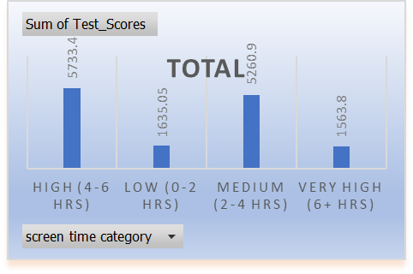
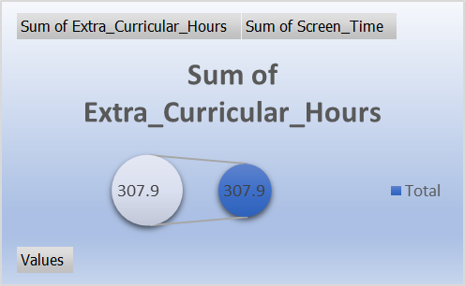
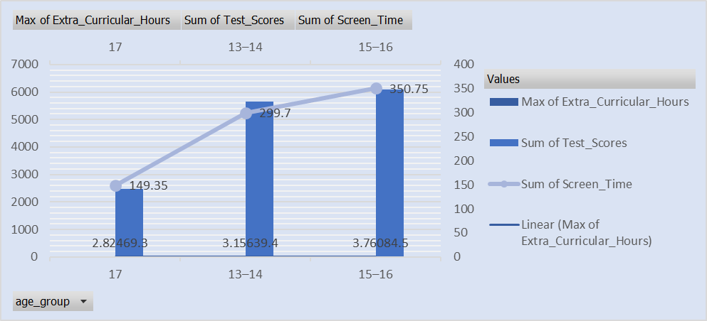
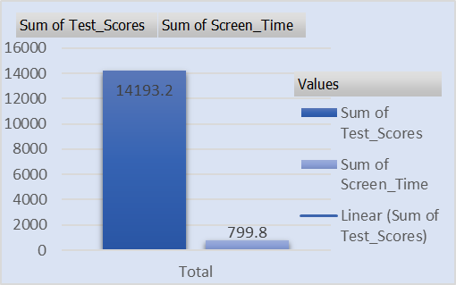
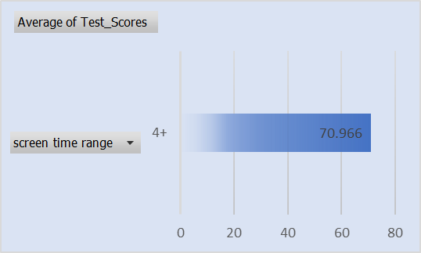
Student Performance & Screen Time Dashboard

Average of Study_Hours | Average of Screen_Time | Count of Student_ID | Average of Test_Scores
2.5435 | 3.999 | 200 | 70.966

