Sheet1
 |  |  | family size | Sum of Appliances_Count | Sum of Monthly_Income
 |  |  | 1 | 289 | 2076327
 |  |  | 2 | 210 | 1789715
 |  |  | 3 | 255 | 2018422
 |  |  | 4 | 375 | 2661379
 |  |  | 5 | 245 | 1816240
 |  |  | 6 | 280 | 2042239
 |  |  | 7 | 324 | 2544027
 |  |  | Grand Total | 1978 | 14948349

Sum of Gas_Usage | Sum of Family_Size | Sum of Monthly_Income
30816 | 1023 | 14948349 |  | Row Labels | Sum of Family_Size | Sum of Electricity_Usage (kWh)
 |  |  |  | high | 406 | 29232
 |  |  |  | low | 255 | 20227
 |  |  |  | medium | 362 | 25876
 |  |  |  | Grand Total | 1023 | 75335

Sheet2
 | Sum of Gas_Usage | Sum of Electricity_Usage (kWh)
Jan | 3081 | 6909
Feb | 3018 | 8380
Mar | 2759 | 6244
Apr | 1661 | 4087
May | 2890 | 6885
Jun | 2371 | 6784
Jul | 3051 | 7648
Aug | 2525 | 5086
Sep | 2398 | 5131
Oct | 2623 | 7484
Nov | 2117 | 5454
Dec | 2322 | 5243

Sheet3
house hold usages | Sum of 301.34
average gas usage | 123.264
avg usage by family size | 330.625
avg usage of appliances | 7.912
electricity 80th percent | 429.4
gas 80 percent | 167
households with 7 appliances | 21
maximum electricity usage | 500
total touse holds | 251
Grand Total | 1830.201

Sheet4
Family_Size | Monthly_Income | Forecast(Monthly_Income) | Lower Confidence Bound(Monthly_Income) | Upper Confidence Bound(Monthly_Income)
1 | 57675.75
2 | 59657.166667
3 | 63075.6875
4 | 59141.755556
5 | 56757.5
6 | 60065.852941
7 | 62049.439024 | 62049.439024 | 62049.44 | 62049.44
8 |  | 60275.312871 | 55736.35 | 64814.27
9 |  | 60554.117195 | 55992.06 | 65116.17

 | Monthly_Income | Forecast(Monthly_Income) | Lower Confidence Bound(Monthly_Income) | Upper Confidence Bound(Monthly_Income)
 | 57675.75
 | 59657.166667
 | 63075.6875
 | 59141.755556
 | 56757.5
 | 60065.852941
 | 62049.439024 | 62049.439024 | 62049.439024 | 62049.439024
 |  | 60275.312871 | 55736.352333 | 64814.273409
 |  | 60554.117195 | 55992.06443 | 65116.16996

sheet 7
Sum of Gas_Usage | monthly usage | Sum of Family_Size
30816 | 14948349 | 1023

DAY_1
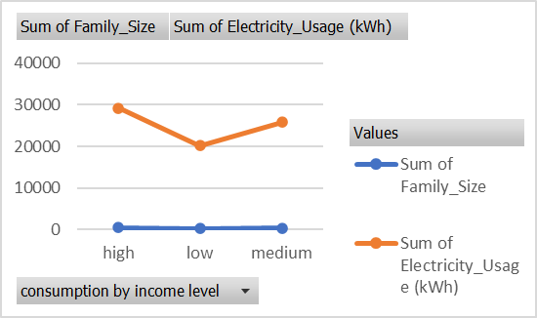
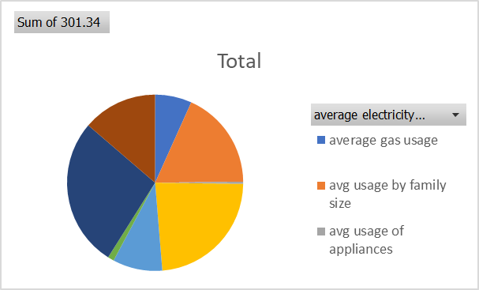
HouseHold energy Consumption Analysis
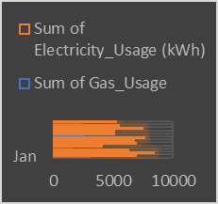
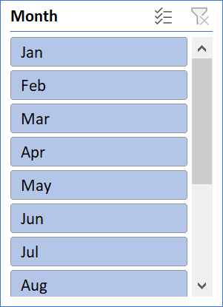
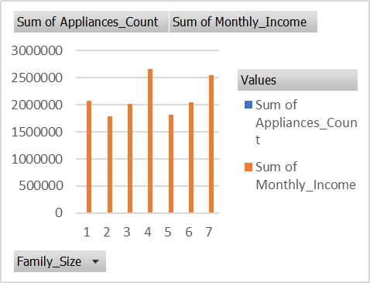
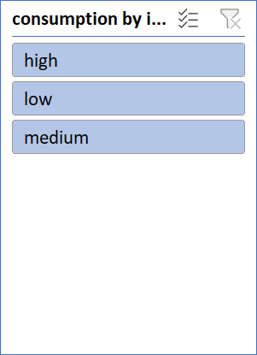

 | Sum of Gas_Usage | Sum of Family_Size | Sum of Monthly_Income
Total | 30816 | 1023 | 14948349

