exploratory data analysis
soil type | Average of Yield_Tons/ha |  | yield_category | Average of Fertilizer_kg/ha
Clay | 5.0829166143 |  | High Yield | 217.76334404
Loam | 4.980275203 |  | Low Yield | 156.52189629
Sandy | 5.0791907682 |  | Medium Yield | 181.93846037
Grand Total | 5.0474326169 |  | Grand Total | 196.16550041

Average of Yield_Tons/ha | Column Labels |  |  |  | Average of Temperature_C | Average of Rainfall_mm | Average of Fertilizer_kg/ha
year | Clay | Loam | Sandy | Grand Total | 21.804280361 | 615.62049761 | 196.16550041
2015 | 4.3563729907 | 3.6433844456 | 5.2997661048 | 4.3234800246
2016 | 5.1153761229 | 4.18001561 | 5.6665770681 | 5.0348115998
2017 | 5.7675742548 | 5.2025711465 | 4.7633746024 | 5.2489209333
2018 | 5.758818074 | 5.4853356739 | 5.9160275807 | 5.6961331147
2019 | 5.6236327444 | 4.9827472149 | 4.6445909733 | 5.2186509193
2020 | 5.7547773263 | 5.1444292943 | 4.2460872915 | 5.048431304
2021 | 4.5026317433 | 5.0382076868 | 5.2418072118 | 4.985089997
2022 | 4.9967407265 | 4.478304314 | 5.7144061063 | 5.0487135006
2023 | 4.8370815472 | 5.4748325647 | 3.7091565546 | 4.7464256043
2024 | 4.1904623528 | 6.22533834 | 5.2977121051 | 5.3386337559
Grand Total | 5.0829166143 | 4.980275203 | 5.0791907682 | 5.0474326169

aggregations
soil type | Average of Rainfall_mm | Average of Temperature_C | Average of Fertilizer_kg/ha
Clay | 616.63246866 | 21.706329701 | 196.16694566
Loam | 611.31595373 | 21.996100268 | 199.38734584
Sandy | 619.23945662 | 21.709304346 | 192.5049819
Grand Total | 615.62049761 | 21.804280361 | 196.16550041

 |  |  |  | soil type | Average of Yield_Tons/ha | Average of Fertilizer_kg/ha
 |  |  |  | Clay | 5.0829166143 | 196.16694566
 |  |  |  | Loam | 4.980275203 | 199.38734584
 |  |  |  | Sandy | 5.0791907682 | 192.5049819
 |  |  |  | Grand Total | 5.0474326169 | 196.16550041

dash board
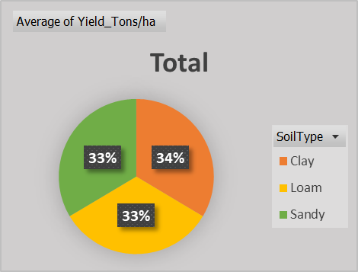
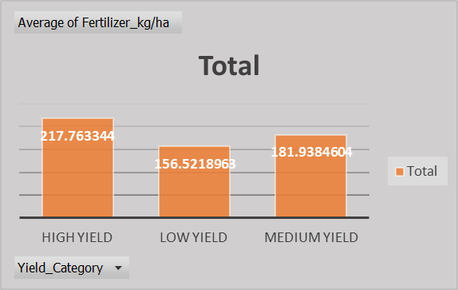
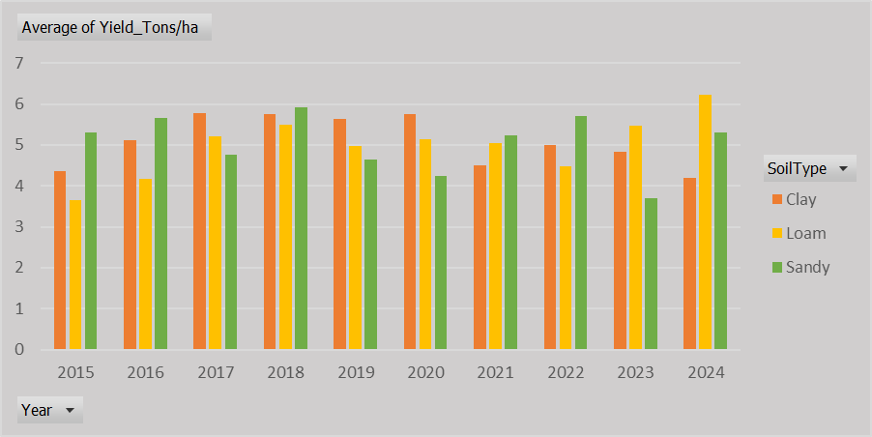
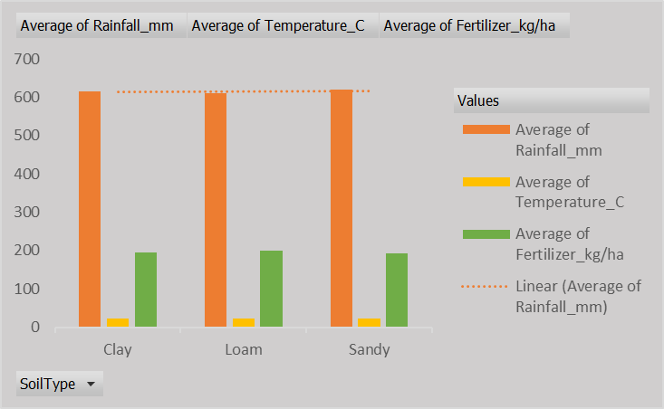
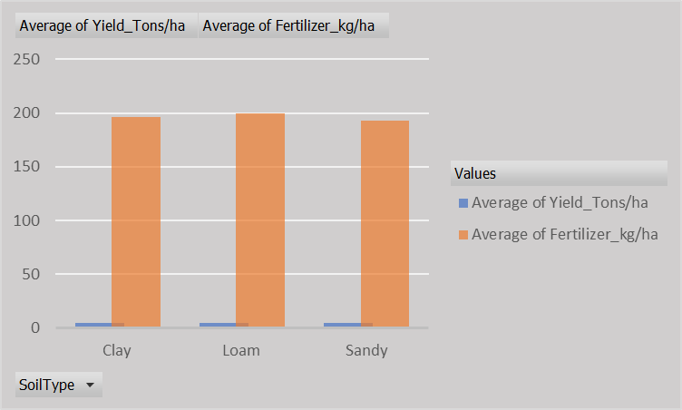
📊 Yield & Fertilizer Analysis Dashboard

Average of Temperature_C | Average of Rainfall_mm | Average of Fertilizer_kg/ha
21.804280361 | 615.62049761 | 196.16550041

