dash board
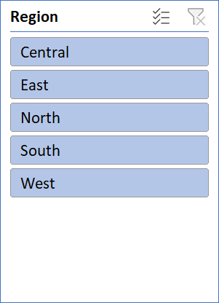
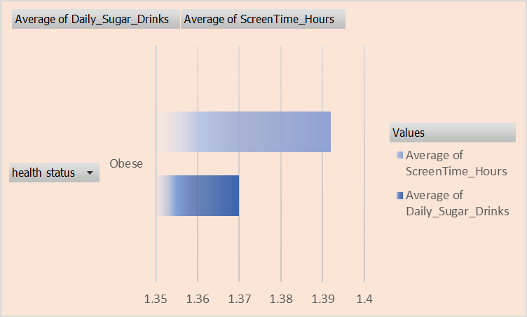
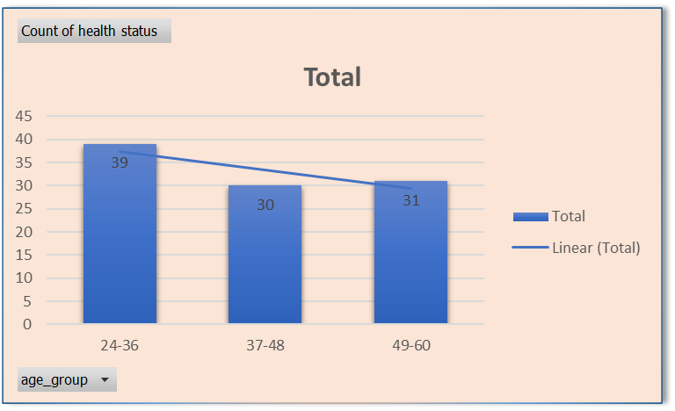
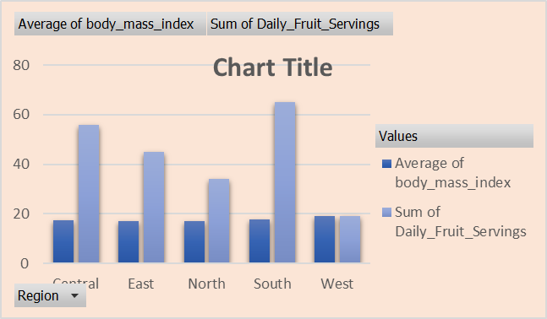
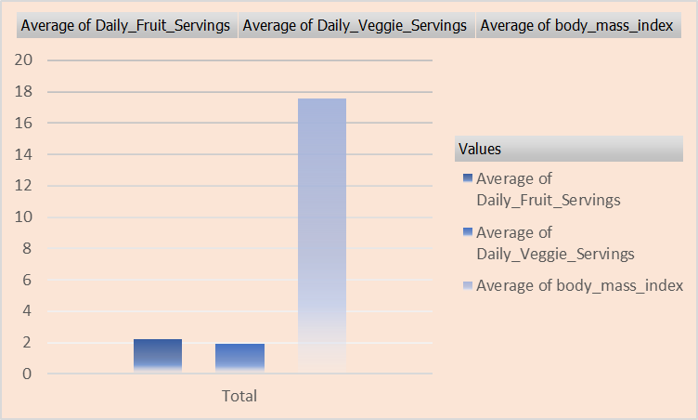
Healthy_kids nutritions and growth anylysis

regional differances
region | Average of body_mass_index | Sum of Daily_Fruit_Servings
Central | 17.398361399 | 56
East | 16.954302297 | 45
North | 17.165971393 | 34
South | 17.911316466 | 65
West | 18.960619675 | 19
Grand Total | 17.586441997 | 219

corelation of sugar and screen
health status | Average of Daily_Sugar_Drinks | Average of ScreenTime_Hours
Obese | 1.37 | 1.392
Grand Total | 1.37 | 1.392

nutrient intake vs bmi
Average of Daily_Fruit_Servings | Average of Daily_Veggie_Servings | Average of body_mass_index
2.19 | 1.9 | 17.586441997

health status by age group
age group | Count of health status
24-36 | 39
37-48 | 30
49-60 | 31
Grand Total | 100

