Sheet1
Aparna Property Management Services Pvt. Ltd.,
Site Name:Aparna Sarovar Grande |  | Lights Data
S.No | Type of Light Fitting | Location | Make | Model | Picture | Watts | Quntity | Unit Rate | Value INR | Total Value | Remarks
1 | LED IP-65, Size:690mm/1290mm | Entrance Pilon | MLL | MLSS LED 152, COLOR: 3000K |  | 24W | 16 | 7700 | 123200 | 141064
2 | Landscaping, Liner Wall washer | Club House | k-Lite | 3094, Fittining Color:Silver, Lamp Color: Warm White(3000k) | 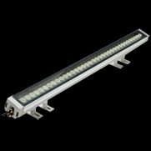 | 24W | 36 | 6283 | 226188 | 230712
3 | Down Light | Entrance Plaza & Club House | Hybec | LCL-337, Fitting Color:Half White, Lamp Color:Natural White(4000k) |  | 15W | 105 | 1800 | 189000 | 2378222
4 | Down Light | Entrance Plaza & Club House | Hybec | LCL-320, Fitting Color:Half White, Lamp Color:Natural White(4000k) |  | 8W | 15 | 1247 | 18705
5 | Decorative Light | Marketing Office & Model Flat | MLL | 1010, Fitting Color:White, Lamp Color:Cool White(4400k) |  | 7W | 12 | 1363 | 16356 | 117317
6 | Decorative Light | Marketing Office & Model Flat | MLL | 032, Fitting Color:White, Lamp Color:Cool White(4400k) |  | 15W | 8 | 3243 | 25944
7 | Decorative Light | Marketing Office & Model Flat | MLL | 1051, Fitting Color:White, Lamp Color:Cool White(4400k) |  | 12W | 12 | 2350 | 28200
8 | Decorative Light | Marketing Office & Model Flat | MLL | VENCEPSTAR, Fitting Color:White, Lamp Color:Cool White(4400k) |  | 18w | 40 | 799 | 31960
9 | Recessed Ceiling Light | Security Cabin & Entrance Gate Lighting | Hybec | HLR-2314 |  | 11W | 22 | 1314 | 28908 | 29486
10 | Flood Light Outdoor | - | k-Lite | 6812, LED Fitting Color:Suzuki silver, Lamp Color:Warm White(3000k) | 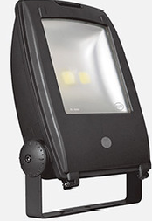 | 2*50W | 6 | 8954 | 53724 | 54798
11 | Down Light | E,F,G,H,I Blocks Lift Lobby | Fortuneart | X115NMW, Color:Warm White(3000K) |  | 15W | 115 | 1134.75 | 130496.25 | 149418
12 | Landscaping, Post Top | Landscaping Lighting | k-Lite | 5026, Fitting Color: Suzuki Silver, Lamp Color: Warm White (3000k) |  | 30W | 135 | 11614 | 1567890 | 3744773
13 | Landscaping, Post Top Pole | Landscaping Lighting | k-Lite | KP-4291 |  | 10ft | 135 | 6955 | 938925
14 | Landscaping, Bollard Light Fitting LED | Landscaping Lighting | k-Lite | 6963 L1, LED Fitting Color:Suzuki Silver, Lamp Color:Warm White(3000k) |  | 8W | 89 | 3534 | 314526
15 | Landscaping, Burried up Light Fitting LED | Landscaping Lighting | k-Lite | 7055, Fitting Color:Suzuki Silver, Lamp Color:Warm White(3000k) |  | 7*1W | 8 | 3209 | 25672
16 | Ramp Wall Bracket | Ramps | k-Lite | 2743,LED Fitting Color:Suzuki Silver, Lamp Color:Warm White(3000k) | 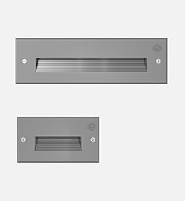 | 12W | 152 | 2229 | 338808
17 | Landscaping, Down Light | Landscaping Lighting | k-Lite | 7899, Fitting Color:Suzuki Silver, Lamp Color:Warm White(3000k) |  | 18W | 40 | 5914 | 236560
18 | Flood Light Outdoor | Landscaping Lighting | k-Lite | 6812, Fitting Color:Suzuki Silver, Lamp Color:Warm White(3000k) |  | 2*50W | 10 | 8954 | 89540
19 | Landscaping, Shrub up Light Fitting LED | Landscaping Lighting | k-Lite | 7054, Fitting Color:Suzuki Silver, Lamp Color:Warm White(3000k) | 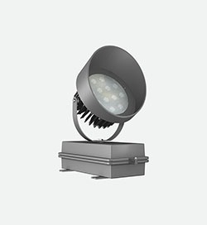 | 38W | 3 | 7997 | 23991
20 | Focus UP Lights | Landscaping Lighting | k-Lite | 7897, Fitting Color:Suzuki Silver, Lamp Color:Warm White(3000k) | 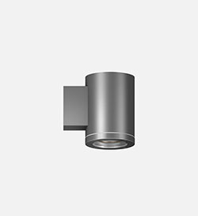 | 7W | 38 | 3063 | 116394
21 | Ceiling Light LED | Landscaping Lighting | k-Lite | 4045, Fitting Color:Suzuki Silver, Lamp Color:Warm White(3000k) |  | 12W | 8 | 2380 | 19040
22 | Street Lighting | Landscaping Lighting | Schreder | Teceo1, Fitting Color:Suzuki Silver, Lamp Color:N W(4000k) |  | 41W | 43 | 17157 | 737751 | 752506
23 | Down Light | Club House | Hybec | LLC-337, LED Frame Color:Half White, LED Chip Color:Natural White (4000k) |  | 15W | 530 | 1800 | 954000 | 1172597
24 | Down Light | Club House | Hybec | LLC-320, LED Frame Color:Half White, LED Chip Color:Natural White (4000k) |  | 8W | 55 | 1247 | 68585
25 | Down Light | Club House | Hybec | EB-9314, LED Frame Color:Half White, LED Chip Color:Natural White (4000k) |  | 3W | 365 | 348 | 127020
26 | Down Light | Club House | Luminac | LF-LL-535,LED Frame Color:Half White, LED Chip Color:Natural White (4000k) | 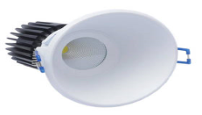 | 15W | 100 | 2140 | 214000 | 245030
27 | Indoor 4*TL5 Essential Lamp | Badminten Court | Philips | TPS 325/428 HF |  | 28W Lamp | 32 | 3640 | 116480 | 131213
28 | Tube Light LampT5 | Badminten Court | Philips | T5 | 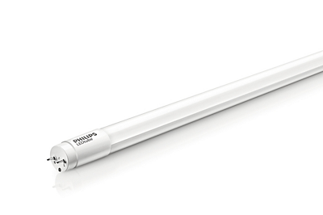 | 28W | 128 | 95 | 1216
29 | LED Down Light | A,B,C,D Entrance Looby Lighting | Fortuneart | X115NMW, Color:Warm White(3000K) |  | 15W | 50 | 1134.75 | 56737.5 | 64964
30 | LED Celling Mount Light | Common Area-Corridor | SYSKA | SSK-SDC15-WHT, Fitting Type:Round, Fitting Color:White, Lamp Color:Warm White(3000k) |  | 15W | 1760 | 1300 | 2288000 | 3731415
31 | LED 2' Feet Tube Light | Common Area-Stair Case | SYSKA | SSK-T5, Aluminum Body, Lamp Color:Warm White(3000k) |  | 12W | 785 | 400 | 314000
32 | LED 4' Feet Tube Light | Common Area- Cellar & Sub-Cellar | SYSKA | SSK-T5, Aluminum Body, Lamp Color:Cool White(6500k) |  | 22W | 1625 | 650 | 1056250
33 | Wall Light With Edison Lamp | Club House Entrance Lobby | - | Size:H-500 * Base-275 * Top Width-350mm, Fitting Color:Black, Lamp Color: Warm White(3000k) | 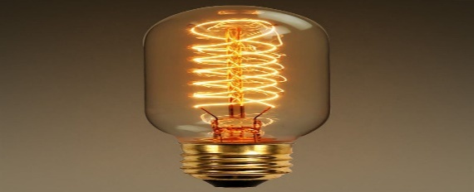 | 40W | 5 | 4800 | 24000 | 27480
34 | MS Sports Light Pole (9Mtrs. Double arm) | Tennis & Basketball Courts |  | M.S Tubular Swaged Sports Pole of length 9Mts as Double arm with base plate of size 400 * 400 *16 mm thickness including necessary wiring with 6A SP MCB control with neutral link, 3way terminal and inbuilt MS junction Box. Size:Bottom:140mm * 4.5mm * 6 Mtrs. Top:114mm * 3.65mm *3Mtrs Paint:primary with two coats epoxy primer and met silver paint. Inclusive of foundation bolts. Weight-158Kgs. |  | Double arm | 6 | 17300 | 103800 | 194650
35 | MS Sports Light Pole (9Mtrs. Single arm) | Tennis & Basketball Courts |  | M.S Tubular Swaged Sports Pole of length 9Mts as Single arm with base plate of size 400 * 400 *16 mm thickness including necessary wiring with 6A SP MCB control with neutral link, 3way terminal and inbuilt MS junction Box. Size:Bottom:140mm * 4.5mm * 6 Mtrs. Top:114mm * 3.65mm *3Mtrs Paint:primary with two coats epoxy primer and met silver paint. Inclusive of foundation bolts. Weight-158Kgs. |  | Single arm | 4 | 16550 | 66200
36 | MS Sports Light Pole (8Mtrs. Single arm) | Landscaping Lighting | - | M.S Tubular Swaged Street Light Pole of length 8Mts as Single arm with base plate of size 350 * 350 *16 mm thickness )with required size foundation bolts, including necessary wiring with 6A SP MCB control with neutral link, 3way terminal and inbuilt MS junction Box. Bottom primary with epoxy coating and two coats of suzuki silver paint (60 Microns), Weight -110Kgs, OD:Top-89mm, Middle:114mm, Bottom-164mm. Thickness:Top-3.2mm, Middle-3.65mm, Bottom-4.5mm |  | Single arm | 27 | 12300 | 332100 | 497503
37 | MS Sports Light Pole (8Mtrs. Double arm) | Landscaping Lighting | - | M.S Tubular Swaged Street Light Pole of length 8Mts as Double arm with base plate of size 350 * 350 *16 mm thickness )with required size foundation bolts, including necessary wiring with 6A SP MCB control with neutral link, 3way terminal and inbuilt MS junction Box. Bottom primary with epoxy coating and two coats of suzuki silver paint (60 Microns), Weight -113Kgs, OD:Top-89mm, Middle:114mm, Bottom-164mm. Thickness:Top-3.2mm, Middle-3.65mm, Bottom-4.5mm |  | Double arm | 8 | 12800 | 102400

