Sheet1
S.NO. | DESCRIPTION | MAKE | NAME | CODE | SIZE | PHOTO
1 |  | AGL | MONZA GREY |  | 600X600 MM
2 |  | ITALIAN MARBLE | SWISS WHITE SONATA
3 |  | ITALIAN MARBLE | SWISS GREY SONATA
4 |  | THANDUR | THANDUR STONE |  | 600X600 MM
5 |  | SIMPOLO | LACEWOOD MOKA |  | 600X1200 MM
6 |  | SIMPOLO | LACE WOOD BROWN |  | 600X1200 MM
7 |  | SIMPOLO | TOZZITO GREEZ |  | 600X1200 MM |  |  | 
8 |  | SIMPOLO | MONTANA BLACK |  | 600X600 MM | 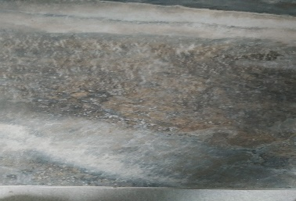 | 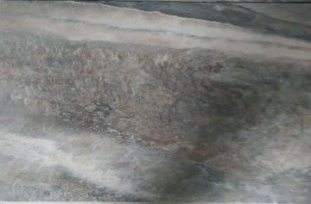
9 |  | SIMPOLO | ARMANI BEIGE |  | 600X600 MM
10 |  | SIMPOLO | ARMANI DÉCOR |  | 600X600 MM
11 |  | SIMPOLO | PIETRA TAUPE |  | 600X600 MM
12 |  | AGL | ROMAN GREY |  | 600X600 MM
13 |  | SIMPOLO | CASTLE BROWN |  | 600X600 MM | 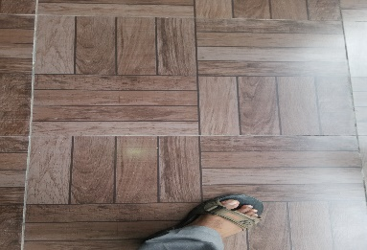 | 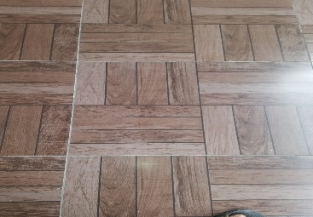 | 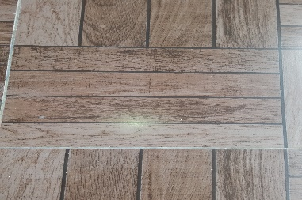
14 |  | ITALIAN MARBLE | IVORY DYNA
15 |  | SIMPOLO | SUN SET MOKA |  | 600X600 MM |  | 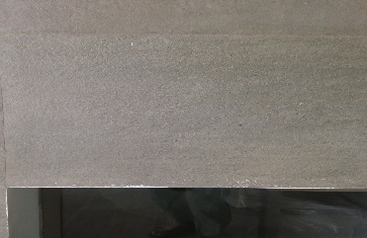
16 |  | CERAMIC | MUSE WHITE |  | 300X600 MM
17 |  | AGL | TORRITO XXL |  | 800X1200 |  | 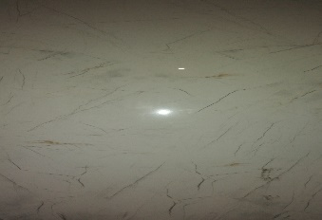
18 |  | ITALIAN MARBLE | GREY SONATA |  | 75 MM Strip

