Fire DG
Aparna Property Management Services Pvt Ltd |  |  |  |  |  |  |  |  |  | Specific gravity meter
Fire DG Batterys Status |  |  |  |  |  |  |  |  |  | 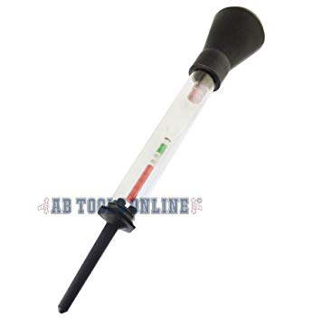
AMC Monthly Status of March
BLOCKS | BATTEERY VOLTAGE | BATTERY SELF - V | BATTERY GRAVITY |  |  |  |  |  | REMARKS
 |  |  | 1 | 2 | 3 | 4 | 5 | 6
Block - A
Block - B
Block - C |  |  |  |  |  |  |  |  |  | Gravity meter level status
Block - D |  |  |  |  |  |  |  |  |  | 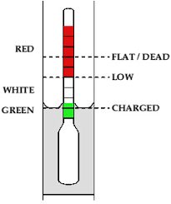
Block - E
Block - F
Blokc - G
Block - H
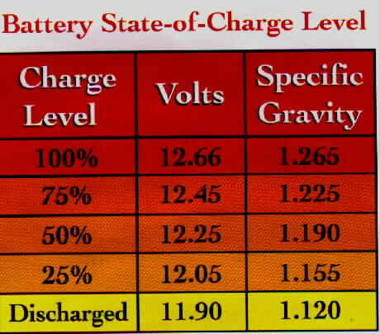
Block - I
Block - J
Block - K
Block - L
Block - M
Block - N

DG mechanic |  |  | FMS incharge |  |  |  |  | Asows member

