677keVLevel
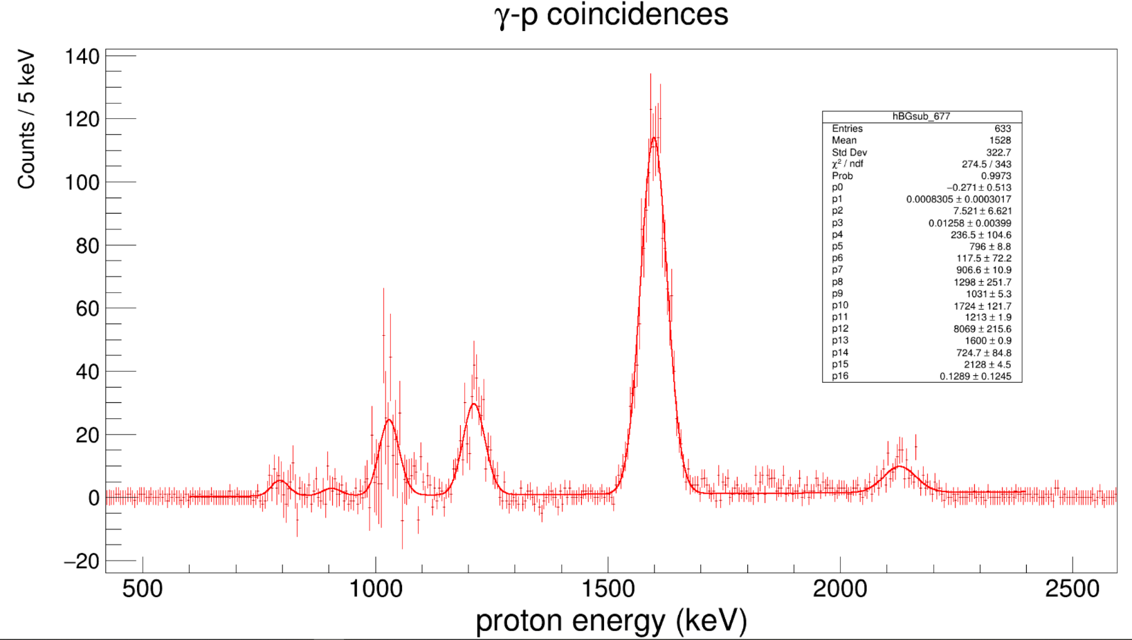
673 - 681 keV photopeak gate; 1-keV binning |  |  |  |  |  |  | Lambda: | 0.1289 | Lambda error: | 0.1245 | Possible 31S excitation energy |  | NNDC values
 | Min energy | Max energy | Min bin | Max bin | Integral | Error | Mean | Mean error | Mu | Mu error | Upper limit | Lower limit
Peak 1 | 740 | 860 | 741 | 861 | 262 | 16.186414056 | 796 | 8.8 | 788.2420481 |  | 7603.65 | 7595.8920481 | 7585 | 7631.8
Peak 2 | 861 | 950 | 862 | 951 | 117 | 10.816653826 | 906.6 | 10.9 | 898.8420481 |  | 7714.25 | 7706.4920481 | 7699 | 7724
Peak 3 | 951 | 1100 | 952 | 1101 | 1393 | 37.322915213 | 1031 | 5.3 | 1023.2420481 |  | 7838.65 | 7830.8920481 | 7824 | 7859
Peak 4 | 1150 | 1300 | 1151 | 1301 | 499 | 22.338307904 | 1213 | 1.9 | 1205.2420481 |  | 8020.65 | 8012.8920481 | 8015 | 8022
Peak 5 | 1500 | 1700 | 1501 | 1701 | 1765 | 42.011903075 | 1600 | 0.9 | 1592.2420481 |  | 8407.65 | 8399.8920481 | 8382 | 8426
Peak 6 | 2050 | 2240 | 2051 | 2241 | 220 | 14.832396974 | 2128 | 4.5 | 2120.2420481 |  | 8935.65 | 8927.8920481 | 8878 | 8969

750 - 763 keV background gate; 1-keV binning
 | Min energy | Max energy | Min bin | Max bin | Integral | Error |  | Net counts | Statistical error
Peak 1 | 740 | 860 | 741 | 861 | 206 | 14.352700094 |  | 56 | 21.633307653
Peak 2 | 861 | 950 | 862 | 951 | 88 | 9.3808315196 |  | 29 | 14.317821063
Peak 3 | 951 | 1100 | 952 | 1101 | 1087 | 32.969683044 |  | 306 | 49.799598392
Peak 4 | 1150 | 1300 | 1151 | 1301 | 113 | 10.630145813 |  | 386 | 24.738633754
Peak 5 | 1500 | 1700 | 1501 | 1701 | 84 | 9.1651513899 |  | 1681 | 43
Peak 6 | 2050 | 2240 | 2051 | 2241 | 4 | 2 |  | 216 | 14.966629547

Comments:
The ratio of counts in the 1-MeV peak is 1.28, but the ratio of beta-gated background counts is 1.01. Which scaling to use in background subtraction?

Gamma region | Min energy | Max energy | Min bin | Max bin | Counts | Error | Scaling factor
Photopeak | 673 | 681 | 674 | 682 | 78806 | 280.72406381 | 1.0081361136 | 0.0050890428002
Background | 750 | 763 | 751 | 764 | 78170 | 279.58898405
*Using the gbCoincidences spectrum for normalization/scaling factor.
1-MeV peak (protons) | 1393 | 37.322915213 | 1.2815087397 | 0.051862934045
Background (protons) | 1087 | 32.969683044

Background-subtracted spectrum; 1-keV binning
 | Min energy | Max energy | Min bin | Max bin | Integral | Error
Peak 1 | 740 | 860 | 741 | 861 | 53.94 | 7.3443856108 | 269.7
Peak 2 | 861 | 950 | 862 | 951 | 28.12 | 5.3028294334 | 140.6
Peak 3 | 951 | 1100 | 952 | 1101 | 295.13 | 17.179348067 | 1475.65
Peak 4 | 1150 | 1300 | 1151 | 1301 | 384.87 | 19.618103884 | 1924.35
Peak 5 | 1500 | 1700 | 1501 | 1701 | 1680.16 | 40.989754818 | 8400.8
Peak 6 | 2050 | 2240 | 2051 | 2241 | 215.96 | 14.695577566 | 1079.8

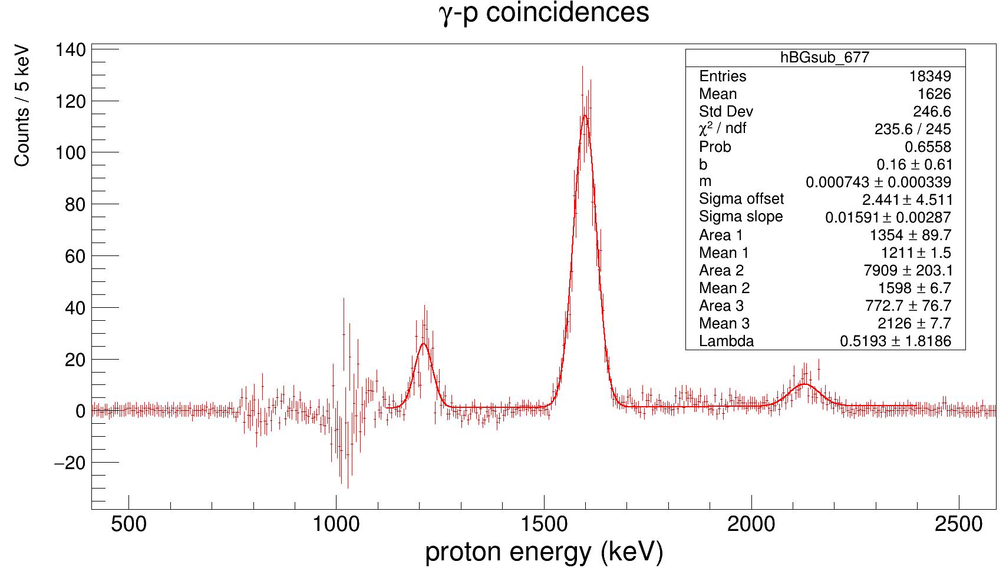
673 - 681 keV photopeak gate; 1-keV binning
 | Min energy | Max energy | Min bin | Max bin | Integral | Error
Peak 1 | 740 | 860 | 741 | 861 | 262 | 16.186414056
Peak 2 | 861 | 950 | 862 | 951 | 117 | 10.816653826
Peak 3 | 951 | 1100 | 952 | 1101 | 1393 | 37.322915213
Peak 4 | 1150 | 1300 | 1151 | 1301 | 499 | 22.338307904
Peak 5 | 1500 | 1700 | 1501 | 1701 | 1765 | 42.011903075
Peak 6 | 2050 | 2240 | 2051 | 2241 | 220 | 14.832396974

730 - 761 keV background gate; 5-keV binning after BG subtraction |  |  |  |  |  |  |  |  | Lambda: | 0.5193 | Possible 31S excitation energy |  | NNDC levels
 | Min energy | Max energy | Min bin | Max bin | Integral | Error |  | Fit area parameters | Mean | Mu | Upper Limit | Lower limit
Background | 740 | 860 | 149 | 173 | -6.8766573 | 2.6223381361
Background | 861 | 950 | 173 | 191 | 1.4708718 | 1.2127950363
Background | 951 | 1100 | 191 | 221 | 0.96303736 | 0.98134466932
Peak 1 | 1060 | 1130 | 213 | 227 | 45.323021 | 6.7322374438 |  | 226.615105
Peak 2 | 1150 | 1300 | 231 | 261 | 286.20892 | 16.917710247 |  | 1431.0446 | 1211 | #DIV/0! | 8018.65 | #DIV/0! | 8015 | 8022
Peak 3 | 1500 | 1700 | 301 | 341 | 1638.039 | 40.472694499 |  | 8190.195 | 1598 | #DIV/0! | 8405.65 | #DIV/0! | 8382 | 8426
Peak 4 | 2050 | 2240 | 2051 | 2241 | 210.92607 | 14.523294048 |  | 1054.63035 | 2126 | #DIV/0! | 8933.65 | #DIV/0! | 8878 | 8969
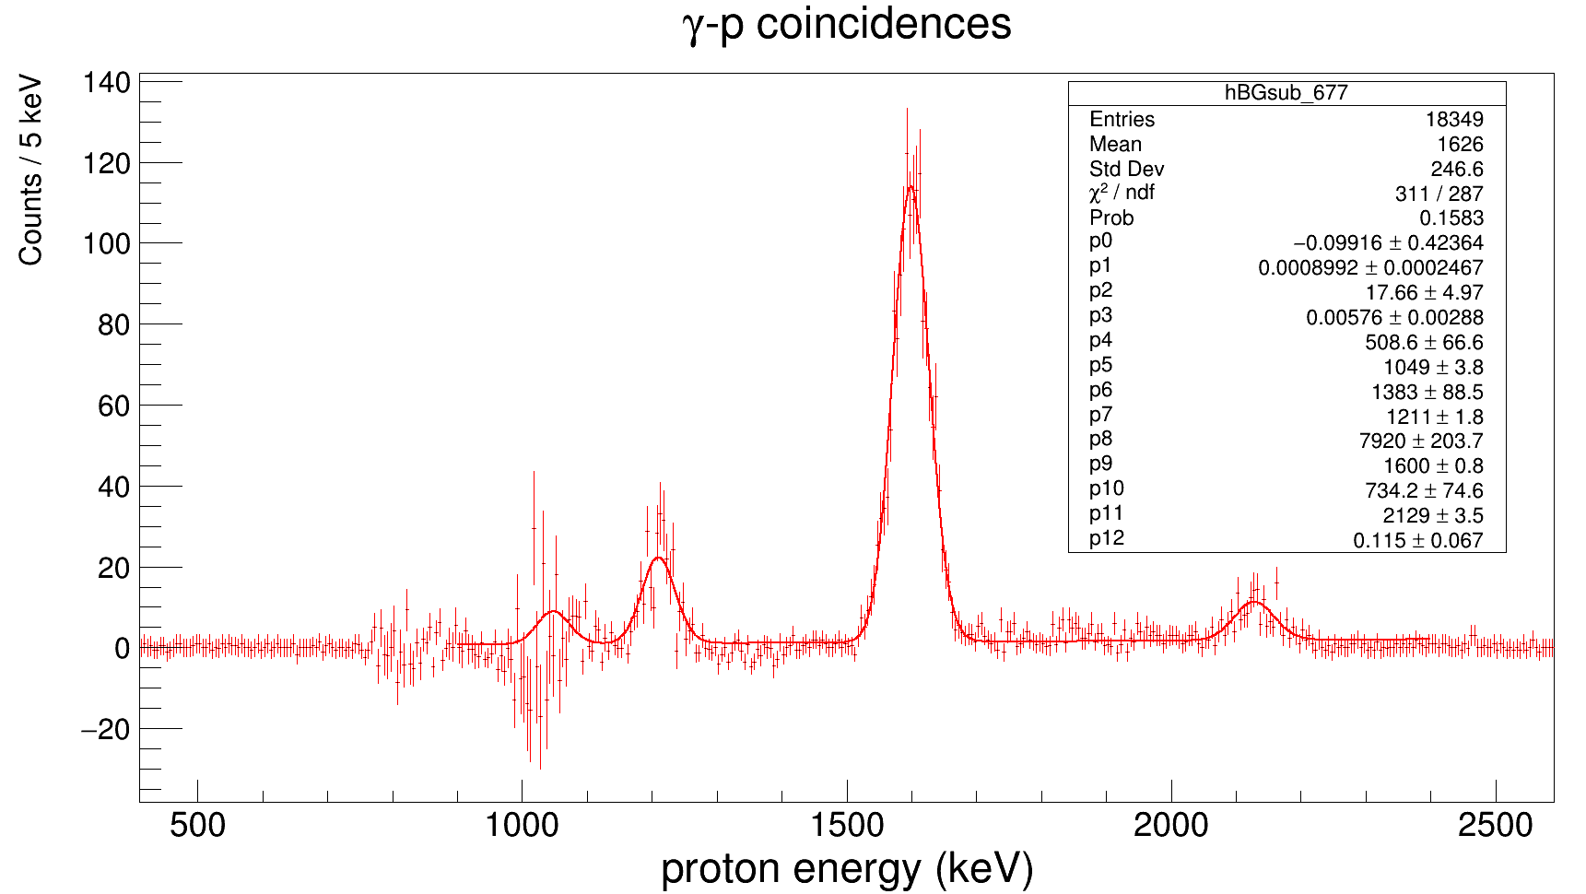

Gamma region | Min energy | Max energy | Min bin | Max bin | Counts | Error | Scaling factor
Photopeak gammas | 673 | 681 | 674 | 682 | 78806 | 280.72406381 | 0.43210729482 | 0.0018420428745
Background gammas | 730 | 761 | 731 | 762 | 182376 | 427.05503158

Photopeak-gated protons | 950 | 1100 | 951 | 1101 | 1394 | 37.336309405 | 0.55983935743 | 0.018727162408
Background-gated protons |  |  |  |  | 2490 | 49.899899799

*Using 1-MeV proton peak for normalization/scaling factor.

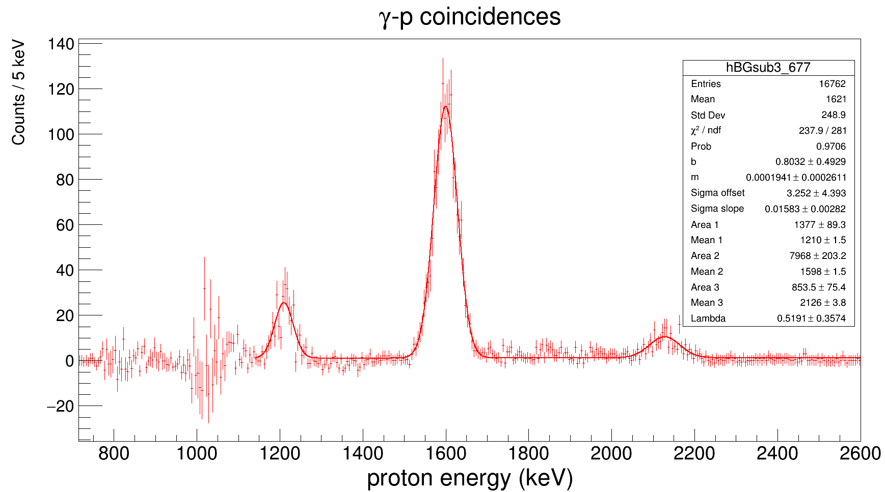
673 - 681 keV photopeak gate; 1-keV binning
 | Min energy | Max energy | Min bin | Max bin | Integral | Error
Peak 1 | 740 | 860 | 741 | 861 | 262 | 16.186414056
Peak 2 | 861 | 950 | 862 | 951 | 117 | 10.816653826
Peak 3 | 951 | 1100 | 952 | 1101 | 1393 | 37.322915213
Peak 4 | 1150 | 1300 | 1151 | 1301 | 499 | 22.338307904
Peak 5 | 1500 | 1700 | 1501 | 1701 | 1765 | 42.011903075
Peak 6 | 2050 | 2240 | 2051 | 2241 | 220 | 14.832396974

730 - 761 keV background gate; 5-keV binning after BG subtraction |  |  |  |  |  |  |  |  | Lambda: | 0.5191 | Possible 31S excitation energy |  | NNDC levels
 | Min energy | Max energy | Min bin | Max bin | Integral | Error |  | Fit area parameters | Mean | Mu | Upper Limit | Lower limit
Background | 740 | 860 | 149 | 173 | -1.3733804 | 1.1719131367
Background | 861 | 950 | 173 | 191 | 3.8586572 | 1.9643465071
Background | 951 | 1100 | 191 | 221 | 29.366313 | 5.4190693851
Peak 1 | 1060 | 1130 | 213 | 227 | 48.120141 | 6.9368682415 |  | 240.600705
Peak 2 | 1150 | 1300 | 231 | 261 | 290.55241 | 17.045597965 |  | 1452.76205 | 1210 | 1208.0735889 | 8017.65 | 8015.7235889 | 8015 | 8022
Peak 3 | 1500 | 1700 | 301 | 341 | 1640.6996 | 40.505550237 |  | 8203.498 | 1598 | 1596.0735889 | 8405.65 | 8403.7235889 | 8382 | 8426
Peak 4 | 2050 | 2240 | 411 | 449 | 221.13074 | 14.870465359 |  | 1105.6537 | 2126 | 2124.0735889 | 8933.65 | 8931.7235889 | 8878 | 8969

Comments:
The ratio of counts in the 1-MeV peak is 1.28, but the ratio of beta-gated background counts is 1.01. Which scaling to use in background subtraction?

Gamma region | Min energy | Max energy | Min bin | Max bin | Counts | Error | Scaling factor
Photopeak gammas | 673 | 681 | 674 | 682 | 78806 | 280.72406381 | 0.43210729482 | 0.0018420428745
Background gammas | 730 | 761 | 731 | 762 | 182376 | 427.05503158

Photopeak-gated protons | 990 | 1040 | 991 | 1041 | 931 | 30.512292605 | 0.54829210836 | 0.022359578102
Background-gated protons |  |  |  |  | 1698 | 41.206795556

*Using 1-MeV proton peak for normalization/scaling factor.

709keVLevel
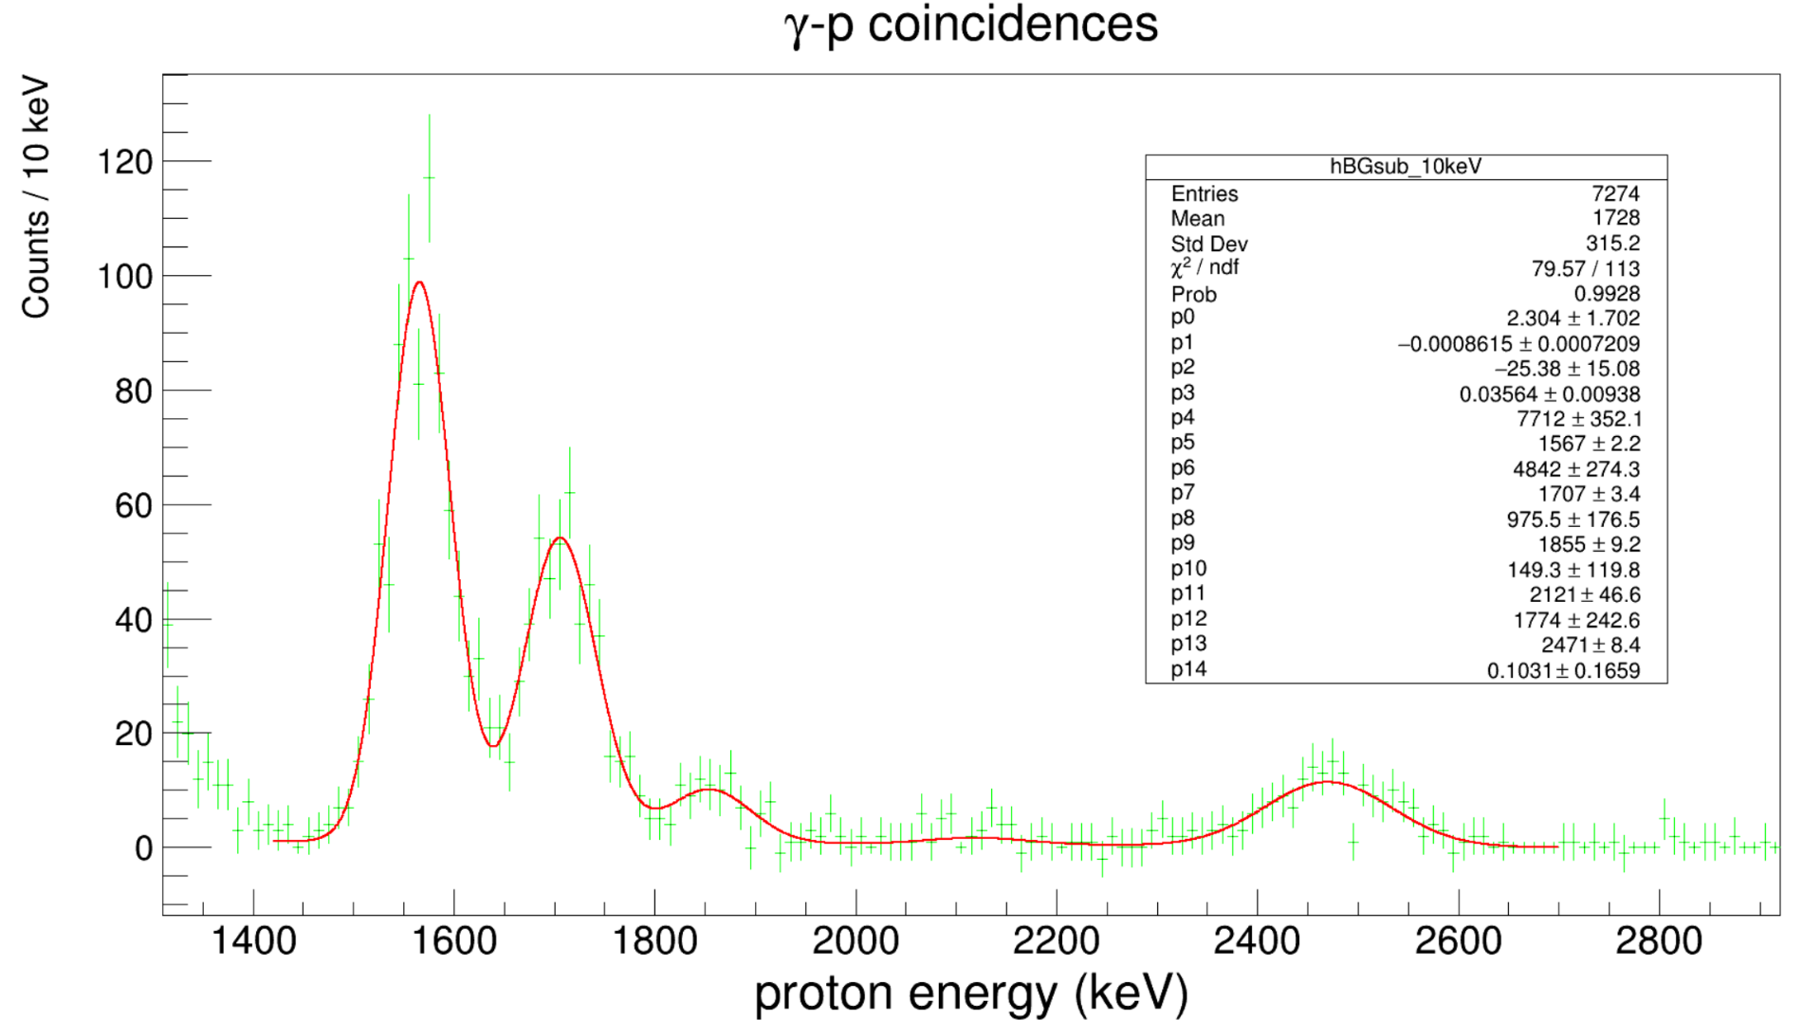
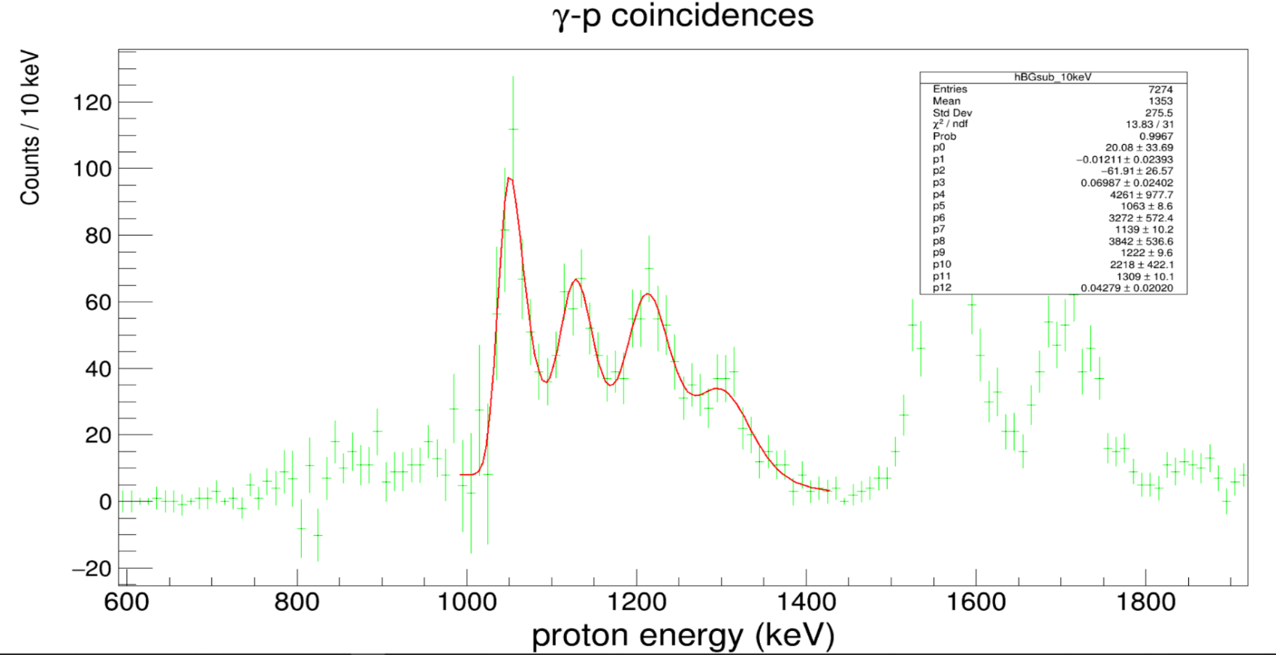
704 - 715 keV photopeak gate; 770 - 785 keV background gate (gbCoincidences) |  |  |  |  |  |  | Lambda: | 0.04279 | Lambda: | 0.1031 | Possible 31S excitation energy
 | Min energy | Max energy | Min bin | Max bin | Integral | Error | Mean | Mean error | Mu | Mu error | Upper limit | Lower limit
Peak 0 | 700 | 909 |  |  |  |  | 1063 | 8.6 | 1039.6300538 |  | 7902.34 | 7878.9700538 | 7859 | 7907
Peak 1 | 1000 | 1089 |  |  |  |  | 1139 | 10.2 | 1115.6300538 |  | 7978.34 | 7954.9700538 | 7945 | 7973
Peak 2 | 1090 | 1179 |  |  |  |  | 1222 | 9.6 | 1198.6300538 |  | 8061.34 | 8037.9700538 | 8030 | 8060
Peak 3 | 1180 | 1269 |  |  |  |  | 1309 | 10.1 | 1285.6300538 |  | 8148.34 | 8124.9700538 | 8109 | 8131
Peak 4 | 1270 | 1399 |  |  |  |  | 1567 | 2.2 | 1557.300679 |  | 8406.34 | 8396.640679 | 8382 | 8426
Peak 5 | 1450 | 1649 |  |  |  |  | 1707 | 3.4 | 1697.300679 |  | 8546.34 | 8536.640679 | 8498 | 8562
Peak 6 | 1650 | 1809 |  |  |  |  | 1855 | 9.2 | 1845.300679 |  | 8694.34 | 8684.640679
Peak 7 | 1810 | 1939 |  |  |  |  | 2121 | 46.6 | 2111.300679 |  | 8960.34 | 8950.640679
Peak 8 | 2040 | 2199 |  |  |  |  | 2471 | 8.4 | 2461.300679 |  | 9310.34 | 9300.640679
Peak 9 | 2300 | 2649

Gamma region | Min energy | Max energy | Min bin | Max bin | Counts | Error | Scaling factor
Photopeak gammas | 704 | 715 | 705 | 716 | 87414 | 295.65858689 | 1.0034552822 | 0.0048039375521
Background gammas | 770 | 785 | 771 | 786 | 87113 | 295.14911486
*Using the gbCoincidences spectrum for normalization/scaling factor.
Photopeak-gated protons | 950 | 1100 | 951 | 1101 | 1739 | 41.701318924 | 1.4762308998 | 0.055705755658
Background-gated protons |  |  |  |  | 1178 | 34.322004603

Background-subtracted spectrum; 10-keV binning
 | Min energy | Max energy | Min bin | Max bin | Integral | Error
Peak 0 | 700 | 909 | 71 | 91 | 125.08781 | 11.184266181
Peak 1 | 1000 | 1089 | 101 | 109 | 444.53781 | 21.08406531
Peak 2 | 1090 | 1179 | 110 | 118 | 439.8998 | 20.973788404
Peak 3 | 1180 | 1269 | 119 | 127 | 432.66829 | 20.800680037
Peak 4 | 1270 | 1399 | 128 | 140 | 274.78577 | 16.576663416
Peak 5 | 1450 | 1649 | 146 | 165 | 842.65102 | 29.028451905
Peak 6 | 1650 | 1809 | 166 | 181 | 486.91362 | 22.066119278
Peak 7 | 1810 | 1939 | 182 | 194 | 90.906707 | 9.5345008784
Peak 8 | 2040 | 2199 | 205 | 220 | 42.993089 | 6.5569115443
Peak 9 | 2300 | 2649 | 231 | 265 | 197.98618 | 14.070756199

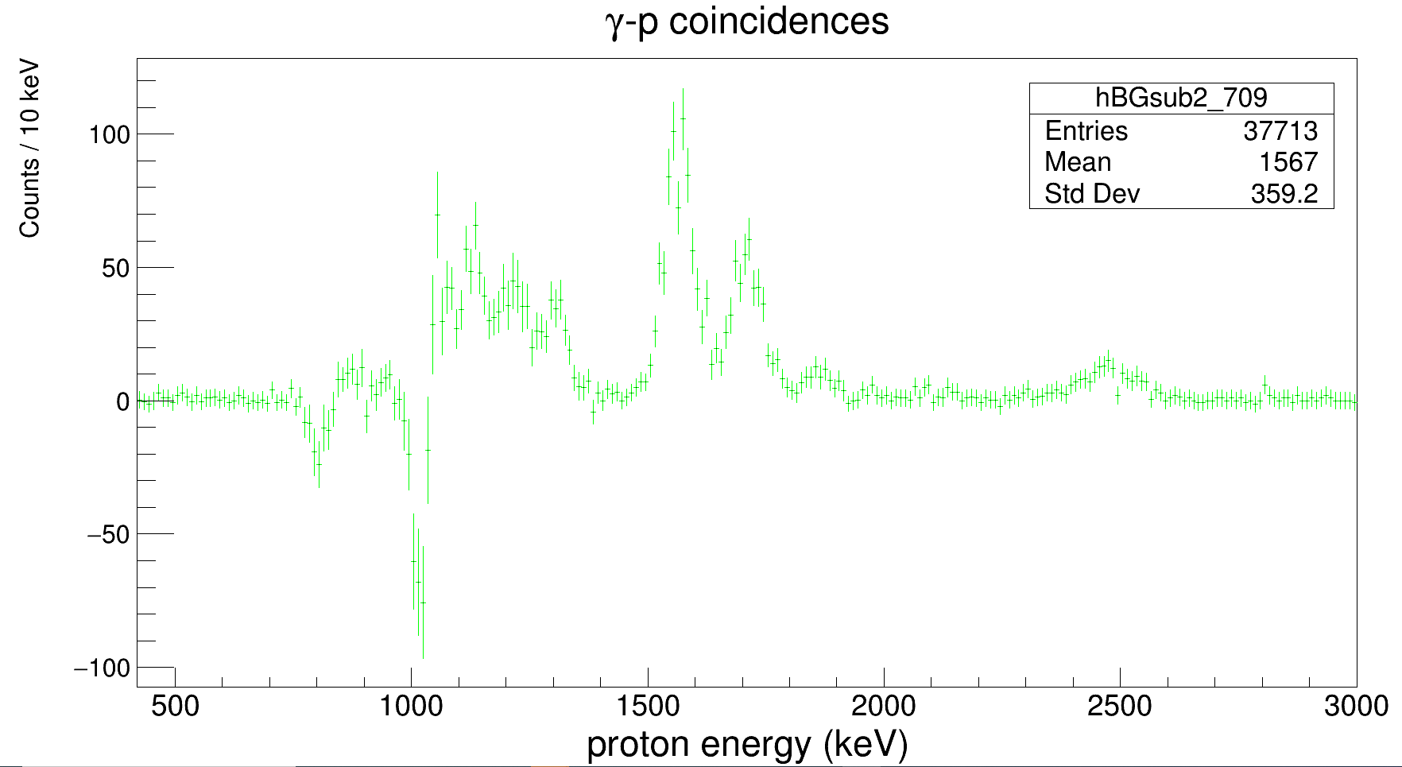
 | Min energy | Max energy | Low bin | High bin | Integral | Error | Scaling factor
Photopeak (gammas) | 704 | 715 | 705 | 716 | 87414 | 295.65858689 | 0.4793064877
Background (gammas) | 730 | 761 | 731 | 762 | 182376 | 427.05503158

Photopeak-gated protons | 950 | 1100 | 951 | 1101 | 1739 | 41.701318924 | 0.6983935743
Background-gated protons |  |  |  |  | 2490 | 49.899899799
*Using 1-MeV proton peak for normalization/scaling factor.

Background-subtracted spectrum; 10-keV binning
 | Min energy | Max energy | Min bin | Max bin | Integral | Error
Peak 0 | 700 | 909 | 71 | 91 | -26.388911 | 5.1370138213
Peak 1 | 1000 | 1089 | 101 | 109 | -9.8023303 | 3.1308673399
Peak 2 | 1090 | 1179 | 110 | 118 | 381.11892 | 19.522267286
Peak 3 | 1180 | 1269 | 119 | 127 | 316.272 | 17.784037787
Peak 4 | 1270 | 1399 | 128 | 140 | 230.98473 | 15.198181799
Peak 5 | 1450 | 1649 | 146 | 165 | 807.2961 | 28.412956552
Peak 6 | 1650 | 1809 | 166 | 181 | 468.75693 | 21.650795136
Peak 7 | 1810 | 1939 | 182 | 194 | 83.126557 | 9.1173766512
Peak 8 | 2040 | 2199 | 205 | 220 | 35.235436 | 5.9359444067
Peak 9 | 2300 | 2649 | 231 | 265 | 187.35315 | 13.687700683

Clearly over-subtracting in the 1 MeV region. We can try sampling over a smaller proton energy region.

 | Min energy | Max energy | Low bin | High bin | Integral | Error | Scaling factor
Photopeak (gammas) | 704 | 715 | 705 | 716 | 87414 | 295.65858689 | 0.4793064877
Background (gammas) | 730 | 761 | 731 | 762 | 182376 | 427.05503158
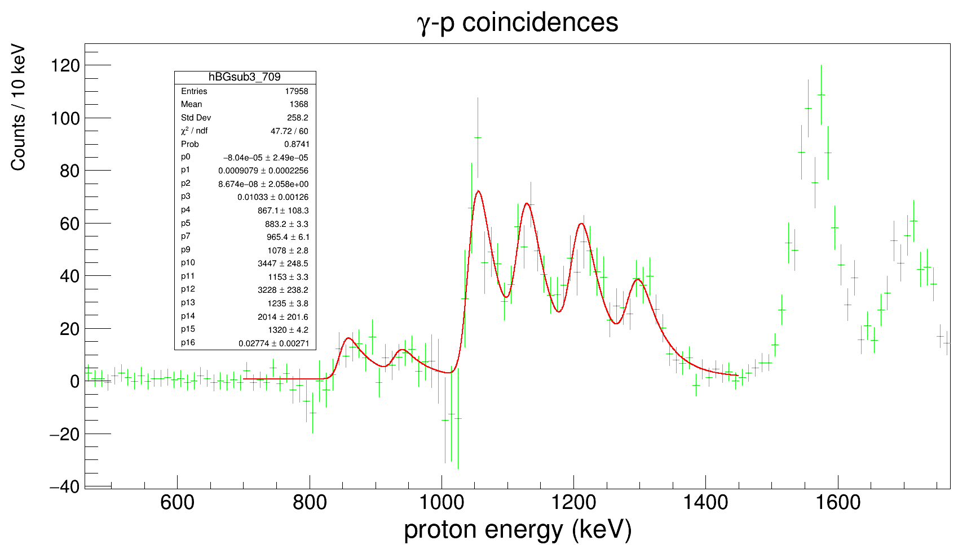
Photopeak-gated protons | 990 | 1040 | 991 | 1041 | 944 | 30.724582991 | 0.55594817432
Background-gated protons |  |  |  |  | 1698 | 41.206795556
*Using 1-MeV proton peak for normalization/scaling factor.

Background-subtracted spectrum; 10-keV binning
 | Min energy | Max energy | Min bin | Max bin | Integral | Error | Scaled area |  |  |  |  | Possible 31S excitation energies |  | NNDC levels
Peak 0 | 750 | 899 | 76 | 90 | 50.448763 | 7.1027292642 | 504.48763 | Mean | Mean error | Lambda | Mu | Upper limit | Lower limit | Upper limit | Lower limit
Peak 1 | 900 | 1009 | 91 | 101 | 53.237927 | 7.2964324844 | 532.37927 | 860 | 0 | 0.02774 | 823.95097332 | 7699.34 | 7663.2909733 | 7699(3)
Peak 2 | 1030 | 1099 | 104 | 110 | 358.28622 | 18.928450016 | 3582.8622 | 950 | 0 | 0.02774 | 913.95097332 | 7789.34 | 7753.2909733 | 7774(3) | 7744(3)
Peak 3 | 1100 | 1169 | 111 | 117 | 335.85277 | 18.326286312 | 3358.5277 | 1078 | 8.2 | 0.02774 | 1041.9509733 | 7917.34 | 7881.2909733 | 7932(3) | 7907(3)
Peak 4 | 1270 | 1399 | 128 | 140 | 252.49588 | 15.890118942 | 2524.9588 | 1153 | 3.3 | 0.02774 | 1116.9509733 | 7992.34 | 7956.2909733 | 7973(3) | 7945(3)
Peak 5 | 1450 | 1649 | 146 | 165 | 835.03416 | 28.896957625 | 8350.3416 | 1235 | 3.8 | 0.02774 | 1198.9509733 | 8074.34 | 8038.2909733 | 8071(3) | 8045(3)
Peak 6 | 1650 | 1799 | 166 | 180 | 473.19906 | 21.753139084 | 4731.9906 | 1320 | 4.2 | 0.02774 | 1283.9509733 | 8159.34 | 8123.2909733 | 8178(3) | 8131(3)
Peak 7 | 1800 | 1929 | 181 | 193 | 94.202591 | 9.7058019246 | 942.02591
Peak 8 | 1930 | 2029 | 194 | 203 | 19.220259 | 4.3840915821 | 192.20259
Peak 9 | 2040 | 2179 | 205 | 218 | 34.772674 | 5.8968359312 | 347.72674
Peak 10 | 2250 | 2699 | 226 | 270 | 197.65724 | 14.059062558 | 1976.5724
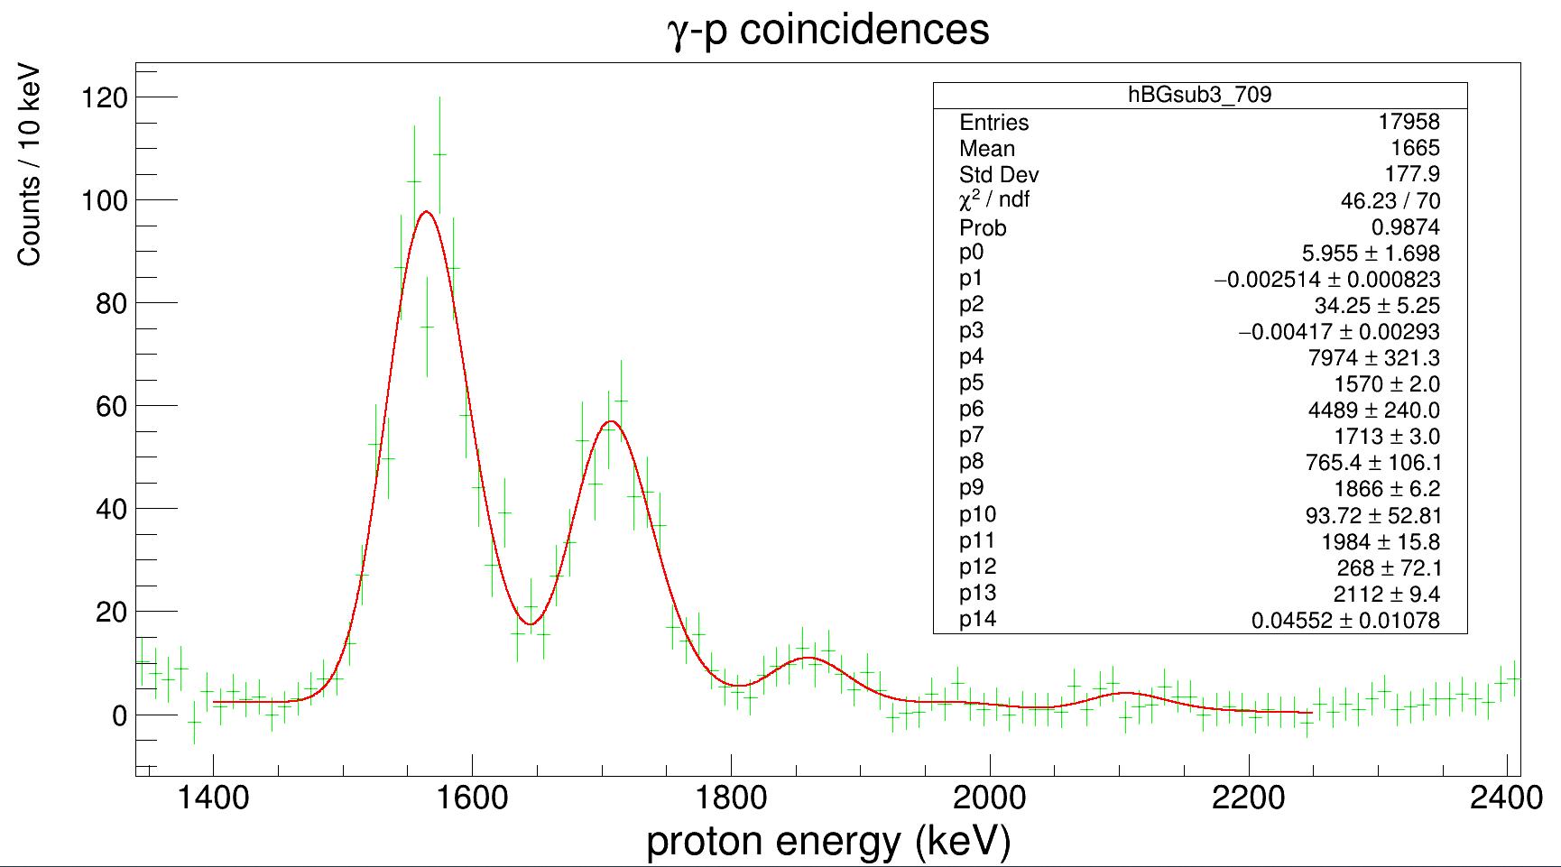
 |  |  |  |  |  |  |  | Mean | Mean error | Lambda | Mu | Upper limit | Lower limit | Upper limit | Lower limit

 |  |  |  |  |  |  |  | 1570 | 2 | 0.04552 | 1548.0316344 | 8409.34 | 8387.3716344 | 8426(4) | 8382(10)
 |  |  |  |  |  |  |  | 1713 | 3 | 0.04552 | 1691.0316344 | 8552.34 | 8530.3716344 | 8562(8)
 |  |  |  |  |  |  |  | 1866 | 6.2 | 0.04552 | 1844.0316344 | 8705.34 | 8683.3716344 | 8702(17)
 |  |  |  |  |  |  |  | 1984 | 15.8 | 0.04552 | 1962.0316344 | 8823.34 | 8801.3716344 | 8813(15)
 |  |  |  |  |  |  |  | 2112 | 9.4 | 0.04552 | 2090.0316344 | 8951.34 | 8929.3716344 | 8969(20)

 |  |  |  |  |  |  |  |  |  |  |  | Possible 31S excitation energies |  | NNDC levels
 |  |  |  |  |  |  |  | Mean | Mean error | Lambda | Mu | Upper limit | Lower limit | Upper limit | Lower limit

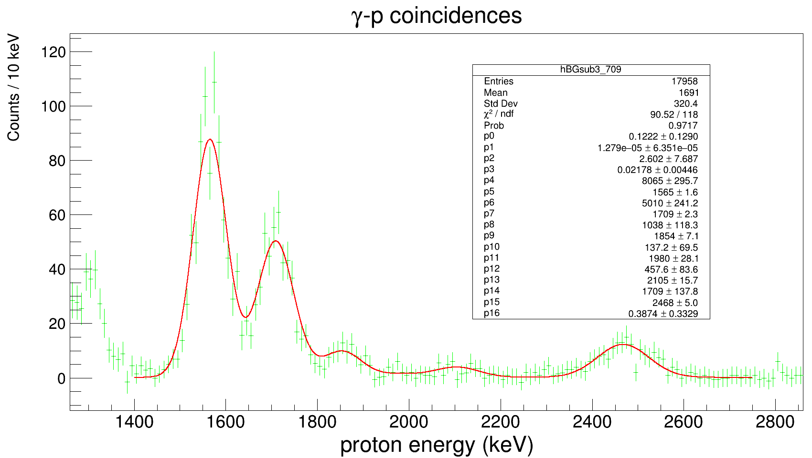

 |  |  |  |  |  |  |  | 1565 | 1.6 | 0.04552 | 1543.0316344 | 8404.34 | 8382.3716344 | 8426(4) | 8382(10)
 |  |  |  |  |  |  |  | 1709 | 2.3 | 0.04552 | 1687.0316344 | 8548.34 | 8526.3716344 | 8562(8)
 |  |  |  |  |  |  |  | 1854 | 7.1 | 0.04552 | 1832.0316344 | 8693.34 | 8671.3716344 | 8702(17)
 |  |  |  |  |  |  |  | 1980 | 28.1 | 0.04552 | 1958.0316344 | 8819.34 | 8797.3716344 | 8813(15)
 |  |  |  |  |  |  |  | 2105 | 15.7 | 0.04552 | 2083.0316344 | 8944.34 | 8922.3716344 | 8969(20)
 |  |  |  |  |  |  |  | 2468 | 5 | 0.3874 | 2465.4186887 | 9307.34 | 9304.7586887 | 9332(30)

1454keVLevel
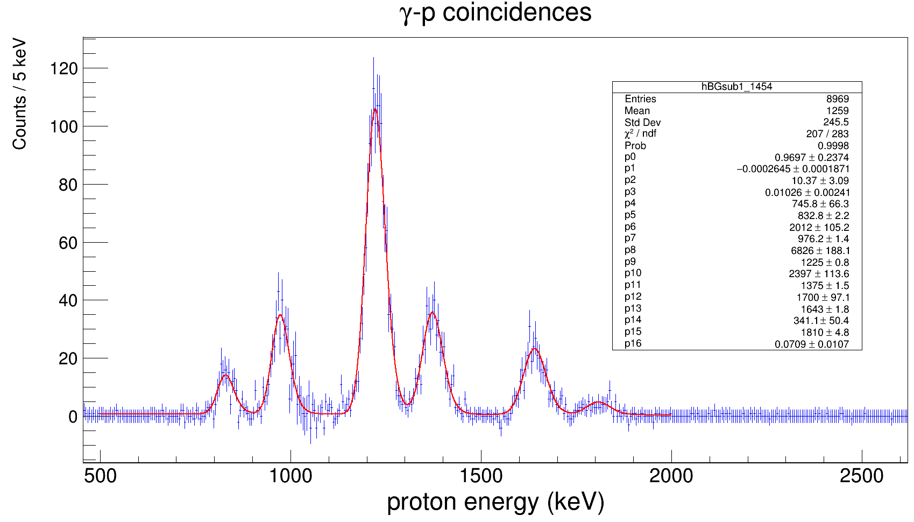
 | Min energy | Max energy | Low bin | High bin | Integral | Error | Scaling factor
Photopeak (gammas) | 1448 | 1459 | 1449 | 1460 | 44329 | 210.54453211 | 0.85333410333
Background (gammas) | 1475 | 1491 | 1476 | 1492 | 51948 | 227.92103896

*Using same numbers as in low-energy resonance normalization procedure. Scaling factor = 1 done by eye.

1454-keV gamma-gated, background-subtracted spectrum; 1-keV binning
 | Min energy | Max energy | Min bin | Max bin | Integral | Error | Scaled area |  |  |  |  | Possible 31S excitation energies |  | NNDC levels
Peak 1 | 760 | 900 | 761 | 901 | 159 | 12.609520213 |  | Mean | Mean error | Lambda | Mu | Upper limit | Lower limit | Upper limit | Lower limit
Peak 2 | 901 | 1100 | 902 | 1101 | 433 | 20.808652047 |  | 832.8 | 2.2 | 0.0709 | 818.69562764 | 8417.67 | 8403.5656276 | 8426(4) | 8382(10)
Peak 3 | 1120 | 1300 | 1121 | 1301 | 1396 | 37.363083385 |  | 976.2 | 1.4 | 0.0709 | 962.09562764 | 8561.07 | 8546.9656276 | 8562(8)
Peak 4 | 1301 | 1450 | 1302 | 1451 | 499 | 22.338307904 |  | 1225 | 0.8 | 0.0709 | 1210.8956276 | 8809.87 | 8795.7656276 | 8813(15) | 8789(6)
Peak 5 | 1570 | 1740 | 1571 | 1741 | 354 | 18.814887722 |  | 1375 | 1.5 | 0.0709 | 1360.8956276 | 8959.87 | 8945.7656276 | 8969(20)
Peak 6 | 1750 | 1870 | 1751 | 1871 | 79 | 8.8881944173 |  | 1643 | 1.8 | 0.0709 | 1628.8956276 | 9227.87 | 9213.7656276 | 9226(25)
 |  |  |  |  |  |  |  | 1810 | 4.8 | 0.0709 | 1795.8956276 | 9394.87 | 9380.7656276
 |  |  |  |  |  |  |  | Mean | Mean error | Lambda | Mu | Upper limit | Lower limit | Upper limit | Lower limit

 |  |  |  |  |  |  |  |  |  |  |  | Possible 31S excitation energies |  | NNDC levels
 |  |  |  |  |  |  |  | Mean | Mean error | Lambda | Mu | Upper limit | Lower limit | Upper limit | Lower limit

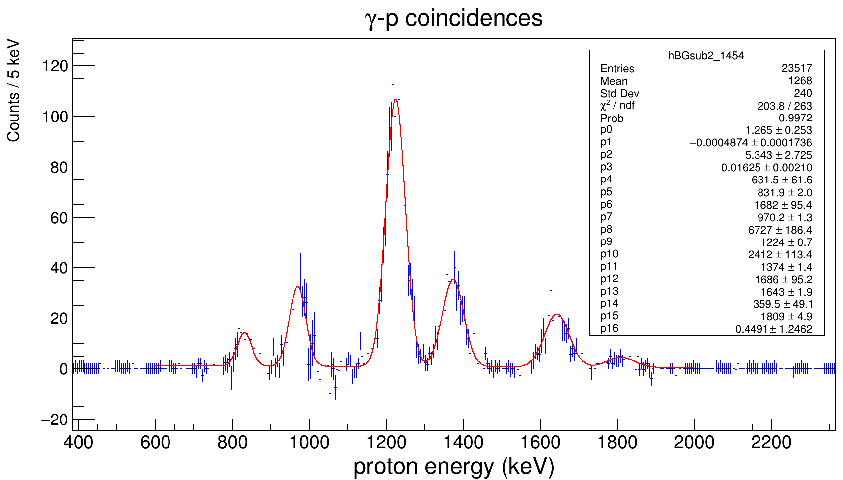
 | Min energy | Max energy | Low bin | High bin | Integral | Error | Scaling factor
Photopeak (gammas) | 1448 | 1459 | 1449 | 1460 | 44329 | 210.54453211 | 0.85333410333
Background (gammas) | 1475 | 1491 | 1476 | 1492 | 51948 | 227.92103896

Photopeak-gated protons | 1000 | 1040 | 1001 | 1041 | 266 | 16.30950643 | 1.3434343434
Background-gated protons |  |  |  |  | 198 | 14.071247279

1454-keV gamma-gated, background-subtracted spectrum; 1-keV binning
 | Min energy | Max energy | Min bin | Max bin | Integral | Error | Scaled area |  |  |  |  | Possible 31S excitation energies |  | NNDC levels
Peak 1 | 760 | 900 | 761 | 901 | 135.30303 | 11.631983064 |  | Mean | Mean error | Lambda | Mu | Upper limit | Lower limit | Upper limit | Lower limit
Peak 2 | 901 | 1014 | 902 | 1015 | 357.66667 | 18.912077358 |  | 831.9 | 2 | 0.4491 | 829.67332443 | 8416.77 | 8414.5433244
Peak 3 | 1150 | 1300 | 1151 | 1301 | 1359.9798 | 36.877903953 |  | 970.2 | 1.3 | 0.4491 | 967.97332443 | 8555.07 | 8552.8433244
Peak 4 | 1310 | 1450 | 1311 | 1451 | 492.28283 | 22.187447577 |  | 1224 | 0.7 | 0.4491 | 1221.7733244 | 8808.87 | 8806.6433244
Peak 5 | 1570 | 1740 | 1571 | 1741 | 347.13131 | 18.631460222 |  | 1374 | 1.4 | 0.4491 | 1371.7733244 | 8958.87 | 8956.6433244
Peak 6 | 1750 | 1870 | 1751 | 1871 | 76.939394 | 8.7715103603 |  | 1643 | 1.9 | 0.4491 | 1640.7733244 | 9227.87 | 9225.6433244
 |  |  |  |  |  |  |  | 1809 | 4.9 | 0.4491 | 1806.7733244 | 9393.87 | 9391.6433244
Comments:
Integrating over the 901 - 1014 keV region to maximize counts due to oversubtraction of background above 1 MeV.

 |  |  |  |  |  |  |  | Mean | Mean error | Lambda | Mu | Upper limit | Lower limit | Upper limit | Lower limit

 |  |  |  |  |  |  |  |  |  |  |  | Possible 31S excitation energies |  | NNDC levels
 |  |  |  |  |  |  |  | Mean | Mean error | Lambda | Mu | Upper limit | Lower limit | Upper limit | Lower limit

 | Min energy | Max energy | Low bin | High bin | Integral | Error | Scaling factor
Photopeak (gammas) | 1448 | 1459 | 1449 | 1460 | 44329 | 210.54453211 | 0.85333410333
Background (gammas) | 1475 | 1491 | 1476 | 1492 | 51948 | 227.92103896
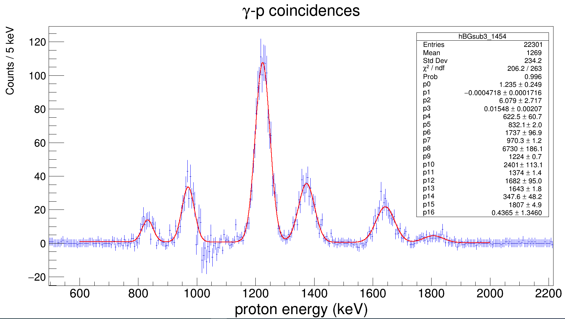
Photopeak-gated protons | 1000 | 1040 | 1001 | 1041 | 266 | 16.30950643 | 0.73480662983
Background-gated protons |  |  |  |  | 362 | 19.02629759

1454-keV gamma-gated, background-subtracted spectrum; 1-keV binning
 | Min energy | Max energy | Min bin | Max bin | Integral | Error | Scaled area |  |  |  |  | Possible 31S excitation energies |  | NNDC levels
Peak 1 | 760 | 900 | 761 | 901 | 138.35359 | 11.762380286 |  | Mean | Mean error | Lambda | Mu | Upper limit | Lower limit | Upper limit | Lower limit
Peak 2 | 901 | 1014 | 902 | 1015 | 357.68508 | 18.912564078 |  | 832.1 | 2 | 0.4365 | 829.80904926 | 8416.97 | 8414.6790493
Peak 3 | 1150 | 1300 | 1151 | 1301 | 1360.7072 | 36.887764909 |  | 970.3 | 1.2 | 0.4365 | 968.00904926 | 8555.17 | 8552.8790493
Peak 4 | 1310 | 1450 | 1311 | 1451 | 490.18232 | 22.140061427 |  | 1224 | 0.7 | 0.4365 | 1221.7090493 | 8808.87 | 8806.5790493
Peak 5 | 1570 | 1740 | 1571 | 1741 | 348.28177 | 18.662308807 |  | 1374 | 1.4 | 0.4365 | 1371.7090493 | 8958.87 | 8956.5790493
Peak 6 | 1750 | 1870 | 1751 | 1871 | 76.18232 | 8.7282483924 |  | 1643 | 1.8 | 0.4365 | 1640.7090493 | 9227.87 | 9225.5790493
 |  |  |  |  |  |  |  | 1807 | 4.9 | 0.4365 | 1804.7090493 | 9391.87 | 9389.5790493
Comments:
Integrating over the 901 - 1014 keV region to maximize counts due to oversubtraction of background above 1 MeV.

 |  |  |  |  |  |  |  | Mean | Mean error | Lambda | Mu | Upper limit | Lower limit | Upper limit | Lower limit

 |  |  |  |  |  |  |  |  |  |  |  | Possible 31S excitation energies |  | NNDC levels
 |  |  |  |  |  |  |  | Mean | Mean error | Lambda | Mu | Upper limit | Lower limit | Upper limit | Lower limit

 | Min energy | Max energy | Low bin | High bin | Integral | Error | Scaling factor
Photopeak (gammas) | 740 | 751 | 741 | 751 | 68484 | 261.69447835 | 1.0293083236
Background (gammas) | 760 | 771 | 761 | 772 | 66534 | 257.94185391

Photopeak-gated protons | 1000 | 1040 | 1001 | 1041 | 564 | 23.748684174 | 1.0561797753
Background-gated protons |  |  |  |  | 534 | 23.108440017

1454-keV gamma-gated, background-subtracted spectrum; 1-keV binning
 | Min energy | Max energy | Min bin | Max bin | Integral | Error | Scaled area |  |  |  |  | Possible 31S excitation energies |  | NNDC levels
Peak 1 | 760 | 900 | 761 | 901 |  |  |  | Mean | Mean error | Lambda | Mu | Upper limit | Lower limit | Upper limit | Lower limit
Peak 2 | 901 | 1014 | 902 | 1015
Peak 3 | 1150 | 1300 | 1151 | 1301
Peak 4 | 1310 | 1450 | 1311 | 1451
Peak 5 | 1570 | 1740 | 1571 | 1741
Peak 6 | 1750 | 1870 | 1751 | 1871

Comments:
Integrating over the 901 - 1014 keV region to maximize counts due to oversubtraction of background above 1 MeV.

 |  |  |  |  |  |  |  | Mean | Mean error | Lambda | Mu | Upper limit | Lower limit | Upper limit | Lower limit

 |  |  |  |  |  |  |  |  |  |  |  | Possible 31S excitation energies |  | NNDC levels
 |  |  |  |  |  |  |  | Mean | Mean error | Lambda | Mu | Upper limit | Lower limit | Upper limit | Lower limit

1973keVLevel
1264-keV gamma gate
 | Min energy | Max energy | Low bin | High bin | Integral | Error | Scaling factor
Photopeak (gammas) | 1262 | 1269 | 1263 | 1270 | 45063 | 212.28047484 | 1.0105850956
Background (gammas) | 1280 | 1293 | 1281 | 1284 | 44591 | 211.16581163

Photopeak-gated protons | 950 | 1080 | 951 | 1081 | 253 | 15.905973721 | 0.71468926554
Background-gated protons |  |  |  |  | 354 | 18.814887722
*Combining statistics from both the 1264-keV gamma-gated protons and 1973-keV
1973-keV gamma gate
 | Min energy | Max energy | Low bin | High bin | Integral | Error | Scaling factor
Photopeak (gammas) | 1966 | 1980 | 1967 | 1981 | 73072 | 270.31833086 | 1.0082095009
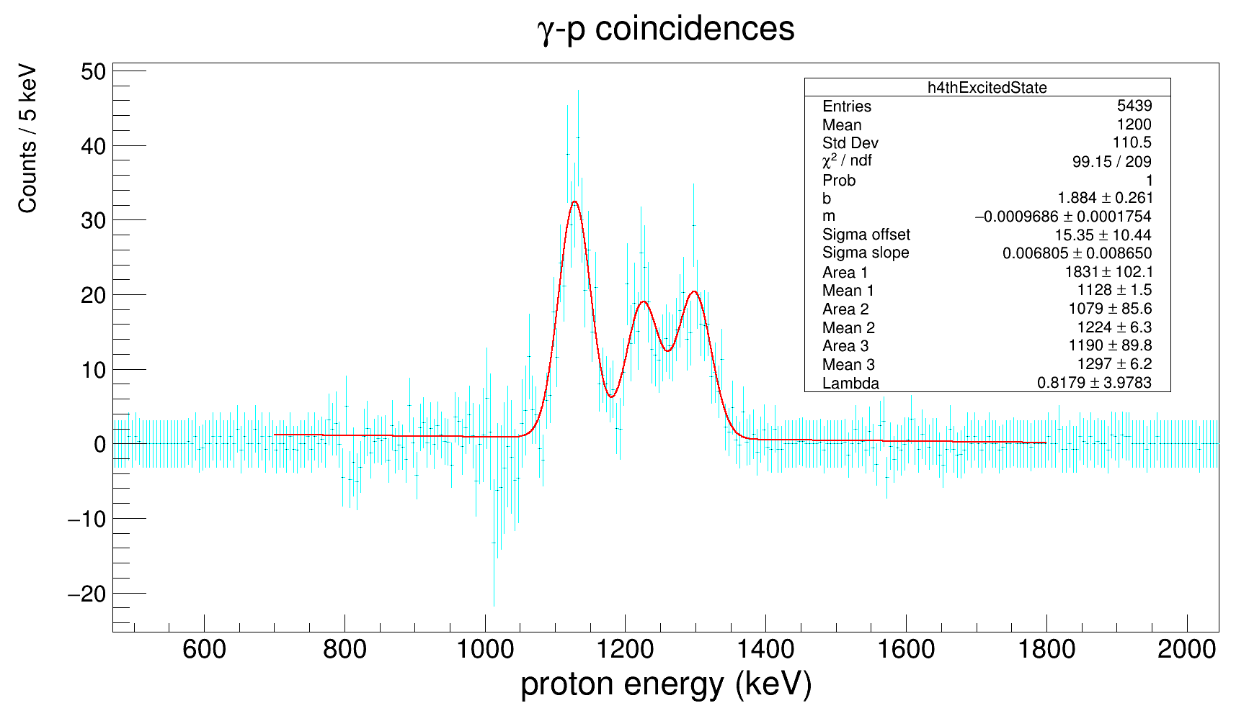
Background (gammas) | 2120 | 2165 | 2121 | 2166 | 72477 | 269.21552704

Photopeak-gated protons | 950 | 1080 | 951 | 1081 | 272 | 16.492422502 | 0.8
Background-gated protons |  |  |  |  | 340 | 18.439088915
*Integrating over a larger energy region since no smaller peaks present near 1-MeV normalization peak, and limited statistics for these higher excited sates.
 |  |  |  |  |  |  |  |  |  |  |  | Possible 31S excitation energies |  | NNDC levels
 | Min energy | Max energy | Min bin | Max bin | Integral | Error | Scaled area | Mean | Mean error | Lambda | Mu | Upper limit | Lower limit | Upper limit | Lower limit
Peak 1 | 1080 | 1190 | 1081 | 1191 | 381.90621 | 19.542420781 | 1909.53105 | 1128 | 1.5 | 0.8179 | 1126.7773566 | 9231.91 | 9230.6873566 | 9226(25)
Peak 2 | 1195 | 1260 | 1196 | 1261 | 212.48644 | 14.576914626 | 1062.4322 | 1224 | 6.3 | 0.8179 | 1222.7773566 | 9327.91 | 9326.6873566 | 9332(30)
Peak 3 | 1265 | 1345 | 1266 | 1346 | 231.4209 | 15.212524445 | 1157.1045 | 1297 | 6.2 | 0.8179 | 1295.7773566 | 9400.91 | 9399.6873566 | 9423(7)

Comments:
Integrating over the 901 - 1014 keV region to maximize counts due to oversubtraction of background above 1 MeV.

 |  |  |  |  |  |  |  | Mean | Mean error | Lambda | Mu | Upper limit | Lower limit | Upper limit | Lower limit

 |  |  |  |  |  |  |  |  |  |  |  | Possible 31S excitation energies |  | NNDC levels
 |  |  |  |  |  |  |  | Mean | Mean error | Lambda | Mu | Upper limit | Lower limit | Upper limit | Lower limit

2539keVLevel
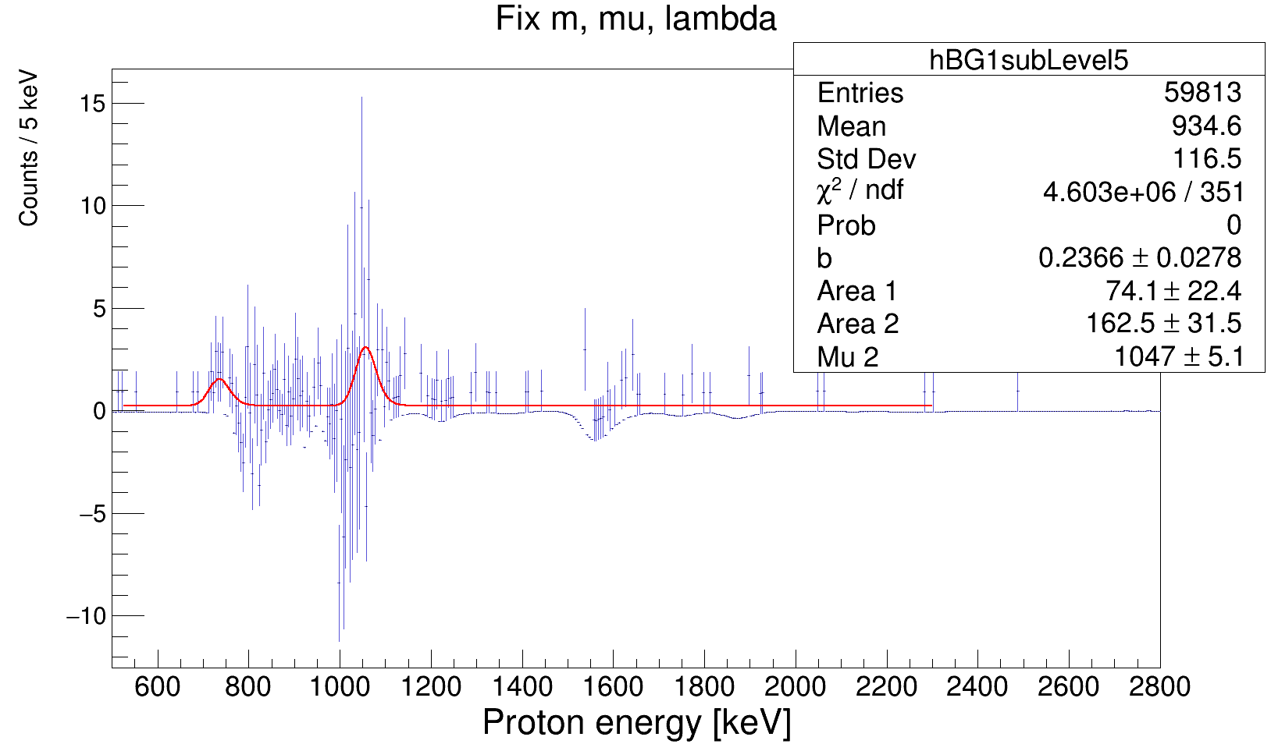
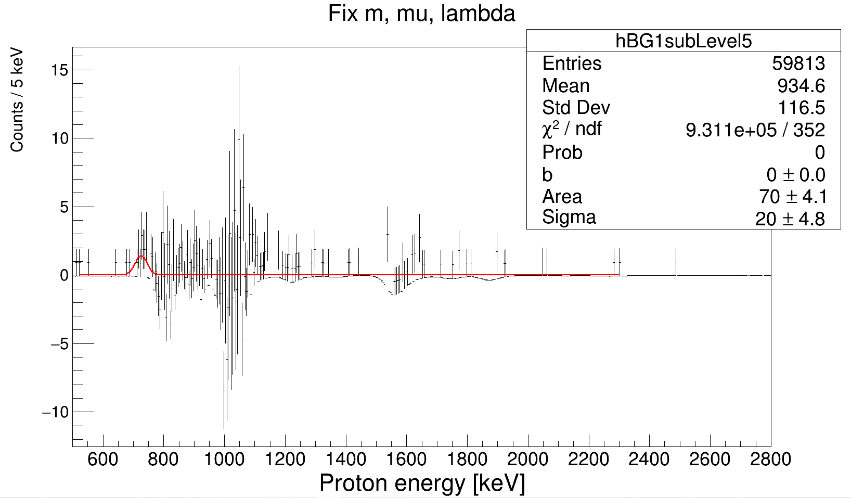
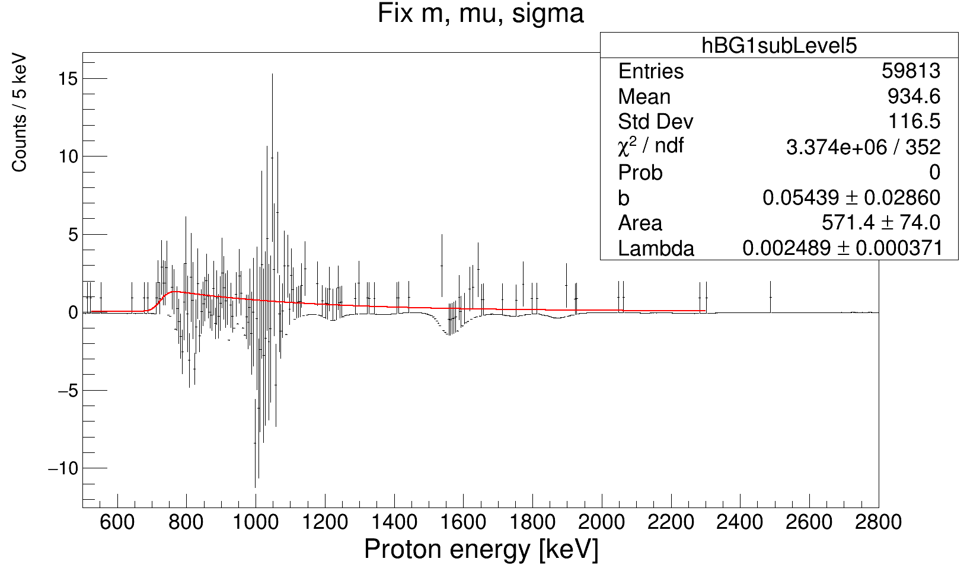
 | b | m | area | mu | sigma | lambda
Fix m, mu, sigma |  | 0 |  | 725 | 17.5
Fix m, mu, lambda |  | 0 |  | 725 |  | 0.8179
Fix m, sigma, lambda |  | 0 |  |  | 20 | 0.8179
Fix m, mu, lambda |  | 0 |  | 725 |  | 0.04

Peak position | Energy | dE
2539-keV gamma-gated protons | 745 | 5
Level 5 background-subtracted | 730 | 5

Number of counts | Area | dArea | Counts | dCounts
Integrate hBG1subLevel5 700-770 keV |  |  | 14.69
Fit m=0, mu=725, lambda=0.8179 | 70 | 4.1 | 14 | 0.82
FIt m=0, mu=745, lambda=0.8179 | 57.37 | 20.54 | 11.474 | 4.108

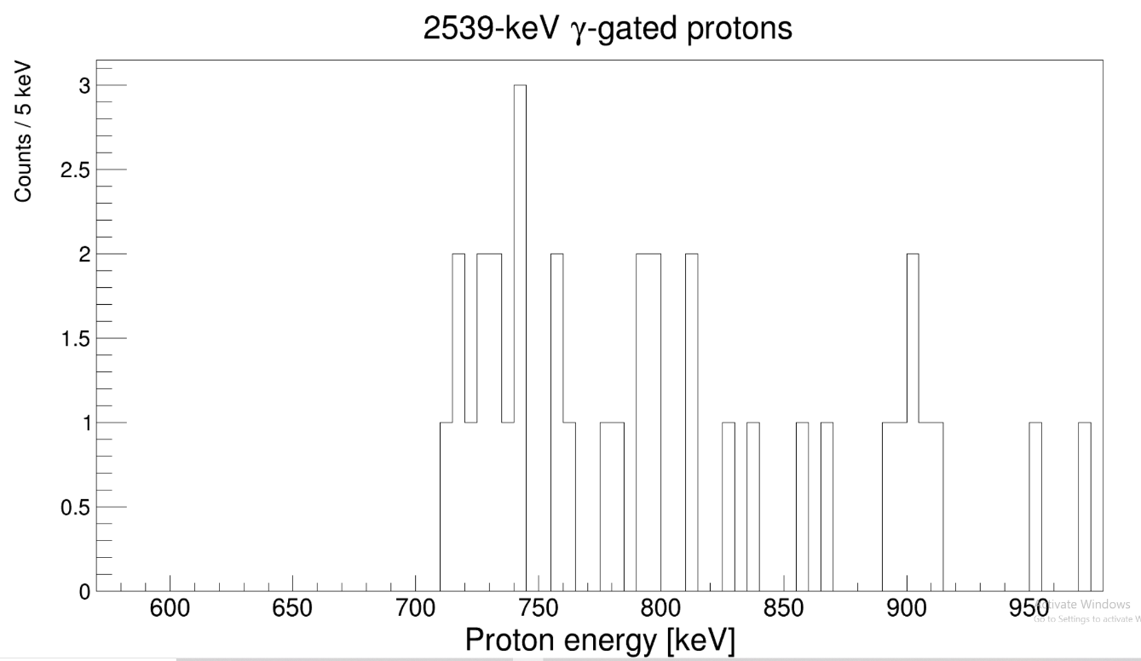
 | Energy | dE_p | Counts | dCounts
Final values | 740 | 10 | 14 | 4

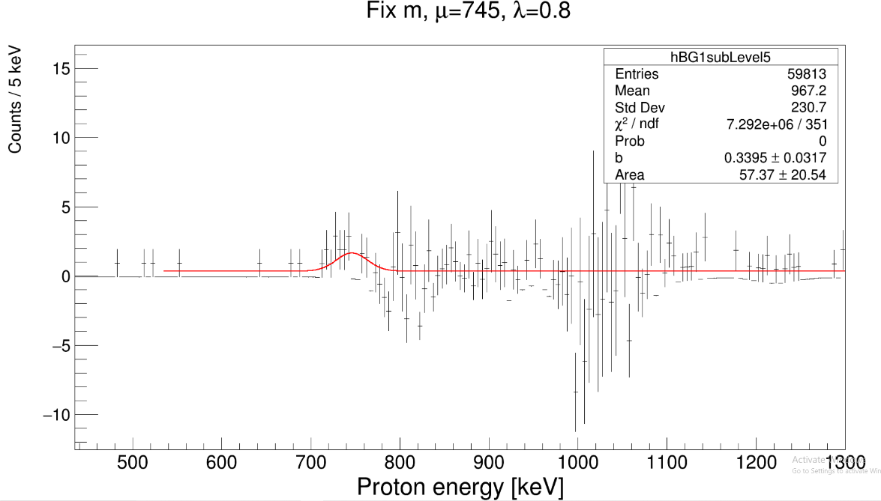
Gamma energies | Efficiency | Intensity
2539 keV | 0.0274082 | 100
1830 keV | 0.0343744 | 3.23

 | 0.79734337181
 | 38.82863195

AllLevelsFitStats
Background Subtraction Model #1; Constant Background & Free Sigma
 | Efficiency at 677.01 keV: |  |  | 0.060196883 |  |  |  |  | Efficiency at 708.7 keV: |  |  | 0.058912661 |  |  |  |  |  |  |  | Efficiency at 1454.23 keV: |  |  | 0.039806205 |  |  |  |  | Efficiency at 1264.57 keV: |  |  | 0.043299133 |  |  |  |  |  |  |  | Efficiency at 1973.27 keV: |  |  | 0.032689565 |  |  |  |  | Efficiency at 745.53 keV: |  |  | 0.057495488
b | 1.3779 | 0.0918 | Old: | 0.033453343 | 0.061434752 |  |  | b | 0.9161 | 0.1165 | Old: | 0.032604092 | 0.059875161 |  |  |  |  |  | b | 0.5925 | 0.0693 | Old: | 0.021646753 | 0.039752766 |  |  | b | 0.7147 | 0.0657 | Old: | 0.023498415 | 0.043153215 |  |  |  |  |  | b | 0.578 | 0.0776 | Old: | 0.01792727 | 0.032922193 |  |  | b | 0.2155 | 0.0757 | Old: | 0.031690241 | 0.058196937
m | 0 | 0 |  |  |  |  |  | m | 0 | 0 |  |  |  |  |  |  |  |  | m | 0 | 0 |  |  |  |  |  | m | 0 | 0 |  |  |  |  |  |  |  |  | m | 0 | 0 |  |  |  |  |  | m | 0 | 0
Sigma | offset | 10.8896 | 4.6495 |  |  |  |  | Sigma | offset | -0.4265 | 2.9542 |  |  | Expected number of counts |  |  |  |  | Sigma | offset | 5.1024 | 2.8675 |  |  |  |  | Sigma | offset | 5.386 | 13.2367 |  |  |  |  |  |  |  | Sigma | offset | 71.3084 | 23.0459 |  |  |  |  | Sigma | offset | 54.59 | 12.15
Sigma | slope | 0.0099 | 0.003 | Eff-corrected counts | Maximum/Mean | 31S level: | Known level | Sigma | slope | 0.0201 | 0.0022 | Eff-corrected counts | Previous | Ray et al. | Theoretical | Maximum/Mean | 31S level: | Known level | Sigma | slope | 0.0147 | 0.0023 | Eff-corrected counts | Maximum/Mean | 31S level: | Known level | Sigma | slope | 0.0135 | 0.0112 | Eff-corrected counts | Previous | Ray et al. | Theoretical | Maximum/Mean | 31S level: | Known level | Sigma | slope | -0.0402 | 0.0191 | Eff-corrected counts | Maximum/Mean | 31S level: | Known level | Sigma | slope | -0.01422 | 0.00967 | Eff-corrected counts | Previous | Present | Theoretical | Mean | 31S level: | Known level
Area | 1 | 2245.5429 | 112.2567 | 7460.661709 | 1211.6622 |  |  | Area | 1 | 359.7382 | 49.7423 | 1221.2593826 |  |  |  | 868.3753 |  |  | Area | 1 | 679.475 | 61.1985 | 3413.9149914 | 832.8144 |  |  | Area | 1 | 1217.3281 | 83.4704 | 5622.875174 | 6194.1384638 | 6666.8490308 | 7126.3083873 | 1124.125 |  |  | Area | 1 | 828.1583 | 73.3773 | 5066.8052634 | 1127.9485 |  |  | Area | 1 | 202.4 | 51.3 | 352.02762345 | 157.0400896 | 307.25234923 | 81.933959793
Mu | 1 | 1201.0306 | 1.3672 |  | 1213.7759479 | 8021.4359479 | 8022 | Mu | 1 | 858.5814 | 3.2435 |  |  |  |  | 871.32674795 | 7710.6767479 |  | Mu | 1 | 822.9686 | 1.9005 |  | 835.71394795 | 8420.5939479 | 8426 | Mu | 1 | 1113.7685 | 1.7926 |  | 0.907773568 | 0.84340820499 | 0.78903057072 | 1126.5138479 | 9230.4338479 | 9226 | Mu | 1 | 1116.9479 | 2.9975 |  | 1129.6932479 | 9233.6132479 | 9226 | Mu | 1 | 819.6 | 12.2 |  | 2.2416417638 | 1.1457280126 | 4.2964800474 | 832.34534795 | 8417.2253479 | 8426
Area | 2 | 8267.9428 | 207.7033 | 27469.670813 | 1598.9506 |  | 3 | Area | 2 | 407.2856 | 52.7134 | 1382.6759582 |  |  |  | 955.1746 |  |  | Area | 2 | 1945.2869 | 101.9683 | 9773.7872776 | 970.088 |  | 4 | Area | 2 | 1215.473 | 88.5787 | 5614.3064112 | 3092.9140437 | 3328.9522207 | 3558.3736817 | 1221.9541 |  | 25 | Area | 2 | 413.5236 | 57.7008 | 2530.0036877 | 1233.3751 |  | 25 | Area | 2 | 674.8 | 89.4 | 1173.6573138 | 449.59421477 | 879.64085499 | 234.57089466 |  |  | 4
Mu | 2 | 1587.9425 | 0.7579 |  | 1600.6878479 | 8408.3478479 |  | Mu | 2 | 945.2472 | 3.3818 |  |  |  |  | 957.99254795 | 7797.3425479 |  | Mu | 2 | 959.9179 | 1.2486 |  | 972.66324795 | 8557.5432479 | 8562 | Mu | 2 | 1211.3475 | 2.2439 |  | 1.8152157906 | 1.6865085585 | 1.5777731383 | 1224.0928479 | 9328.0128479 | 9332 | Mu | 2 | 1222.7447 | 4.596 |  | 1235.4900479 | 9339.4100479 | 9332 | Mu | 2 | 983.6 | 6.7 |  | 2.6104813523 | 1.3342460245 | 5.0034225919 | 996.34534795 | 8581.2253479 | 8562
Area | 3 | 280.1295 | 49.5212 | 930.7109805 | 1850.0181 |  |  | Area | 3 | 1822.0806 | 110.8028 | 6185.7012366 |  |  |  | 1061.8472 |  |  | Area | 3 | 7125.0965 | 191.3994 | 35798.923811 | 1222.9084 |  | 8 | Area | 3 | 984.8933 | 82.177 | 4549.2518291 | 2515.409072 | 2707.3745012 | 2893.9586792 | 1300.693 |  | 30 | Area | 3 | 336.311 | 54.0814 | 2057.6046209 | 1297.9532 |  | 30 | Area | 3 | 2029 | 148.5 | 3528.9725691 | 1646.7504953 | 3221.903143 | 859.17417146 |  |  | 8
Mu | 3 | 1838.8148 | 6.8571 |  | 1851.5601479 | 8659.2201479 |  | Mu | 3 | 1050.8581 | 1.661 |  |  |  |  | 1063.6034479 | 7902.9534479 | 7907 | Mu | 3 | 1212.2586 | 0.7212 |  | 1225.0039479 | 8809.8839479 | 8813 | Mu | 3 | 1291.1949 | 2.6568 |  | 1.8085534793 | 1.680318636 | 1.5719823029 | 1303.9402479 | 9407.8602479 | 9423 | Mu | 3 | 1289.962 | 4.7995 |  | 1302.7073479 | 9406.6273479 | 9423 | Mu | 3 | 1206 | 3.3 |  | 2.1429916549 | 1.0953068458 | 4.1074006719 | 1218.7453479 | 8803.6253479 | 8813
Area | 4 | 856.3933 | 75.4692 | 2845.3077878 | 2128.1374 |  |  | Area | 4 | 1892.6042 | 116.8027 | 6425.1187024 | 6194.1384638 | 6666.8490308 | 7126.3083873 | 1133.0019 |  | 3 | Area | 4 | 2514.2835 | 115.5998 | 12632.62097 | 1372.6362 |  | 15 |  |  |  |  |  |  |  |  |  |  | 7 |  |  |  |  |  |  |  | 7 | Area | 4 | 580.2 | 83.2 | 1009.1226637 | 581.1005646 | 1136.9358873 | 303.18290327 |  |  | 15
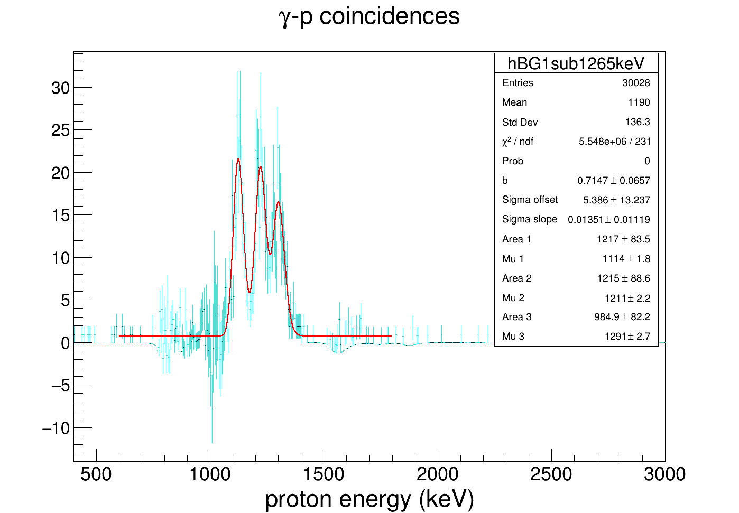
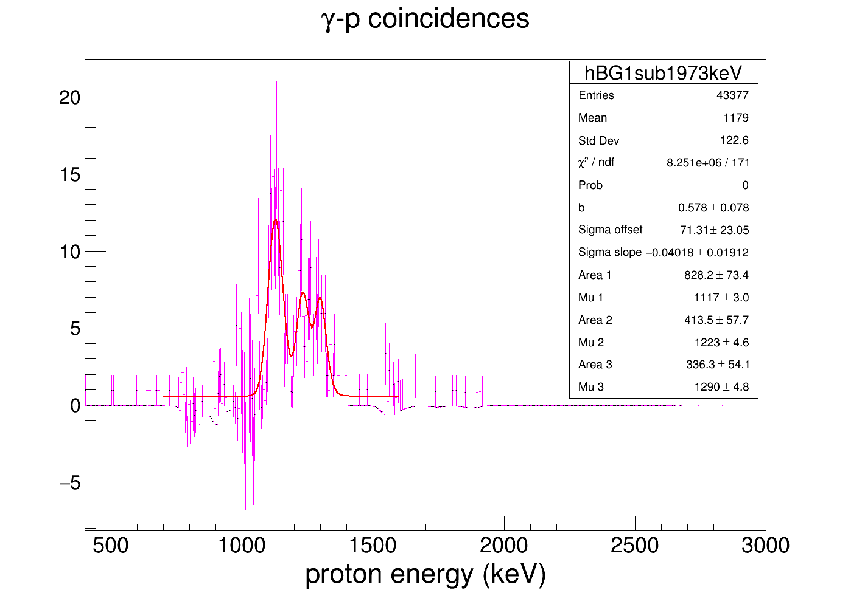
Mu | 4 | 2116.7517 | 3.3115 |  | 2129.4970479 | 8937.1570479 |  | Mu | 4 | 1123.405 | 2.18 |  | 1.0372901316 | 0.96374144258 | 0.90160548115 | 1136.1503479 | 7975.5003479 | 9226 | Mu | 4 | 1361.7754 | 1.3602 |  | 1374.5207479 | 8959.4007479 | 8969 |  |  |  |  |  |  |  |  |  |  |  |  |  |  |  |  |  |  |  | Mu | 4 | 1356 | 6 |  | 1.7365714734 | 0.88758097531 | 3.3284286574 | 1368.7453479 | 8953.6253479 | 8969
 |  | 22.77980294 | 1223.8104029 |  |  |  |  | Area | 5 | 2456.7514 | 127.9875 | 8340.3172028 | 3092.9140437 | 3328.9522207 | 3558.3736817 | 1218.0681 | 9240.0703479 | 25 | Area | 5 | 1720.5171 | 96.0782 | 8644.4668614 | 1641.2041 |  | 20 |  |  |  |  |  |  |  | 2045.4864 | 111.13746367 |  |  |  |  |  |  |  |  |  |  | Area | 5 | 370.1 | 67 | 643.70268498 | 397.64547562 | 778.00201752 | 207.46720467 |  |  | 20
 |  |  |  |  |  |  |  | Mu | 5 | 1207.7697 | 1.9468 |  | 2.6965887461 | 2.5053880771 | 2.3438564773 | 1220.5150479 | 8059.8650479 | 9332 | Mu | 5 | 1630.0003 | 1.8185 |  | 1642.7456479 | 9227.6256479 | 9226 |  |  |  |  |  |  |  | 1628.9966 | 105.71456103 |  |  |  |  |  |  |  |  |  |  | Mu | 5 | 1624 | 6.6 |  | 1.6187853866 | 0.82737919759 | 3.102671991 | 1636.7453479 | 9221.6253479 | 9226
 |  | 26.61023075 | 1614.5527308 |  |  |  |  | Area | 6 | 1457.5078 | 99.9869 | 4948.0290833 | 2515.409072 | 2707.3745012 | 2893.9586792 | 1311.3494 | 9324.4350479 | 30 | Area | 6 | 339.4869 | 47.4605 | 1705.6983955 | 1807.7201 |  | 25 |  |  |  |  |  |  |  | 1321.2043 | 98.376100527 |  |  |  |  |  |  |  |  |  |  | Area | 6 | 39.51 | 26.43 | 68.718435784 | 78.462126194 | 153.5128556 | 40.936761492 |  |  | 25
 |  |  |  |  |  |  |  | Mu | 6 | 1301.3652 | 2.7557 |  | 1.9670872377 | 1.8276116145 | 1.7097787604 | 1314.1105479 | 8153.4605479 | 9423 | Mu | 6 | 1796.3868 | 5.0997 |  | 1809.1321479 | 9394.0121479 |  |  |  |  |  |  |  |  |  |  |  |  |  |  |  |  |  |  |  |  | Mu | 6 | 1809 | 21.5 |  | 0.87581664069 | 0.44763961635 | 1.6786485613 | 1821.7453479 | 9406.6253479 | 9423
 |  | 29.09386652 | 1867.9086665 |  |  |  |  | Area | 7 | 3961.8572 | 147.8419 | 13449.934641 |  |  |  | 1566.4348 | 9418.0305479 | 7 |  |  |  |  |  |  |  |  |  |  |  |  |  |  |  |  |  |  |  |  |  |  |  |  |  |  |  |  |  |  |  |  |  |  |  |  |  | 7
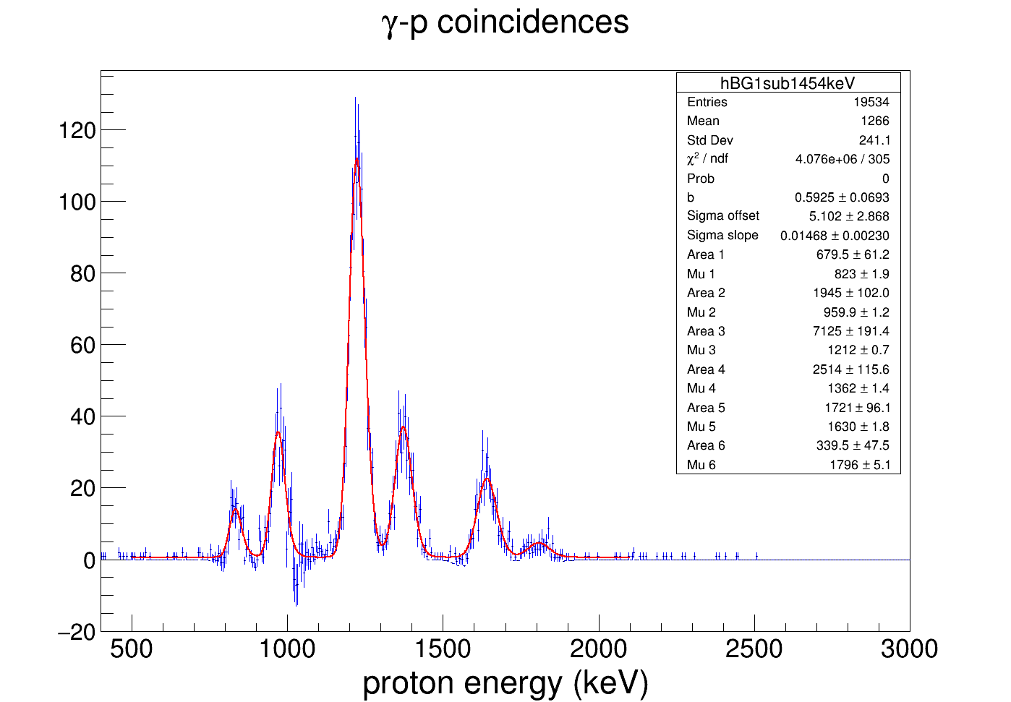
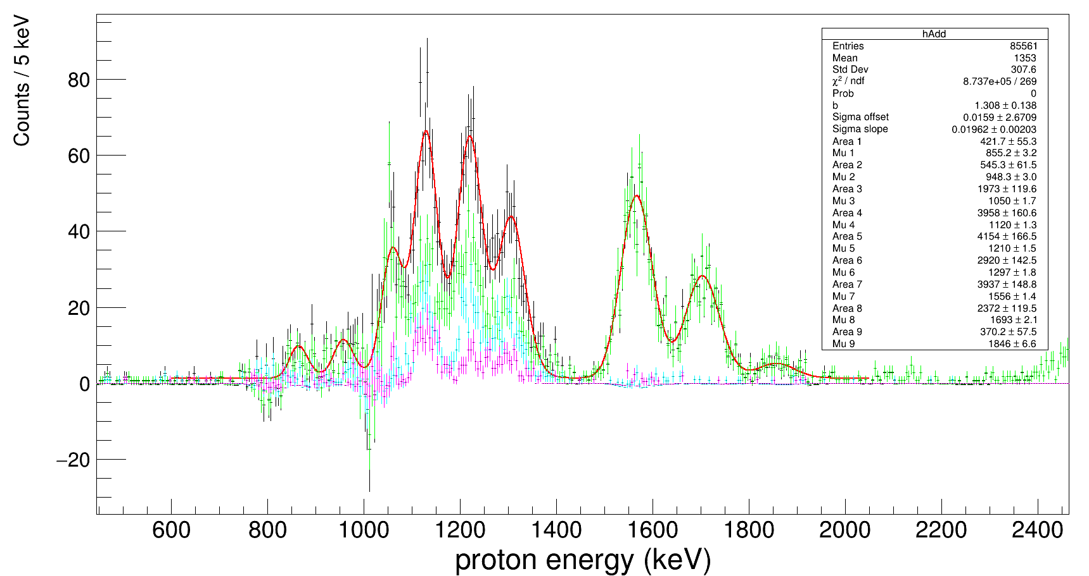
 |  |  |  |  |  |  |  | Mu | 7 | 1555.0797 | 1.3482 |  | 1567.8250479 |  |  | 1567.8250479 | 8407.1750479
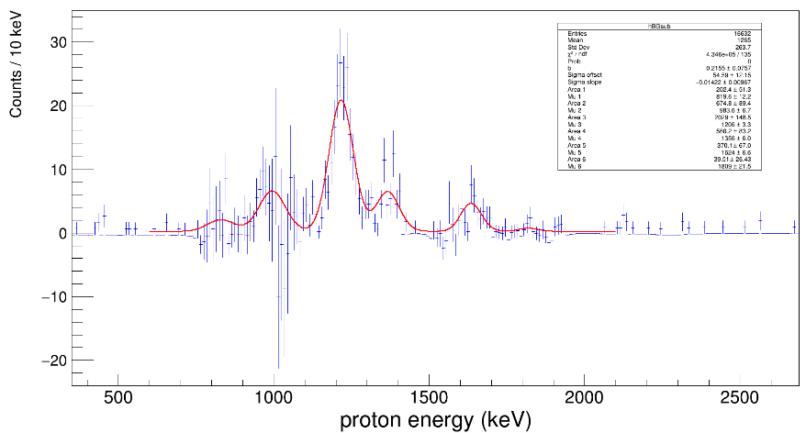
 |  | 31.84544183 | 2148.5971418 |  |  |  |  | Area | 8 | 2397.7952 | 118.4435 | 8140.1693941 |  |  |  | 1704.7959
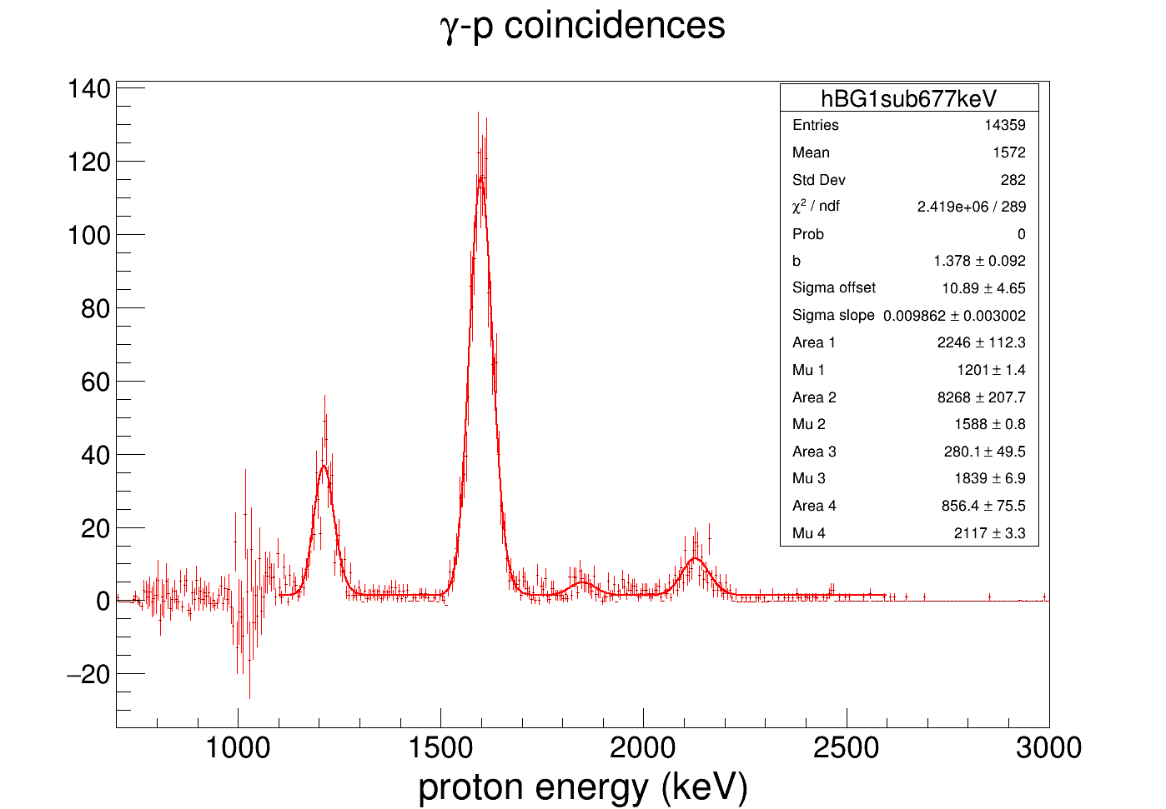
 |  |  |  |  |  |  |  | Mu | 8 | 1693.4629 | 2.0296 |  | 1706.2082479 |  |  | 1706.2082479 | 8545.5582479
 |  |  |  |  |  |  |  | Area | 9 | 412.7767 | 56.5428 | 1401.3174519 |  |  |  | 1857.5629
 |  |  |  |  |  |  |  | Mu | 9 | 1846.3348 | 6.054 |  | 1859.0801479 |  |  | 1859.0801479 | 8698.4301479 | 8702
 |  |  |  |  |  |  |  | b | 0.9418 | 0.0919 |  |  |  |  |  |  |  | 17
 |  |  |  |  |  |  |  | m | 0 | 0
 |  |  |  |  |  |  |  | Sigma | offset | -0.0739 | 8.1849
 |  |  |  |  |  |  |  | Sigma | slope | 0.0196 | 0.005 |  |  |  |  | Maximum/Mean
 |  |  |  |  |  |  |  | Area | 1 | 3955.0772 | 147.4279 | 13426.917518 |  |  |  | 1566.4162
 |  |  |  |  |  |  |  | Mu | 1 | 1555.0959 | 1.3409 |  | 1567.8412479 |  |  | 1567.8412479 | 8407.1912479
 |  |  |  |  |  |  |  | Area | 2 | 2391.6242 | 118.1859 | 8119.2197378 |  |  |  | 1704.7681
 |  |  |  |  |  |  |  | Mu | 2 | 1693.4461 | 2.0241 |  | 1706.1914479 |  |  | 1706.1914479 | 8545.5414479
 |  |  |  |  |  |  |  | Area | 3 | 408.9976 | 55.6251 | 1388.4879517 |  |  |  | 1857.2663
 |  |  |  |  |  |  |  | Mu | 3 | 1846.0188 | 5.9848 |  | 1858.7641479 |  |  | 1858.7641479 | 8698.1141479
 |  |  |  |  |  |  |  | Area | 4 | 655.1814 | 71.355 | 2224.2464994 |  |  |  | 2471.5162
 |  |  |  |  |  |  |  | Mu | 4 | 2459.4875 | 5.7951 |  | 2472.2328479 |  |  | 2472.2328479 | 9311.5828479
 |  |  |  |  |  |  |  |  |  |  |  |  |  |  |  |  |  |  |  |  | 1.2-MeV protons | 54932.868188 |  | 48431.544781
 |  |  |  |  |  |  |  |  |  |  |  |  |  |  |  |  |  |  |  |  | 1.3-MeV protons | 6606.8564501 |  | 10163.55824
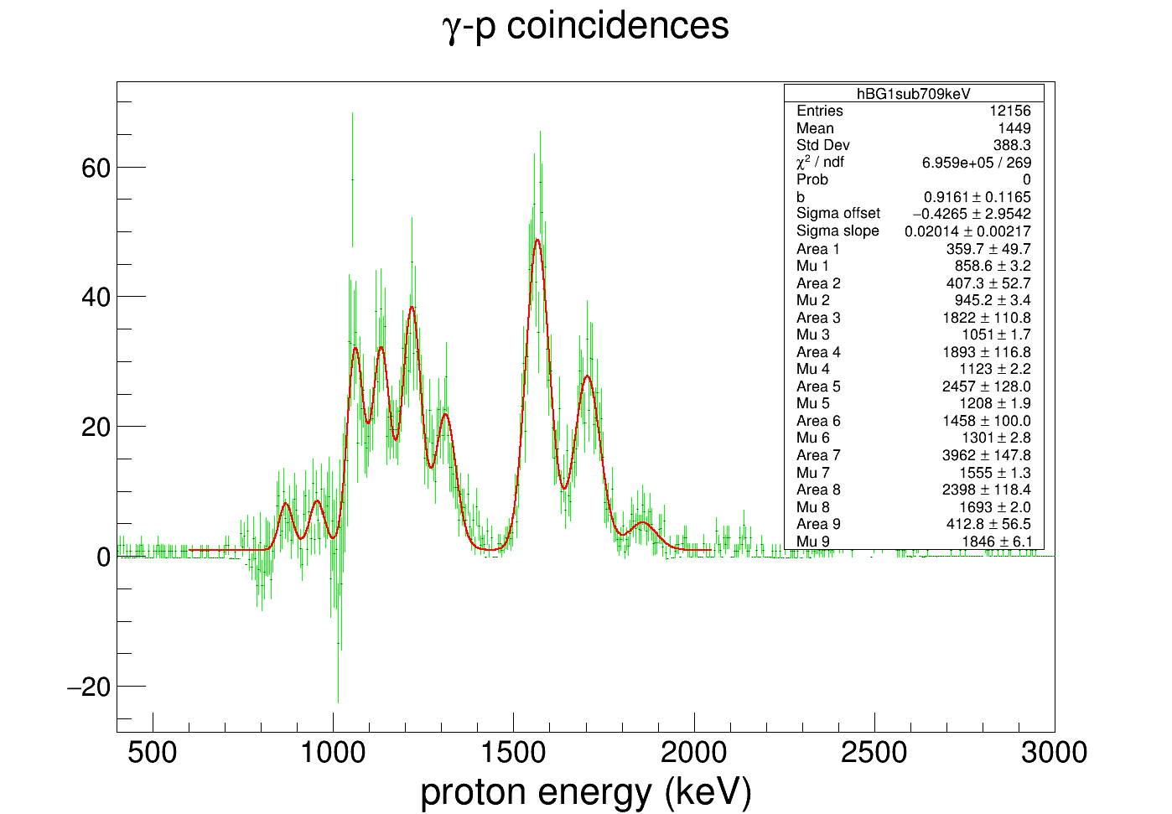
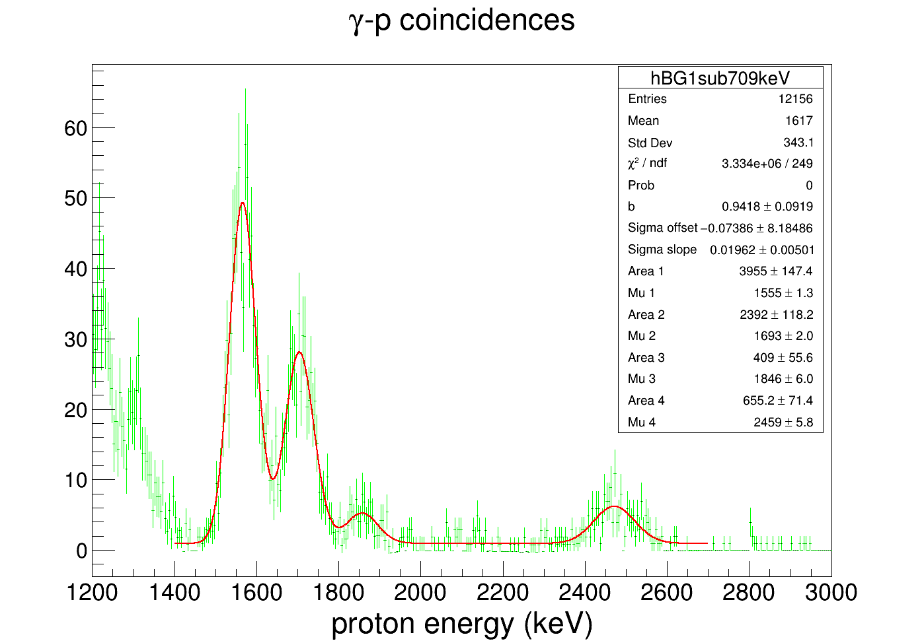
 |  |  |  |  |  |  |  |  |  |  |  |  |  |  |  |  |  |  |  |  | 1.4-MeV protons | 13641.743633 |  | 4587.6083086
 |  |  |  |  |  |  |  |  |  |  |  |  |  |  |  |  |  |  |  |  |  |  |  | 7460.661709
 |  |  |  |  |  |  |  |  |  |  |  |  |  |  |  |  |  |  |  |  |  |  |  | 70643.373038

Background Subtraction Model #1; Linear background & Free Lambda

677-keV gamma-gated |  |  |  |  |  |  | 709-keV gamma-gated |  |  |  |  |  |  | 1454-keV gamma-gated (constant BG) |  |  |  |  |  |  | 1265-keV gamma-gated |  |  |  |  |  |  | 1973-keV gamma-gated
b | 5.187 | 0.4367 |  |  |  |  | b | 0.929 | 0.2663 |  |  |  |  | b | 0.7578 | 0.0797 |  |  |  |  | b | 2.0984 | 0.2601 |  |  |  |  | b | 1.2914 | 0.093
m | -0.0019 | 0.0002 |  |  |  |  | m | -0.0001 | 0.0002 |  |  |  |  | m | 0 | 0 |  |  |  |  | m | -0.001 | 0.0002 |  |  |  |  | m | -0.0004 | 0
Sigma | offset | 1.8678 | 4.6403 |  |  |  | Sigma | offset | -7.7954 | 4.3193 |  |  |  | Sigma | offset | 9.9756 | 2.7036 |  |  |  | Sigma | offset | 27.8106 | 16.0958 |  |  |  | Sigma | offset | 84.1859 | 20.2125
Sigma | slope | 0.0152 | 0.0029 | σ(μ) | Search window |  | Sigma | slope | 0.0197 | 0.0031 | σ(μ) | Search window |  | Sigma | slope | 0.0131 | 0.0021 | σ(μ) | Search window |  | Sigma | slope | -0.0076 | 0.014 |  |  |  | Sigma | slope | -0.0476 | 0.0167
Area | 1 | 2026.134 | 113.1823 |  |  |  | Area | 1 | 490.4902 | 63.0817 |  |  |  | Area | 1 | 707.1531 | 63.5682 |  |  |  | Area | 1 | 1247.8467 | 91.3267 |  |  |  | Area | 1 | 834.7253 | 75.5975
Mu | 1 | 1201.744 | 2.6642 | 20.1343088 | 1221.8783088 |  | Mu | 1 | 842.0869 | 3.2495 | 8.79371193 | 850.88061193 |  | Mu | 1 | 831.7737 | 4.6258 | 20.87183547 | 852.64553547 |  | Mu | 1 | 1109.0944 | 2.9968 |  |  |  | Mu | 1 | 1124.4271 | 12.7254
Maximum | 1211.7116 | 0 |  |  |  |  | Maximum | 850.8536 | 0 |  |  |  |  | Maximum | 834.0965 | 0 |  |  |  |  | Maximum | 1122.8597 | 0 |  |  |  |  | Maximum | 1126.0458 | 0
Area | 2 | 8117.6842 | 209.3668 |  |  |  | Area | 2 | 421.6023 | 59.2344 |  |  |  | Area | 2 | 1948.4385 | 102.6036 |  |  |  | Area | 2 | 1220.7145 | 91.5354 |  |  |  | Area | 2 | 401.4194 | 58.2196
Mu | 2 | 1588.4305 | 2.5988 | 26.0119436 | 1614.4424436 |  | Mu | 2 | 932.9587 | 4.9892 | 10.58388639 | 943.54258639 |  | Mu | 2 | 968.4716 | 4.3653 | 22.66257796 | 991.13417796 |  | Mu | 2 | 1208.4097 | 2.6587 |  |  |  | Mu | 2 | 1232.5026 | 13.2944
Maximum | 1599.0182 | 0 |  |  |  |  | Maximum | 943.5127 | 0 |  |  |  |  | Maximum | 970.7984 | 0 |  |  |  |  | Maximum | 1221.5355 | 0 |  |  |  |  | Maximum | 1234.8311 | 0
Area | 3 | 288.3153 | 52.8229 |  |  |  | Area | 3 | 2208.7815 | 144.6242 |  |  |  | Area | 3 | 7088.3781 | 191.3171 |  |  |  | Area | 3 | 918.2758 | 86.0541 |  |  |  | Area | 3 | 321.8692 | 54.0328
Mu | 3 | 1843.0142 | 7.556 | 29.88161584 | 1872.8958158 |  | Mu | 3 | 1041.8502 | 1.5582 | 12.72904894 | 1054.5792489 |  | Mu | 3 | 1222.0593 | 4.2518 | 25.98457683 | 1248.0438768 |  | Mu | 3 | 1286.7671 | 3.5077 |  |  |  | Mu | 3 | 1299.6616 | 13.3009
Maximum | 1853.3688 | 0 |  |  |  |  | Maximum | 1054.5459 | 0 |  |  |  |  | Maximum | 1224.3919 | 0 |  |  |  |  | Maximum | 1298.4981 | 0 |  |  |  |  | Maximum | 1299.6616 | 0
Area | 4 | 903.7652 | 76.395 |  |  |  | Area | 4 | 1883.7882 | 134.1299 |  |  |  | Area | 4 | 2506.5855 | 115.899 |  |  |  | Lambda | 0.05 | 0.0106 |  |  |  |  | Lambda | 0.6079 | 4.6324
Mu | 4 | 2118.0365 | 4.2214 | 34.0619548 | 2152.0984548 |  | Mu | 4 | 1116.1888 | 2.2858 | 14.19351936 | 1130.3823194 |  | Mu | 4 | 1371.188 | 4.4084 | 27.9381628 | 1399.1261628
Maximum | 2128.9063 | 0 |  |  |  |  | Maximum | 1129.8305 | 0 |  |  |  |  | Maximum | 1373.5229 | 0
Lambda | 0.0819 | 0.0185 |  |  |  |  | Area | 5 | 2414.3521 | 141.2506 |  |  |  | Area | 5 | 1720.7839 | 97.2671
 |  |  |  |  |  |  | Mu | 5 | 1198.4522 | 2.1971 | 15.81410834 | 1214.2663083 |  | Mu | 5 | 1638.9395 | 4.601 | 31.44570745 | 1670.3852075
 |  |  |  |  |  |  | Maximum | 1213.7502 | 0 |  |  |  |  | Maximum | 1641.2779 | 0
 |  |  |  |  |  |  | Area | 6 | 1239.883 | 114.4238 |  |  |  | Area | 6 | 338.2798 | 48.9432
 |  |  |  |  |  |  | Mu | 6 | 1289.7521 | 3.297 | 17.61271637 | 1307.3648164 |  | Mu | 6 | 1806.8576 | 6.8062 | 33.64543456 | 1840.5030346
 |  |  |  |  |  |  | Maximum | 1303.5806 | 0 |  |  |  |  | Maximum | 1809.1967 | 0
 |  |  |  |  |  |  | Area | 7 | 4255.1816 | 168.3539 |  |  |  | Lambda | 0.4253 | 0.7643
 |  |  |  |  |  |  | Mu | 7 | 1539.3744 | 2.0939 | 22.53027568 | 1561.9046757
 |  |  |  |  |  |  | Maximum | 1559.9272 | 0
 |  |  |  |  |  |  | Area | 8 | 2258.3498 | 123.8265
 |  |  |  |  |  |  | Mu | 8 | 1682.4254 | 2.3953 | 25.34838038 | 1707.7737804
 |  |  |  |  |  |  | Maximum | 1702.2862 | 0
 |  |  |  |  |  |  | Area | 9 | 400.259 | 65.1961
 |  |  |  |  |  |  | Mu | 9 | 1841.2289 | 6.1863 | 28.47680933 | 1869.7057093
 |  |  |  |  |  |  | Maximum | 1858.6823 | 0
 |  |  |  |  |  |  | Lambda | 0.0276 | 0.0026

 |  |  |  |  |  |  | b | 3.5513 | 0.0971
 |  |  |  |  |  |  | m | -0.0012 | 0
 |  |  |  |  |  |  | Sigma | offset | -17.8024 | 9.1281
 |  |  |  |  |  |  | Sigma | slope | 0.03 | 0.0056
 |  |  |  |  |  |  | Area | 1 | 3830.2213 | 153.3923
 |  |  |  |  |  |  | Mu | 1 | 1554.3033 | 6.5989
 |  |  |  |  |  |  | Maximum | 1566.17 | 0
 |  |  |  |  |  |  | Area | 2 | 2336.0501 | 123.6875
 |  |  |  |  |  |  | Mu | 2 | 1692.2874 | 5.9423
 |  |  |  |  |  |  | Maximum | 1704.2623 | 0
 |  |  |  |  |  |  | Area | 3 | 405.0889 | 59.639
 |  |  |  |  |  |  | Mu | 3 | 1845.719 | 7.921
 |  |  |  |  |  |  | Maximum | 1857.1719 | 0
 |  |  |  |  |  |  | Area | 4 | 796.0309 | 77.5833
 |  |  |  |  |  |  | Mu | 4 | 2459.5072 | 9.0742
 |  |  |  |  |  |  | Maximum | 2471.8065 | 0
 |  |  |  |  |  |  | Lambda | 0.0729 | 0.0406

GetSeGAEfficiency
1248.4 | 1
1827.93 | 0.72709073639
2035.24 | 0.71171603781
1049.66 | 1.0071014497
1852.19 | 0.71649773851
4519.28 | 0.29745561792
4717.34 | 0.37167225844
2483.6 | 0.57690761065
5155.7 | 0.34472614958
6254.3 | 0.32702207188
6278.4 | 0.28165736745
5030.1 | 0.34265373135
6389.5 | 0.30777719562
7049.2 | 0.17567628336
Get Relative Detection Efficiency of SeGA as a Function of Gamma-Ray Energy; Fix sigma as a function of energy and lambda as constant
Eγ (keV) | dEγ (keV) | Area 1 | Area 1 error | Mu 1 | Mu 1 error | Area 2 | Area 2 error | Mu 2 | Mu 2 error | Sigma | Sigma error | χ2/ndf | Inflated areal error | Chosen integral | Alt integral | Systematic uncertainty | Total uncertainty | My intensities | My intensity errors | Relative efficiency | Rel. eff. Error | Comments
1248.4 | 0.2 | 169853.8634 | 448.8678 | 1249.6205 | 0.0057 | 12758.1221 | 191.8372 | 1267.2472 | 0.0338 | 1.7497504873 |  | 12.593150685 | 1592.889509 | 169853.8634 | 169345.571 | 508.2924 | 1672.0221744 | 13.864088545 | 0.67285298469 | 1 | 0
1827.93 | 0.25 | 1842.5378 | 174.116 | 1829.3039 | 0.277 | 1858.6985 | 176.1966 | 1852.5189 | 0.3024 | 2.2777112849 |  | 1.1203007519 | 184.29179292 | 1842.5378 | 1653.2854 | 189.2524 | 264.15892157 | 0.20684436243 | 0.012237480322 | 0.72709073639 | 0.11837644826
2035.24 | 0.2 | 39215.9039 | 271.3462 | 2035.8574 | 0.0213 | 1325.3414 | 169.2665 | 2055.6112 | 0.3736 | 2.4449219033 |  | 3.185106383 | 484.26793643 | 39215.9039 | 38550.3116 | 665.5923 | 823.12122077 | 4.4975020627 | 0.26608456883 | 0.71171603781 | 0.056906372268
1049.66 | 0.21 | 17714.3303 | 217.223 | 1050.8934 | 0.0278 |  |  |  |  | 1.5411041305 |  | 2.0808333333 | 313.3462167 | 17714.3303 | 18370.4436 | 656.1133 | 727.09732083 | 1.4357122666 | 0.069678095359 | 1.0071014497 | 0.081147490862
1852.19 | 0.25 | 1842.5378 | 174.116 | 1829.3039 | 0.277 | 1858.6985 | 176.1966 | 1852.5189 | 0.3024 |  |  | 1.1203007519 | 186.49398861 | 1858.6985 | 1627.2005 | 231.498 | 297.27316023 | 0.21174346632 | 0.012527324758 | 0.71649773851 | 0.1272304714
4519.28 | 0.32 | 4371.5946 | 85.9406 | 4522.2517 | 0.1171 | 335.4106 | 56.4161 | 4557.4302 | 0.9334 | 4.0192730851 |  | 1.66875 | 111.01815889 | 4371.5946 | 4898.5678 | 526.9732 | 538.54042107 | 1.1995921056 | 0.076450410272 | 0.29745561792 | 0.043807653314
4717.34 | 0.32 | 2818.6968 | 75.9051 | 4720.7255 | 0.1424 |  |  |  |  | 4.1231411847 |  | 1.0277108434 | 76.949610548 | 2818.6968 | 2899.8832 | 81.1864 | 111.85917087 | 0.61901918579 | 0.039450301898 | 0.37167225844 | 0.03342715564
2483.6 | 0.22 | 2088.2984 | 98.1235 | 2448.1665 | 0.189 | 3343.0908 | 106.3367 | 2483.7261 | 0.123 | 2.7805022152 |  | 1.141954023 | 113.63378898 | 3343.0908 | 3430.6781 | 87.5873 | 143.47185479 | 0.47299635937 | 0.027983763117 | 0.57690761065 | 0.050932388901
5155.7 | 0.6 | 1668.5116 | 59.8662 | 5144.3413 | 0.2058 | 3550.6929 | 74.9567 | 5158.424 | 0.117 | 4.3447473442 |  | 0.9875 | 74.486747405 | 3550.6929 | 3537.5908 | 13.1021 | 76.093179059 | 0.84072657805 | 0.082561431578 | 0.34472614958 | 0.038626649948
6254.3 | 0.6 | 1832.3253 | 48.7507 | 6256.0509 | 0.1669 | 10877.8863 | 107.1912 | 6279.4157 | 0.0497 |  |  | 1.3793103448 | 57.254793511 | 1832.3253 | 1826.1524 | 6.1729 | 57.586596308 | 0.45734233667 | 0.044912149827 | 0.32702207188 | 0.037406121137
6278.4 | 0.6 | 1832.3253 | 48.7507 | 6256.0509 | 0.1669 | 10877.8863 | 107.1912 | 6279.4157 | 0.0497 | 4.8727226827 |  | 1.3793103448 | 125.88967999 | 10877.8863 | 10870.1344 | 7.7519 | 126.12812328 | 3.1523852966 | 0.30957204134 | 0.28165736745 | 0.031148850621
5030.1 | 0.6 | 8137.749 | 100.486 | 5032.8653 | 0.0638 |  |  |  |  | 4.2821724113 |  | 1.6375 | 128.58674804 | 8137.749 | 8296.7628 | 159.0138 | 204.49924294 | 1.9384951502 | 0.1903650234 | 0.34265373135 | 0.038656888624
6389.5 | 0.7 | 683.6782 | 29.8972 | 6390.5078 | 0.2404 |  |  |  |  | 4.922377371 |  | 1.3602272727 | 34.868740131 | 683.6782 | 679.4111 | 4.2671 | 35.128865349 | 0.18131393684 | 0.017805477526 | 0.30777719562 | 0.037361815844
7049.2 | 0.8 | 102.16 | 13.34 | 7048 | 0.8 |  |  |  |  | 5.2078109439 |  | 0.68084632517 | 11.007289235 | 102.16 | 84.6953 | 17.4647 | 21.976609067 | 0.047466110211 | 0.0046612895474 | 0.17567628336 | 0.042444056825 | Fit after rebinning histogram by 5. Free sigma
745.53 | 0.04 |  |  |  |  |  |  |  |  |  |  |  |  |  |  |  |  |  |  | 1.2350857295 | 0.16202650491
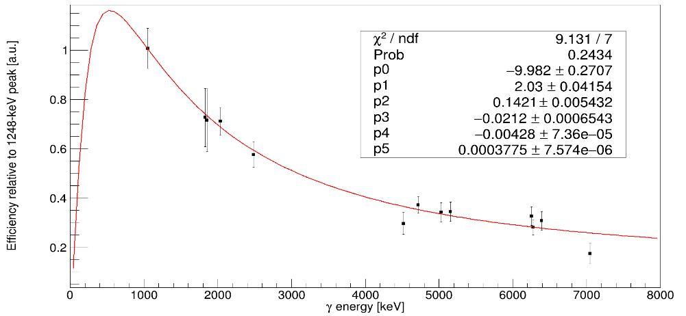
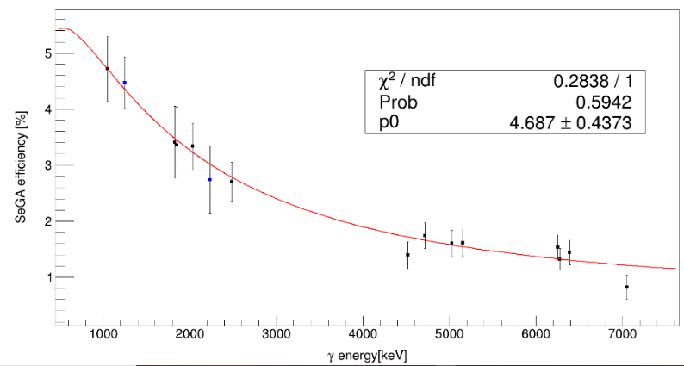
Evaluating absolute efficiencies of 30P gamma rays (N=15)
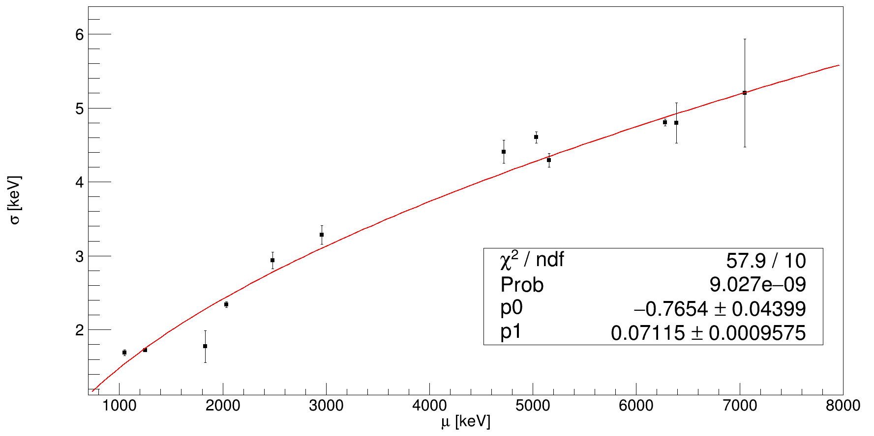
Eγ (keV) | Efficiency (%) | 1.2-MeV proton-gated gammas | Statistical fit error | Systematic error | Total uncertainty | Intensity | Intensity uncertainty | Efficiency | Systematic uncertainty
Lambda fixed to λ=0.9531. Rebin histogram by 5 for 7049-keV peak fit. Remove 3284- and 4519-keV peak fits. Inflate error bars.
677.01 | 5.3489159
708.7 | 5.3080021
745.53 | 5.2549884 | 71.41 | 32 | 12.59 | 34.387615503 | 100 | 8 | 5.7888468143 | 0.53385841427
1454.23 | 4.0102822 | 989.4 | 12.3 | 26.2 | 28.943565779 | 5 | 8
Absolute efficiency (N=15)
1264.57 | 4.3270098
Relative efficiency (N=13)
1973.27 | 3.2988906

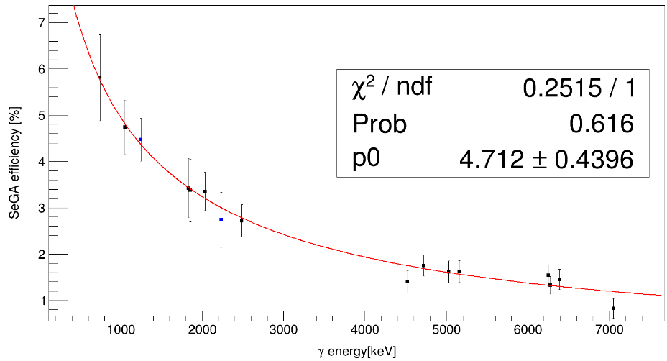
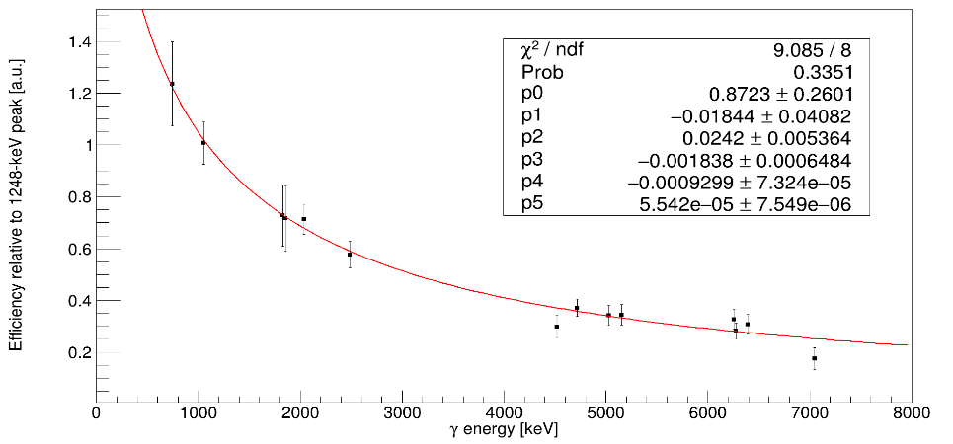
Using relative intensity of 746-keV gamma ray as another calibration point (N=16)
Eγ (keV) | Efficiency (%) | 1.2-MeV proton-gated gammas | Statistical fit error | Systematic error | Total uncertainty | Intensity | Intensity uncertainty | Efficiency | Systematic uncertainty
677.01 | 6.0196883
708.7 | 5.8912661
745.53 | 5.7495488 | 71.41 | 32 | 12.59 | 34.387615503 | 100 | 8 | 5.7460301173 | 0.0035186826562
1454.23 | 3.9806205 | 989.4 | 12.3 | 26.2 | 28.943565779 | 5 | 8
1264.57 | 4.3299133
1973.27 | 3.2689565

Relative efficiency (N=14)
Absolute efficiency (N=16)

1248.4 | 1
1827.93 | 0.72709073639
2035.24 | 0.71171603781
1049.66 | 1.0071014497
1852.19 | 0.71649773851
2959.09 | 0.5357264426
4519.28 | 0.29745561792
4717.34 | 0.37167225844
2483.6 | 0.57690761065
5155.7 | 0.34472614958
6254.3 | 0.32702207188
6278.4 | 0.28165736745
5030.1 | 0.34265373135
6389.5 | 0.30777719562
7049.2 | 0.15065978113
3283.57 | 0.44877441782
3313.56 | 0.47402630789
Same procedure but including 16 data points
Eγ (keV) | dEγ (keV) | Area 1 | Area 1 error | Mu 1 | Mu 1 error | Area 2 | Area 2 error | Mu 2 | Mu 2 error | Sigma | Sigma error | χ2/ndf | Inflated areal error | Chosen integral | Alt integral | Systematic uncertainty | Total uncertainty | My intensities | My intensity errors | Relative efficiency | Rel. eff. Error
1248.4 | 0.2 | 169853.8634 | 448.8678 | 1249.6205 | 0.0057 | 12758.1221 | 191.8372 | 1267.2472 | 0.0338 | 1.7497504873 |  | 12.593150685 | 1592.889509 | 169853.8634 | 169345.571 | 508.2924 | 1672.0221744 | 13.864088545 | 0.67285298469 | 1 | 0
1827.93 | 0.25 | 1842.5378 | 174.116 | 1829.3039 | 0.277 | 1858.6985 | 176.1966 | 1852.5189 | 0.3024 | 2.2777112849 |  | 1.1203007519 | 184.29179292 | 1842.5378 | 1653.2854 | 189.2524 | 264.15892157 | 0.20684436243 | 0.012237480322 | 0.72709073639 | 0.11837644826
2035.24 | 0.2 | 39215.9039 | 271.3462 | 2035.8574 | 0.0213 | 1325.3414 | 169.2665 | 2055.6112 | 0.3736 | 2.4449219033 |  | 3.185106383 | 484.26793643 | 39215.9039 | 38550.3116 | 665.5923 | 823.12122077 | 4.4975020627 | 0.26608456883 | 0.71171603781 | 0.056906372268
1049.66 | 0.21 | 17714.3303 | 217.223 | 1050.8934 | 0.0278 |  |  |  |  | 1.5411041305 |  | 2.0808333333 | 313.3462167 | 17714.3303 | 18370.4436 | 656.1133 | 727.09732083 | 1.4357122666 | 0.069678095359 | 1.0071014497 | 0.081147490862
1852.19 | 0.25 | 1842.5378 | 174.116 | 1829.3039 | 0.277 | 1858.6985 | 176.1966 | 1852.5189 | 0.3024 |  |  | 1.1203007519 | 186.49398861 | 1858.6985 | 1627.2005 | 231.498 | 297.27316023 | 0.21174346632 | 0.012527324758 | 0.71649773851 | 0.1272304714
2959.09 | 0.31 | 11716.23 | 154.2776 | 2959.3445 | 0.0477 | 128.019 | 125.9418 | 2972.2387 | 1.5229 | 3.1051498637 |  | 4.8090909091 | 338.3252159 | 11716.23 | 12058.7103 | 342.4803 | 481.41116273 | 1.7850923942 | 0.10561096658 | 0.5357264426 | 0.046828809385
4519.28 | 0.32 | 4371.5946 | 85.9406 | 4522.2517 | 0.1171 | 335.4106 | 56.4161 | 4557.4302 | 0.9334 | 4.0192730851 |  | 1.66875 | 111.01815889 | 4371.5946 | 4898.5678 | 526.9732 | 538.54042107 | 1.1995921056 | 0.076450410272 | 0.29745561792 | 0.043807653314
4717.34 | 0.32 | 2818.6968 | 75.9051 | 4720.7255 | 0.1424 |  |  |  |  | 4.1231411847 |  | 1.0277108434 | 76.949610548 | 2818.6968 | 2899.8832 | 81.1864 | 111.85917087 | 0.61901918579 | 0.039450301898 | 0.37167225844 | 0.03342715564
2483.6 | 0.22 | 2088.2984 | 98.1235 | 2448.1665 | 0.189 | 3343.0908 | 106.3367 | 2483.7261 | 0.123 | 2.7805022152 |  | 1.141954023 | 113.63378898 | 3343.0908 | 3430.6781 | 87.5873 | 143.47185479 | 0.47299635937 | 0.027983763117 | 0.57690761065 | 0.050932388901
5155.7 | 0.6 | 1668.5116 | 59.8662 | 5144.3413 | 0.2058 | 3550.6929 | 74.9567 | 5158.424 | 0.117 | 4.3447473442 |  | 0.9875 | 74.486747405 | 3550.6929 | 3537.5908 | 13.1021 | 76.093179059 | 0.84072657805 | 0.082561431578 | 0.34472614958 | 0.038626649948
6254.3 | 0.6 | 1832.3253 | 48.7507 | 6256.0509 | 0.1669 | 10877.8863 | 107.1912 | 6279.4157 | 0.0497 |  |  | 1.3793103448 | 57.254793511 | 1832.3253 | 1826.1524 | 6.1729 | 57.586596308 | 0.45734233667 | 0.044912149827 | 0.32702207188 | 0.037406121137
6278.4 | 0.6 | 1832.3253 | 48.7507 | 6256.0509 | 0.1669 | 10877.8863 | 107.1912 | 6279.4157 | 0.0497 | 4.8727226827 |  | 1.3793103448 | 125.88967999 | 10877.8863 | 10870.1344 | 7.7519 | 126.12812328 | 3.1523852966 | 0.30957204134 | 0.28165736745 | 0.031148850621
5030.1 | 0.6 | 8137.749 | 100.486 | 5032.8653 | 0.0638 |  |  |  |  | 4.2821724113 |  | 1.6375 | 128.58674804 | 8137.749 | 8296.7628 | 159.0138 | 204.49924294 | 1.9384951502 | 0.1903650234 | 0.34265373135 | 0.038656888624
6389.5 | 0.7 | 683.6782 | 29.8972 | 6390.5078 | 0.2404 |  |  |  |  | 4.922377371 |  | 1.3602272727 | 34.868740131 | 683.6782 | 679.4111 | 4.2671 | 35.128865349 | 0.18131393684 | 0.017805477526 | 0.30777719562 | 0.037361815844
7049.2 | 0.8 | 87.6123 | 11.7272 | 7048.209 | 0.7111 |  |  |  |  | 5.2078995074 |  | 0.68084632517 | 9.6765129173 | 87.6123 | 84.6953 | 2.917 | 15.204016643 | 0.047466110211 | 0.0046612895474 | 0.15065978113 | 0.030953616951
3283.57 | 0.31 | 6265.1749 | 119.4577 | 3284.2738 | 0.0895 | 2314.9126 | 99.2559 | 3314.8439 | 0.2148 | 3.3121057515 |  | 2.1482758621 | 175.0891253 | 6265.1749 | 7035.1919 | 770.017 | 789.67232577 | 1.1395175049 | 0.067416983855 | 0.44877441782 | 0.066319940503
3313.56 | 0.33 | 6265.1749 | 119.4577 | 3284.2738 | 0.0895 | 2314.9126 | 99.2559 | 3314.8439 | 0.2148 |  |  | 2.1482758621 | 145.47935137 | 2314.9126 | 2684.0716 | 369.159 | 396.79038415 | 0.39860986946 | 0.023582854164 | 0.47402630789 | 0.089102549972
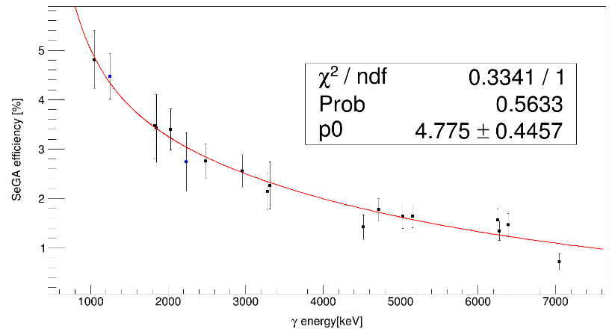
745.53 | 0.04 |  |  |  |  |  |  |  |  |  |  |  |  |  |  |  |  |  |  | 1.1950079729 | 0.15163504348
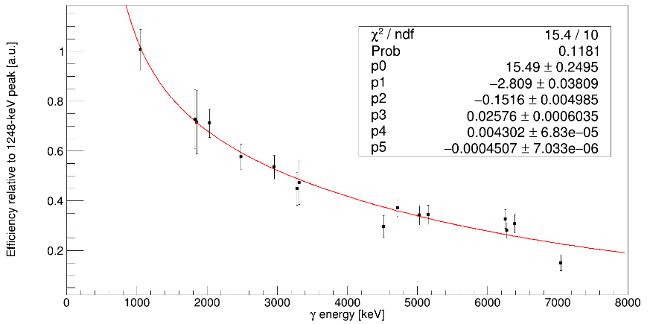
Evaluating absolute efficiencies of 30P gamma rays (N=18)
Lambda fixed to λ=0.9531. Rebin histogram by 5 for 7049-keV peak fit. Remove 3284- and 4519-keV peak fits. Inflate error bars.
Eγ (keV) | Efficiency (%) | 1.2-MeV proton-gated gammas | Statistical fit error | Systematic error | Total uncertainty | Intensity | Intensity uncertainty | Efficiency | Systematic uncertainty
677.01 | 6.6844891
708.7 | 6.4456376
745.53 | 6.1968987 | 71.41 | 32 | 12.59 | 34.387615503 | 100 | 8 | 5.7061630706 | 0.49073562941
1454.23 | 3.9530022 | 989.4 | 12.3 | 26.2 | 28.943565779 | 5 | 8
Absolute efficiency (N=18)
1264.57 | 4.3095476
Relative efficiency (N=16)
1973.27 | 3.2842247

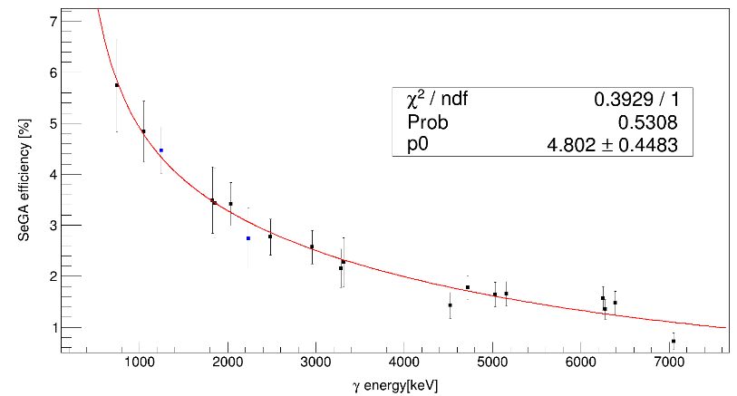
Using relative intensity of 746-keV gamma ray as another calibration point (N=19)
Eγ (keV) | Efficiency (%) | 1.2-MeV proton-gated gammas | Statistical fit error | Systematic error | Total uncertainty | Intensity | Intensity uncertainty | Efficiency | Systematic uncertainty
677.01 | 6.1864004
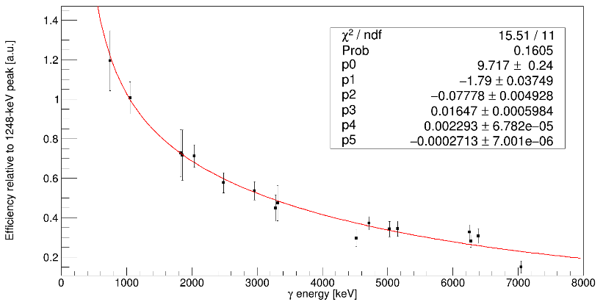
708.7 | 6.0161816
745.53 | 5.8351767 | 71.41 | 32 | 12.59 | 34.387615503 | 100 | 8 | 5.7320347967 | 0.10314190334
1454.23 | 3.9709251 | 989.4 | 12.3 | 26.2 | 28.943565779 | 5 | 8
1264.57 | 4.3010471
1973.27 | 3.3142894

Absolute efficiency (N=19)
Relative efficiency (N=17)

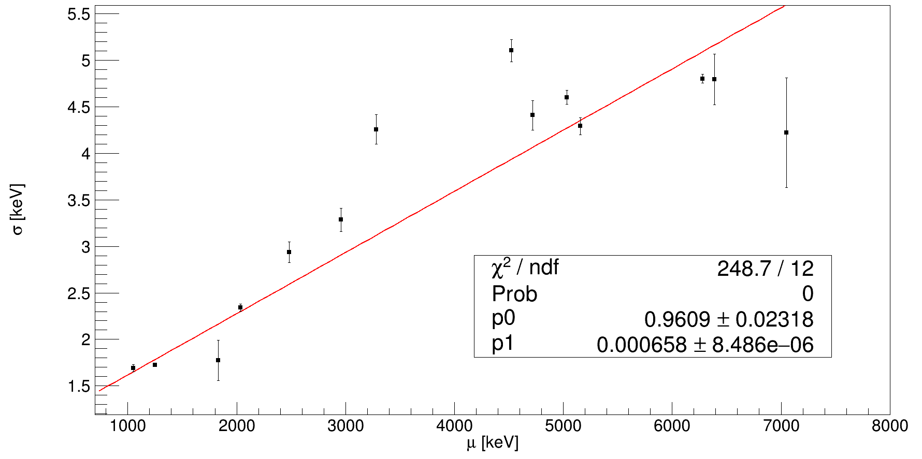
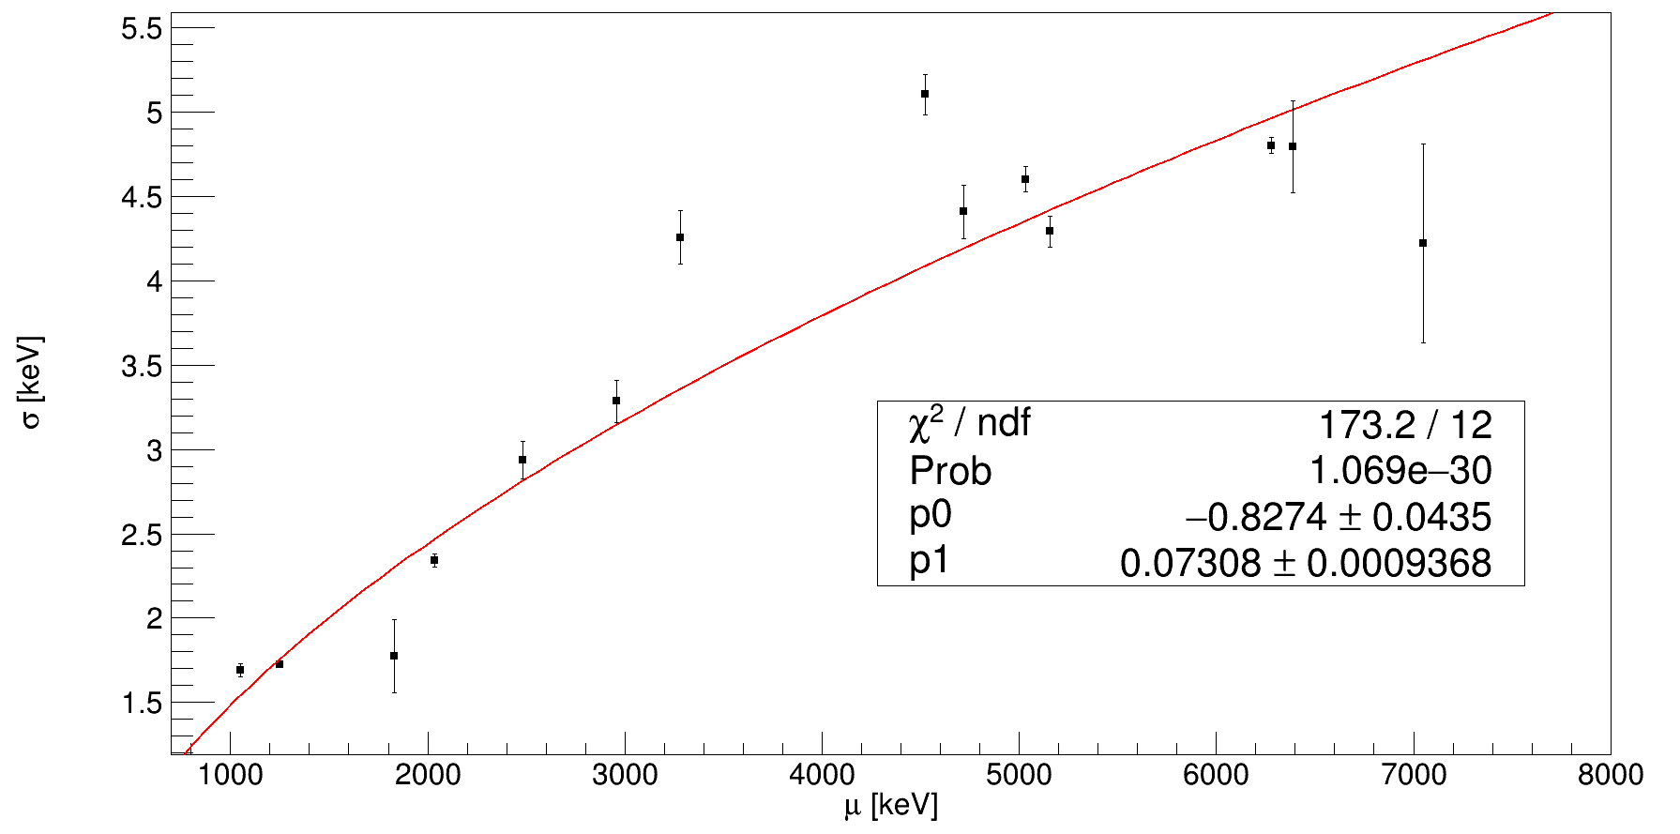
Lambda fixed to λ=0.9531. Error bars inflated by SQRT(χ²/ndf)
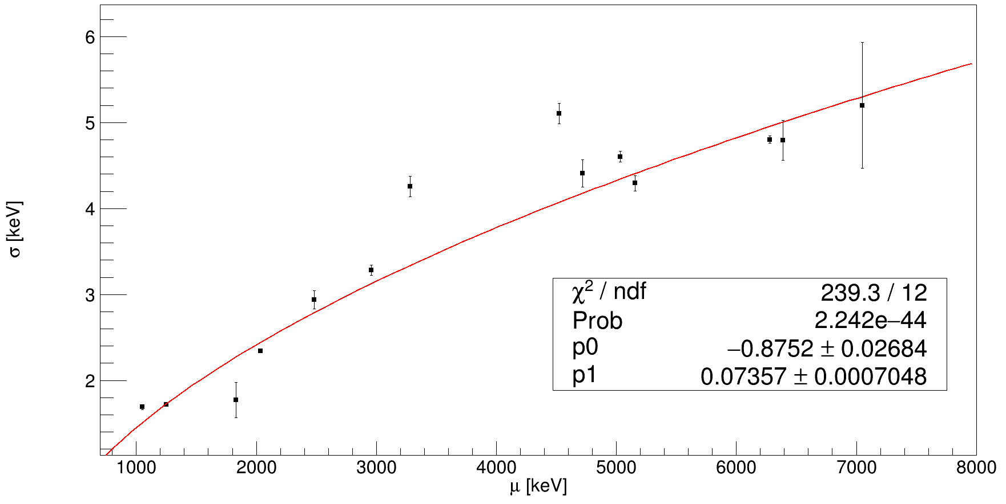
Now let sigma be a free parameter… (18 data points total)
Eγ (keV) | dEγ (keV) | Area 1 | Area 1 error | Mu 1 | Mu 1 error | Area 2 | Area 2 error | Mu 2 | Mu 2 error | Sigma | Sigma error | χ2/ndf | Inflated sigma error | Chosen Integral | Inflated areal error | Alt Integral | Systematic uncertainty | Total uncertainty | My intensities | My intensity errors | Relative efficiency | Rel. eff. Error
1248.4 | 0.2 | 169345.571 | 456.4893 | 1249.6204 | 0.0057 | 12561.2909 | 191.0513 | 1267.2508 | 0.0336 | 1.7219 | 0.0057 | 12.327777778 | 0.020013233122 | 169345.571 | 1602.7766278 | 169853.8634 | 508.2924 | 1681.4440468 | 13.864088545 | 0.67285298469 | 1 | 0
Lambda fixed to λ=0.9531. Error bars inflated by SQRT(χ²/ndf)
Lambda fixed to λ=0.9531. Rebin histogram by 5 for 7049-keV peak fit.
1827.93 | 0.25 | 1653.2854 | 174.1947 | 1829.289 | 0.2461 | 1627.2005 | 180.3155 | 1852.6983 | 0.2882 | 1.7745 | 0.2061 | 1.1 | 0.21615950361 | 1653.2854 | 182.69694266 | 1842.5378 | 189.2524 | 263.04874789 | 0.20684436243 | 0.012237480322 | 0.65436735107 | 0.1157122695
2035.24 | 0.2 | 38550.3116 | 294.3442 | 2035.8777 | 0.0215 | 1177.7386 | 166.0792 | 2055.604 | 0.3811 | 2.3404 | 0.0218 | 2.9892473118 | 0.037690978927 | 38550.3116 | 508.90463484 | 39215.9039 | 665.5923 | 837.85263452 | 4.4975020627 | 0.26608456883 | 0.70173639627 | 0.056255218497
1049.66 | 0.21 | 18370.4436 | 259.8103 | 1050.8996 | 0.0285 |  |  |  |  | 1.691 | 0.0316 | 1.4622857143 | 0.038212301983 | 18370.4436 | 314.17562158 | 17714.3303 | 656.1133 | 727.45514201 | 1.4357122666 | 0.069678095359 | 1.047537824 | 0.083654988377
1852.19 | 0.25 | 1653.2854 | 174.1947 | 1829.289 | 0.2461 | 1627.2005 | 180.3155 | 1852.6983 | 0.2882 | 1.7745 | 0.2061 | 1.1 |  | 1627.2005 | 189.11649186 | 1858.6985 | 231.498 | 298.92536108 | 0.21174346632 | 0.012527324758 | 0.62914178663 | 0.12535848242
2959.09 | 0.31 | 12058.7103 | 200.5297 | 2959.3022 | 0.0501 | 262.1182 | 156.6475 | 2973.2871 | 1.1656 | 3.285 | 0.0585 | 4.6837209302 | 0.12660514979 | 12058.7103 | 433.9844907 | 11716.23 | 342.4803 | 552.84291988 | 1.7850923942 | 0.10561096658 | 0.55304139942 | 0.049638444718
4519.28 | 0.32 | 4898.5678 | 104.3457 | 4522.3899 | 0.1193 | 443.3569 | 65.4135 | 4556.8641 | 1.0008 | 5.1045 | 0.1183 | 0.99370629371 | 0.11792713968 | 4898.5678 | 104.3457 | 4371.5946 | 526.9732 | 537.20459662 | 1.1995921056 | 0.076450410272 | 0.33431280005 | 0.045523115541
4717.34 | 0.32 | 2899.8832 | 88.3804 | 4720.7191 | 0.1453 |  |  |  |  | 4.4091 | 0.1565 | 1.0127272727 | 0.1574927603 | 2899.8832 | 88.941042505 | 2818.6968 | 81.1864 | 120.42317296 | 0.61901918579 | 0.039450301898 | 0.38352517514 | 0.034814260934
2483.6 | 0.22 | 2156.9787 | 108.2608 | 2448.1853 | 0.1926 | 3430.6781 | 122.7993 | 2483.7008 | 0.1257 | 2.9373 | 0.1067 | 1.1335260116 | 0.11360047955 | 3430.6781 | 130.74095003 | 3343.0908 | 87.5873 | 157.36813889 | 0.47299635937 | 0.027983763117 | 0.59379926109 | 0.053304240556
5155.7 | 0.6 | 1668.9063 | 59.5341 | 5144.3654 | 0.2078 | 3537.5908 | 77.8863 | 5158.4237 | 0.1164 | 4.2935 | 0.0925 | 0.99230769231 | 0.092143543953 | 3537.5908 | 77.8863 | 3550.6929 | 13.1021 | 78.980635298 | 0.84072657805 | 0.082561431578 | 0.34448498677 | 0.038662405256
6254.3 | 0.6 | 1826.1524 | 48.8022 | 6256.0779 | 0.1679 | 10870.1344 | 107.2226 | 6279.4308 | 0.0506 | 4.8034 | 0.0409 | 1.3676300578 |  | 1826.1524 | 57.072082396 | 1832.3253 | 6.1729 | 57.40494128 | 0.45734233667 | 0.044912149827 | 0.32689862413 | 0.037395014769
6278.4 | 0.6 | 1826.1524 | 48.8022 | 6256.0779 | 0.1679 | 10870.1344 | 107.2226 | 6279.4308 | 0.0506 | 4.8034 | 0.0409 | 1.3676300578 | 0.047830797997 | 10870.1344 | 125.39223768 | 10877.8863 | 7.7519 | 125.6316251 | 3.1523852966 | 0.30957204134 | 0.28230144508 | 0.031221124364
5030.1 | 0.6 | 8296.7628 | 105.5245 | 5032.8686 | 0.0641 |  |  |  |  | 4.6019 | 0.0632 | 1.4525925926 | 0.076170883132 | 8296.7628 | 127.18187274 | 8137.749 | 159.0138 | 203.618804 | 1.9384951502 | 0.1903650234 | 0.35039785254 | 0.039487805687
6389.5 | 0.7 | 679.4111 | 30.8546 | 6390.5255 | 0.2417 |  |  |  |  | 4.7951 | 0.2332 | 1.3662857143 | 0.27258334069 | 679.4111 | 36.06539427 | 683.6782 | 4.2671 | 36.316949297 | 0.18131393684 | 0.017805477526 | 0.30677426965 | 0.037515569862
7049.2 | 0.8 | 84.6953 | 11.6303 | 7048.4608 | 0.6867 |  |  |  |  | 4.2241 | 0.5902 | 0.67723214286 | 0.48569986906 | 84.6953 | 11.6303 | 87.6123 | 2.917 | 11.990528224 | 0.047466110211 | 0.0046612895474 | 0.14608080319 | 0.026189015595
3283.57 | 0.31 | 7035.1919 | 156.9689 | 3284.1478 | 0.1012 | 2684.0716 | 119.6359 | 3314.6961 | 0.2369 | 4.257 | 0.121 | 1.7335260116 | 0.15931275635 | 7035.1919 | 206.67064562 | 6265.1749 | 770.017 | 797.26967586 | 1.1395175049 | 0.067416983855 | 0.50544328117 | 0.069297261736
3313.56 | 0.33 | 7035.1919 | 156.9689 | 3284.1478 | 0.1012 | 2684.0716 | 119.6359 | 3314.6961 | 0.2369 | 4.257 | 0.121 | 1.7335260116 |  | 2684.0716 | 157.51673543 | 2314.9126 | 369.159 | 401.36004936 | 0.39860986946 | 0.023582854164 | 0.55126894783 | 0.092761719667
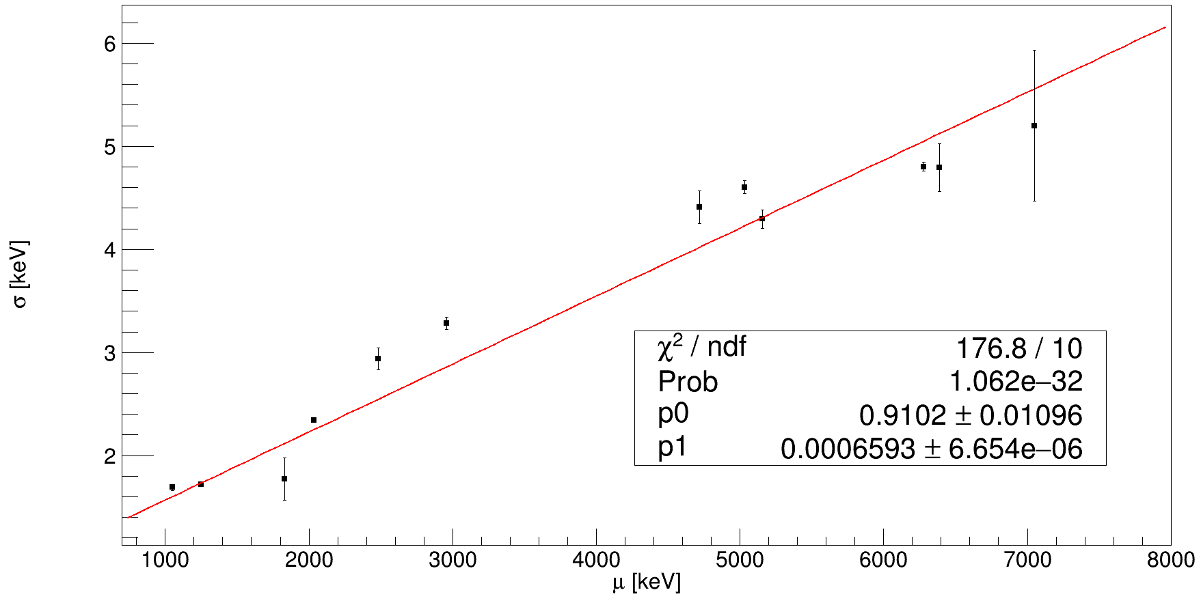
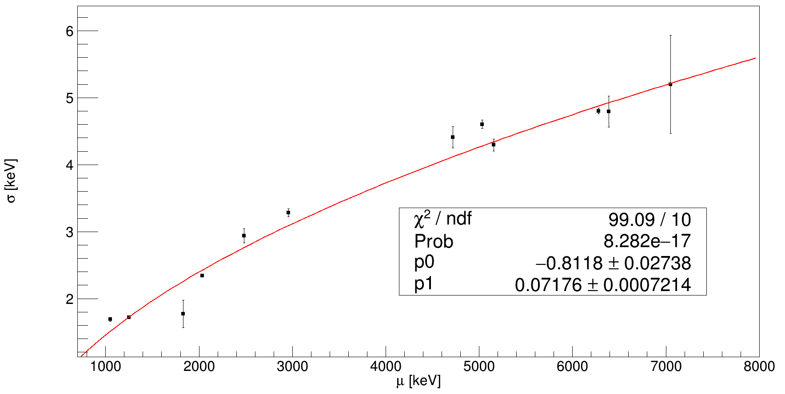
Rebin by 5
Lambda fixed to λ=0.9531. Rebin histogram by 5 for 7049-keV peak fit. Remove 3284- and 4519-keV peak fits.
7049.2 | 0.8 | 510.8 | 66.7 | 7048 | 0.8 |  |  |  |  | 5.201 | 0.731 | 0.7724137931 | 0.48569986906
Lambda fixed to λ=0.9531. Rebin histogram by 5 for 7049-keV peak fit. Remove 3284- and 4519-keV peak fits.
 |  |  |  |  |  |  |  | 102.16 | 13.34
Evaluating absolute efficiencies of 30P gamma rays (N=18)
Eγ (keV) | Efficiency (%) | 1.2-MeV proton-gated gammas | Statistical fit error | Systematic error | Total uncertainty | Intensity | Intensity uncertainty | Efficiency | Systematic uncertainty
677.01 | 9.3527272
708.7 | 8.6468869
745.53 | 7.9624733 | 71.41 | 32 | 12.59 | 34.387615503 | 100 | 8 | 5.5825570808 | 2.3799162192
1454.23 | 3.8673729 | 989.4 | 12.3 | 26.2 | 28.943565779 | 5 | 8
1264.57 | 4.2921461
1973.27 | 3.2444499
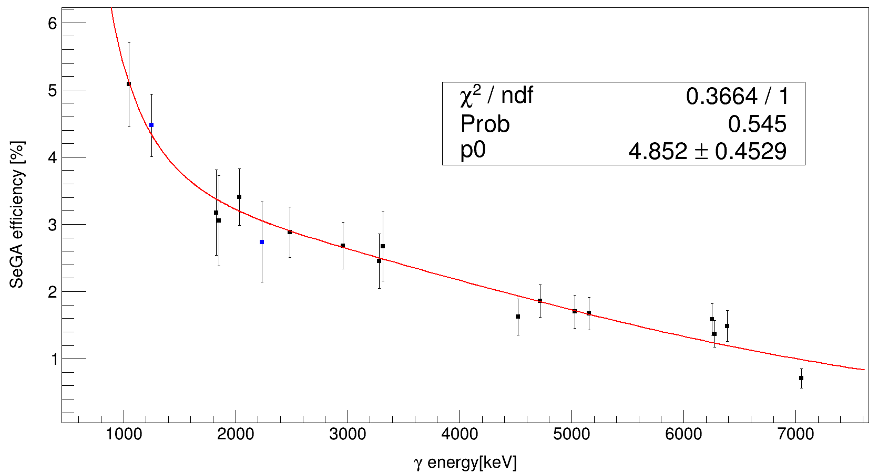

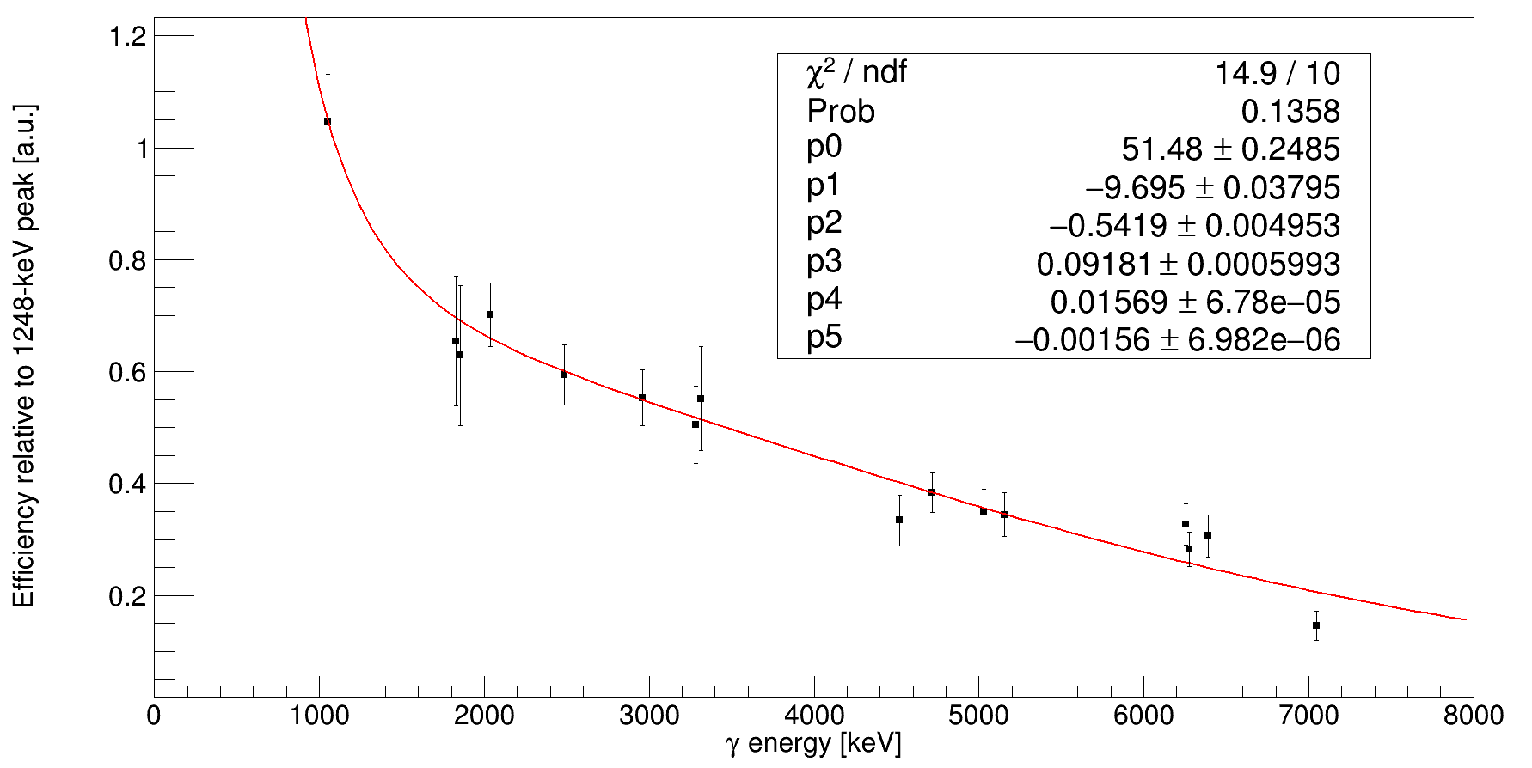

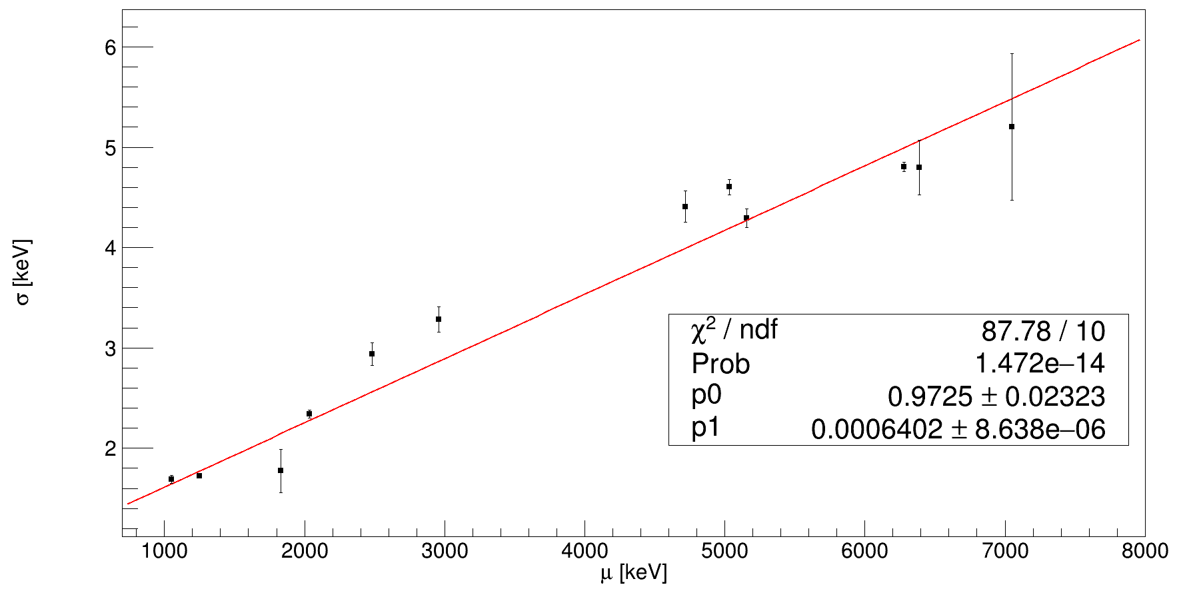
Lambda fixed to λ=0.9531. Rebin histogram by 5 for 7049-keV peak fit. Remove 3284- and 4519-keV peak fits. Inflate error bars.
Lambda fixed to λ=0.9531. Rebin histogram by 5 for 7049-keV peak fit. Remove 3284- and 4519-keV peak fits. Inflate error bars.

Absolute efficiency (N=18)
Relative efficiency (N=16)

Determining Absolute Detection Efficiencies for 1248-keV and 2234-keV gamma rays: Random Coincidences
Eγ (keV) | Coincidence gamma | proton-gamma coincidence fit | pgCoincidences Fit Area | Statistical Fit Error | Photopeak Range | Photopeak Histogram Integral | Background Gate Range | Background Histogram Integral | Scaling Factor | BG-sub Fit Integral | Statistical Fit Error | Self-coincidence corrections | Corrected stats error | Absolute Efficiency | Statistical Efficiency Error
1248.4 | 985.62 | twoGammaPeakEMGLinearBCKFit; fix lambda=0.9733 | 2871 | 229.9 | 978 - 994 keV | 57030 | 1070 - 1200 keV | 289870 | 0.19674336772 | 53.84 | 12.44 | 57.685714286 | 13.269333748 | 0.020092551127 | 0.0048938946792
 | 1827.93 | twoGammaPeakEMGQuadBCKFit; fix lambda=0.9733 | 1641 | 172.4 | 1818 - 1838 keV | 56706 | 1880 - 1960 keV | 254552 | 0.22276784311 | 195.9 | 14.4 | 209.89285714 | 15.36000048 | 0.12790545834 | 0.016376145826
 | 2035.24 | fourGammaPeakLinearBCKFit | 39570 | 373.5 | 2020 - 2045 keV | 97477 | 2060 - 2170 keV | 152618 | 0.638699236 | 1324 | 36.8 | 1418.5714286 | 39.25333456 | 0.035849669663 | 0.00104812327
 | 2959.09 | twoGammaPeakEMGLinearBCKFit | 12620 | 196.4 | 2946 - 2966 keV | 20003 | 3330 - 3410 keV | 42917 | 0.46608570031 | 439.6 | 21.3 | 471 | 22.72000071 | 0.037321711569 | 0.0018916914421
 | 5030.1 | oneGammaPeakLinearBCKFit | 8340 | 108.8 | 5015 - 5050 keV | 9241 | 5300 - 5700 keV | 38859 | 0.23780848709 | 349.6 | 19 | 374.57142857 | 20.2666673 | 0.044912641316 | 0.0024996927176
Eγ (keV) | Coincidence gamma | proton-gamma coincidence fit | pgCoincidences Fit Area | Statistical Fit Error | Photopeak Range | Photopeak Histogram Integral | Background Gate Range | Background Histogram Integral | Scaling Factor | BG-sub Fit Integral | Statistical Fit Error | Self-coincidence/intensity corrections | Corrected stats error | Absolute Efficiency | Statistical Efficiency Error
2233.97 | 1049.66 | oneGammaPeakEMGLinearBCKFit | 18320 | 259.7 | 1040 - 1060 keV | 76059 | 1070 - 1200 keV | 2989870 | 0.025438898681 | 468.3 | 22.3 | 501.75 | 23.78666741 | 0.027388100437 | 0.0013552031476
 | 1852.13 | twoGammaPeakQuadBCKFit; fix lambda=0.9733 | 1598 | 177.8 | 1842 - 1862 keV | 58958 | 1880 - 1960 keV | 254552 | 0.23161475848 | 43.06 | 7.44 | 46.135714286 | 7.936000248 | 0.028870910066 | 0.0059145635366
 | 2483.6 | twoGammaPeakEMGLinearBCKFit; fix lambda=0.9733 | 3430 | 124.9 | 2470 - 2495 keV | 18094 | 2500 - 2550 keV | 29322 | 0.6170793261 | 71.54 | 0.46 | 76.65 | 0.490666682 | 0.022346938776 | 0.0008262194837

Determining Absolute Detection Efficiencies for 1248-keV and 2234-keV gamma rays: Real Coincidences
Eγ (keV) | Coincidence gamma | proton-gamma coincidence fit | pgCoincidences Fit Area | Statistical Fit Error | Photopeak Range | Polynomial BG Fit Integral | Background Gate Range | Background Histogram Integral | Scaling Factor | BG-sub Fit Integral | Statistical Fit Error | Self-coincidence corrections | Corrected stats error | Absolute Efficiency | Statistical Efficiency Error
1248.4 | 985.62 | twoGammaPeakEMGLinearBCKFit; fix lambda=0.9733 | 2871 | 229.9 | 978 - 994 keV | 51128.096 | 1070 - 1200 keV | 289870 | 0.17638284748 | 75.64 | 10.06 | 81.042857143 | 10.730667002 | 0.028228093745 | 0.0043679692104
 | 1827.93 | twoGammaPeakEMGQuadBCKFit; fix lambda=0.9733 | 1641 | 172.4 | 1818 - 1838 keV | 52944.554 | 1880 - 1960 keV | 254552 | 0.2079911138 | 207.8 | 14.9 | 222.64285714 | 15.89333383 | 0.135675111 | 0.017232855171
 | 2035.24 | fourGammaPeakLinearBCKFit | 39570 | 373.5 | 2020 - 2045 keV | 61139.375 | 2060 - 2170 keV | 152618 | 0.4006039589 | 1515 | 39.7 | 1623.2142857 | 42.34666799 | 0.04102133651 | 0.0011380637988
 | 2959.09 | twoGammaPeakEMGLinearBCKFit | 12620 | 196.4 | 2946 - 2966 keV | 8671.72 | 3330 - 3410 keV | 42917 | 0.20205792576 | 506 | 23 | 542.14285714 | 24.5333341 | 0.042959021961 | 0.0020557522137
 | 5030.1 | oneGammaPeakLinearBCKFit | 8340 | 108.8 | 5015 - 5050 keV | 2503.5938 | 5300 - 5700 keV | 38859 | 0.064427643532 | 359.2 | 19.2 | 384.85714286 | 20.48000064 | 0.046145940391 | 0.0025283492245
Eγ (keV) | Coincidence gamma | proton-gamma coincidence fit | pgCoincidences Fit Area | Statistical Fit Error | Photopeak Range | Polynomial BG Fit Integral | Background Gate Range | Background Histogram Integral | Scaling Factor | BG-sub Fit Integral | Statistical Fit Error | Self-coincidence/intensity corrections | Corrected stats error | Absolute Efficiency | Statistical Efficiency Error
2233.97 | 1049.66 | oneGammaPeakEMGLinearBCKFit | 18320 | 259.7 | 1040 - 1060 keV | 57450 | 1070 - 1200 keV | 2989870 | 0.019214882252 | 581 | 24.8 | 622.5 | 26.45333416 | 0.033979257642 | 0.0015221813036
 | 1852.13 | twoGammaPeakQuadBCKFit; fix lambda=0.9733 | 1598 | 177.8 | 1842 - 1862 keV | 54847.917 | 1880 - 1960 keV | 254552 | 0.21546841903 | 55.08 | 8.44 | 59.014285714 | 9.002666948 | 0.036930091185 | 0.0069729833815
 | 2483.6 | twoGammaPeakEMGLinearBCKFit | 3442 | 124.9 | 2470 - 2495 keV | 14273.019 | 2500 - 2550 keV | 29322 | 0.48676826274 | 88.08 | 9.65 | 94.371428571 | 10.293333655 | 0.027417614344 | 0.0031516632482
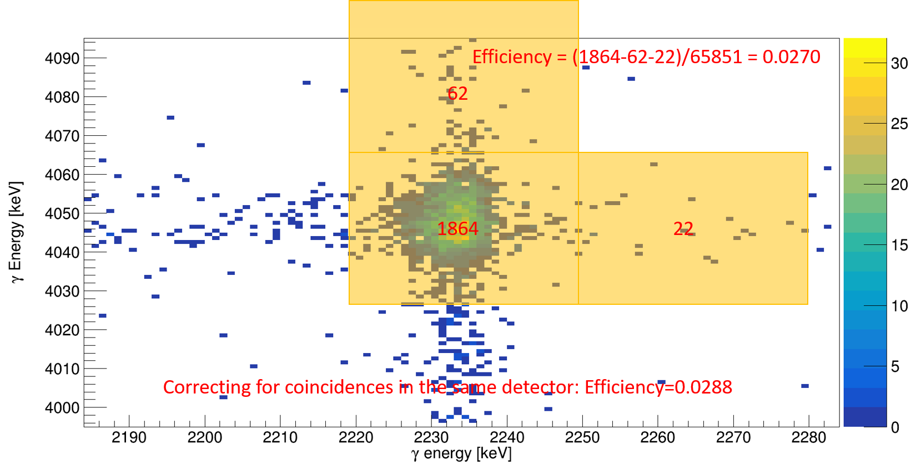
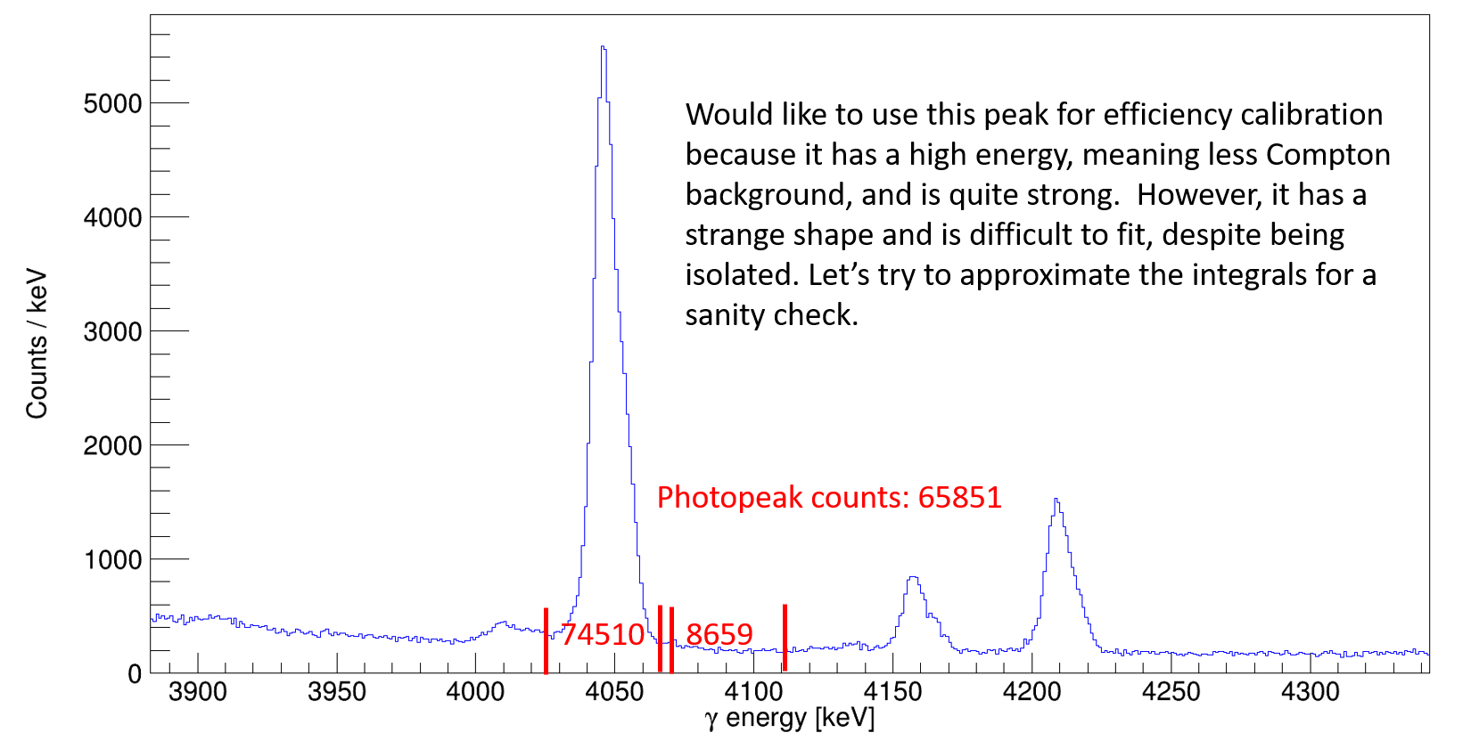
 |  | Scale background to counts under photopeak (real) |  | Scale background all counts in photopeak gate (random) |  | Best data point
Calibration gamma energy [keV] | Coincidence gamma energy [keV] | Absolute Efficiency | Statistical Efficiency Error | Absolute Efficiency | Statistical Efficiency Error | Maximum relative variation | Systematic uncertainty | Total error
1248.4 | 985.62 | 0.028102636429 | 0.0043627788027 | 0.020003251525 | 0.0048915484011
 | 1827.93 | 0.13507211472 | 0.017180494035 | 0.12733699362 | 0.01632717675
 | 2035.24 | 0.040839020735 | 0.0011374794638 | 0.035690338913 | 0.0010476387008 | 1.2872068508
 | 2959.09 | 0.042768094311 | 0.0020547878243 | 0.037155838456 | 0.0018909004428 |  | 0.010250509844 | 0.01055757016
 | 5030.1 | 0.045940848758 | 0.0025277135153 | 0.044713030974 | 0.0024990836332 |  | 0.0038740102382 | 0.0046101382118
2233.97 | 1049.66 | 0.033930029866 | 0.0015219606213 | 0.027348421663 | 0.0013550421128 | 1.6525794229
 | 1852.13 | 0.036876588361 | 0.0069694771312 | 0.028829083058 | 0.0059120372501 |  | 0.014562024928 | 0.016143920883
 | 2483.6 | 0.027377892811 | 0.0031512085371 | 0.022314563433 | 0.00082505839829 |  | 0.0050633293783 | 0.0059638426906
2233.97 | 4044.7 | 0.028841779 | 0.00067128065 | Sanity check: Rough 2D histogram integral and (real coincidence) background subtraction

 |  | Comparing All Gamma-Ray Efficiency Models
 | Efficiency (%)
Eγ (keV) | 15-pt model | 16-pt model | 18-pt model | 19-pt model | 18-pt model (free sigma) | Total variation | Uncertainty | gbCoincidences | Original | Adopted Uncertainty | Convert from %
677.01 | 5.3489159 | 6.0196883 | 6.6844891 | 6.1864004 | 9.3527272 | 1.3355732 | 0.6648008 | 0.061434752 | 0.033453343 | 0.6648008 | 0.006648008
708.7 | 5.3080021 | 5.8912661 | 6.4456376 | 6.0161816 | 8.6468869 | 1.1376355 | 0.5543715 | 0.059875161 | 0.032604092 | 0.5543715 | 0.005543715
745.53 | 5.2549884 | 5.7495488 | 6.1968987 | 5.8351767 | 7.9624733 | 0.9419103 | 0.4945604 | 0.058196937 | 0.031690241 | 0.4473499 | 0.004473499
1454.23 | 4.0102822 | 3.9806205 | 3.9530022 | 3.9709251 | 3.8673729 | 0.05728 | 0.0276183 | 0.039752766 | 0.021646753 | 0.0276183 | 0.000276183
1264.57 | 4.3270098 | 4.3299133 | 4.3095476 | 4.3010471 | 4.2921461 | 0.0288662 | 0.0288662 | 0.043153215 | 0.023498415 | 0.0203657 | 0.000203657
1973.27 | 3.2988906 | 3.2689565 | 3.2842247 | 3.3142894 | 3.2444499 | 0.0453329 | 0.0453329 | 0.032922193 | 0.01792727 | 0.0152682 | 0.000152682
1830.2 | 3.47327 | 3.43744 | 3.43843 | 3.46958 | 3.37205 |  |  |  |  | 0.00099 | 0.0000099
2538.8 | 2.7044 | 2.74082 | 2.80106 | 2.81785 | 2.87327 |  |  |  |  | 0.06024 | 0.0006024

EfficiencyCorrections
Gamma energy [keV] | SeGA efficiency | Error between models | Fit uncertainty | Total uncertainty | Binning [keV]
677.1 | 0.060196883 | 0.006648008 | 0.00561773 | 0.0087037291273 | 5
708.7 | 0.058912661 | 0.005543715 | 0.00550048 | 0.0078094850171 | 5
745.6 | 0.057495488 | 0.004473499 | 0.00536755 | 0.0069873304134 | 10
1264.5 | 0.043299133 | 0.000276183 | 0.00371565 | 0.0037259001559 | 5
1454.24 | 0.039806205 | 0.000203657 | 0.0040228 | 0.0040279518385 | 5
1973.24 | 0.032689565 | 0.000152682 | 0.00305147 | 0.0030552873767 | 5
1830.2 | 0.0343744 | 0.0000099 | 0.00320865 | 0.0032086652727 | 5
2538.8 | 0.0274082 | 0.0006024 | 0.00255889 | 0.0026288407696 | 5

 |  |  | Constant background; fixed lambda (λ=0.0786) |  | Linear background; free lambda (Free λ) |  |  |  |  |  |  |  |  |  | Constant background; fixed lambda (λ=0.0786) |  | Linear background; free lambda (Free λ)
Final 30P Level Energy [keV] | Level energy error [keV] | Calibrated proton energy [keV] | Fit1 integral | Fit1 stats error | Fit2 integral | Fit2 stats error | Systematic fit error | Total uncertainty | Gamma energy [keV] | Binning | SeGA efficiency | Efficiency error | Eff-corrected counts | Eff-corrected error | Fit1 integral | Fit1 stats error | Fit2 integral | Fit2 stats error | Systematic fit error | Total fit uncertainty | Gamma energy [keV] | Binning | SeGA efficiency | Efficiency error | Eff-corrected counts | Eff-corrected error | Total counts | Total uncertainty |  | Comments
677.11 | 0.03 | 1217.6153 | 2245.5429 | 112.2567 | 2026.134 | 113.1823 | 219.4089 | 246.45858089 | 677.1 | 5 | 0.060196883 | 0.0087037291273 | 7460.661709 | 1354.3036626 |  |  |  |  |  |  |  |  |  |  |  |  | 7460.661709 | 1354.3036626 | 1217.6153
677.11 | 0.03 | 1609.9907 | 8267.9428 | 207.7033 | 8117.6842 | 209.3668 | 150.2586 | 256.35582245 | 677.1 | 5 | 0.060196883 | 0.0087037291273 | 27469.670813 | 4062.0739116 |  |  |  |  |  |  |  |  |  |  |  |  | 27469.670813 | 4062.0739116 | 1609.9907 | Think this level energy is wrong.
677.11 | 0.03 | 1864.356 | 280.1295 | 49.5212 | 288.3153 | 52.8229 | 8.1858 | 50.193192477 | 677.1 | 5 | 0.060196883 | 0.0087037291273 | 930.7109805 | 214.28708386 |  |  |  |  |  |  |  |  |  |  |  |  | 930.7109805 | 214.28708386 | 1864.356
677.11 | 0.03 | 2146.1284 | 856.3933 | 75.4692 | 903.7652 | 76.395 | 47.3719 | 89.104977741 | 677.1 | 5 | 0.060196883 | 0.0087037291273 | 2845.3077878 | 506.84300485 |  |  |  |  |  |  |  |  |  |  |  |  | 2845.3077878 | 506.84300485 | 2146.1284
708.7 | 0.03 | 869.8194 | 359.7382 | 49.7423 | 490.4902 | 63.0817 | 130.752 | 139.89418113 | 708.7 | 5 | 0.058912661 | 0.0078094850171 | 1221.2593826 | 501.75506553 |  |  |  |  |  |  |  |  |  |  |  |  | 1221.2593826 | 501.75506553 | 869.8194 | Maybe these aren't real peaks?
708.7 | 0.03 | 957.7588 | 407.2856 | 52.7134 | 421.6023 | 59.2344 | 14.3167 | 54.622984525 | 708.7 | 5 | 0.058912661 | 0.0078094850171 | 1382.6759582 | 260.7325344 |  |  |  |  |  |  |  |  |  |  |  |  | 1382.6759582 | 260.7325344 | 957.7588 | Maybe these aren't real peaks?
708.7 | 0.03 | 1065.8325 | 1822.0806 | 110.8028 | 2208.7815 | 144.6242 | 386.7009 | 402.26216147 | 708.7 | 5 | 0.058912661 | 0.0078094850171 | 6185.7012366 | 1592.8870638 |  |  |  |  |  |  |  |  |  |  |  |  | 6185.7012366 | 1592.8870638 | 1065.8325
708.7 | 0.03 | 1577.029 | 3955.0772 | 147.4279 | 3830.2213 | 153.3923 | 124.8559 | 193.19415484 | 708.7 | 5 | 0.058912661 | 0.0078094850171 | 13426.917518 | 1896.8721736 |  |  |  |  |  |  |  |  |  |  |  |  | 13426.917518 | 1896.8721736 | 1577.029 | Think this level energy is wrong.
708.7 | 0.03 | 1717.1981 | 2391.6242 | 118.1859 | 2336.0501 | 123.6875 | 55.5741 | 130.60010547 | 708.7 | 5 | 0.058912661 | 0.0078094850171 | 8119.2197378 | 1164.0314207 |  |  |  |  |  |  |  |  |  |  |  |  | 8119.2197378 | 1164.0314207 | 1717.1981
708.7 | 0.03 | 1871.6994 | 408.9976 | 55.6251 | 405.0889 | 59.639 | 3.9087 | 55.762260407 | 708.7 | 5 | 0.058912661 | 0.0078094850171 | 1388.4879517 | 264.03381273 |  |  |  |  |  |  |  |  |  |  |  |  | 1388.4879517 | 264.03381273 | 1871.6994
708.7 | 0.03 | 2494.0175 | 655.1814 | 71.355 | 796.0309 | 77.5833 | 140.8495 | 157.89274105 | 708.7 | 5 | 0.058912661 | 0.0078094850171 | 2224.2464994 | 611.76426785 |  |  |  |  |  |  |  |  |  |  |  |  | 2224.2464994 | 611.76426785 | 2494.0175
1454.23 | 0.02 | 833.7914 | 679.475 | 61.1985 | 707.1531 | 63.5682 | 27.6781 | 67.166462032 | 1454.23 | 5 | 0.039806205 | 0.0040279518385 | 3413.9149914 | 482.92900967 | 202.4 | 51.3 | 28.343191 | 5.3238323602 | 174.056809 | 181.45925923 | 745.6 | 10 | 0.057495488 | 0.0069873304134 | 352.02762345 | 318.4924543 | 3765.9426148 | 578.49621592 | 833.7914
1454.23 | 0.02 | 972.868 | 1945.2869 | 101.9683 | 1948.4385 | 102.6036 | 3.1516 | 102.01699264 | 1454.23 | 5 | 0.039806205 | 0.0040279518385 | 9773.7872776 | 1113.9334076 | 674.8 | 89.4 | 113.64582 | 10.660479351 | 561.15418 | 568.23091585 | 745.6 | 10 | 0.057495488 | 0.0069873304134 | 1173.6573138 | 998.54458685 | 10947.444591 | 1495.9742406 | 972.868
1454.23 | 0.02 | 1229.0092 | 7125.0965 | 191.3994 | 7088.3781 | 191.3171 | 36.7184 | 194.88963856 | 1454.23 | 5 | 0.039806205 | 0.0040279518385 | 35798.923811 | 3752.4693003 | 2029 | 148.5 | 122.13498 | 11.051469586 | 1906.86502 | 1912.6386105 | 745.6 | 10 | 0.057495488 | 0.0069873304134 | 3528.9725691 | 3354.1204993 | 39327.89638 | 5033.0060773 | 1229.0092
1454.23 | 0.02 | 1380.7037 | 2514.2835 | 115.5998 | 2506.5855 | 115.899 | 7.698 | 115.85582836 | 1454.23 | 5 | 0.039806205 | 0.0040279518385 | 12632.62097 | 1404.5806016 | 580.2 | 83.2 | 34.496252 | 5.8733510026 | 545.703748 | 552.00980116 | 745.6 | 10 | 0.057495488 | 0.0069873304134 | 1009.1226637 | 967.89318407 | 13641.743633 | 1705.7736902 | 1380.7037
1454.23 | 0.02 | 1652.7992 | 1720.5171 | 96.0782 | 1720.7839 | 97.2671 | 0.2668 | 96.078570438 | 1454.23 | 5 | 0.039806205 | 0.0040279518385 | 8644.4668614 | 999.08670448 | 370.1 | 67 | 22.2595062 | 4.7179981136 | 347.8404938 | 354.23439857 | 745.6 | 10 | 0.057495488 | 0.0069873304134 | 643.70268498 | 621.05467833 | 9288.1695464 | 1176.3856326 | 1652.7992
1454.23 | 0.02 | 1821.5024 | 339.4869 | 47.4605 | 338.2798 | 48.9432 | 1.2071 | 47.475848077 | 1454.23 | 5 | 0.039806205 | 0.0040279518385 | 1705.6983955 | 294.42990785 | 39.51 | 26.43 | 2.226732 | 1.4922238438 | 37.283268 | 45.701060959 | 745.6 | 10 | 0.057495488 | 0.0069873304134 | 68.718435784 | 79.923850744 | 1774.4168313 | 305.08489401 | 1821.5024
1973.27 | 0.04 | 1137.9218 | 1217.3281 | 83.4704 | 1247.8467 | 91.3267 | 30.5186 | 88.874589294 | 1264.5 | 5 | 0.043299133 | 0.0037259001559 | 5622.875174 | 634.5333614 | 828.1583 | 73.3773 | 834.7253 | 75.5975 | 6.567 | 73.670575159 | 1973.24 | 5 | 0.032689565 | 0.0030552873767 | 5066.8052634 | 653.77163519 | 10689.680437 | 911.07076438 | 1137.9218
1973.27 | 0.04 | 1224.1054 | 1215.473 | 88.5787 | 1220.7145 | 91.5354 | 5.2415 | 88.73364309 | 1264.5 | 5 | 0.043299133 | 0.0037259001559 | 5614.3064112 | 633.54992594 | 413.5236 | 57.7008 | 401.4194 | 58.2196 | 12.1042 | 58.95671275 | 1973.24 | 5 | 0.032689565 | 0.0030552873767 | 2530.0036877 | 431.30528007 | 8144.3100989 | 766.42661311 | 1224.1054
1973.27 | 0.04 | 1318.6119 | 984.8933 | 82.177 | 918.2758 | 86.0541 | 66.6175 | 105.78728957 | 1264.5 | 5 | 0.043299133 | 0.0037259001559 | 4549.2518291 | 626.10544305 | 336.311 | 54.0814 | 321.8692 | 54.0328 | 14.4418 | 55.976454096 | 1973.24 | 5 | 0.032689565 | 0.0030552873767 | 2057.6046209 | 392.77391196 | 6606.8564501 | 739.10714496 | 1318.6119
2538.87 | 0.18 | 740 | 14 | 1 |  |  | 4 | 4.1231056256 | 2538.8 | 5 | 0.0274082 | 0.0026288407696 | 102.15920783 | 31.642033836 |  |  |  |  |  |  |  |  |  |  |  |  | 102.15920783 | 31.642033836 | 740
2538.87 | 0.18 | 1060 | 162.5 | 31.5 | 10 |  | 152.5 | 155.71929874 | 2538.8 | 5 | 0.0274082 | 0.002628841 | 1185.7765194 | 1141.9747959 |  |  |  |  |  |  |  |  |  |  |  |  | 1185.7765194 | 1141.9747959
 | Fit singles sprectrum (<1.4 MeV)

Proton energy [MeV] | h6 fit area | Fit area error |  | Comments
Figure 1 |  |  |  | 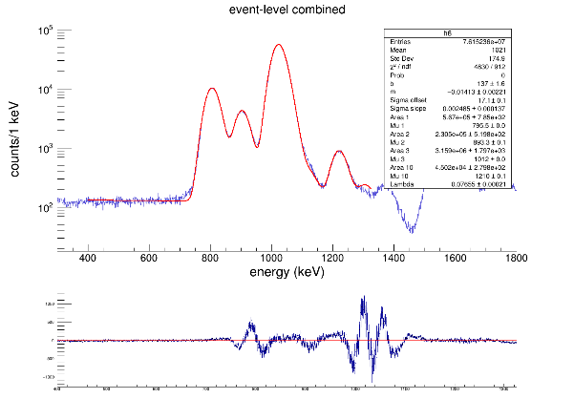 Fixing as much as possible below 1.2 MeV. 1.2-MeV peak position and area are free parameters. |  | Ep(c.m.) [keV] | Gamma-corrected counts | Singles fit counts | Fit method error | Systematic error | Total counts | Total fit uncertainty | Relative fit uncertainty | Proton detector efficiency | Lower proton eff error | Upper proton eff error | Proton-eff-corrected counts | Lower error proton counts | Upper error proton counts | I_p(rel) % | dIp_lower(rel) % | dIp_upper(rel) % | Ep(c.m.) [keV]
806 | 567000 | 785 |  |  |  | 258.40461749 | 0 | 2731 | 203 | 0 | 2731 | 203 | 0.074331746613 | 1 | 0.01 | 0.01 | 2731 | 204.82879705 | 204.82879705 | 0.068975922053 | 0.0076305336405 | 0.0078990692446 | 258.40461749
Figure 1
834 | Fixed |  |  |  |  | 740 | 102.15920783 | 0 | 31.642033836 | 0 | 102.15920783 | 31.642033836 | 0.30973256849 | 0.94 | 0.01 | 0.01 | 108.68000833 | 33.6815876 | 33.6815876 | 0.0027448933662 | 0.00087948178768 | 0.00088322838692 | 740
869 | Fixed |  |  |  |  | 806.22240658 | 0 | 565200 | 1967.2213119 | 0 | 565200 | 1967.2213119 | 0.0034805755695 | 0.9253 | 0.047970407545 | 0.044644372546 | 610828.92035 | 31738.543622 | 29548.187585 | 15.42749469 | 1.4887919134 | 1.5295394738 | 806.22240658
906 | 230500 | 519.8 |  |  |  | 834.13010527 | 3765.9426148 | 0 | 578.49621592 | 0 | 3765.9426148 | 578.49621592 | 0.15361259453 | 0.9077 | 0.04834263129 | 0.050305168721 | 4148.8846699 | 674.53878387 | 677.5302531 | 0.10478694456 | 0.019048813419 | 0.019366516427 | 834.13010527
958 | Fixed |  |  |  |  | 870.30675172 | 1221.2593826 | 0 | 501.75506553 | 0 | 1221.2593826 | 501.75506553 | 0.41085053076 | 0.8886 | 0.052744383587 | 0.061423529693 | 1374.3634736 | 570.5204095 | 572.59399504 | 0.034711822711 | 0.014683318179 | 0.014770511639 | 870.30675172
973 | Fixed |  |  |  |  | 906.48339817 | 0 | 229400 | 1225.6624168 | 0 | 229400 | 1225.6624168 | 0.0053429050428 | 0.873 | 0.058740871631 | 0.056964287058 | 262772.0504 | 17736.592285 | 17203.572272 | 6.6367427558 | 0.70139087386 | 0.72019236715 | 906.48339817
1026 | 3159000 | 1797 |  |  |  | 958.16432166 | 1382.6759582 | 0 | 260.7325344 | 0 | 1382.6759582 | 260.7325344 | 0.18857096115 | 0.839 | 0.052413738657 | 0.06723243265 | 1648.0047178 | 327.37570398 | 337.6619167 | 0.041623084935 | 0.0089343960955 | 0.0092577368341 | 958.16432166
1066 | Fixed |  |  |  |  | 972.63498024 | 10947.444591 | 0 | 1495.9742406 | 0 | 10947.444591 | 1495.9742406 | 0.13665054233 | 0.83 | 0.067317902522 | 0.072572791045 | 13189.692279 | 2095.9387539 | 2139.7655615 | 0.33312749415 | 0.059465313059 | 0.061252047777 | 972.63498024
1138 | Fixed |  |  |  |  | 1025.3495222 | 0 | 3156000 | 3511.4989677 | 0 | 3156000 | 3511.4989677 | 0.0011126422585 | 0.7971 | 0.064813964545 | 0.068976590232 | 3959352.6534 | 321973.86314 | 342648.62589 | 100 | 11.500359878 | 12.238827311 | 1025.3495222
1225 | 45020 | 279.8 |  |  |  | 1060 | 1185.7765194 | 0 | 1141.9747959 | 0 | 1185.7765194 | 1141.9747959 | 0.96306072615 | 0.7644 | 0.062211333373 | 0.078980630537 | 1551.2513336 | 1499.2742755 | 1502.5226531 | 0.039179418189 | 0.038000451375 | 0.038099867885 | 1060
1319 | Fixed |  |  | 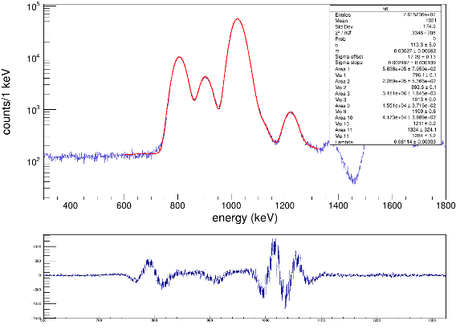 Releasing 1.1-MeV peak position and area parameters. |  | 1065.6606425 | 6185.7012366 | 0 | 1592.8870638 | 0 | 6185.7012366 | 1592.8870638 | 0.25751115402 | 0.7644 | 0.062211333373 | 0.078980630537 | 8092.2308171 | 2185.4364747 | 2245.3247301 | 0.20438267377 | 0.057644814357 | 0.059403754541 | 1065.6606425
Figure 2
Figure 2 |  |  |  |  |  | 1138.0139354 | 10689.680437 | 15190 | 911.07076438 | 4500.3195626 | 10689.680437 | 4591.6147599 | 0.42953713975 | 0.7127 | 0.06742529199 | 0.089594642697 | 14998.850059 | 6596.9768473 | 6712.8116389 | 0.37882076623 | 0.16944143292 | 0.17268369193 | 1138.0139354
806 | 563600 | 795.9 |  |  |  | 1217.6025576 | 7460.661709 | 5922.8558031 | 1354.3036626 | 1537.8059059 | 7460.661709 | 2049.1426048 | 0.27465963271 | 0.6541 | 0.072454192425 | 0.086281052381 | 11405.99558 | 3377.9419541 | 3475.3236794 | 0.28807728381 | 0.088473342797 | 0.091246900975 | 1217.6025576
834 | Fixed |  |  |  |  | 1223.8042684 | 8144.3100989 | 6465.5892752 | 766.42661311 | 1678.7208237 | 1.4897516016 | 1845.4033047 | 1238.7322174 | 0.6498 | 0.077126519434 | 0.083991487664 | 2.2926309658 | 2839.9558529 | 2839.9558553 | 5.7904187034E-05 | 0.071727782485 | 0.071727782567 | 1223.8042684
869 | Fixed |  |  |  |  | 1228.9723608 | 39327.89638 | 31221.554922 | 5033.0060773 | 8106.3414585 | 39327.89638 | 9541.6938756 | 0.24261897416 | 0.6403 | 0.067475921631 | 0.091849060964 | 61421.046978 | 16246.914836 | 17311.6923 | 1.5512901314 | 0.42929607621 | 0.45738186597 | 1228.9723608
906 | 228900 | 536.6 |  |  |  | 1318.8971677 | 6606.8564501 | 9596 | 739.10714496 | 2989.1435499 | 6606.8564501 | 3079.1652333 | 0.46605602174 | 0.5682 | 0.073384262618 | 0.076866767852 | 11627.695266 | 5623.3883147 | 5642.8381347 | 0.29367667606 | 0.14402181223 | 0.14476760645 | 1318.8971677
958 | Fixed |  |  |  |  | 1380.9142759 | 13641.743633 | 13660 | 1705.7736902 | 18.256366803 | 13641.743633 | 1705.8713835 | 0.12504789925 | 0.5051 | 0.060815869639 | 0.084598463343 | 27008.005609 | 4688.3602451 | 5645.2152012 | 0.6821318527 | 0.13076117693 | 0.15431691174 | 1380.9142759
973 | Fixed |  |  |  |  | 1574.2009298 | 0 | 150200 | 2847.3846403 | 0 | 150200 | 2847.3846403 | 0.018957287885 | 0.3519 | 0.063972650406 | 0.063474798149 | 426825.80278 | 78014.319719 | 77413.747862 | 10.780191616 | 2.156595345 | 2.1663846023 | 1574.2009298
1026 | 3151000 | 1845 |  |  |  | 1577.3017852 | 13426.917518 | 0 | 1896.8721736 | 0 | 13426.917518 | 1896.8721736 | 0.14127383825 | 0.3475 | 0.063375231755 | 0.060488428645 | 38638.611562 | 8913.6231326 | 8662.0980346 | 0.97588204297 | 0.23870594846 | 0.23451078806 | 1577.3017852
1066 | Fixed |  |  |  |  | 1610.3775762 | 27469.670813 | 0 | 4062.0739116 | 0 | 27469.670813 | 4062.0739116 | 0.14787486676 | 0.3183 | 0.053792285692 | 0.063348007072 | 86301.196398 | 19379.86251 | 21397.800455 | 2.1796794565 | 0.52057595326 | 0.57241099853 | 1610.3775762
1138 | 15510 | 371.6 |  |  |  | 1652.7559335 | 9288.1695464 | 0 | 1176.3856326 | 0 | 9288.1695464 | 1176.3856326 | 0.12665419453 | 0.289 | 0.052876459791 | 0.05486638315 | 32138.99497 | 7151.6982401 | 7334.7324571 | 0.81172347562 | 0.19231141068 | 0.19812273089 | 1652.7559335
1225 | 41730 | 398.9 |  |  |  | 1716.8402786 | 8119.2197378 | 0 | 1164.0314207 | 0 | 8119.2197378 | 1164.0314207 | 0.14336739961 | 0.2436 | 0.043079577528 | 0.046061372103 | 33330.130287 | 7587.89987 | 7908.9921213 | 0.84180756817 | 0.20350421727 | 0.21262467193 | 1716.8402786
1319 | 1324 | 324.1 |  | 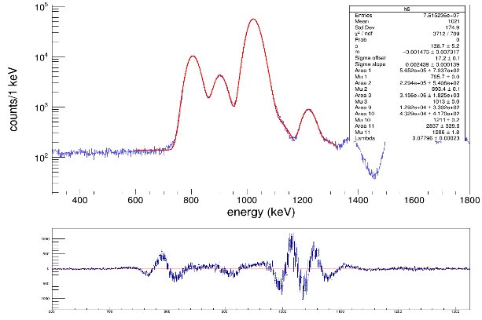 Fixing 1.1-MeV peak position, but keeping area free. |  | 1759.2186359 | 0 | 24250 | 352.23243746 | 0 | 24250 | 352.23243746 | 0.014525048967 | 0.2126 | 0.035598455023 | 0.043941438301 | 114063.9699 | 19170.977686 | 23633.567182 | 2.8808742207 | 0.53789219485 | 0.64687985267 | 1759.2186359
Figure 3
Figure 3 |  |  |  |  |  | 1821.2357441 | 1774.4168313 | 0 | 305.08489401 | 0 | 1774.4168313 | 305.08489401 | 0.17193530214 | 0.1822 | 0.03119775633 | 0.042617484675 | 9738.841006 | 2363.1655162 | 2827.1719725 | 0.24597053758 | 0.062948141431 | 0.074510288112 | 1821.2357441
806 | 565200 | 793.7 | 1800 |  |  | 1864.6477198 | 930.7109805 | 0 | 214.28708386 | 0 | 930.7109805 | 214.28708386 | 0.23024020169 | 0.1653 | 0.032459975354 | 0.037524658559 | 5630.4354537 | 1703.8162986 | 1820.5021237 | 0.14220596008 | 0.044559432691 | 0.047598286228 | 1864.6477198
834 | Fixed |  | 1967.2213119 |  |  | 1871.8830491 | 1388.4879517 | 0 | 264.03381273 | 0 | 1388.4879517 | 264.03381273 | 0.19015923935 | 0.1617 | 0.030562885989 | 0.037613295522 | 8586.8147909 | 2302.2472932 | 2579.8869216 | 0.21687421007 | 0.060762781019 | 0.067808536052 | 1871.8830491
869 | Fixed |  |  |  |  | 1889.4545631 | 0 | 42940 | 263.55993626 | 0 | 42940 | 263.55993626 | 0.0061378653064 | 0.1578 | 0.025910615585 | 0.029274562337 | 272116.6033 | 44712.503175 | 50509.843104 | 6.872754895 | 1.2600203516 | 1.4075500641 | 1889.4545631
906 | 229400 | 540.6 | 1100 |  |  | 2145.7919437 | 2845.3077878 | 4923 | 506.84300485 | 2077.6922122 | 2845.3077878 | 2138.619826 | 0.75163039837 | 0.0961 | 0.013753908535 | 0.020041207548 | 29607.78135 | 22653.954619 | 23094.817535 | 0.74779348905 | 0.57538553549 | 0.58687682044 | 2145.7919437
958 | Fixed |  | 1225.6624168 |  |  | 2147.8591806 | 0 | 4923 |  | 0 | 2077.6922122 | 0 | 0 | 0.0981 | 0.016297545828 | 0.017969418466 | 21179.32938 | 3518.5636205 | 3879.513073 | 0.53491899395 | 0.098942293273 | 0.10836875593 | 2147.8591806
973 | Fixed |  |  |  |  | 2290.4985295 | 0 | 11670 | 481.75097301 | 0 | 11670 | 481.75097301 | 0.041281145931 | 0.0744 | 0.010068763579 | 0.014257980222 | 156854.83871 | 22193.220139 | 30749.085142 | 3.9616283883 | 0.6465108741 | 0.84892883291 | 2290.4985295
1026 | 3156000 | 1825 | 3000 |  |  | 2494.121368 | 2224.2464994 | 2861 | 611.76426785 | 636.75350059 | 2224.2464994 | 883.01219694 | 0.3969938571 | 0.0558 | 0.011161093136 | 0.0088323269867 | 39861.048376 | 17719.65772 | 17036.035689 | 1.0067567066 | 0.4549659015 | 0.43900577652 | 2494.121368
1066 | Fixed |  | 3511.4989677
1138 | 12920 | 330.2
1225 | 43290 | 4170
1319 | 2837 | 339.9 |  | 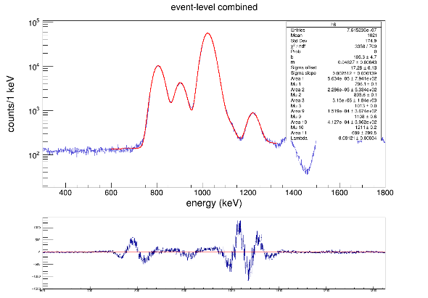 Fixing position of the 1.3-MeV peak position, but keeping area free.
Figure 4 |  |  |  |  |  |  |  | Expected contribution to singles fit
Figure 4
806 | 563400 | 794.1 |  |  |  | 1217.6025576 | 7460.661709 | 5922.8558031 | Total 1.2-MeV gamma-corrected counts | 54932.868188
834 | Fixed |  |  |  |  | 1223.8042684 | 8144.3100989 | 6465.5892752 | Difference between singles fit | 43610
869 | Fixed |  |  |  |  | 1228.9723608 | 39327.89638 | 31221.554922
906 | 228600 | 533.4
958 | Fixed
973 | Fixed
1026 | 3150000 | 1840
1066 | Fixed
1138 | 15190 | 367.4
1225 | 41270 | 396.2
1319 | 689 | 299.8

 | Fit singles spectrum (1.1-1.4 MeV)
 |  |  |  |  |  | Fit singles sepctrum (1.5-2.0 MeV) |  |  |  |  |  | Fit singles sepctrum (>2.0 MeV)
 | Proton energy [MeV] | h6 fit area | Fit area error | Comments
 | Figure 5 |  |  |  Fixing positions of all 5 peaks. Let areas be free parameters. Linear background |  | Proton energy [MeV] | h6 fit area | Fit area error |  | Comments |  | Proton energy [MeV] | h6 fit area | Fit area error |  | Comments
 | 1218 | 19420 | 1580 |  |  | Figure 8 |  |  |  |  Fixing positions and integrals of all coincidence peaks. Free lambda |  | Figure 10 |  |  |  |  Fixing the position and intensity of the 2494-keV peak only because we see it in the coincidence spectrum, and it's not reported by Saastamoinen/Batchelder.
Figure 5
 | 1224 | 0.09845 | 74841.71875 |  |  | 1574 | 150200 | 517.3 | 2800 |  |  | 2148 | 4923 | 220.9
 | 1229 | 3444 | 289.3 |  |  | 1577 | Fixed |  | 2847.3846403 |  |  | 2290 | 12120 | 205.2 | 450
Figure 8
 | 1319 | 23370 | 1255 |  |  | 1610 | Fixed |  |  |  |  | 2494 | Fixed |  | 494.57763799
 | 1381 | 9702 | 286.6 |  |  | 1653 | Fixed
 |  |  |  |  |  | 1717 | Fixed
 |  |  |  |  |  | 1759 | 24250 | 213.7 | -280
 |  |  |  |  |  | 1821 | Fixed |  | 352.23243746
 |  |  |  |  |  | 1864 | Fixed
 |  |  |  |  |  | 1872 | Fixed
 | Figure 6 |  |  |  Fixing only the position of the 1.3-MeV proton peak. |  | 1889 | 42940 | 262.8 | -20
Figure 6
 | 1225 | 43610 | 923.6 |  |  | Figure 9 |  |  | 263.55993626 |  Fixing positions and integrals of all coincidence peaks. Fixed lambda |  | Figure 11 |  |  |  | Assming the 2146-keV peak is only from coincidence events. Fix its position and intensity. Also fixing lambda
 | 1319 | 3749 | 335.3 |  |  | 1574 | 147400 | 497.4 |  |  |  | 2146 | Fixed

 | 1381 | 10010 | 308.1 |  |  | 1577 | Fixed |  |  |  |  | 2290 | 11670 | 172 | -450
 |  |  |  |  |  | 1610 | Fixed |  |  |  |  | 2494 | Fixed |  | 481.75097301
Figure 9
 |  |  |  |  |  | 1653 | Fixed
 |  |  |  |  |  | 1717 | Fixed
 |  |  |  |  |  | 1759 | 24530 | 214.8
 |  |  |  |  |  | 1821 | Fixed
 |  |  |  |  |  | 1864 | Fixed
 |  |  |  |  |  | 1872 | Fixed
 | Figure 7 |  |  |  Fixing the position of the 1.3- and 1.4-MeV proton peaks. |  | 1889 | 42960 | 261.5
Figure 7
 | 1225 | 46530 | 1053
 | 1319 | 6662 | 427.2
 | 1381 | 10920 | 353.1


 |  |  |  |  |  |  |  |  |  |  |  | Figure 12 |  |  |  | 5-peak fit. Only fixing the position of the 2494-keV peak. Maybe the 2362-keV peak is real?
 |  |  |  |  |  |  |  |  |  |  |  | 2118 | 4124 | 284.1
 |  |  |  |  |  |  |  |  |  |  |  | 2253 | 10620 | 1166
 |  |  |  |  |  |  |  |  |  |  |  | 2494 | 2861 | 530
 |  |  |  |  |  |  |  |  |  |  |  | 2329 | 2308 | 799.4
 | Figure 8 |  |  |  Fixing position and area of all 1.2-MeV peaks. Let parameters for other peaks be free. |  |  |  |  |  |  |  | 2630 | 1222 | 934.5
 | 1217.6153 | Fixed
 | 1224.1054 | Fixed
 | 1229.0092 | Fixed
 | 1318.6119 | 9596 | 280.4
 | 1380.7037 | 13660 | 318.2



 |  |  |  |  |  |  |  |  |  |  |  | Figure 12
 |  |  |  |  |  |  |  |  |  |  |  | 2100 | 5236 | 213.4
 |  |  |  |  |  |  |  |  |  |  |  | 2240 | 12300 | 197
 | Figure 8 |  |  |  |  |  |  |  |  |  |  | 2494 | Fixed
 | 1217.6153 | 50010 | 1667
 | 1318.6119 | 8126 | 692
 | 1380.7037 | 11900 | 511 |  |  |  |  |  |  |  |  | 2146-keV peak: | Max:
 |  |  |  |  |  |  |  |  |  |  |  |  | 5236

ContaminantEffects



Contaminant | Proton energy [keV] | I_p(rel) % | I_p(abs)% | Fit1 integral | Fit1 stats error | Fit1 integral | Fit1 stats error | Histogram integral | Histogram error | Binning | Fit counts | Systematic error | Total error | Gamma energy | SeGA effciency | SeGA error | PD efficiency | PD error | Efficiency corrected counts |  | Expected p_0 in singles
29S | 766 | 22 | 3.4 | 473.9 | 50.9 | 324.4 | 45.2 | 87.61236 | 11.958492 | 5 | 94.78 | 7.16764 | 23.709387659 | 1779 | 0.0350283 | 0.00327004 | 0.93265 | 0.01 | 2901.2085537 | 775.25753803
29S | 1042 | 1 | 0.16 | 350.4 | 45.4 | 0 | 0 | 28.744562 | 18.494088 | 5 | 70.08 | 41.335438 | 41.335438 | 1779 | 0.0350283 | 0.00327004 | 0.78075 | 0.01 | 2562.4950769 | 1530.6078104
29S | 1302 | 24 | 3.8 | 334.9 | 43.6 | 221.8 | 38.7 | 61.839161 | 8.124064 | 5 | 66.98 | 5.140839 | 20.021256844 | 1779 | 0.0350283 | 0.00327004 | 0.5682 | 0.08 | 3365.3082738 | 1155.4722979
29S | 2206 | 75 | 11.9 | *Estimating number of p_0 counts in the singles spectrum based on efficiencies and reported relative proton intensities from Batchelder. |  |  |  |  |  |  |  |  |  | 0 |  |  | 0.08625 | 0.01 | 10538.728542 | 3801.2265239 | 908.96533672
31Ar | 1463 | 34 | 9.88 |  |  |  |  |  |  |  |  |  |  | 0
31Ar | 2153 | 100 | 26 |  |  |  |  |  |  |  |  |  |  | 0
31Ar | 1554 | 6.2 | 1.8 | *No evidence of 1554-keV protons in coincidence with 2211-keV gammas from 31Ar beta-delayed proton decay |  |  |  |  |  |  |  |  |  | 2211
32Ar | 1257 | 1.9 | 0.38 | *No evidence of 1257-keV protons in coincidence with 1249-keV gammas from 31Ar beta-delayed proton decay |  |  |  |  |  |  |  |  |  | 1249

29S: Fitting proton peaks in coincidence with 1779-keV protons to estimate contribution to spectrum.
 |  |  |  |  |  |  |  |  |  |  |  |  |  |  | Without contaminants |  | With contaminants uncertainty
Energy region | Ep(c.m.) [keV] | Gamma-corrected counts | Singles fit counts | Fit method error | Systematic error | Total counts | Total fit uncertainty | PD efficiency | Lower proton eff error | Upper proton eff error | Proton-eff-corrected counts | Lower error proton counts | Upper error proton counts | I_p(rel) % | dIp_lower(rel) % | dIp_upper(rel) % | dIp_lower(rel) % | dIp_upper(rel) % | Ep(c.m.) [keV]
 | 258.40461749 | 0 | 2731 | 203 | 0 | 2731 | 203 | 1 | 0.01 | 0.01 | 2731 | 204.82879705 | 204.82879705 | 0.068975922053 | 0.0076305336405 | 0.0078990692446 | 0.0076305336405 | 0.0078990692446 | 258.40461749
700 keV - 1400 keV | 740 | 102.15920783 | 0 | 31.642033836 | 0 | 102.15920783 | 31.642033836 | 0.94 | 0.01 | 0.01 | 108.68000833 | 33.6815876 | 33.6815876 | 0.0027448933662 | 0.00087948178768 | 0.00088322838692 | 0.00087949508565 | 0.00088324162847 | 740
 | 766 | 2705.8121576 |  |  |  |  |  |  |  |  | 2901.2085537 |  |  |  |  |  |  |  | 766
 | 806.22240658 | 0 | 565200 | 1967.2213119 | 0 | 565200 | 1967.2213119 | 0.9253 | 0.047970407545 | 0.044644372546 | 610828.92035 | 31738.543622 | 29548.187585 | 15.42749469 | 1.4887919134 | 1.5295394738 | 1.4890400467 | 1.5297809977 | 806.22240658
 | 834.13010527 | 3765.9426148 | 0 | 578.49621592 | 0 | 3765.9426148 | 578.49621592 | 0.9077 | 0.04834263129 | 0.050305168721 | 4148.8846699 | 674.53878387 | 677.5302531 | 0.10478694456 | 0.019048813419 | 0.019366516427 | 0.019049708167 | 0.019367396497 | 834.13010527


 | 870.30675172 | 1221.2593826 | 0 | 501.75506553 | 0 | 1221.2593826 | 501.75506553 | 0.8886 | 0.052744383587 | 0.061423529693 | 1374.3634736 | 570.5204095 | 572.59399504 | 0.034711822711 | 0.014683318179 | 0.014770511639 | 0.014683445557 | 0.014770638265 | 870.30675172
 | 906.48339817 | 0 | 229400 | 1225.6624168 | 0 | 229400 | 1225.6624168 | 0.873 | 0.058740871631 | 0.056964287058 | 262772.0504 | 17736.592285 | 17203.572272 | 6.6367427558 | 0.70139087386 | 0.72019236715 | 0.70148834679 | 0.72028729576 | 906.48339817
 | 958.16432166 | 1382.6759582 | 0 | 260.7325344 | 0 | 1382.6759582 | 260.7325344 | 0.839 | 0.052413738657 | 0.06723243265 | 1648.0047178 | 327.37570398 | 337.6619167 | 0.041623084935 | 0.0089343960955 | 0.0092577368341 | 0.0089346970912 | 0.0092580273174 | 958.16432166
 | 972.63498024 | 10947.444591 | 0 | 1495.9742406 | 0 | 10947.444591 | 1495.9742406 | 0.83 | 0.067317902522 | 0.072572791045 | 13189.692279 | 2095.9387539 | 2139.7655615 | 0.33312749415 | 0.059465313059 | 0.061252047777 | 0.059468209808 | 0.061254860031 | 972.63498024
 | 1042 | 2000.6680313 |  |  |  |  |  |  |  |  | 2562.4950769 |  |  |  |  |  |  |  | 1042
 | 1025.3495222 | 0 | 3156000 | 3511.4989677 | 0 | 3156000 | 3511.4989677 | 0.7971 | 0.064813964545 | 0.068976590232 | 3959352.6534 | 321973.86314 | 342648.62589 | 100 | 11.500359878 | 12.238827311 | 11.501709548 | 12.240095552 | 1025.3495222
 | 1060 | 1185.7765194 | 0 | 1141.9747959 | 0 | 1185.7765194 | 1141.9747959 | 0.7644 | 0.062211333373 | 0.078980630537 | 1551.2513336 | 1499.2742755 | 1502.5226531 | 0.039179418189 | 0.038000451375 | 0.038099867885 | 0.038000514079 | 0.038099930425 | 1060
 | 1065.6606425 | 6185.7012366 | 0 | 1592.8870638 | 0 | 6185.7012366 | 1592.8870638 | 0.7644 | 0.062211333373 | 0.078980630537 | 8092.2308171 | 2185.4364747 | 2245.3247301 | 0.20438267377 | 0.057644814357 | 0.059403754541 | 0.05764593919 | 0.059404846068 | 1065.6606425
 | 1138.0139354 | 10689.680437 | 15190 | 911.07076438 | 4500.3195626 | 10689.680437 | 4591.6147599 | 0.7127 | 0.06742529199 | 0.089594642697 | 14998.850059 | 6596.9768473 | 6712.8116389 | 0.37882076623 | 0.16944143292 | 0.17268369193 | 0.16944274757 | 0.1726849819 | 1138.0139354
 | 1217.6025576 | 7460.661709 | 5922.8558031 | 1354.3036626 | 1537.8059059 | 7460.661709 | 2049.1426048 | 0.6541 | 0.072454192425 | 0.086281052381 | 11405.99558 | 3377.9419541 | 3475.3236794 | 0.28807728381 | 0.088473342797 | 0.091246900975 | 0.088474798814 | 0.091248312735 | 1217.6025576
 | 1223.8042684 | 8144.3100989 | 6465.5892752 | 766.42661311 | 1678.7208237 | 8144.3100989 | 1845.4033047 | 0.6498 | 0.077126519434 | 0.083991487664 | 12533.564326 | 3205.9990362 | 3269.5461817 | 0.31655589747 | 0.084966229528 | 0.08700340249 | 0.084968060215 | 0.087005190313 | 1223.8042684
 | 1228.9723608 | 39327.89638 | 31221.554922 | 5033.0060773 | 8106.3414585 | 39327.89638 | 9541.6938756 | 0.6403 | 0.067475921631 | 0.091849060964 | 61421.046978 | 16246.914836 | 17311.6923 | 1.5512901314 | 0.42929607621 | 0.45738186597 | 0.42930477761 | 0.45739003307 | 1228.9723608
 | 1302 | 1912.1681612 |  |  |  |  |  |  |  |  | 3365.3082738 |  |  |  |  |  |  |  | 1302
 | 1318.8971677 | 6606.8564501 | 9596 | 739.10714496 | 2989.1435499 | 6606.8564501 | 3079.1652333 | 0.5682 | 0.073384262618 | 0.076866767852 | 11627.695266 | 5623.3883147 | 5642.8381347 | 0.29367667606 | 0.14402181223 | 0.14476760645 | 0.14402274178 | 0.14476853122 | 1318.8971677
 | 1380.9142759 | 13641.743633 | 13660 | 1705.7736902 | 18.256366803 | 13641.743633 | 1705.8713835 | 0.5051 | 0.060815869639 | 0.084598463343 | 27008.005609 | 4688.3602451 | 5645.2152012 | 0.6821318527 | 0.13076117693 | 0.15431691174 | 0.13076670042 | 0.15432159212 | 1380.9142759
1500 keV - 2000 keV | 1574.2009298 | 0 | 150200 | 2847.3846403 | 0 | 150200 | 2847.3846403 | 0.3519 | 0.063972650406 | 0.063474798149 | 426825.80278 | 78014.319719 | 77413.747862 | 10.780191616 | 2.156595345 | 2.1663846023 | 2.2411357003 | 2.2505572622 | 1574.2009298
 | 1577.3017852 | 13426.917518 | 0 | 1896.8721736 | 0 | 13426.917518 | 1896.8721736 | 0.3475 | 0.063375231755 | 0.060488428645 | 38638.611562 | 8913.6231326 | 8662.0980346 | 0.97588204297 | 0.23870594846 | 0.23451078806 | 0.24500461841 | 0.24091916265 | 1577.3017852
 | 1610.3775762 | 27469.670813 | 0 | 4062.0739116 | 0 | 27469.670813 | 4062.0739116 | 0.3183 | 0.053792285692 | 0.063348007072 | 86301.196398 | 19379.86251 | 21397.800455 | 2.1796794565 | 0.52057595326 | 0.57241099853 | 0.5349753955 | 0.58553710551 | 1610.3775762
 | 1652.7559335 | 9288.1695464 | 0 | 1176.3856326 | 0 | 9288.1695464 | 1176.3856326 | 0.289 | 0.052876459791 | 0.05486638315 | 32138.99497 | 7151.6982401 | 7334.7324571 | 0.81172347562 | 0.19231141068 | 0.19812273089 | 0.19771597738 | 0.20337292231 | 1652.7559335
 | 1716.8402786 | 8119.2197378 | 0 | 1164.0314207 | 0 | 8119.2197378 | 1164.0314207 | 0.2436 | 0.043079577528 | 0.046061372103 | 33330.130287 | 7587.89987 | 7908.9921213 | 0.84180756817 | 0.20350421727 | 0.21262467193 | 0.20900009338 | 0.21789062324 | 1716.8402786


 | 1759.2186359 | 0 | 24250 | 352.23243746 | 0 | 24250 | 352.23243746 | 0.2126 | 0.035598455023 | 0.043941438301 | 114063.9699 | 19170.977686 | 23633.567182 | 2.8808742207 | 0.53789219485 | 0.64687985267 | 0.56203155686 | 0.66708695192 | 1759.2186359
 | 1821.2357441 | 1774.4168313 | 0 | 305.08489401 | 0 | 1774.4168313 | 305.08489401 | 0.1822 | 0.03119775633 | 0.042617484675 | 9738.841006 | 2363.1655162 | 2827.1719725 | 0.24597053758 | 0.062948141431 | 0.074510288112 | 0.064467233573 | 0.075798012701 | 1821.2357441
 | 1864.6477198 | 930.7109805 | 0 | 214.28708386 | 0 | 930.7109805 | 214.28708386 | 0.1653 | 0.032459975354 | 0.037524658559 | 5630.4354537 | 1703.8162986 | 1820.5021237 | 0.14220596008 | 0.044559432691 | 0.047598286228 | 0.045279562001 | 0.048273103744 | 1864.6477198
 | 1871.8830491 | 1388.4879517 | 0 | 264.03381273 | 0 | 1388.4879517 | 264.03381273 | 0.1617 | 0.030562885989 | 0.037613295522 | 8586.8147909 | 2302.2472932 | 2579.8869216 | 0.21687421007 | 0.060762781019 | 0.067808536052 | 0.061988608007 | 0.068909139648 | 1871.8830491
 | 1889.4545631 | 0 | 42940 | 263.55993626 | 0 | 42940 | 263.55993626 | 0.1578 | 0.025910615585 | 0.029274562337 | 272116.6033 | 44712.503175 | 50509.843104 | 6.872754895 | 1.2600203516 | 1.4075500641 | 1.3186220714 | 1.4602431523 | 1889.4545631
> 2000 keV | 2145.7919437 | 2845.3077878 | 4923 | 506.84300485 | 2077.6922122 | 2845.3077878 | 2138.619826 | 0.0961 | 0.013753908535 | 0.020041207548 | 29607.78135 | 22653.954619 | 23094.817535 | 0.74779348905 | 0.57538553549 | 0.58687682044 | 0.62245506168 | 0.63309256174 | 2145.7919437
 | 2147.8591806 | 0 | 4923 |  | 0 | 2077.6922122 | 0 | 0.0981 | 0.016297545828 | 0.017969418466 | 21179.32938 | 3518.5636205 | 3879.513073 | 0.53491899395 | 0.098942293273 | 0.10836875593 | 0.196570489 | 0.20147994196 | 2147.8591806
 | 2206 |  | 908.96533672 |  |  |  |  |  |  |  | 10538.728542 |  |  |  |  |  |  |  | 2206
 | 2290.4985295 | 0 | 11670 | 481.75097301 | 0 | 11670 | 481.75097301 | 0.0744 | 0.010068763579 | 0.014257980222 | 156854.83871 | 22193.220139 | 30749.085142 | 3.9616283883 | 0.6465108741 | 0.84892883291 | 1.4143552214 | 1.517598282 | 2290.4985295
31Ar: Blue and red are different background subtraction methods. No evidence of contamination.
 | 2494.121368 | 2224.2464994 | 2861 | 611.76426785 | 636.75350059 | 2224.2464994 | 883.01219694 | 0.0558 | 0.011161093136 | 0.0088323269867 | 39861.048376 | 17719.65772 | 17036.035689 | 1.0067567066 | 0.4549659015 | 0.43900577652 | 0.55604655733 | 0.54306525778 | 2494.121368

29S protons |  |  |  |  |  |  |  |  |  |  |  |  | 31Cl protons
E_p(c.m.) [keV] | Singles Counts | dCounts | I_p(abs) [%] | dI_p |  |  |  |  |  |  |  |  | E_p(c.m.) [keV] | Singles Counts | dCounts | I_p(abs) [%] | dI_p
766 | 2901.2085537 | 775.25753803 | 3.4 | 0.3 |  |  |  |  |  |  |  |  | 806 |  |  | 0.367 | 0.006
1042 | 2562.4950769 | 1530.6078104 | 0.16 | 0.06 |  |  |  |  |  |  |  |  | 906 |  |  | 0.161 | 0.006
1302 | 3365.3082738 | 1155.4722979 | 3.8 | 0.4 |  |  |  |  |  |  |  |  | 1026 | 3959352.6534 | 321973.86314 | 1.31 | 0.02
1829 | 382.12572012 | 99.928345904 | 0.38 | 0.05 |  |  |  |  |  |  |  |  | 1225 |  |  | 0.035 | 0.002
1978 | 301.67820009 | 79.158421965 | 0.3 | 0.04 |  |  |  |  |  |  |  |  | 1390 |  |  | 0.017 | 0.016
2206 | 10538.728542 | 3801.2265239 | 11.9 | 0.4 |  |  |  |  |  |  |  |  | 1571 |  |  | 0.273 | 0.006
2545 | 532.96482017 | 126.98504917 | 0.53 | 0.04 |  |  |  |  |  |  |  |  | 1647 |  |  | 0.019 | 0.025
2621 | 1086.0415203 | 255.33196827 | 1.08 | 0.07 |  |  |  |  |  |  |  |  | 1763 |  |  | 0.084 | 0.003
2986 | 82.458708026 | 23.974766371 | 0.082 | 0.015 |  |  |  |  |  |  |  |  | 1891 |  |  | 0.143 | 0.003

3067 | 181.00692006 | 45.582951646 | 0.18 | 0.02 |  |  |  |  |  |  |  |  | 1991 | 57425.725507 | 5631.2603469 | 0.019 | 0.001

Observed 29S counts | 19367.740446 | 4327.6117937 | 19.26 | 0.65178600783 |  |  |  |  |  |  |  |  | 2139 | 51380.912296 | 5216.1643357 | 0.017 | 0.001
 |  |  |  |  |  |  |  |  |  |  |  |  | 2298 | 90672.198169 | 8088.1997789 | 0.03 | 0.001
 |  |  |  |  |  |  |  |  |  |  |  |  | 2362 | 33246.472662 | 4086.8101703 | 0.011 | 0.001
 |  |  |  |  |  |  |  |  |  |  |  |  | 2572 | 36268.879267 | 4259.1533343 | 0.012 | 0.001
Energy region | 29S estimated counts | dCounts | 31Cl estimated counts | dCounts | Total missing counts |  | 31Cl observed | 31Cl lower error | 31Cl upper error | Relative contamination error | Contamination uncertainties |  | 2729 |  |  | 0.002 | 0.001
700 - 1400 keV | 8829.0119044 | 2068.5503985 | 0 | 0 | 8829.0119044 | 2068.5503985 | 5010890.9011 | 324629.28181 | 344994.42494 | 0.0017619645046 | 0.00043026596516 |  | 2901 |  |  | 0.004 | 0.001
1500 - 2000 keV | 683.80392021 | 127.4822736 | 57425.725507 | 5631.2603469 | 58109.529427 | 5632.7031543 | 1027371.4004 | 95029.001105 | 98842.750444 | 0.056561365639 | 0.0077247494244
> 2000 keV | 12421.20051 | 3812.2559329 | 69515.351929 | 5902.7455047 | 81936.55244 | 7026.784456 | 258041.72636 | 36498.044326 | 42239.24677 | 0.31753218208 | 0.058678623746
32Ar: Blue and red are different background subtraction methods. There are excess counts due to real coincidences with the 1265-keV gamma rays in 30P. No evidience of 32Ar beta-delayed protons.

 | Lambda | 0.03175 | 0.0797 | 0.05697
Nucleus | E_p | Mu | Mu | Mu | Area
29S | 1978 | 1946.503937 | 1965.4529486 | 1960.4469019
31Cl | 1991 | 1959.503937 | 1946.9568856 | 1929.4037874
31Cl | 2139 | 2107.503937 | 2094.9568856 | 2077.4037874 | 4209
29S | 2206 | 2174.503937 | 2161.9568856 | 2144.4037874 | 908.96533672
31Cl | 2298 | 2266.503937 | 2253.9568856 | 2236.4037874 | 5784
31Cl | 2362 | 2330.503937 | 2317.9568856 | 2300.4037874 | 2000
31Cl | 2489 | 2457.503937 | 2444.9568856 | 2427.4037874 | 2224.2464994
29S | 2545 | 2513.503937 | 2500.9568856 | 2483.4037874

31Cl | 2572 | 2540.503937 | 2527.9568856 | 2510.4037874
29S | 2621 | 2589.503937 | 2576.9568856 | 2559.4037874
31Cl | 2729 | 2697.503937 | 2684.9568856 | 2667.4037874
31Cl | 2901 | 2869.503937 | 2856.9568856 | 2839.4037874
29S | 2986 | 2954.503937 | 2941.9568856 | 2924.4037874
29S | 3067 | 3035.503937 | 3022.9568856 | 3005.4037874

 | Fixed peaks (mu) | Fixed lambda=0.03175 | Input area | Output area
31Cl | 2139 | 2107.503937 | 4209 | 3593 | 199.5
29S | 2206 | 2174.503937 | 908.96533672 | Fixed
31Cl | 2298 | 2266.503937 | 5784 | 13410 | 291.6
31Cl | 2362 | 2330.503937 | 2000 | -4393 | 372.7
31Cl | 2489 | 2457.503937 | 2224.2464994 | Fixed

 | Fixed peaks (mu) | Free lambda=0.107 | Input area | Output area
31Cl | 2139 | 2107.503937 | 4209 | 3072 | 149.7
29S | 2206 | 2174.503937 | 908.96533672 | Fixed
31Cl | 2298 | 2266.503937 | 5784 | 12050 | 275.7
31Cl | 2362 | 2330.503937 | 2000 | -876.5 | 338.4
31Cl | 2489 | 2457.503937 | 2224.2464994 | Fixed

 | Fixed peaks (mu) | Free lambda=0.107 | Input area | Output area
31Cl | 2139 | 2107.503937 | 4209 | 3072 | 149.7
29S | 2206 | 2174.503937 | 908.96533672 | Fixed
31Cl | 2298 | 2266.503937 | 5784 | 12050 | 275.7
31Cl | 2362 | 2330.503937 | 2000 | -876.5 | 338.4
31Cl | 2489 | 2457.503937 | 2224.2464994 | Fixed

 | Fixed peaks (mu) | Fixed lambda=0.03175 | Input area | Output area | Area error
31Cl |  |  | 4209 | 1942 | 155.6
29S | 2206 | 2174.503937 | 908.96533672 | Fixed
31Cl |  |  | 5784 | 9462 | 450
31Cl |  |  | 2000 | -5621 | 290.9
31Cl | 2489 | 2457.503937 | 2224.2464994 | Fixed
29S | 2545 | 2513.503937 | 1000 | -50730 | 6576
31Cl | 2572 | 2540.503937 | 1000 | 79970 | 1028
29S | 2621 | 2589.503937 | 500 | -53600 | 6100


 | Fixed peaks (mu) | Free lambda=0.1147 | Input area | Output area | Area error
31Cl | 2139 | 2107.503937 | 4209 | 3450 | 255.7
29S | 2206 | 2174.503937 | 908.96533672 | Fixed
31Cl | 2298 | 2266.503937 | 5784 | 13630 | 856.2
31Cl | 2362 | 2330.503937 | 2000 | -609.4 | 396.8
31Cl | 2489 | 2457.503937 | 2224.2464994 | Fixed

29S | 2545 | 2513.503937 | 1000 | 23680 | 12080
31Cl | 2572 | 2540.503937 | 1000 | -34150 | 18370
29S | 2621 | 2589.503937 | 500 | 1640 | 9836

 | Fixed peaks (mu) | Free lambda=0.1013 | Input area | Output area | Area error | Ouput mu | Mu error | Energy
31Cl |  |  | 4209 | 3358 | 94.4 | 2116 | 1.3 | 2125.8716683
29S | 2206 | 2174.503937 | 908.96533672 | Fixed |  |  |  | 2215.8716683
31Cl |  |  | 5784 | 3451 | 131.4 | 2256 | 2.1 | 2265.8716683
31Cl |  |  | 2000 | 2286 | 111.9 | 2324 | 3.2 | 2333.8716683
31Cl | 2489 | 2457.503937 | 2224.2464994 | Fixed |  |  |  | 2498.8716683
29S |  |  | 1000 | 6066 | 131.4 | 2256 | 1.2 | 2265.8716683
31Cl |  |  | 1000 | -4549000 | 145000 | 1337 | 1.4 | 1346.8716683
29S |  |  | 500 | -3662000 | 1.414 | 3836 | 1.4 | 3845.8716683

