单节点(伪集群)环境搭建
1.准备 |  |  |  |  |  |  |  | SSH免密
 | apache-hive-3.1.3-bin.tar.gz |  |  |  |  |  |  |  | ssh-keygen -t rsa -P '' -f ~/.ssh/id_rsa
 | apache-hive-4.0.1-bin.tar.gz |  |  |  |  |  |  |  | cat ~/.ssh/id_rsa.pub >> ~/.ssh/authorized_keys
 | apache-tez-0.10.4-bin.tar.gz |  |  |  |  |  |  |  | chmod 0600 ~/.ssh/authorized_keys
 | flink-1.17.2-bin-scala_2.12.tgz
 | hadoop-3.3.6.tar.gz |  |  |  |  |  |  |  | 异常对应
 | openjdk-11.0.0.2_linux-x64.tar.gz |  |  |  |  |  |  |  |  | error: Could not load host key: /etc/ssh/ssh_host_rsa_key
 |  |  |  |  |  |  |  |  |  | error: Could not load host key: /etc/ssh/ssh_host_ecdsa_key
 |  |  |  |  |  |  |  |  |  | error: Could not load host key: /etc/ssh/ssh_host_ed25519_key
2.Hadoop3.3.6 |  |  |  |  |  |  |  |  | 服务端密钥文件不存在，重新生成
 | hdfs format |  |  |  |  |  |  |  |  | 命令：ssh-keygen -A
 |  | hdfs namenode -format |  |  |  |  |  |  |  | 执行前：

 | 启动服务
 |  | start-dfs.sh |  | stop-dfs.sh
 |  | start-yarn.sh |  | stop-yarn.sh

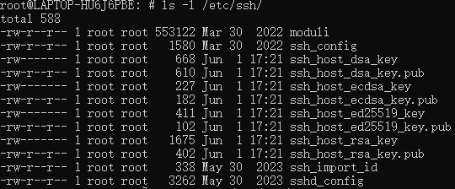
3.Flink1.17 |  |  |  |  |  |  |  |  |  | 执行后：
 | flink-conf.yaml
 |  | rest.address: 0.0.0.0
 |  | rest.bind-address: 0.0.0.0
 |  | execution.checkpointing.interval: 30000
 |  | state.checkpoints.dir: hdfs://localhost:8020/flink-checkpoints
 |  | state.backend.incremental: true
 | 启动
 |  | start-cluster.sh

mysql
 | 网络不好时
 |  | cp -r /etc/resolv.conf /etc/resolv.conf_0601 |  |  |  |  |  | 软链接
 |  | echo "nameserver 8.8.8.8" | sudo tee /etc/resolv.conf |  |  |  |  |  |  | ln -s hive-4.0.1 hive |  | 创建软连接
 |  | echo "nameserver 8.8.4.4" | sudo tee -a /etc/resolv.conf |  |  |  |  |  |  | ln -sf /new/path/to/file /path/to/link |  | 创建+覆盖原链接

 |  | cp /etc/apt/sources.list /etc/apt/sources.list.bak
 |  | sed -i 's|http://archive.ubuntu.com|http://mirrors.aliyun.com|g' /etc/apt/sources.list
 | 官网下载
 |  | mysql-server_8.0.11-1ubuntu18.04_amd64.deb-bundle.tar
 | 安装
 |  | 安装
 |  | dpkg -i \
 |  | mysql-common_*.deb \
 |  | mysql-client_*.deb \
 |  | mysql-community-server-core_*.deb \
 |  | mysql-community-server_*.deb
 |  | 修复
 |  | apt --fix-broken install -y
 |  | 更新
 |  | apt update
 | 启动
 |  | systemctl start mysql
 | mysql登录
 |  | mysql -u root -p

Tez
 | 环境变量
 |  | export TEZ_HOME=/opt/tez
 |  | export TEZ_CONF_DIR=$TEZ_HOME/conf
 |  | export HADOOP_CLASSPATH=${TEZ_HOME}/*:${TEZ_HOME}/lib/*:${HADOOP_CLASSPATH}
 | hadoop追加(core-site.xml)
 |  | <property>
 |  | <name>tez.lib.uris</name>
 |  | <value>${fs.defaultFS}/tez/tez.tar.gz</value>
 |  | </property>
 | 上传Tez到HDFS
 |  | hadoop fs -mkdir /tez
 |  | hadoop fs -put $TEZ_HOME/share/tez.tar.gz /tez/

Hive
 | 环境构筑 |  |  |  |  | 建表
 |  | hive-site.xml |  |  |  |  | SET iceberg.catalog.custom_catalog.type=hive;
 |  |  |  |  |  |  | SET iceberg.catalog.custom_catalog.uri=thrift://localhost:9083;
 | 初始化Hive |  | ※初始化数据库，创建元数据表 |  |  |  | SET iceberg.catalog.custom_catalog.warehouse=hdfs://localhost:9000/user/hive/warehouse;
 |  | schematool -dbType mysql -initSchema
 |  |  |  |  |  |  | CREATE TABLE ice_table_1
 | HMS |  |  |  |  |  | (
 |  | hive --service metastore |  |  |  |  | id bigint,
 |  |  |  |  |  |  | name string,
 | Hiveserver2 |  |  |  |  |  | ts timestamp
 |  | hive --service hiveserver2 |  | or | hiveserver2 |  | )
 |  | webui |  |  |  |  | PARTITIONED BY SPEC (day(ts))
 | beeline |  |  |  |  |  | STORED BY ICEBERG
 |  | jdbc:hive2://localhost:10000 |  |  |  |  | TBLPROPERTIES ('iceberg.catalog'='custom_catalog');

 |  |  |  |  |  | 插入数据
 |  |  |  |  |  |  | INSERT INTO ice_table_1 VALUES
 |  |  |  |  |  |  | (1, 'Alice', timestamp '2023-10-01 08:30:00'),
 |  |  |  |  |  |  | (2, 'Bob', timestamp '2023-10-01 14:15:00'),
 |  |  |  |  |  |  | (3, 'Charlie', timestamp '2023-10-02 09:45:00');

hive4_DML
pom.xml
 | <properties>
 | <maven.compiler.source>11</maven.compiler.source>
 | <maven.compiler.target>11</maven.compiler.target>
 | <project.build.sourceEncoding>UTF-8</project.build.sourceEncoding>
 | <beam.version>2.56.0</beam.version>
 | <flink.version>1.17.1</flink.version>
 | <iceberg.version>1.4.2</iceberg.version>
 | <kafka.version>3.6.1</kafka.version>
 | <hive.version>4.0.1</hive.version>
 | <hadoop.version>3.3.6</hadoop.version>
 | </properties>

 | <dependencies>
 | <dependency>
 | <groupId>org.apache.beam</groupId>
 | <artifactId>beam-sdks-java-core</artifactId>
 | <version>${beam.version}</version>
 | </dependency>
 | <dependency>
 | <groupId>org.apache.beam</groupId>
 | <artifactId>beam-runners-flink-1.17</artifactId>
 | <version>${beam.version}</version>
 | <scope>runtime</scope>
 | </dependency>
 | <dependency>
 | <groupId>org.apache.beam</groupId>
 | <artifactId>beam-sdks-java-io-iceberg</artifactId>
 | <version>${beam.version}</version>
 | </dependency>
 | <dependency>
 | <groupId>org.apache.hive</groupId>
 | <artifactId>hive-jdbc</artifactId>
 | <version>${hive.version}</version>
 | </dependency>
 | <dependency>
 | <groupId>org.apache.hadoop</groupId>
 | <artifactId>hadoop-common</artifactId>
 | <version>${hadoop.version}</version>
 | </dependency>
 | <dependency>
 | <groupId>org.apache.hadoop</groupId>
 | <artifactId>hadoop-client</artifactId>
 | <version>${hadoop.version}</version>
 | </dependency>
 | <dependency>
 | <groupId>org.apache.thrift</groupId>
 | <artifactId>libthrift</artifactId>
 | <version>0.16.0</version>
 | </dependency>
 | <dependency>
 | <groupId>org.apache.hive</groupId>
 | <artifactId>hive-service</artifactId>
 | <version>${hive.version}</version>
 | </dependency>
 | <dependency>
 | <groupId>org.apache.iceberg</groupId>
 | <artifactId>iceberg-hive-runtime</artifactId>
 | <version>1.4.3</version>
 | <scope>provided</scope>
 | </dependency>
 | <dependency>
 | <groupId>org.slf4j</groupId>
 | <artifactId>slf4j-api</artifactId>
 | <version>2.0.16</version>
 | </dependency>
 | <dependency>
 | <groupId>ch.qos.logback</groupId>
 | <artifactId>logback-classic</artifactId>
 | <version>1.2.11</version>
 | </dependency>

java code
 | import java.sql.*;

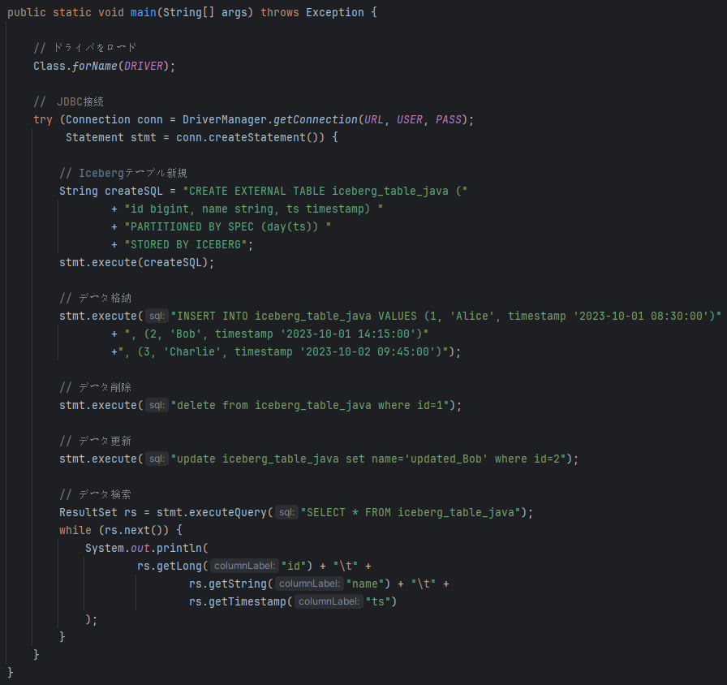
 | public class HiveIcebergJdbc {
 | private static final String DRIVER = "org.apache.hive.jdbc.HiveDriver";
 | private static final String URL = "jdbc:hive2://172.19.42.3:10000/default";
 | private static final String USER = "root";
 | private static final String PASS = "";

 | public static void main(String[] args) throws Exception {

 | // ドライバをロード
 | Class.forName(DRIVER);

 | // JDBC接続
 | try (Connection conn = DriverManager.getConnection(URL, USER, PASS);
 | Statement stmt = conn.createStatement()) {

 | // Icebergテーブル新規
 | String createSQL = "CREATE EXTERNAL TABLE iceberg_table_java ("
 | + "id bigint, name string, ts timestamp) "
 | + "PARTITIONED BY SPEC (day(ts)) "
 | + "STORED BY ICEBERG";
 | stmt.execute(createSQL);

 | // データ格納
 | stmt.execute("INSERT INTO iceberg_table_java VALUES (1, 'Alice', timestamp '2023-10-01 08:30:00')"
 | + ", (2, 'Bob', timestamp '2023-10-01 14:15:00')"
 | +", (3, 'Charlie', timestamp '2023-10-02 09:45:00')");

 | // データ削除
 | stmt.execute("delete from iceberg_table_java where id=1");

 | // データ更新
 | stmt.execute("update iceberg_table_java set name='updated_Bob' where id=2");

 | // データ検索
 | ResultSet rs = stmt.executeQuery("SELECT * FROM iceberg_table_java");
 | while (rs.next()) {
 | System.out.println(
 | rs.getLong("id") + "\t" +
 | rs.getString("name") + "\t" +
 | rs.getTimestamp("ts")
 | );
 | }
 | }
 | }
 | }
実行結果

テーブル確認
 | ・beeline
 |  | describe formatted iceberg_table_java;
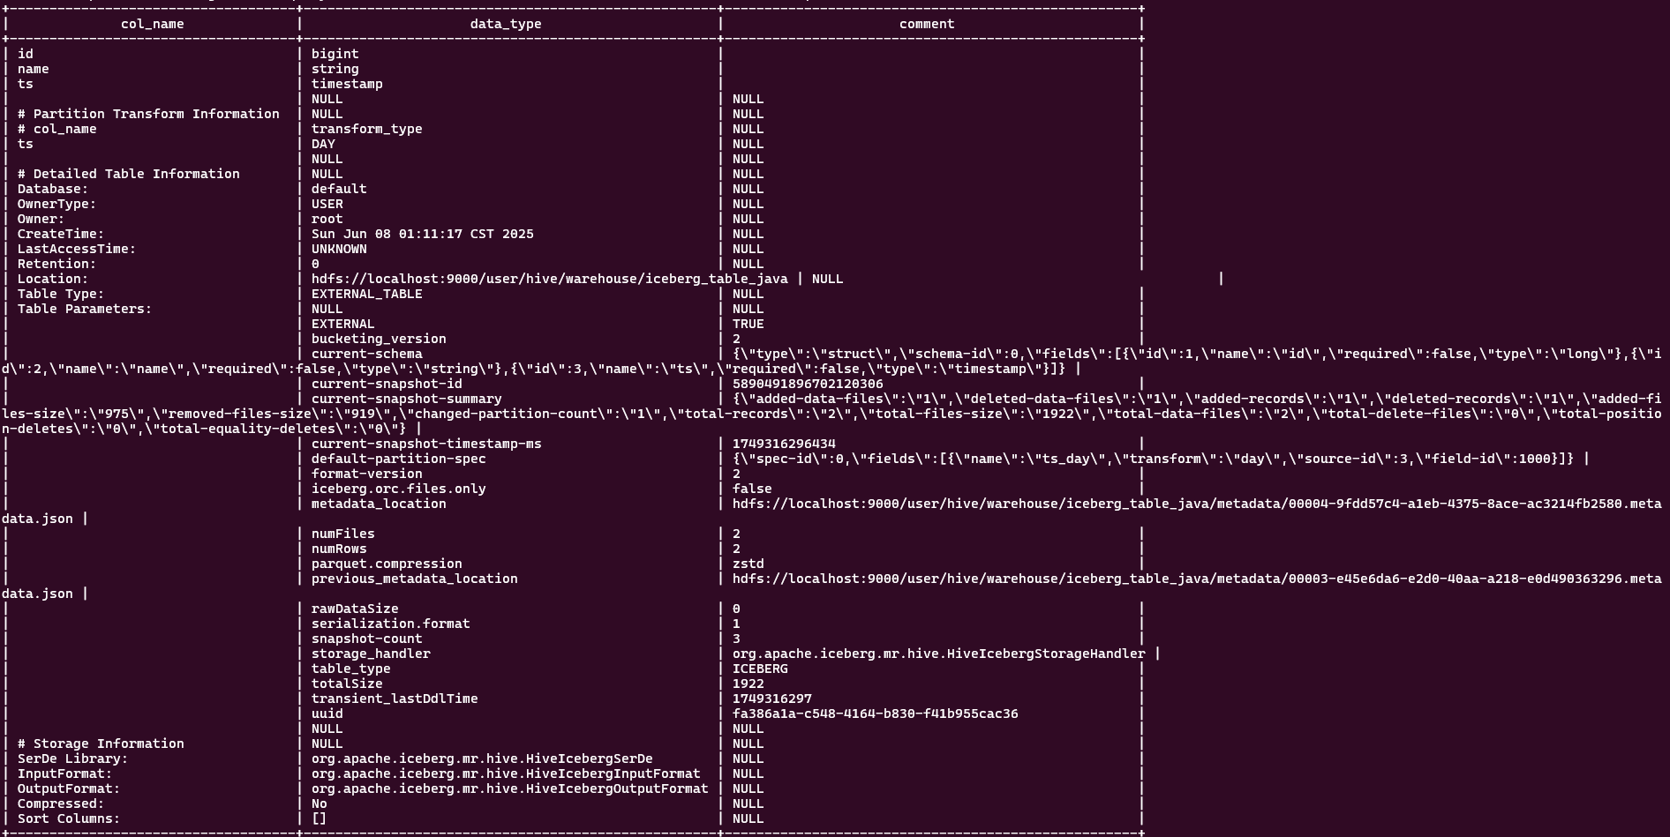

 | ・テーブルデータ

 | ・データファイル

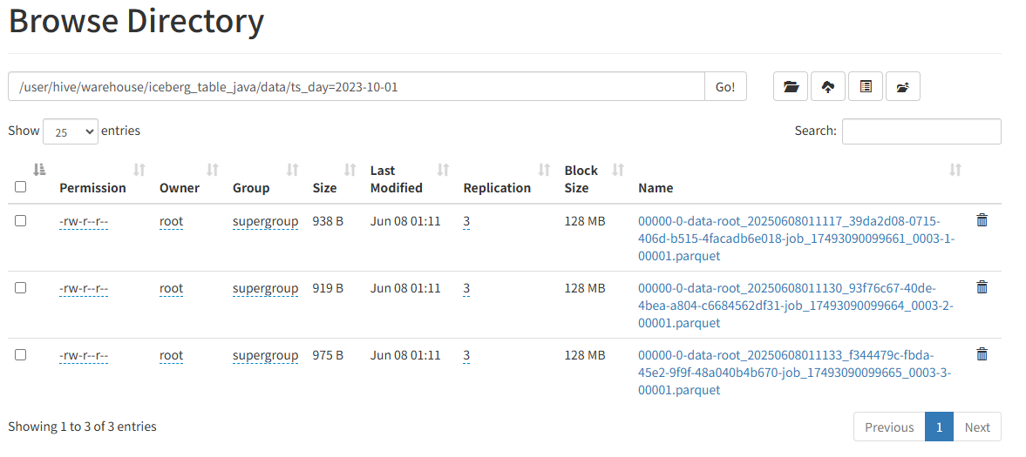
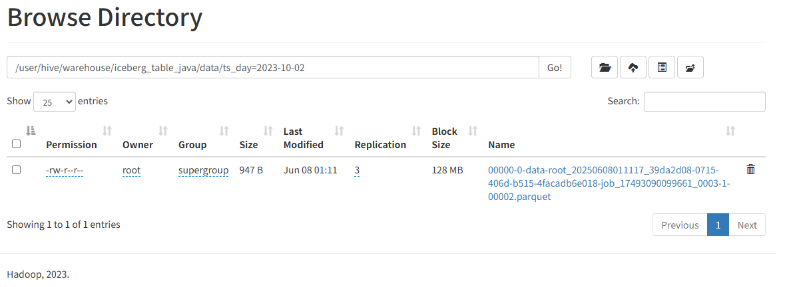

 | yarn task

hive3.x
準備
 | ・上传jar包，拷贝到Hive的auxlib目录中
 |  | mkdir auxlib
 |  | cp iceberg-hive-runtime-1.4.2.jar /opt/module/hive/auxlib
 |  | cp libthrift-0.12.0.jar /opt/module/hive/auxlib

 | ・hive-site.xml
 |  | <?xml version="1.0" encoding="UTF-8" standalone="no"?>
 |  | <?xml-stylesheet type="text/xsl" href="configuration.xsl"?>

 |  | <configuration>
 |  |  | <property>
 |  |  |  | <name>hive.metastore.warehouse.dir</name>
 |  |  |  | <value>/user/hive3/warehouse</value>
 |  |  | </property>
 |  |  | <property>
 |  |  |  | <name>javax.jdo.option.ConnectionURL</name>
 |  |  |  | <value>jdbc:mysql://localhost:3306/hive3?createDatabaseIfNotExist=true&amp;useSSL=false&amp;allowPublicKeyRetrieval=true</value>
 |  |  | </property>
 |  |  | <property>
 |  |  |  | <name>javax.jdo.option.ConnectionDriverName</name>
 |  |  |  | <value>com.mysql.cj.jdbc.Driver</value>
 |  |  | </property>
 |  |  | <property>
 |  |  |  | <name>javax.jdo.option.ConnectionUserName</name>
 |  |  |  | <value>root</value>
 |  |  | </property>
 |  |  | <property>
 |  |  |  | <name>javax.jdo.option.ConnectionPassword</name>
 |  |  |  | <value>vm@1234</value>
 |  |  | </property>

 |  |  | <property>
 |  |  |  | <name>hive.metastore.uris</name>
 |  |  |  | <value>thrift://localhost:9083</value>
 |  |  | </property>
 |  |  | <property>
 |  |  |  | <name>iceberg.engine.hive.enabled</name>
 |  |  |  | <value>true</value>
 |  |  | </property>
 |  |  | <property>
 |  |  |  | <name>hive.aux.jars.path</name>
 |  |  |  | <value>/opt/hive/auxlib</value>
 |  |  | </property>

 |  | </configuration>

2.Hadoop3.3.6
 | hdfs format |  |  |  |  |  |  | yarn-site.xml
 |  | hdfs namenode -format |  |  |  |  |  | 追加
 |  |  |  |  |  |  |  |  | <property>
 | 启动服务 |  |  |  |  |  |  |  | <name>yarn.application.classpath</name>
 |  | start-dfs.sh |  |  | stop-dfs.sh |  |  |  | <value>
 |  | start-yarn.sh |  |  | stop-yarn.sh |  |  |  |  | $HADOOP_HOME/share/hadoop/mapreduce/*,
 |  |  |  |  |  |  |  |  |  | $HADOOP_HOME/share/hadoop/common/*,
Hive |  |  |  |  |  |  |  |  |  | $HADOOP_HOME/share/hadoop/common/lib/*,
 | 初始化Hive |  | ※初始化数据库，创建元数据表 |  |  |  |  |  |  | $HADOOP_HOME/share/hadoop/yarn/*,
 |  | schematool -dbType mysql -initSchema |  |  |  |  |  |  |  | $HADOOP_HOME/share/hadoop/yarn/lib/*,
 |  |  |  |  |  |  |  |  |  | $HADOOP_HOME/share/hadoop/hdfs/*,
 | HMS |  |  |  |  |  |  |  |  | $HADOOP_HOME/share/hadoop/hdfs/lib/*,
 |  | hive --service metastore |  |  |  |  |  |  |  | /opt/tez/lib/*
 |  |  |  |  |  |  |  |  | </value>
 | Hiveserver2 |  |  |  |  |  |  |  | </property>
 |  | hive --service hiveserver2 |  |  | or | hiveserver2
 |  | webui
 | beeline
 |  | !connect jdbc:hive2://localhost:10000

创建自定义Catalog

 | SET iceberg.catalog.custom_catalog.type=hive;
 | SET iceberg.catalog.custom_catalog.uri=thrift://localhost:9083;
 | SET iceberg.catalog.custom_catalog.warehouse=hdfs://localhost:9000/user/hive3/warehouse;

建表
 | CREATE TABLE ice_table_1
 | (
 | id bigint,
 | name string
 | )
 | PARTITIONED BY (ts timestamp) |  |  |  |  |  | 不支持iceberg的分区演化：PARTITIONED BY SPEC，也不支持year(),month(),day()等方法 |  |  |  | PARTITIONED BY只支持Long类型
 | STORED BY 'org.apache.iceberg.mr.hive.HiveIcebergStorageHandler' |  |  |  |  |  | 不能使用STORED BY ICEBERG
 | TBLPROPERTIES ('iceberg.catalog'='custom_catalog');

插入数据
 | INSERT INTO ice_table_1 VALUES
 | (1, 'Alice', timestamp '2023-10-01 08:30:00'),
 | (2, 'Bob', timestamp '2023-10-01 14:15:00'),
 | (3, 'Charlie', timestamp '2023-10-02 09:45:00');

 | PARTITIONED BY 必须是整数类型

建表2
 | CREATE TABLE ice_table_1
 | (
 | id bigint,
 | name string
 | )
 | PARTITIONED BY (partition_id bigint)
 | STORED BY 'org.apache.iceberg.mr.hive.HiveIcebergStorageHandler'
 | TBLPROPERTIES ('iceberg.catalog'='custom_catalog');

插入数据
 | INSERT INTO ice_table_1 VALUES
 | (1, 'Alice', 1),
 | (2, 'Bob', 2),
 | (3, 'Charlie', 3);

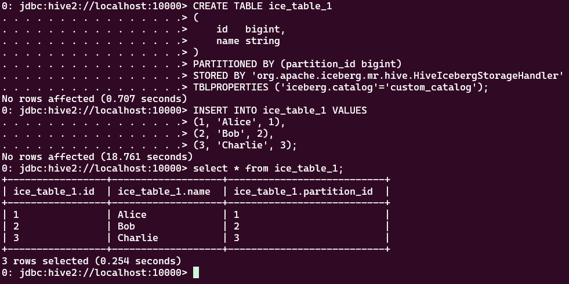

查询

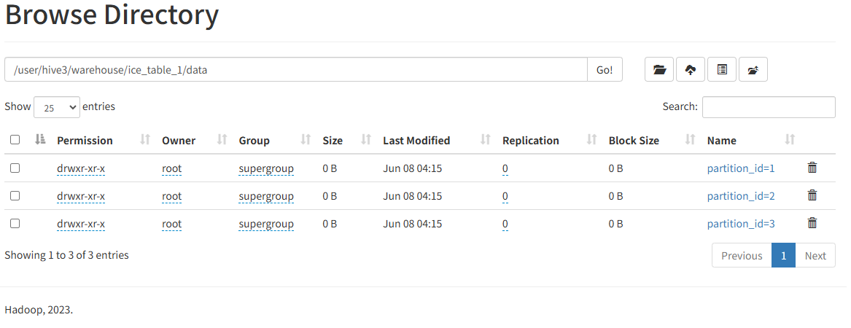

更新データ
 | updateをサポートしない
 | update ice_table_1 set name='updated_Bob' where id=2;

削除データ
 | delete from ice_table_1 where id=1;

JAVA API
pom.xml
 | <properties>
 | <maven.compiler.source>8</maven.compiler.source>
 | <maven.compiler.target>8</maven.compiler.target>
 | <project.build.sourceEncoding>UTF-8</project.build.sourceEncoding>
 | <beam.version>2.56.0</beam.version>
 | <flink.version>1.17.1</flink.version>
 | <iceberg.version>1.4.2</iceberg.version>
 | <kafka.version>3.6.1</kafka.version>
 | <hive.version>3.1.3</hive.version>
 | <hadoop.version>3.3.6</hadoop.version>
 | </properties>

 | <dependencies>
 | <dependency>
 | <groupId>org.apache.beam</groupId>
 | <artifactId>beam-sdks-java-core</artifactId>
 | <version>${beam.version}</version>
 | </dependency>
 | <dependency>
 | <groupId>org.apache.beam</groupId>
 | <artifactId>beam-runners-flink-1.17</artifactId>
 | <version>${beam.version}</version>
 | </dependency>
 | <dependency>
 | <groupId>org.apache.beam</groupId>
 | <artifactId>beam-runners-direct-java</artifactId>
 | <version>${beam.version}</version>
 | </dependency>
 | <dependency>
 | <groupId>org.apache.beam</groupId>
 | <artifactId>beam-sdks-java-io-iceberg</artifactId>
 | <version>${beam.version}</version>
 | </dependency>
 | <dependency>
 | <groupId>org.apache.hive</groupId>
 | <artifactId>hive-jdbc</artifactId>
 | <version>${hive.version}</version>
 | </dependency>
 | <dependency>
 | <groupId>org.apache.hadoop</groupId>
 | <artifactId>hadoop-common</artifactId>
 | <version>${hadoop.version}</version>
 | <exclusions>
 | <exclusion>
 | <groupId>org.apache.avro</groupId>
 | <artifactId>avro</artifactId>
 | </exclusion>
 | </exclusions>
 | </dependency>
 | <dependency>
 | <groupId>org.apache.hadoop</groupId>
 | <artifactId>hadoop-client</artifactId>
 | <version>${hadoop.version}</version>
 | </dependency>
 | <dependency>
 | <groupId>org.apache.thrift</groupId>
 | <artifactId>libthrift</artifactId>
 | <version>0.16.0</version>
 | </dependency>
 | <dependency>
 | <groupId>org.apache.hive</groupId>
 | <artifactId>hive-service</artifactId>
 | <version>${hive.version}</version>
 | <exclusions>
 | <exclusion>
 | <groupId>org.apache.hadoop</groupId>
 | <artifactId>hadoop-hdfs</artifactId>
 | </exclusion>
 | </exclusions>
 | </dependency>
 | <dependency>
 | <groupId>org.apache.iceberg</groupId>
 | <artifactId>iceberg-hive-metastore</artifactId>
 | <version>${iceberg.version}</version>
 | </dependency>
 | <dependency>
 | <groupId>org.slf4j</groupId>
 | <artifactId>slf4j-api</artifactId>
 | <version>2.0.16</version>
 | </dependency>
 | <dependency>
 | <groupId>ch.qos.logback</groupId>
 | <artifactId>logback-classic</artifactId>
 | <version>1.2.11</version>
 | </dependency>

1.IcebergIO.readRows()
 | import org.apache.beam.runners.flink.FlinkRunner;
 | import org.apache.beam.sdk.Pipeline;
 | import org.apache.beam.sdk.coders.RowCoder;
 | import org.apache.beam.sdk.io.iceberg.IcebergCatalogConfig;
 | import org.apache.beam.sdk.io.iceberg.IcebergIO;
 | import org.apache.beam.sdk.options.PipelineOptions;
 | import org.apache.beam.sdk.options.PipelineOptionsFactory;
 | import org.apache.beam.sdk.transforms.DoFn;
 | import org.apache.beam.sdk.transforms.ParDo;
 | import org.apache.iceberg.CatalogUtil;
 | import org.apache.iceberg.Schema;
 | import org.apache.iceberg.catalog.TableIdentifier;
 | import org.apache.iceberg.types.Types;
 | import org.apache.beam.sdk.values.Row;

 | public class IcebergIOReadTest {
 | public static void main(String[] args) {
 | PipelineOptions pipelineOptions = PipelineOptionsFactory.create();
 | pipelineOptions.setRunner(FlinkRunner.class);
 | Pipeline pipeline = Pipeline.create();

 | TableIdentifier tableId = TableIdentifier.of("default", "ice_table_1");

 | Schema iceberg_schema = new Schema(
 | Types.NestedField.required(1, "id", Types.LongType.get()),
 | Types.NestedField.optional(2, "name", Types.StringType.get()),
 | Types.NestedField.optional(3, "partition_id", Types.LongType.get())
 | );

 | IcebergCatalogConfig catalogConfig =
 | IcebergCatalogConfig.builder()
 | .setName("custom_iceberg")
 | .setIcebergCatalogType(CatalogUtil.ICEBERG_CATALOG_TYPE_HIVE)
 | .setWarehouseLocation("hdfs://localhost:9000/user/hive3/warehouse")
 | .setUri("thrift://localhost:9083")
 | .build();

 | pipeline
 | .apply(IcebergIO.readRows(catalogConfig).from(tableId))
 | .apply(ParDo.of(new DoFn<Row, Row>() {
 | @ProcessElement
 | public void process(ProcessContext context) {
 | Row raw = context.element();
 | System.out.println("raw = " + raw);
 | context.output(raw);
 | }
 | }))
 | .setCoder(RowCoder.of(SchemaAndRowConversions.icebergSchemaToBeamSchema(iceberg_schema)));

 | pipeline.run().waitUntilFinish();

 | }
 | }
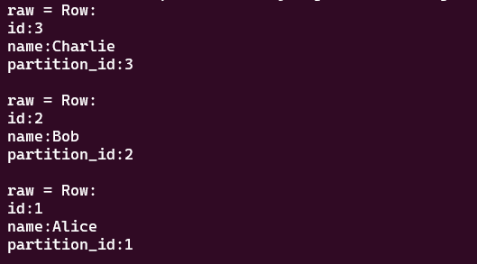

2.IcebergIO.writeRows()
 | package sl.lyt.main.hive3;

 | import org.apache.beam.runners.flink.FlinkRunner;
 | import org.apache.beam.sdk.Pipeline;
 | import org.apache.beam.sdk.io.iceberg.IcebergCatalogConfig;
 | import org.apache.beam.sdk.io.iceberg.IcebergIO;
 | import org.apache.beam.sdk.options.PipelineOptions;
 | import org.apache.beam.sdk.options.PipelineOptionsFactory;
 | import org.apache.beam.sdk.transforms.Create;
 | import org.apache.iceberg.CatalogUtil;
 | import org.apache.iceberg.PartitionSpec;
 | import org.apache.iceberg.Schema;
 | import org.apache.iceberg.catalog.TableIdentifier;
 | import org.apache.iceberg.types.Types;
 | import org.apache.beam.sdk.values.Row;
 | import org.apache.beam.vendor.guava.v32_1_2_jre.com.google.common.collect.ImmutableList;
 | import org.apache.beam.vendor.guava.v32_1_2_jre.com.google.common.collect.ImmutableMap;
 | import org.apache.iceberg.data.Record;
 | import org.apache.iceberg.data.GenericRecord;

 | import java.util.ArrayList;

 | public class IcebergIOWriteTest {

 | public static Schema ICEBERG_SCHEMA = new Schema(
 | Types.NestedField.required(1, "id", Types.LongType.get()),
 | Types.NestedField.optional(2, "name", Types.StringType.get()),
 | Types.NestedField.optional(3, "partition_id", Types.LongType.get())
 | );

 | public static void main(String[] args) {
 | PipelineOptions pipelineOptions = PipelineOptionsFactory.create();
 | pipelineOptions.setRunner(FlinkRunner.class);
 | Pipeline pipeline = Pipeline.create();

 | TableIdentifier tableId = TableIdentifier.of("default", "ice_table_1");

 | Record genericRecord = GenericRecord.create(ICEBERG_SCHEMA);

 | IcebergCatalogConfig catalogConfig =
 | IcebergCatalogConfig.builder()
 | .setName("custom_iceberg")
 | .setIcebergCatalogType(CatalogUtil.ICEBERG_CATALOG_TYPE_HIVE)
 | .setWarehouseLocation("hdfs://localhost:9000/user/hive3/warehouse")
 | .setUri("thrift://localhost:9083")
 | .build();

 | ImmutableList<Record> records =
 | ImmutableList.of(
 | genericRecord.copy(ImmutableMap.of("id", 4L, "name", "John", "partition_id", 1L)),
 | genericRecord.copy(ImmutableMap.of("id", 5L, "name", "Jack", "partition_id", 2L)),
 | genericRecord.copy(ImmutableMap.of("id", 6L, "name", "Tom", "partition_id", 3L)));

 | PartitionSpec partitionSpec = PartitionSpec.builderFor(ICEBERG_SCHEMA)
 | .identity("partition_id") // 使用 identity 分区
 | .build();

 | pipeline
 | .apply("Records To Add", Create.of(asRows(records)))
 | .setRowSchema(SchemaAndRowConversions.icebergSchemaToBeamSchema(ICEBERG_SCHEMA))
 | .apply("Append To Table", IcebergIO.writeRows(catalogConfig).to(tableId));

 | pipeline.run().waitUntilFinish();

 | }

 | public static ImmutableList<Row> asRows(Iterable<Record> records) {
 | ArrayList<Row> rows = new ArrayList<>();
 | for (Record record : records) {
 | rows.add(
 | Row.withSchema(SchemaAndRowConversions.icebergSchemaToBeamSchema(ICEBERG_SCHEMA))
 | .withFieldValue("id", record.getField("id"))
 | .withFieldValue("name", record.getField("name"))
 | .withFieldValue("partition_id", record.getField("partition_id"))
 | .build());
 | }
 | return ImmutableList.copyOf(rows);
 | }
 | }

iceberg java API
 | package sl.lyt.main.hive3;

 | //import avro.shaded.com.google.common.collect.ImmutableList;
 | //import avro.shaded.com.google.common.collect.ImmutableMap;
 | import org.apache.hadoop.conf.Configuration;
 | import org.apache.iceberg.DataFile;
 | import org.apache.iceberg.PartitionSpec;
 | import org.apache.iceberg.Schema;
 | import org.apache.iceberg.Table;
 | import org.apache.iceberg.catalog.TableIdentifier;
 | import org.apache.iceberg.data.GenericRecord;
 | import org.apache.iceberg.hive.HiveCatalog;
 | import org.apache.iceberg.io.DataWriter;
 | import org.apache.iceberg.types.Types;
 | import org.apache.iceberg.data.Record;

 | import java.util.Arrays;
 | import java.util.HashMap;
 | import java.util.List;
 | import java.util.Map;
 | import java.sql.Timestamp;
 | import java.time.Instant;

 | public class IcebergAPITest {
 | public static void main(String[] args) {
 | // １．カスタムカタログ新規
 | HiveCatalog catalog = new HiveCatalog();
 | catalog.setConf(new Configuration());
 | Map<String, String> properties = new HashMap<>();
 | properties.put("warehouse", "hdfs://localhost:9000/user/hive3/warehouse");
 | properties.put("uri", "thrift://localhost:9083");
 | catalog.initialize("custom_hive_catalog", properties);

 | // ２．DBとテーブル名を定義
 | TableIdentifier name = TableIdentifier.of("default", "ice_table_java");

 | // ３．テーブル構成を定義
 | Schema schema = new Schema(
 | Types.NestedField.required(1, "id", Types.LongType.get()),
 | Types.NestedField.optional(2, "name", Types.StringType.get()),
 | Types.NestedField.optional(3, "ts", Types.TimestampType.withoutZone())
 | );

 | // ４．パーティションを定義
 | PartitionSpec spec = PartitionSpec.builderFor(schema)
 | .day("ts")
 | .build();

 | // ５．テーブル新規
 | Table table = catalog.createTable(name, schema, spec);

 | // ６．テーブルデータ追加

 | //1,构建表，构建插入数据
 | // GenericRecord record = GenericRecord.create(schema);
 | // ImmutableList.Builder<GenericRecord> builder = ImmutableList.builder();
 | //
 | // builder.add(record.copy(ImmutableMap.of("id", 1, "name", "Alice", "ts", "2023-10-01 08:30:00")));
 | // builder.add(record.copy(ImmutableMap.of("id", 2, "name", "Bob", "ts", "2023-10-01 14:15:00")));
 | // builder.add(record.copy(ImmutableMap.of("id", 3, "name", "Charlie", "ts", "2023-10-02 09:45:00")));
 | // ImmutableList<GenericRecord> records = builder.build();
 | // // 2. 将记录写入parquet文件
 | // String filepath = table.location() + "/" + UUID.randomUUID().toString();
 | // OutputFile file = table.io().newOutputFile(filepath);
 | // DataWriter<GenericRecord> dataWriter =
 | // Parquet.writeData(file)
 | // .schema(schema)
 | // .createWriterFunc(GenericParquetWriter::buildWriter)
 | // .overwrite()
 | // .withSpec(PartitionSpec.unpartitioned())
 | // .build();
 | // try {
 | // dataWriter.write(records);
 | // } finally {
 | // dataWriter.close();
 | // }
 | //
 | // // 3. 将文件写入table中
 | // DataFile dataFile = dataWriter.toDataFile();
 | // table.newAppend().appendFile(dataFile).commit();

 | // 获取字段索引（更安全的做法）
 | int idIndex = table.schema().findField("id").fieldId();
 | int nameIndex = table.schema().findField("name").fieldId();
 | int tsIndex = table.schema().findField("ts").fieldId();

 | List<Record> initialRecords = Arrays.asList(
 | createRecord(table, idIndex, nameIndex, tsIndex, 1L, "Alice", Timestamp.from(Instant.parse("2023-01-01T00:00:00Z"))),
 | createRecord(table, idIndex, nameIndex, tsIndex, 2L, "Bob", Timestamp.from(Instant.parse("2023-01-02T00:00:00Z"))),
 | createRecord(table, idIndex, nameIndex, tsIndex, 3L, "Charlie", Timestamp.from(Instant.parse("2023-01-03T00:00:00Z")))
 | );

 | // 使用DataWriter进行高效写入
 | writeRecordsToTable(table, initialRecords);

 | // ７．テーブルデータ更新
 | // ８．テーブルデータ削除
 | Schema table_schema = table.schema();
 | System.out.println("table_schema = " + table_schema);

 | }

 | private static Record createRecord(Table table, int idIndex, int nameIndex, int tsIndex,
 | Long id, String name, Timestamp ts) {
 | Record record = GenericRecord.create(table.schema());
 | record.set(idIndex, id);
 | record.set(nameIndex, name);
 | record.set(tsIndex, ts);
 | return record;
 | }

 | private static void writeRecordsToTable(Table table, List<Record> records) {
 | // try (DataWriter<Record> writer = DataWriters.builderFor(table)
 | // .createWriterFunc(GenericTaskWriter::createWriter)
 | // .build()) {
 | //
 | // for (Record record : records) {
 | // writer.write(record);
 | // }
 | //
 | // DataFile dataFile = writer.toDataFile();
 | // table.newAppend()
 | // .appendFile(dataFile)
 | // .commit();
 | // } catch (Exception e) {
 | // e.printStackTrace();
 | // }
 | }
 | }

