Auto Loan Amortization Schedule
AUTO LOAN AMORTIZATION SCHEDULE TEMPLATE

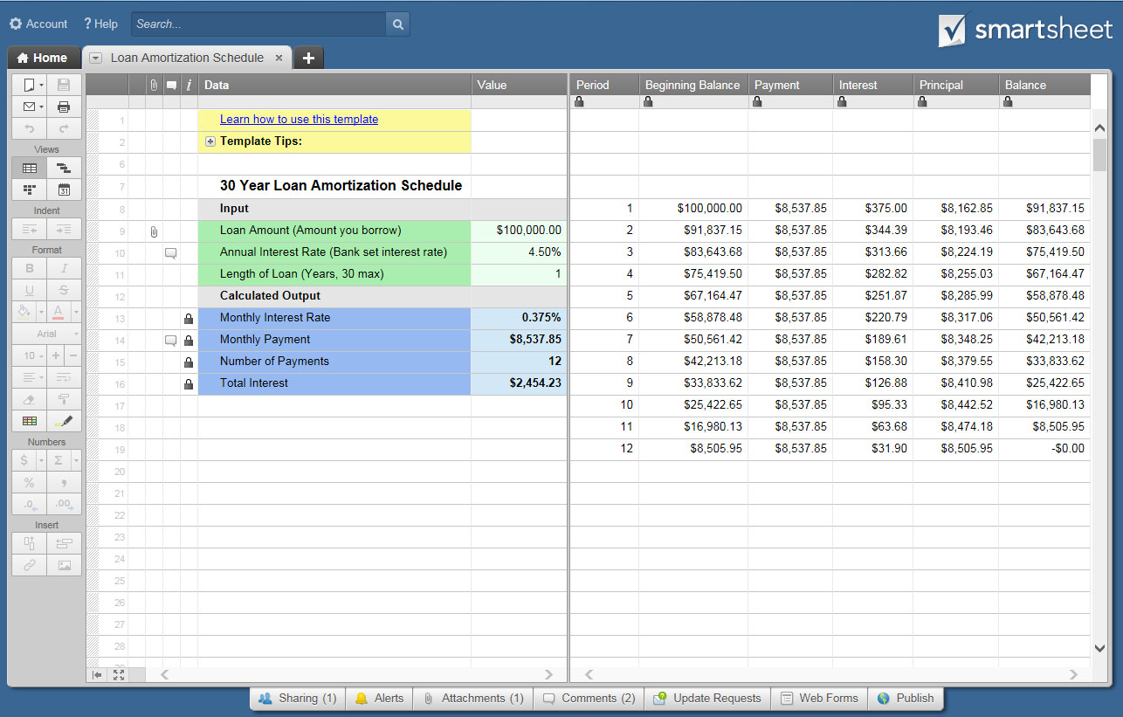
LENDER NAME |  |  |  |  | PURCHASE PRICE |  | VALUE | CLICK HERE TO CREATE AUTO LOAN AMORTIZATION SCHEDULES IN SMARTSHEET
LENDER ADDRESS |  |  |  |  | SALE PRICE + OPTIONS |  | $40,000.00
 |  |  |  |  | DESTINATION CHARGE |  | $35.00
 |  |  |  |  | TITLE TRANSFER FEE |  | $35.00
LENDER PHONE |  |  |  |  | OTHER TAXABLE FEES |  | $600.00
LENDER WEB |  | www. |  |  | TOTAL PURCHASE PRICE |  | $40,670.00
CONTACT EMAIL
LOAN TYPE |  |  |  |  | STATE SALES TAX |  | VALUE
DATE OF LOAN |  |  |  |  | TRADE-IN TAX DEDUCTION (if applicable) |  | FALSE
NAME ON LOAN |  |  |  |  | CASH REBATE TAX DEDUCTION (if applicable) |  | FALSE
 |  |  |  |  | INPUT STATE SALES TAX RATE |  | 6.35%
 | DATA |  | VALUE |  | FILL IN NET TAXABLE |  | $4,500.00
 | INPUT |  |  |  | STATE SALES / EXCISE TAX |  | $285.75
 | PURCHASE PRICE + FEES |  | $41,005.75
 | PERCENT OF DOWN PAYMENT |  | 5% |  | NON-TAXABLE FEES |  | VALUE
 | TOTAL DOWN PAYMENT |  | $2,050.29 |  | REGISTRATION |  | $10.00
 | LOAN AMOUNT |  | $38,955.46 |  | LATE REGISTRATION FEE |  | $5.00
 | ANNUAL INTEREST RATE |  | 4.50% |  | SERVICE CONTRACT |  | $5.00
 | LENGTH OF LOAN IN YEARS |  | 4 |  | SPECIAL PLATE FEE |  | $5.00
 | PAYMENT FREQUENCY |  | Monthly |  | ADMINISTRATION FEE |  | $5.00
 | FIRST PAYMENT DATE |  | 2018-05-01 |  | TRANSACTION FEE |  | $5.00
 |  |  |  |  | LATE TITLE TRANSFER FEE |  | $5.00
 | CALCULATED OUTPUT |  |  |  | DUPLICATE TITLE FEE |  | $5.00
 | NUMBER OF PAYMENTS |  | 48 |  | OTHER NON-TAXABLE FEES |  | $5.00
 | MONTHLY INTEREST RATE |  | 0.375% |  | TOTAL NON-TAXABLE FEES |  | $50.00
 | MONTHLY PAYMENT |  | $888.32
 | TOTAL INTEREST |  | $3,683.914 |  | ***Complete All WHITE fields under VALUE Headings Only***
 | TOTAL PAYMENTS |  | $42,639.377

AUTO LOAN AMORTIZATION SCHEDULE
PYMNT PERIOD | DATE OF PAYMENT | BEGINNING BALANCE | SCHEDULED PAYMENT | EXTRA PAYMENT | INTEREST | PRINCIPAL | BALANCE
 |  |  |  |  |  |  | $38,955.46
1 | 2018-05-01 | $38,955.46 | $888.32 |  | $146.08 | $742.24 | $38,213.22
2 | 2018-06-01 | $38,213.22 | $888.32 |  | $143.30 | $745.02 | $37,468.20
3 | 2018-07-01 | $37,468.20 | $888.32 |  | $140.51 | $747.81 | $36,720.39
4 | 2018-08-01 | $36,720.39 | $888.32 |  | $137.70 | $750.62 | $35,969.77
5 | 2018-09-01 | $35,969.77 | $888.32 |  | $134.89 | $753.43 | $35,216.34
6 | 2018-10-01 | $35,216.34 | $888.32 |  | $132.06 | $756.26 | $34,460.08
7 | 2018-11-01 | $34,460.08 | $888.32 |  | $129.23 | $759.09 | $33,700.99
8 | 2018-12-01 | $33,700.99 | $888.32 |  | $126.38 | $761.94 | $32,939.05
9 | 2019-01-01 | $32,939.05 | $888.32 |  | $123.52 | $764.80 | $32,174.25
10 | 2019-02-01 | $32,174.25 | $888.32 |  | $120.65 | $767.67 | $31,406.58
11 | 2019-03-01 | $31,406.58 | $888.32 |  | $117.77 | $770.55 | $30,636.03
12 | 2019-04-01 | $30,636.03 | $888.32 |  | $114.89 | $773.43 | $29,862.60
13 | 2019-05-01 | $29,862.60 | $888.32 |  | $111.98 | $776.34 | $29,086.26
14 | 2019-06-01 | $29,086.26 | $888.32 |  | $109.07 | $779.25 | $28,307.01
15 | 2019-07-01 | $28,307.01 | $888.32 |  | $106.15 | $782.17 | $27,524.84
16 | 2019-08-01 | $27,524.84 | $888.32 |  | $103.22 | $785.10 | $26,739.74
17 | 2019-09-01 | $26,739.74 | $888.32 |  | $100.27 | $788.05 | $25,951.69
18 | 2019-10-01 | $25,951.69 | $888.32 |  | $97.32 | $791.00 | $25,160.69
19 | 2019-11-01 | $25,160.69 | $888.32 |  | $94.35 | $793.97 | $24,366.72
20 | 2019-12-01 | $24,366.72 | $888.32 |  | $91.38 | $796.94 | $23,569.78
21 | 2020-01-01 | $23,569.78 | $888.32 |  | $88.39 | $799.93 | $22,769.85
22 | 2020-02-01 | $22,769.85 | $888.32 |  | $85.39 | $802.93 | $21,966.92
23 | 2020-03-01 | $21,966.92 | $888.32 |  | $82.38 | $805.94 | $21,160.98
24 | 2020-04-01 | $21,160.98 | $888.32 |  | $79.35 | $808.97 | $20,352.01
25 | 2020-05-01 | $20,352.01 | $888.32 |  | $76.32 | $812.00 | $19,540.01
26 | 2020-06-01 | $19,540.01 | $888.32 |  | $73.28 | $815.04 | $18,724.97
27 | 2020-07-01 | $18,724.97 | $888.32 |  | $70.22 | $818.10 | $17,906.87
28 | 2020-08-01 | $17,906.87 | $888.32 |  | $67.15 | $821.17 | $17,085.70
29 | 2020-09-01 | $17,085.70 | $888.32 |  | $64.07 | $824.25 | $16,261.45
30 | 2020-10-01 | $16,261.45 | $888.32 |  | $60.98 | $827.34 | $15,434.11
31 | 2020-11-01 | $15,434.11 | $888.32 |  | $57.88 | $830.44 | $14,603.67
32 | 2020-12-01 | $14,603.67 | $888.32 |  | $54.76 | $833.56 | $13,770.11
33 | 2021-01-01 | $13,770.11 | $888.32 |  | $51.64 | $836.68 | $12,933.43
34 | 2021-02-01 | $12,933.43 | $888.32 |  | $48.50 | $839.82 | $12,093.61
35 | 2021-03-01 | $12,093.61 | $888.32 |  | $45.35 | $842.97 | $11,250.64
36 | 2021-04-01 | $11,250.64 | $888.32 |  | $42.19 | $846.13 | $10,404.51
37 | 2021-05-01 | $10,404.51 | $888.32 |  | $39.02 | $849.30 | $9,555.21
38 | 2021-06-01 | $9,555.21 | $888.32 |  | $35.83 | $852.49 | $8,702.72
39 | 2021-07-01 | $8,702.72 | $888.32 |  | $32.64 | $855.68 | $7,847.04
40 | 2021-08-01 | $7,847.04 | $888.32 |  | $29.43 | $858.89 | $6,988.15
41 | 2021-09-01 | $6,988.15 | $888.32 |  | $26.21 | $862.11 | $6,126.04
42 | 2021-10-01 | $6,126.04 | $888.32 |  | $22.97 | $865.35 | $5,260.69
43 | 2021-11-01 | $5,260.69 | $888.32 |  | $19.73 | $868.59 | $4,392.10
44 | 2021-12-01 | $4,392.10 | $888.32 |  | $16.47 | $871.85 | $3,520.25
45 | 2022-01-01 | $3,520.25 | $888.32 |  | $13.20 | $875.12 | $2,645.13
46 | 2022-02-01 | $2,645.13 | $888.32 |  | $9.92 | $878.40 | $1,766.73
47 | 2022-03-01 | $1,766.73 | $888.32 |  | $6.63 | $881.69 | $885.04
48 | 2022-04-01 | $885.04 | $888.36 |  | $3.32 | $885.04 | $0.00

 |  |  |  |  |  |  |  |  | `

