1) Interactive HAWC Visuals
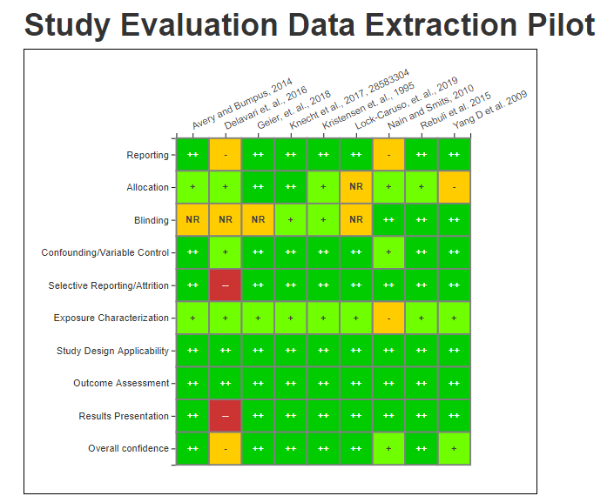
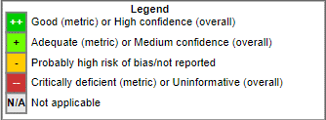
 | The following visuals were shared with participants at the Results Meeting
 | To access interactive versions of the below graphics, please log into HAWC using a non - Internet Explorer browser (i.e. Chrome, Firefox, etc.) and paste the below link in the URL:

1) | https://hawcprd.epa.gov/summary/visual/100000087/
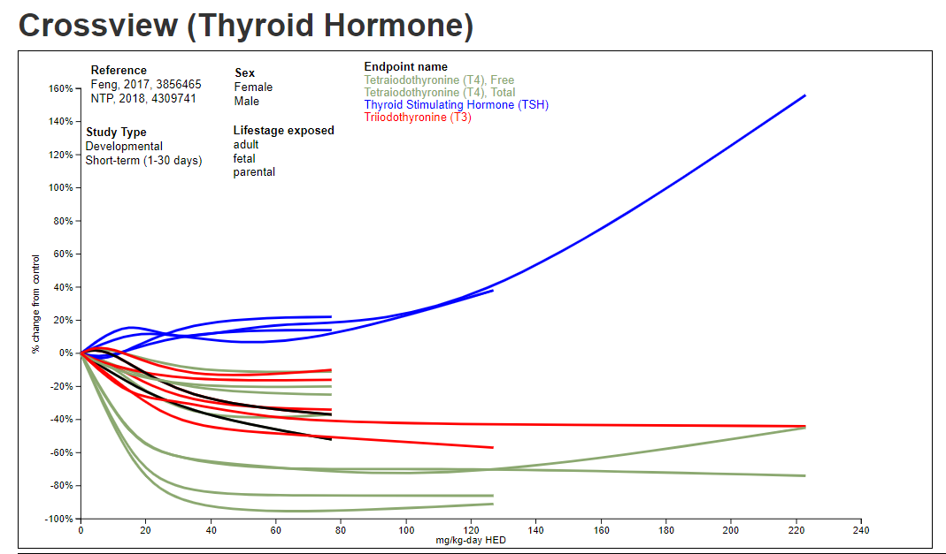

2) | https://hawcprd.epa.gov/summary/data-pivot/assessment/100000039/pfbs-t3-effect-size-animal/
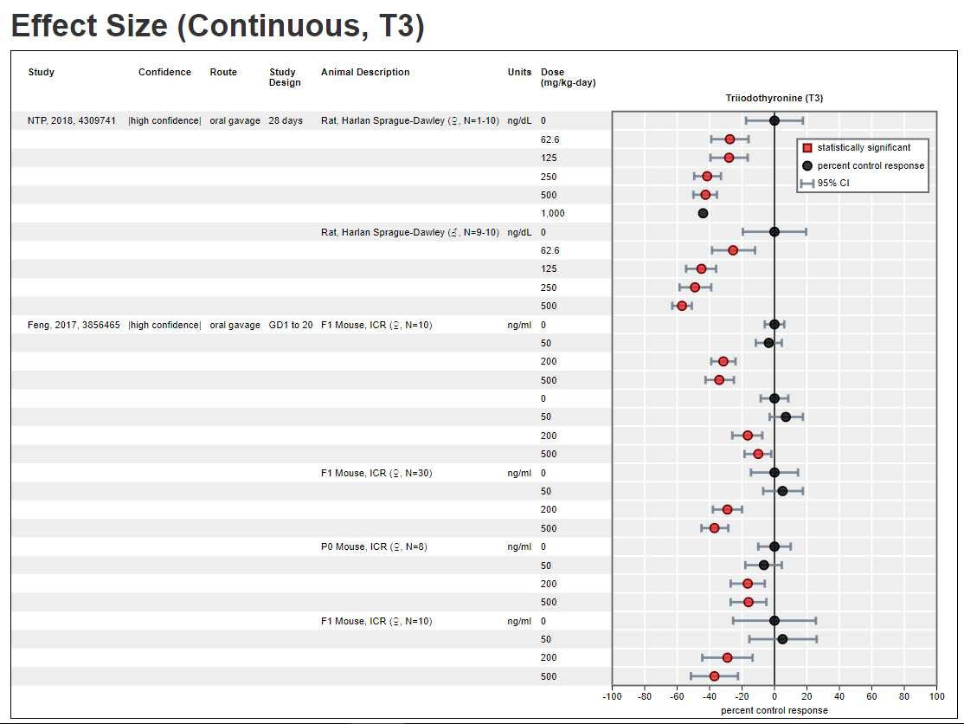

3) | https://hawcprd.epa.gov/summary/data-pivot/assessment/100000039/pfbs-kidney-histopathology-effect-size-animal/
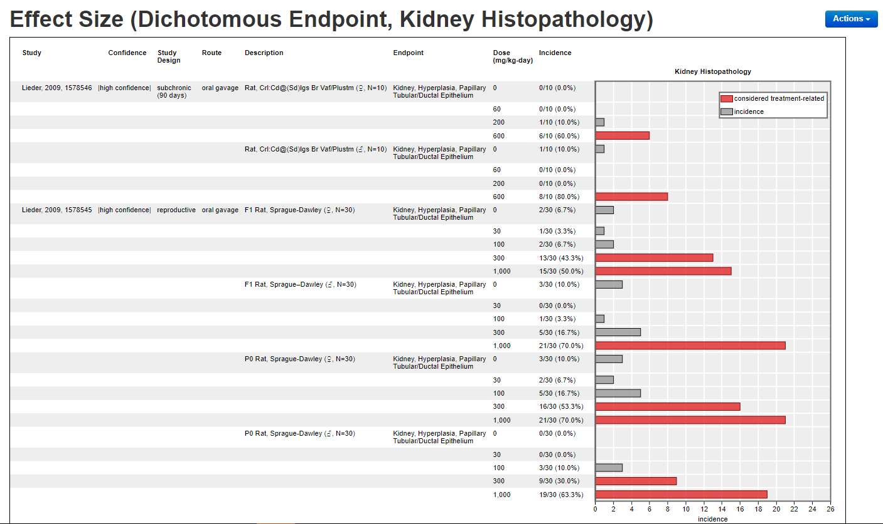

4) | https://hawcprd.epa.gov/summary/data-pivot/assessment/100000039/pfbs-thyroid-effects/
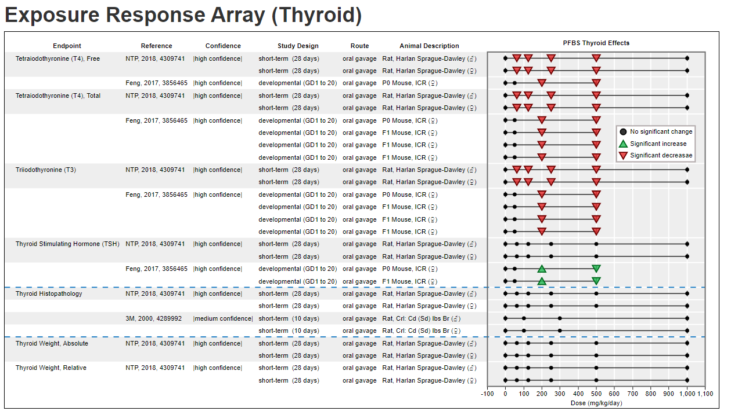

5 | https://hawcprd.epa.gov/summary/visual/100500552/
 | Study Evaluation (Risk of Bias) Summary Tables
 | These visuals summarize how participants evaluated various elements of study quality.

2) Survey 1
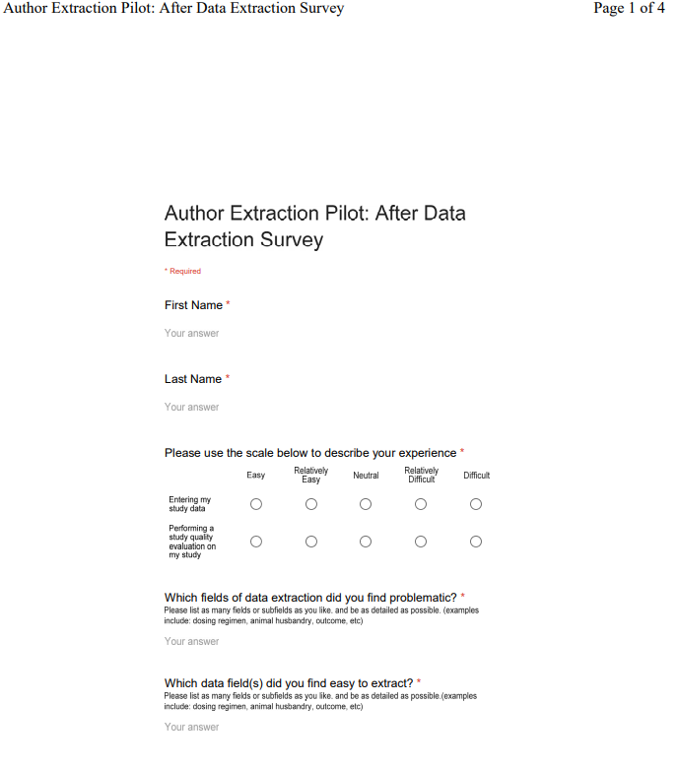
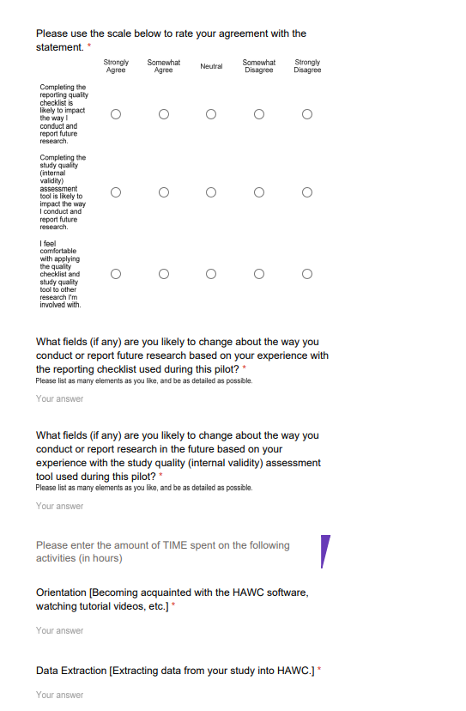
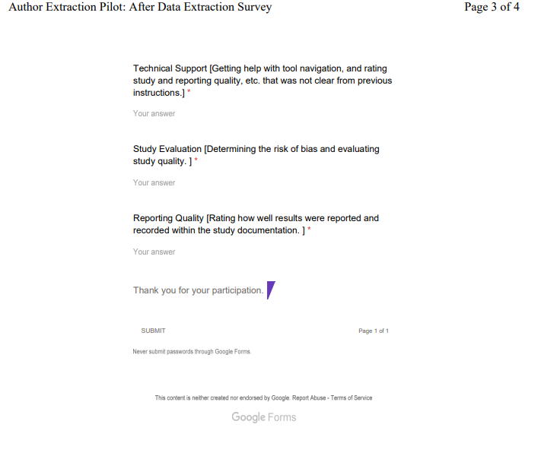
Post-Extraction Survey Instrument
This survey was administered following the extraction and study evaluation exercise

3) Survey 2
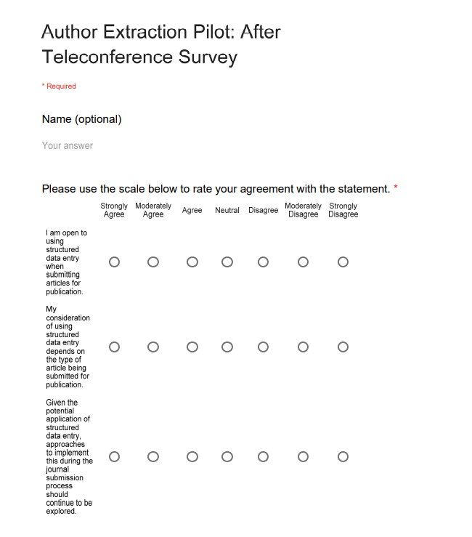
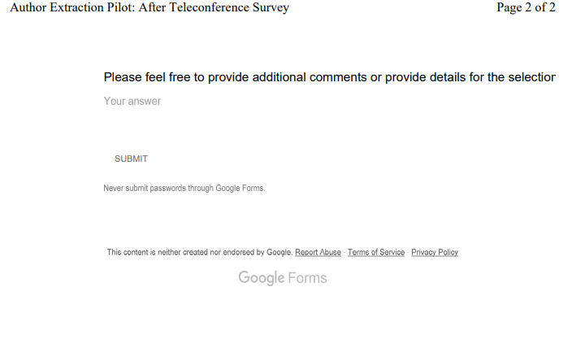
Post-Pilot Survey Instrument
This survey was administered at the end of the pilot after visuals of the results were aggregated across the studies and shared with participants.

4) Table 2 Data
Data - Results for Table 2: Willingness to Consider Structured Data Entry During Publication Process (Post-Pilot Survey Results)

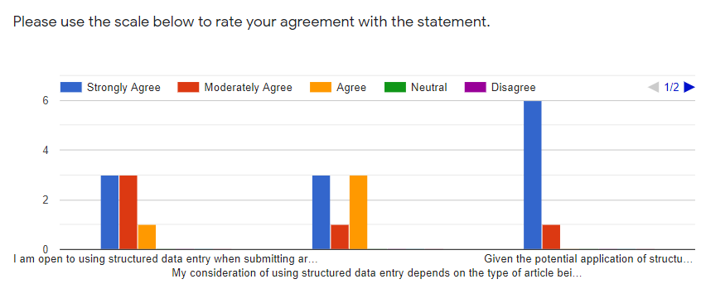

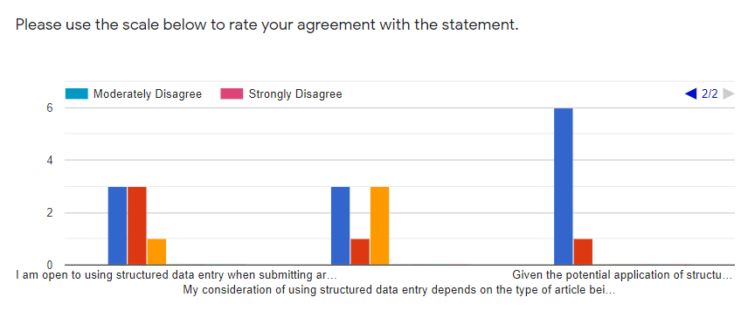

I am open to using structured data entry when submitting articles for publication.
My consideration of using structured data entry depends on the type of article being submitted for publication.
Given the potential application of structured data entry, approaches to implement this during the journal submission process should continue to be explored.

